Category Statistics
Parent Category Outcomes
country | US

Cuenta de outcomes | Etiquetas de columna
Etiquetas de fila | canceled | failed | live | successful | Total general
theater | 26 | 349 | 12 | 525 | 912
Total general | 26 | 349 | 12 | 525 | 912

Subcategory Statistics
Outcome by Subcategory
country | US
Parent category | (Todas)

Cuenta de outcomes | Etiquetas de columna
Etiquetas de fila | failed | live | successful | Total general
plays | 250 | 9 | 412 | 671
Total general | 250 | 9 | 412 | 671

Outcomes Based on Launch Date
Outcomes based on Launch Date(2009-2017)
 | canceled | failed | live | successful
ene | 7 | 33 | 2 | 56
feb | 3 | 39 | 8 | 71
mar | 3 | 33 | 14 | 56
abr | 2 | 40 |  | 71
may | 3 | 52 |  | 111
jun | 4 | 49 |  | 100
jul | 1 | 50 |  | 87
ago | 4 | 47 |  | 72
sep | 4 | 34 |  | 59
oct |  | 50 |  | 65
nov | 3 | 31 |  | 54
dic | 3 | 35 |  | 37
Parent category | theater
Años | (Todas)

Cuenta de outcomes | Etiquetas de columna
Etiquetas de fila | canceled | failed | live | successful | Total general
ene | 7 | 33 | 2 | 56 | 98
feb | 3 | 39 | 8 | 71 | 121
mar | 3 | 33 | 14 | 56 | 106
abr | 2 | 40 |  | 71 | 113
may | 3 | 52 |  | 111 | 166
jun | 4 | 49 |  | 100 | 153
jul | 1 | 50 |  | 87 | 138
ago | 4 | 47 |  | 72 | 123
sep | 4 | 34 |  | 59 | 97
oct |  | 50 |  | 65 | 115
nov | 3 | 31 |  | 54 | 88
dic | 3 | 35 |  | 37 | 75
Total general | 37 | 493 | 24 | 839 | 1393

Distributions
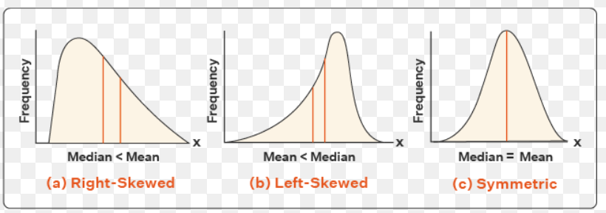

Distribution Analisis
We can see that the mean campaign goal is around £4,000. This is outside of the range of outliers for amount pledged, so Louise should probably try to get
her play produced for less than £4,000. Half of the campaign goals are less than £2,000, which is just over the 3rd quartile for amounts pledged.

25% of the Kickstarter campaigns for musicals in Great Britain got no funding at all.

