Category Statistics
Parent Category Outcomes(theater US)
country | US

Cuenta de outcomes | Etiquetas de columna
Etiquetas de fila | canceled | failed | live | successful | Total general
theater | 26 | 349 | 12 | 525 | 912
Total general | 26 | 349 | 12 | 525 | 912

Subcategory Statistics
Outcome by Subcategory of Theater in the US
 | canceled | failed | live | successful
musical | 11 | 40 |  | 45
plays |  | 250 | 9 | 412
spaces | 15 | 59 | 3 | 68
country | US
Parent category | theater

Cuenta de outcomes | Etiquetas de columna
Etiquetas de fila | canceled | failed | live | successful | Total general
musical | 11 | 40 |  | 45 | 96
plays |  | 250 | 9 | 412 | 671
spaces | 15 | 59 | 3 | 68 | 145
Total general | 26 | 349 | 12 | 525 | 912

Outcomes Based on Launch Date
Outcomes based on Launch Date by Theater Category in US(2009-2017)
 | canceled | failed | live | successful
ene | 7 | 33 | 2 | 56
feb | 3 | 39 | 8 | 71
mar | 3 | 33 | 14 | 56
abr | 2 | 40 |  | 71
may | 3 | 52 |  | 111
jun | 4 | 49 |  | 100
jul | 1 | 50 |  | 87
ago | 4 | 47 |  | 72
sep | 4 | 34 |  | 59
oct |  | 50 |  | 65
nov | 3 | 31 |  | 54
dic | 3 | 35 |  | 37
Parent category | theater
Años | (Todas)

Cuenta de outcomes | Etiquetas de columna
Etiquetas de fila | canceled | failed | live | successful | Total general
ene | 7 | 33 | 2 | 56 | 98
feb | 3 | 39 | 8 | 71 | 121
mar | 3 | 33 | 14 | 56 | 106
abr | 2 | 40 |  | 71 | 113
may | 3 | 52 |  | 111 | 166
jun | 4 | 49 |  | 100 | 153
jul | 1 | 50 |  | 87 | 138
ago | 4 | 47 |  | 72 | 123
sep | 4 | 34 |  | 59 | 97
oct |  | 50 |  | 65 | 115
nov | 3 | 31 |  | 54 | 88
dic | 3 | 35 |  | 37 | 75
Total general | 37 | 493 | 24 | 839 | 1393

Distributions
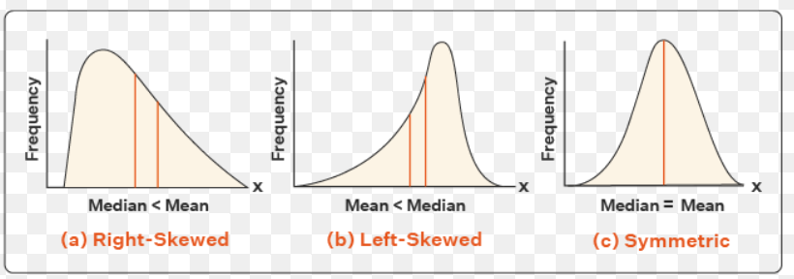

outlier

highest data point
within 1.5x IQR of upper quartile

Upper Quartile

Mean
Median

Lower Quartile

lowest data point within 1.5x IQR of upper quartile

Distribution Analisis
We can see that the mean campaign goal is around £4,000. This is outside of the range of outliers for amount pledged, so Louise should probably try to get
her play produced for less than £4,000. Half of the campaign goals are less than £2,000, which is just over the 3rd quartile for amounts pledged.

25% of the Kickstarter campaigns for musicals in Great Britain got no funding at all.

