Excel formulas
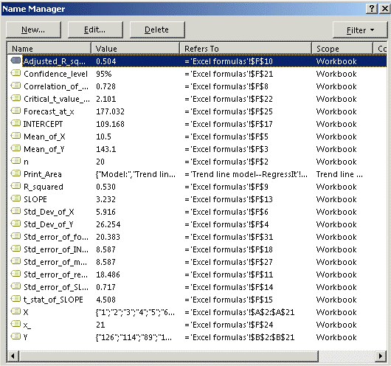
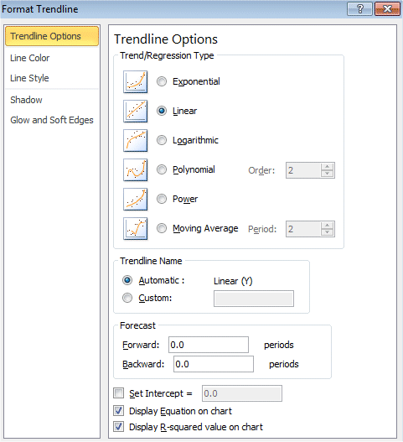
X | Y | Predictions | Residuals | Formulas for a simple regression model to predict Y from X, including a forecast and its confidence limits: |  |  | Source: | http://people.duke.edu/~rnau/regintro.htm
1 | 126 | 112.4 | 13.6 | n | 20 | = COUNT(Y)
2 | 114 | 115.6 | -1.6 | Mean of Y | 143.1 | = AVERAGE(Y)
3 | 89 | 118.9 | -29.9 | Sample standard deviation of Y | 26.254 | = STDEV.S(Y) | Chart produced from model predictions computed in column C:
4 | 130 | 122.1 | 7.9 | Mean of X | 10.5 | = AVERAGE(X)
5 | 152 | 125.3 | 26.7 | Sample standard deviation of X | 5.916 | = STDEV.S(X)
6 | 110 | 128.6 | -18.6
7 | 144 | 131.8 | 12.2 | Correlation of Y and X | 0.728 | = CORREL(Y,X)
8 | 146 | 135.0 | 11.0 | R-squared | 0.530 | = (Correlation_of_Y_and_X)^2
9 | 139 | 138.3 | 0.7 | Adjusted R-squared | 0.504 | = 1 - ((n - 1)/(n - 2)) * (1 - R_squared)
10 | 104 | 141.5 | -37.5 | Standard error of regression | 18.486 | = SQRT(1 - Adjusted_R_squared) * Std_Dev_of_Y
11 | 160 | 144.7 | 15.3
12 | 134 | 147.9 | -13.9 | SLOPE | 3.232 | = Correlation_of_Y_and_X * (Std_Dev_of_Y/Std_Dev_of_X)
13 | 155 | 151.2 | 3.8 | Standard error of SLOPE | 0.717 | = (Std_error_of_regression/SQRT(n)) * (1/STDEV.P(X))
14 | 138 | 154.4 | -16.4 | t-stat of SLOPE | 4.508 | = SLOPE/Std_error_of_SLOPE
15 | 186 | 157.6 | 28.4 | p-value of SLOPE | 0.000 | = T.DIST.2T(ABS(t-stat of slope),n - 2)
16 | 160 | 160.9 | -0.9 | INTERCEPT | 109.168 | = (Mean_of_Y) - (SLOPE * Mean_of_X)
17 | 177 | 164.1 | 12.9 | Standard error of INTERCEPT | 8.587 | = (Std_error_of_regression/SQRT(n)) * SQRT(1 + Mean_of_X^2/VAR.P(X))
18 | 144 | 167.3 | -23.3 | t-stat of INTERCEPT | 12.713 | = INTERCEPT/Std_error_of_INTERCEPT
19 | 174 | 170.6 | 3.4
20 | 180 | 173.8 | 6.2 | Confidence level | 95% | <-- Confidence level for two-sided interval (can be adjusted)
 |  |  |  | Critical t value | 2.101 | = T.INV.2T(1 - Confidence_level,n - 2)
You can change the X and Y values and
the calculations and charts will be updated. |  |  |  | x | 21 | <-- Value of X for which to compute a forecast (next value of time index, or anything you want)
 |  |  |  | Forecast at x | 177.032 | = INTERCEPT + x * SLOPE
 |  |  |  |  |  |  |  | Chart produced with Excel's chart wizard (scatterplot with trend line):
 |  |  |  | Standard error of mean at x | 8.587 | = (Std_error_of_regression/SQRT(n)) * SQRT(1 + ((x - Mean_of_X)^2)/VAR.P(X))
 |  |  |  | Lower 95% conf limit for mean | 158.990 | = Forecast_at_x - (Critical_t_value * Std_error_of_mean_at_x)
 |  |  |  | Upper 95% conf limit for mean | 195.073 | = Forecast_at_x + (Critical_t_value * Std_error_of_mean_at_x)

 |  |  |  | Standard error of forecast at x | 20.383 | = SQRT(Std_error_of_regression^2 + Std_error_of_mean_at_x^2)
 |  |  |  | Lower 95% conf limit for forecast | 134.208 | = Forecast_at_x - (Critical_t_value * Std_error_of_forecast_at_x)
 |  |  |  | Upper 95% conf limit for forecast | 219.855 | = Forecast_at_x + (Critical_t_value * Std_error_of_forecast_at_x)

 |  |  |  | Named ranges used in formulas:

Trend line model--RegressIt
Model: | Trend line model |  |  |  |  |  |  |  |  |  |  | August 25, 2014 4:00 PM RegressIt 2.0 Trend line model
Dependent Variable: |  | Y |  |  |  |  |  |  |  |  |  |  | Forecasts and 95.0% confidence limits for means and forecasts Trend line model for Y (1 variable, n=20)
Independent Variables: |  |  |  |  |  |  |  |  |  |  |  |  | Actual and predicted-vs-Obs# with 95.0% confidence limits Trend line model for Y (1 variable, n=20)
X
Equation: |  |  |  |  |  |  |  |  |  |  | Regression model output from RegressIt
Predicted Y = 109.168 + 3.232*X |  |  |  |  |  |  |  |  |  |  | http://regressit.com

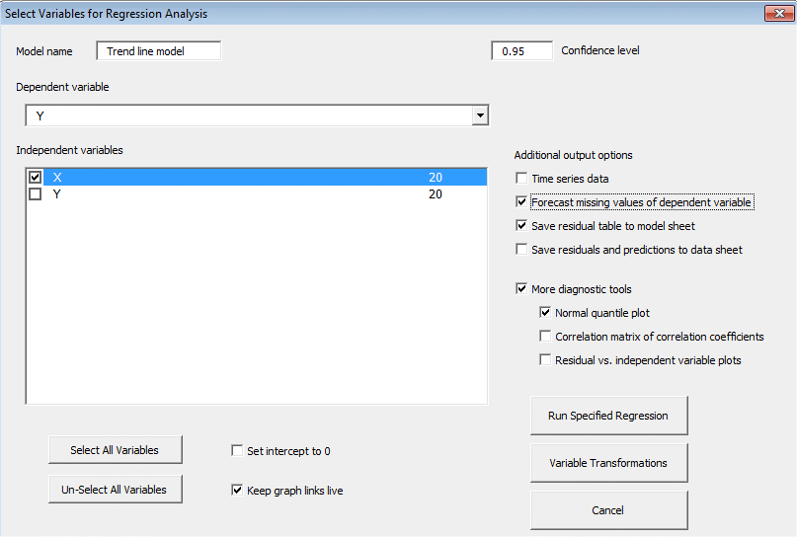
Regression Statistics: Trend line model for Y (1 variable, n=20)
 | R-Squared | Adj.RSqr | Std.Err.Reg. | # Cases | # Missing | t(2.50%,18) | Conf. level
 | 0.530 | 0.504 | 18.486 | 20 | 0 | 2.101 | 95.0% | <--Confidence level can be adjusted after fitting model

Summary Table: Trend line model for Y (1 variable, n=20)
Variable | Coefficient | Std.Err. | t-Stat. | P-value | Lower95% | Upper95%
Intercept | 109.168 | 8.587 | 12.713 | 0.000 | 91.127 | 127.210
X | 3.232 | 0.717 | 4.508 | 0.000 | 1.726 | 4.738

Analysis of Variance: Trend line model for Y (1 variable, n=20)

Line Fit Plot
Trend line model for Y (1 variable, n=20) Predicted Y = 109.168 + 3.232*X
 | Actual |  | Upper 95% |  | Predicted |  | Lower 95%
1 | 126 | 1.000 | 154.690 | 1.000 | 112.400 | 1.000 | 70.110
2 | 114 | 5.750 | 168.184 | 5.750 | 127.750 | 5.750 | 87.316
3 | 89 | 10.500 | 182.897 | 10.500 | 143.100 | 10.500 | 103.303
4 | 130 | 15.250 | 198.884 | 15.250 | 158.450 | 15.250 | 118.016
5 | 152 | 20.000 | 216.090 | 20.000 | 173.800 | 20.000 | 131.510
6 | 110
7 | 144
8 | 146
9 | 139
10 | 104
11 | 160
12 | 134
13 | 155
14 | 138
15 | 186
16 | 160
17 | 177
18 | 144
19 | 174
20 | 180
 | X | StdErrMean | StdErrFcst | Predicted | Lower 95% | Upper 95%
 | 1.000 | 7.966 | 20.129 | 112.400 | 70.110 | 154.690
 | 5.750 | 5.355 | 19.246 | 127.750 | 87.316 | 168.184
 | 10.500 | 4.134 | 18.942 | 143.100 | 103.303 | 182.897
 | 15.250 | 5.355 | 19.246 | 158.450 | 118.016 | 198.884
 | 20.000 | 7.966 | 20.129 | 173.800 | 131.510 | 216.090

Residual Distribution Statistics: Trend line model for Y (1 variable, n=20)
#Res.>0 | #Res.<=0 | A-D* Stat. | P-value | MinStdRes | MaxStdRes
12 | 8 | 0.454 | 0.270 | -2.028 | 1.534
See the residual histogram, normal quantile plot and residual table for more details of the error distribution.

Forecasts: Trend line model for Y (1 variable, n=20)
Obs# | Forecast | StErrFcst | Lower95%F | Upper95%F | StErrMean | Lower95%M | Upper95%M | X
21 | 177.032 | 20.383 | 134.208 | 219.855 | 8.587 | 158.990 | 195.073 | 21 | <--Values of X for which to compute forecasts can be entered after fitting the model or by inclusion in additional rows of the data set. |  |  |  |  | 42.823
22 | 180.263 | 20.659 | 136.861 | 223.665 | 9.222 | 160.888 | 199.638 | 22 |  |  |  |  |  | 43.402
23 | 183.495 | 20.955 | 139.470 | 227.519 | 9.868 | 162.763 | 204.227 | 23 |  |  |  |  |  | 44.025
24 | 186.726 | 21.271 | 142.037 | 231.416 | 10.523 | 164.618 | 208.835 | 24 |  |  |  |  |  | 44.689
25 | 189.958 | 21.607 | 144.563 | 235.352 | 11.186 | 166.457 | 213.459 | 25 |  | Scroll down to see the rest of the regression output and the residual table |  |  |  | 45.394
Forecasts and 95.0% confidence limits for means and forecasts Trend line model for Y (1 variable, n=20)

Actual and predicted vs. Obs#
Actual and predicted-vs-Obs# with 95.0% confidence limits Trend line model for Y (1 variable, n=20)
 | Actual |  | Predicted |  | Forecast
1 | 126 | 1 | 112.4 | 21 | 177.032
2 | 114 | 2 | 115.63157895 | 22 | 180.263
3 | 89 | 3 | 118.86315789 | 23 | 183.495
4 | 130 | 4 | 122.09473684 | 24 | 186.726
5 | 152 | 5 | 125.32631579 | 25 | 189.958
6 | 110 | 6 | 128.55789474
7 | 144 | 7 | 131.78947368
8 | 146 | 8 | 135.02105263
9 | 139 | 9 | 138.25263158
10 | 104 | 10 | 141.48421053
11 | 160 | 11 | 144.71578947
12 | 134 | 12 | 147.94736842
13 | 155 | 13 | 151.17894737
14 | 138 | 14 | 154.41052632
15 | 186 | 15 | 157.64210526
16 | 160 | 16 | 160.87368421
17 | 177 | 17 | 164.10526316
18 | 144 | 18 | 167.33684211
19 | 174 | 19 | 170.56842105
20 | 180 | 20 | 173.8

 |  | FALSE

Residual -vs- Obs #
Residual -vs- Obs# Trend line model for Y (1 variable, n=20)
 | Actual
1 | 13.6
2 | -1.6315789474
3 | -29.863157895
4 | 7.9052631579
5 | 26.673684211
6 | -18.557894737
7 | 12.210526316
8 | 10.978947368
9 | 0.74736842105
10 | -37.484210526
11 | 15.284210526
12 | -13.947368421
13 | 3.8210526316
14 | -16.410526316
15 | 28.357894737
16 | -0.87368421053
17 | 12.894736842
18 | -23.336842105
19 | 3.4315789474
20 | 6.2

Residual vs. Predicted
Residual -vs- Predicted Trend line model for Y (1 variable, n=20)
 | Actual
112.4 | 13.6
115.63157895 | -1.6315789474
118.86315789 | -29.863157895
122.09473684 | 7.9052631579
125.32631579 | 26.673684211
128.55789474 | -18.557894737
131.78947368 | 12.210526316
135.02105263 | 10.978947368
138.25263158 | 0.74736842105
141.48421053 | -37.484210526
144.71578947 | 15.284210526
147.94736842 | -13.947368421
151.17894737 | 3.8210526316
154.41052632 | -16.410526316
157.64210526 | 28.357894737
160.87368421 | -0.87368421053
164.10526316 | 12.894736842
167.33684211 | -23.336842105
170.56842105 | 3.4315789474
173.8 | 6.2

Histogram of Residuals
Histogram of Residuals Trend line model for Y (1 variable, n=20)
 | Actual | Theoretical
-38.0 | 1 | 0.37163012609
-30.4 | 1 | 0.81976310786
-22.8 | 1 | 1.5166971458
-15.2 | 3 | 2.3537190848
-7.6 | 0 | 3.0638288716
0.0 | 4 | 3.3452907029
7.6 | 4 | 3.0638288716
15.2 | 4 | 2.3537190848
22.8 | 0 | 1.5166971458
30.4 | 2 | 0.81976310786
38.0 | 0 | 0.37163012609

Normal Quantile Plot
Normal Quantile Plot Trend line model for Y (1 variable, n=20)
 | Actual | Theoretical
-1.6683911939 | -2.0832791843 | -1.6683911939
-1.3091717168 | -1.6597200354 | -1.3091717168
-1.0675705239 | -1.2970036371 | -1.0675705239
-0.87614284925 | -1.0314016293 | -0.87614284925
-0.71244303239 | -0.91205623374 | -0.71244303239
-0.56594882193 | -0.77516004471 | -0.56594882193
-0.4307272993 | -0.09067909957 | -0.4307272993
-0.30298044806 | -0.048557195254 | -0.30298044806
-0.18001236979 | 0.041536877868 | -0.18001236979
-0.059717099785 | 0.19071862232 | -0.059717099785
0.059717099785 | 0.21236460093 | 0.059717099785
0.18001236979 | 0.34458057837 | 0.18001236979
0.30298044806 | 0.43935486308 | 0.30298044806
0.4307272993 | 0.61018258614 | 0.4307272993
0.56594882193 | 0.67863068065 | 0.56594882193
0.71244303239 | 0.71665739983 | 0.71244303239
0.87614284925 | 0.7558541719 | 0.87614284925
1.0675705239 | 0.84945840371 | 1.0675705239
1.3091717168 | 1.4824570214 | 1.3091717168
1.6683911939 | 1.5760612532 | 1.6683911939

Residuals sorted from largest to smallest by absolute value: Trend line model for Y (1 variable, n=20)
Obs# | Actual | Predicted | Residual | Std.Res.
10 | 104.000 | 141.484 | -37.484 | -2.028
3 | 89.000 | 118.863 | -29.863 | -1.615
15 | 186.000 | 157.642 | 28.358 | 1.534
5 | 152.000 | 125.326 | 26.674 | 1.443
18 | 144.000 | 167.337 | -23.337 | -1.262
6 | 110.000 | 128.558 | -18.558 | -1.004
14 | 138.000 | 154.411 | -16.411 | -0.888
11 | 160.000 | 144.716 | 15.284 | 0.827
12 | 134.000 | 147.947 | -13.947 | -0.754
1 | 126.000 | 112.400 | 13.600 | 0.736
17 | 177.000 | 164.105 | 12.895 | 0.698
7 | 144.000 | 131.789 | 12.211 | 0.661
8 | 146.000 | 135.021 | 10.979 | 0.594
4 | 130.000 | 122.095 | 7.905 | 0.428
20 | 180.000 | 173.800 | 6.200 | 0.335
13 | 155.000 | 151.179 | 3.821 | 0.207
19 | 174.000 | 170.568 | 3.432 | 0.186
2 | 114.000 | 115.632 | -1.632 | -0.088
16 | 160.000 | 160.874 | -0.874 | -0.047
9 | 139.000 | 138.253 | 0.747 | 0.040

