Chart1
BC | 52.380952381
BM | 38.095238095
BS | 52.380952381
EF | 81.818181818
LL | 95.454545455
ML | 40.909090909
MR | 68.181818182
MP | 55.555555556
SU | 50
SA | 77.272727273
SE | 81.818181818
SP | 95.454545455
SS | 90.909090909

Chart3
 | 16.229508197
 | 9.1
 | 11
 | 12.393442623
 | 6.3
 | 5.7
 | 18.073770492
 | 21.172131148

Chart2
 | 16.229508197
 | 9.1
 | 11
 | 12.393442623
 | 6.3
 | 5.7
 | 18.073770492
 | 21.172131148

Sheet1
 | X | BC | BM | BS | EF | LL | ML | MR | MP | SU | SA | SE | SP | SS
Morphology | Coc | 0 | 0 | 0 | 1 | 1 | 1 | 1 | 1 | 1 | 1 | 1 | 1 | 1 |  | BC | BM | BS | EF | LL | ML | MR | MP | SU | SA | SE | SP | SS
Motility | - | 0 | 0 | 0 | 1 | 1 | 1 | 1 | 1 | 0 | 1 | 1 | 1 | 1 |  | 52.380952381 | 38.095238095 | 52.380952381 | 81.818181818 | 95.454545455 | 40.909090909 | 68.181818182 | 55.555555556 | 50 | 77.272727273 | 81.818181818 | 95.454545455 | 90.909090909
Arrangements | I/C | 1 | 1 | 1 | 1 | 1 | 0 | 0 | 0 | 0 | 0 | 0 | 1 | 1
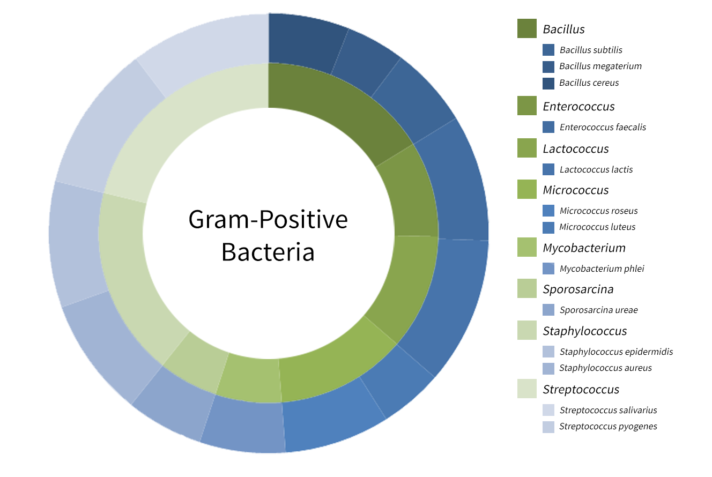
Pigments | - | 1 | 1 | 1 | 1 | 1 | 0 | 0 | 1 | 1 | 1 | 1 | 1 | 1
Endospores | - | 0 | 0 | 0 | 1 | 1 | 1 | 1 | 1 | 1 | 1 | 1 | 1 | 1
Starch | - | 0 | 0 | 0 | 0 | 1 | 1 | 1 | U | 1 | 1 | 1 | 1 | 1
Catalase | - | 0 | 0 | 0 | 1 | 1 | 0 | 0 | 0 | 0 | 0 | 0 | 1 | 1
Oxidase | - | 0 | 1 | 1 | 1 | 1 | 0 | 1 | U | 0 | 1 | 1 | 1 | 1
Indole | - | 1 | 1 | 1 | 1 | 1 | 1 | 1 | U | 1 | 1 | 1 | 1 | 1
VP | - | 1 | 0 | 1 | 1 | 1 | 0 | 0 | U | 0 | 1 | 1 | 1 | 1
Citrate | - | 0 | 0 | 0 | 1 | 1 | 0 | 1 | 0 | 1 | 1 | 1 | 1 | 1
Urease | - | 1 | 0 | 1 | 1 | 1 | 0 | 1 | U | 0 | 0 | 0 | 1 | 0
Ornithine | - | U | U | U | 1 | 1 | 1 | 1 | U | U | 1 | 1 | 1 | 1
Gelatinase | - | 0 | 0 | 0 | 0 | 1 | 0 | 1 | U | 1 | 0 | 0 | 1 | 1
Nitrat Red. | + | 1 | 0 | 1 | 0 | 0 | 0 | 1 | 1 | 1 | 1 | 1 | 0 | 0
Glucose | + | 1 | 1 | 1 | 1 | 1 | 0 | 1 | U | 0 | 1 | 1 | 1 | 1
Lactose | + | 0 | D | 0 | 1 | 1 | 0 | 0 | U | 0 | 1 | 1 | 1 | 1
Sucrose | + | 1 | 1 | 1 | 1 | 1 | 0 | 1 | U | 0 | 1 | 1 | 1 | 1
Gas | - | 1 | 1 | 1 | 1 | 1 | 1 | 1 | U | 1 | 1 | 1 | 1 | 1
H2S | - | 1 | 1 | 1 | 1 | 1 | 1 | 1 | U | 1 | 1 | 1 | 1 | 1
Mannitol | - |  |  |  | 0 | 1 | 1 | 0 | U | U | 0 | 1 | 1 | 1
 | 5.9508196721
 | 4.3278688525
 | 5.9508196721
 | 9.2950819672
 | 10.844262295
 | 4.6475409836
 | 7.7459016393
 | 6.3114754098
 | 5.6803278689
 | 8.7786885246
 | 9.2950819672
 | 10.844262295
 | 10.327868852
O/F | F | 1 | 0 | 0 | 1 | 1 | 0 | 0 | 0 | 0 | 1 | 1 | 1 | 1
Benzerlik (%) | 100 | 52.380952381 | 38.095238095 | 52.380952381 | 81.818181818 | 95.454545455 | 40.909090909 | 68.181818182 | 55.555555556 | 50 | 77.272727273 | 81.818181818 | 95.454545455 | 90.909090909
U's | 0 | 1 | 1 | 1 | 0 | 0 | 0 | 0 | 13 | 2 | 0 | 0 | 0 | 0

 |  | 52.380952381 | 38.095238095 | 52.380952381 | 81.818181818 | 95.454545455 | 40.909090909 | 68.181818182 | 55.555555556 | 50 | 77.272727273 | 81.818181818 | 95.454545455 | 90.909090909 | 880.23088023
 |  | 5.9508196721 | 4.3278688525 | 5.9508196721 | 9.2950819672 | 10.844262295 | 4.6475409836 | 7.7459016393 | 6.3114754098 | 5.6803278689 | 8.7786885246 | 9.2950819672 | 10.844262295 | 10.327868852 | 100
 |  | BC | BM | BS | EF | LL | ML | MR | MP | SU | SA | SE | SP | SS
 |  | 5.9508196721 | 4.3278688525 | 5.9508196721 | 9.2950819672 | 10.844262295 | 4.6475409836 | 7.7459016393 | 6.3114754098 | 5.6803278689 | 8.7786885246 | 9.2950819672 | 10.844262295 | 10.327868852

 |  | 16.229508197 | 9.1 | 11 | 12.393442623 | 6.3 | 5.7 | 18.073770492 | 21.172131148

 |  |  |  |  |  |  |  |  |  |  |  |  |  |  |  | Bacillus cereus
 |  |  |  |  |  |  |  |  |  |  |  |  |  |  |  | Bacillus megaterium
 |  |  |  |  |  |  |  |  |  |  |  |  |  |  |  | Bacillus subtilis
 |  |  |  |  |  |  |  |  |  |  |  |  |  |  |  | Enterococcus faecalis
 |  |  |  |  |  |  |  |  |  |  |  |  |  |  |  | Lactococcus lactis
 |  |  |  |  |  |  |  |  |  |  |  |  |  |  |  | Micrococcus luteus
 |  |  |  |  |  |  |  |  |  |  |  |  |  |  |  | Micrococcus roseus
 |  |  |  |  |  |  |  |  |  |  |  |  |  |  |  | Mycobacterium phlei
 |  |  |  |  |  |  |  |  |  |  |  |  |  |  |  | Sporosarcina urea
 |  |  |  |  |  |  |  |  |  |  |  |  |  |  |  | Staphylococcus aureus
 |  |  |  |  |  |  |  |  |  |  |  |  |  |  |  | Staphylococcus epidermidis
 |  |  |  |  |  |  |  |  |  |  |  |  |  |  |  | Streptococcus pyogenes
 |  |  |  |  |  |  |  |  |  |  |  |  |  |  |  | Streptococcus salivarius

