Sheet1
Task 1:

1. Performance scorecard of Student Unicorn (by CEO):
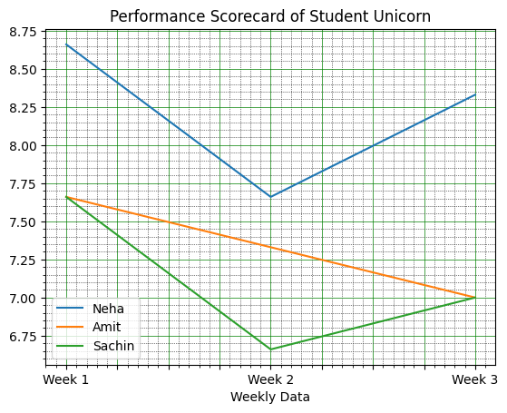

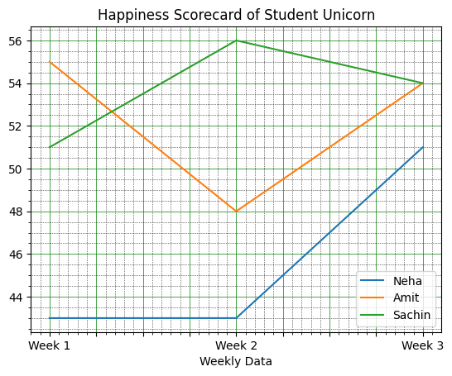
2. Happiness Scorecard of Student Unicorn:

3. Progress Scorecard:
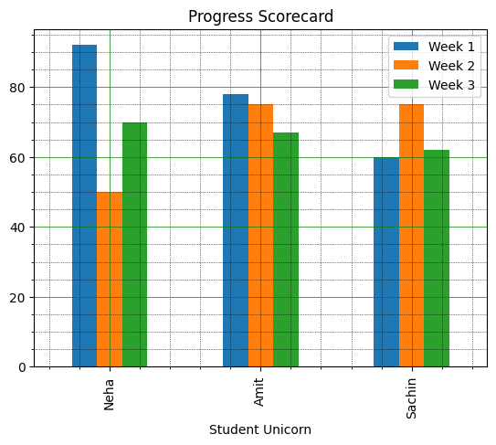

Task 2

Q1 | Do you feel your skills and abilities are being effectively utilized?
Q2 | Are you able to meet your deadlines consistently?
Q3 | Are you able to achieve your goals and objectives?
Q4 | On a scale of 1-10, how happy are you in your current role?
Q5 | How frequently do you experience stress or burnout?

