Project structure and basic cod
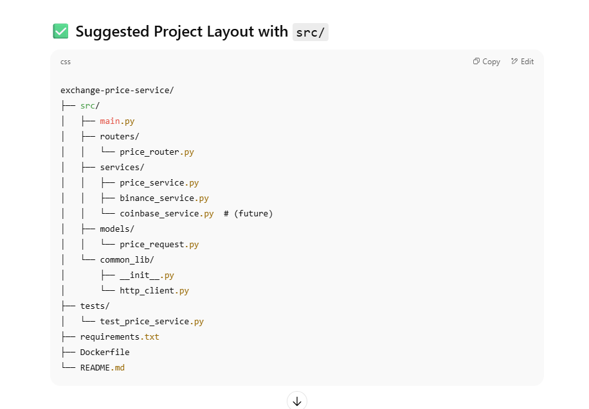
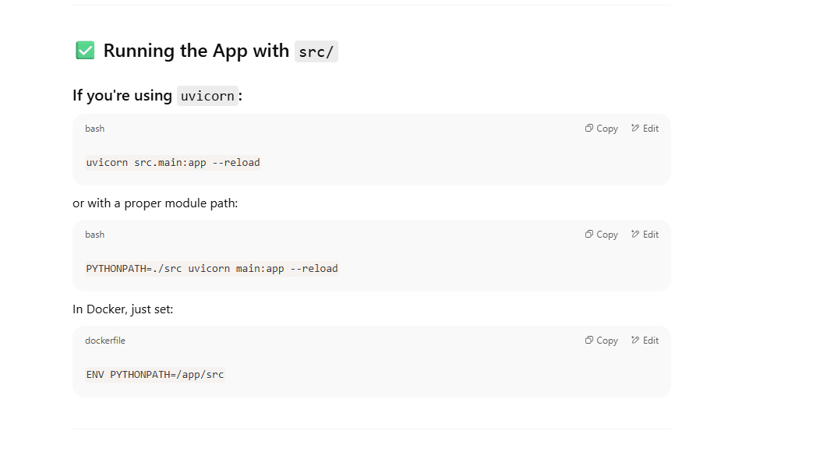

 | Run application

 |  | uvicorn src.main:app --reload

 |  | PYTHONPATH=./src uvicorn main:app --reload

 |  | ENV PYTHONPATH=/app/src

 |  | ENV PYTHONPATH=/app/src

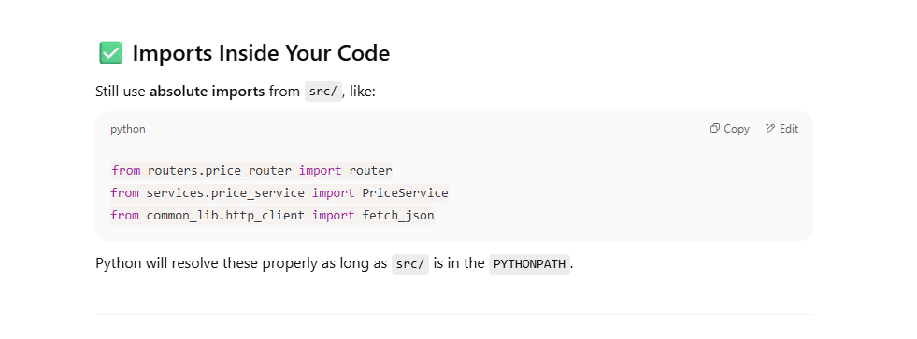

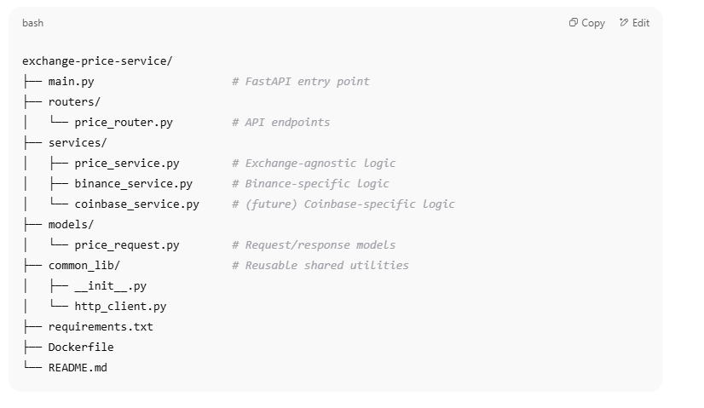

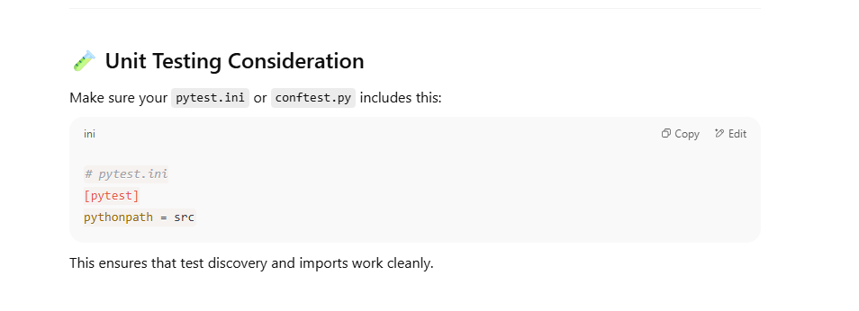

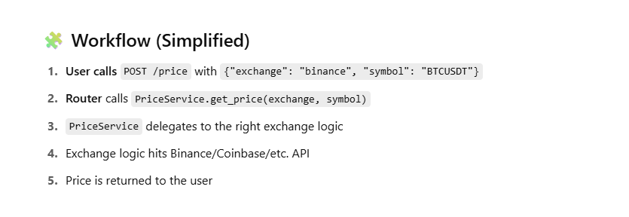

main.py
from fastapi import FastAPI from routers.price_router import router as price_router app = FastAPI(title="Exchange Price Service") app.include_router(price_router, prefix="/price", tags=["Price"])

routers/price_router.py
from fastapi import APIRouter, HTTPException from models.price_request import PriceRequest from services.price_service import PriceService router = APIRouter() price_service = PriceService() @router.post("/") async def get_price(request: PriceRequest): try: return await price_service.get_price(request.exchange, request.symbol) except Exception as e: raise HTTPException(status_code=500, detail=str(e))

models/price_request.py
from pydantic import BaseModel class PriceRequest(BaseModel): exchange: str symbol: str

services/price_service.py
from services.binance_service import BinanceService from services.coinbase_service import CoinbaseService # future class PriceService: def __init__(self): self.exchange_map = { "binance": BinanceService(), # "coinbase": CoinbaseService(), } async def get_price(self, exchange: str, symbol: str) -> dict: exchange = exchange.lower() if exchange not in self.exchange_map: raise ValueError(f"Exchange '{exchange}' not supported") return await self.exchange_map[exchange].get_price(symbol)

services/binance_service.py
import httpx class BinanceService: async def get_price(self, symbol: str) -> dict: async with httpx.AsyncClient() as client: url = "https://api.binance.com/api/v3/ticker/price" resp = await client.get(url, params={"symbol": symbol}) resp.raise_for_status() data = resp.json() return {"symbol": symbol, "price": float(data["price"])}

common_lib/http_client.py (optional shared client wrapper)
import httpx async def fetch_json(url: str, params: dict = None, headers: dict = None) -> dict: async with httpx.AsyncClient() as client: response = await client.get(url, params=params, headers=headers) response.raise_for_status() return response.json()

Dockerfile
FROM python:3.11-slim WORKDIR /app COPY . . RUN pip install --no-cache-dir -r requirements.txt CMD ["uvicorn", "main:app", "--host", "0.0.0.0", "--port", "8000"]

requirements.txt
fastapi uvicorn httpx

Docker Price Services
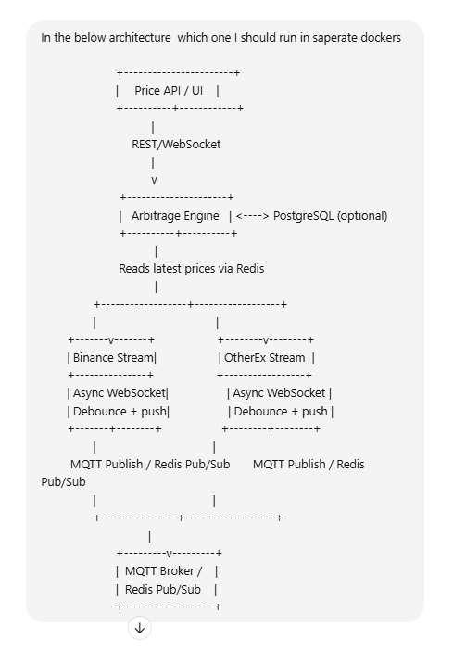
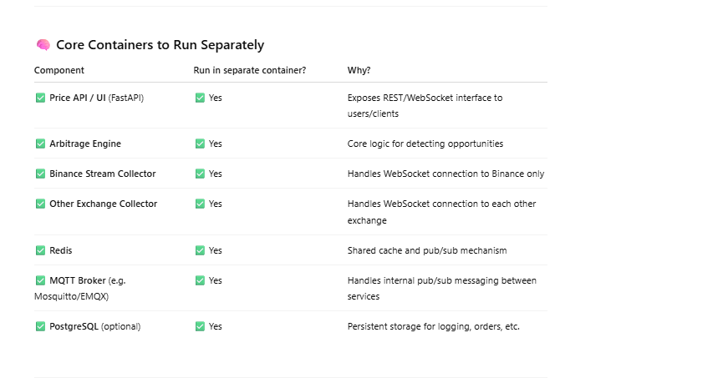
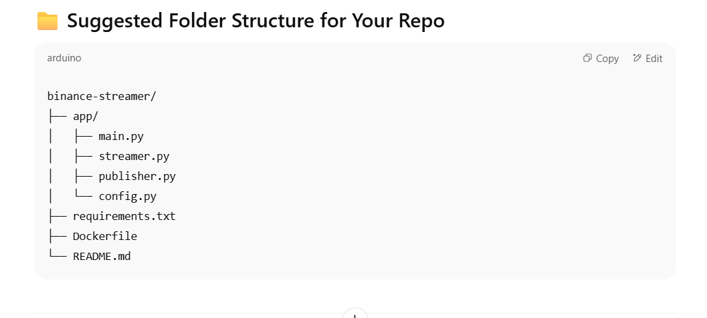

Full code

Binance Streamer
