Dashboard
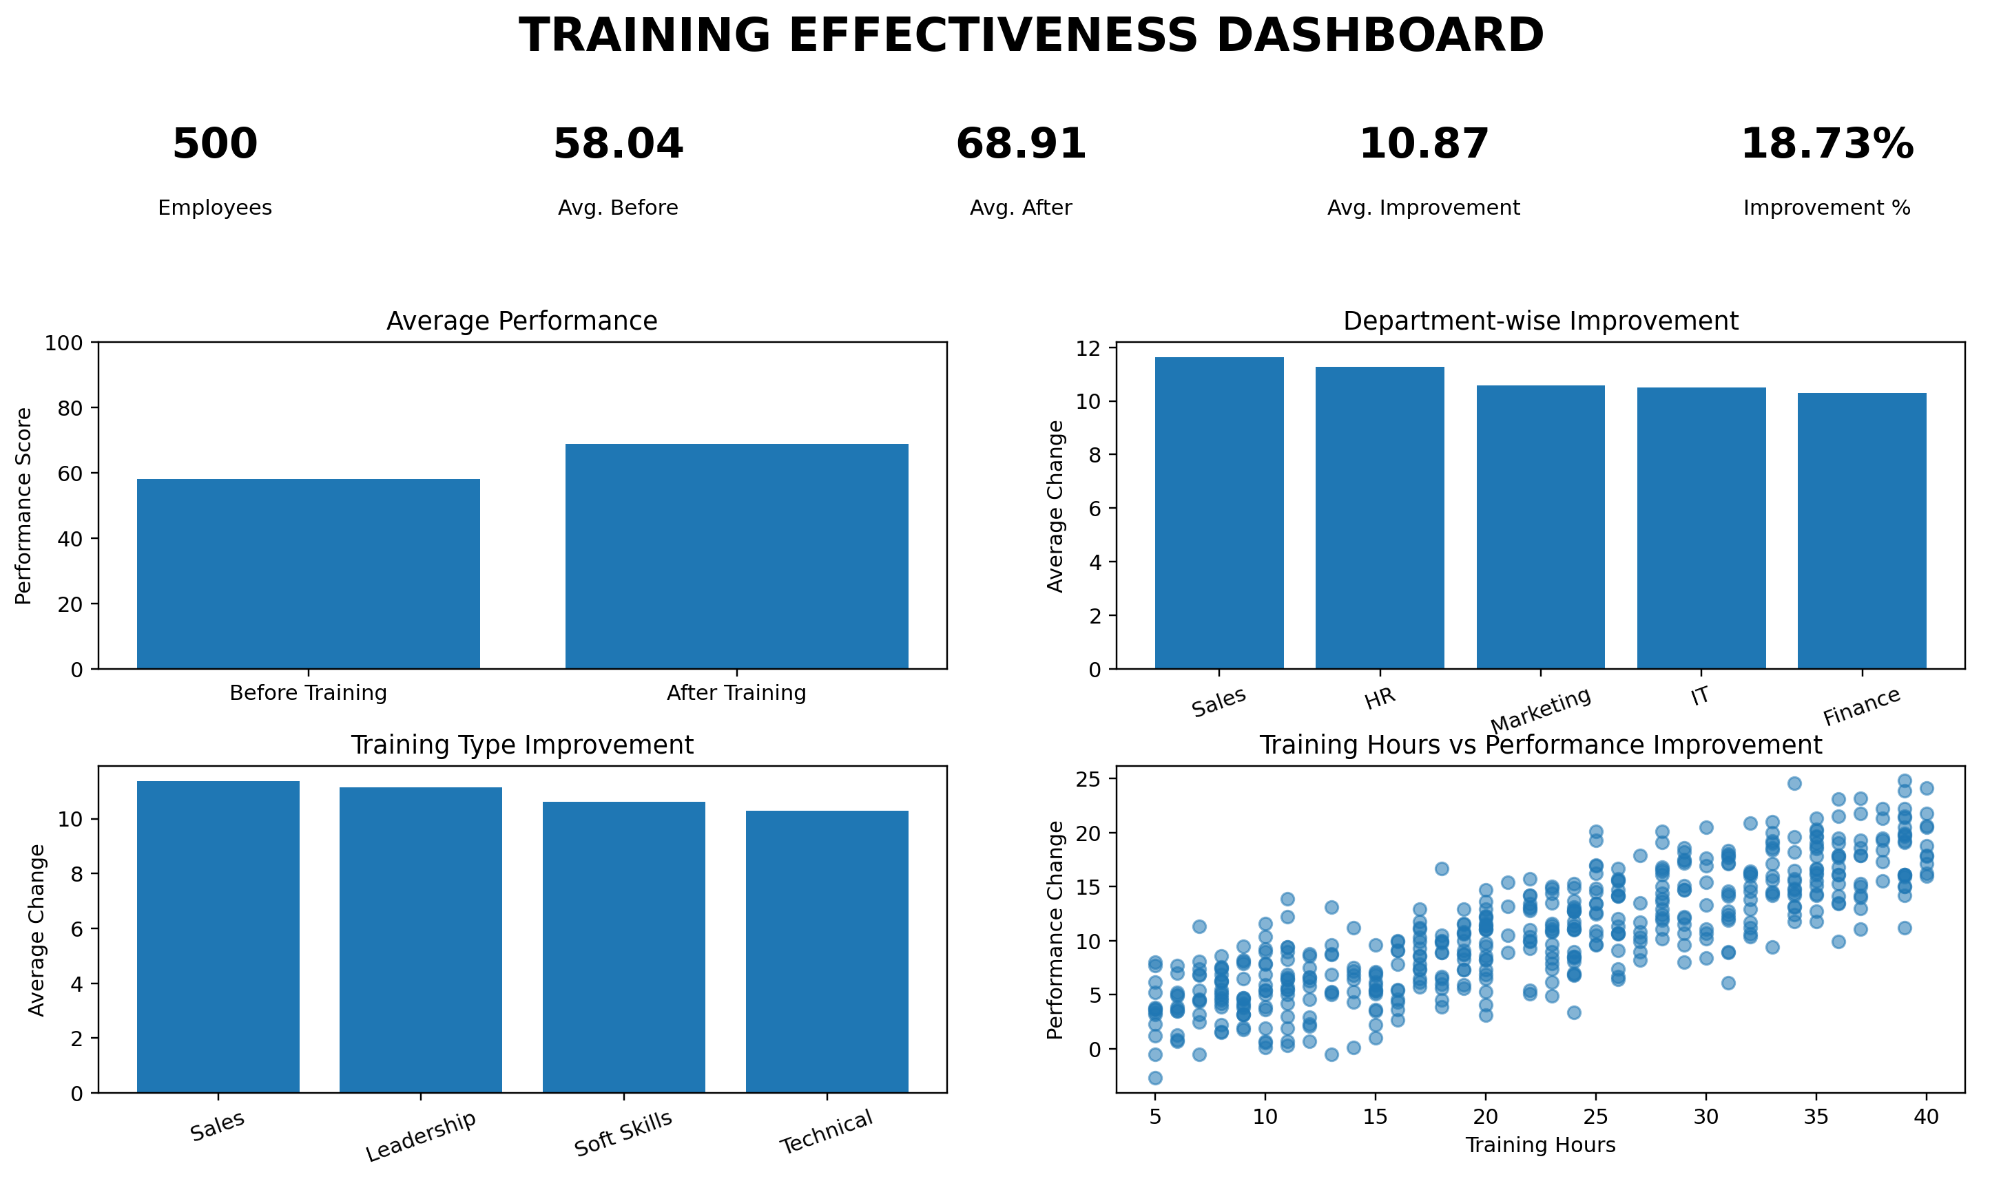

Training Effectiveness Dashboard — generated from the project dataset

