peptide_alphafold
Histogram of Confidence Scores
0.48 | 0
0.49 | 0
0.5 | 0
0.51 | 0
0.52 | 1
0.53 | 1
0.54 | 4
0.55 | 6
0.56 | 18
0.57 | 29
0.58 | 29
0.59 | 22
0.6 | 17
0.61 | 18
0.62 | 7
0.63 | 12
0.64 | 2
0.65 | 1
0.66 | 1
0.67 | 1
0.68 | 0
0.69 | 0
0.7 | 0
0.71 | 0
0.72 | 0
0.73 | 0
0.74 | 0
 | 0
DNA Sequence | Peptide Model | Docking Score | Confidence Score | Int | Freq
dna_sequence_101 | peptide_models/fold_2024_12_28_00_29_model_0.pdb | -183.88 | 0.6632028319 | 0.48
dna_sequence_72 | peptide_models/fold_2024_12_28_00_29_model_0.pdb | -182.87 | 0.6586760929 | 0.49 | 0
dna_sequence_85 | peptide_models/fold_2024_12_28_00_29_model_0.pdb | -180.11 | 0.6461594701 | 0.5 | 0
dna_sequence_110 | peptide_models/fold_2024_12_28_00_29_model_0.pdb | -178.42 | 0.6383939016 | 0.51 | 0
dna_sequence_73 | peptide_models/fold_2024_12_28_00_29_model_0.pdb | -177.76 | 0.6353411871 | 0.52 | 1
dna_sequence_128 | peptide_models/fold_2024_12_28_00_29_model_0.pdb | -176.55 | 0.6297163159 | 0.53 | 1
dna_sequence_98 | peptide_models/fold_2024_12_28_00_29_model_0.pdb | -176.37 | 0.6288764994 | 0.54 | 4
dna_sequence_79 | peptide_models/fold_2024_12_28_00_29_model_0.pdb | -176.34 | 0.628736454 | 0.55 | 6
dna_sequence_114 | peptide_models/fold_2024_12_28_00_29_model_0.pdb | -176.07 | 0.6274750748 | 0.56 | 18
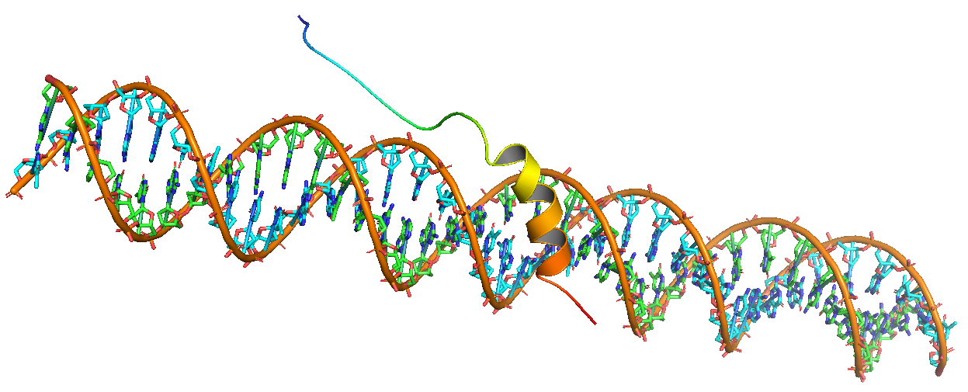
dna_sequence_147 | peptide_models/fold_2024_12_28_00_29_model_0.pdb | -175.76 | 0.6260246825 | 0.57 | 29
dna_sequence_80 | peptide_models/fold_2024_12_28_00_29_model_0.pdb | -175.47 | 0.6246658099 | 0.58 | 29
dna_sequence_38 | peptide_models/fold_2024_12_28_00_29_model_0.pdb | -175.25 | 0.6236336283 | 0.59 | 22
dna_sequence_127 | peptide_models/fold_2024_12_28_00_29_model_0.pdb | -174.87 | 0.6218481273 | 0.6 | 17
dna_sequence_94 | peptide_models/fold_2024_12_28_00_29_model_0.pdb | -174.77 | 0.6213777067 | 0.61 | 18
dna_sequence_151 | peptide_models/fold_2024_12_28_00_29_model_0.pdb | -174.69 | 0.6210012058 | 0.62 | 7
dna_sequence_162 | peptide_models/fold_2024_12_28_00_29_model_0.pdb | -174.6 | 0.6205774679 | 0.63 | 12
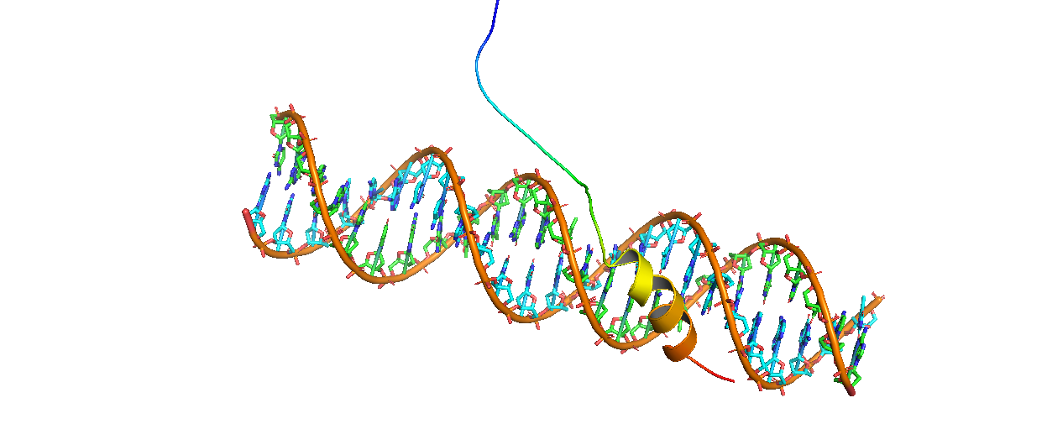
dna_sequence_34 | peptide_models/fold_2024_12_28_00_29_model_0.pdb | -174.51 | 0.6201535461 | 0.64 | 2
dna_sequence_144 | peptide_models/fold_2024_12_28_00_29_model_0.pdb | -174.14 | 0.6184088356 | 0.65 | 1
dna_sequence_90 | peptide_models/fold_2024_12_28_00_29_model_0.pdb | -173.9 | 0.6172754928 | 0.66 | 1
dna_sequence_15 | peptide_models/fold_2024_12_28_00_29_model_0.pdb | -173.66 | 0.6161408733 | 0.67 | 1
dna_sequence_131 | peptide_models/fold_2024_12_28_00_29_model_0.pdb | -173.63 | 0.6159989566 | 0.68 | 0
dna_sequence_124 | peptide_models/fold_2024_12_28_00_29_model_0.pdb | -173.56 | 0.6156677409 | 0.69 | 0
dna_sequence_21 | peptide_models/fold_2024_12_28_00_29_model_0.pdb | -173.41 | 0.6149576321 | 0.7 | 0
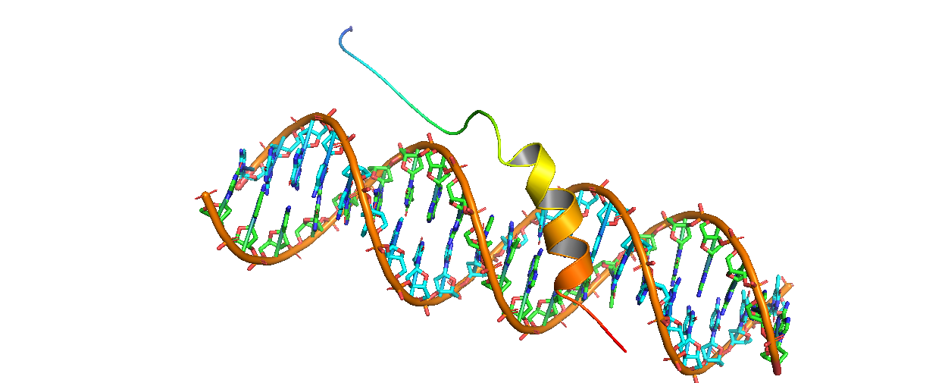
dna_sequence_164 | peptide_models/fold_2024_12_28_00_29_model_0.pdb | -173.27 | 0.6142944218 | 0.71 | 0
dna_sequence_22 | peptide_models/fold_2024_12_28_00_29_model_0.pdb | -172.06 | 0.6085449295 | 0.72 | 0
dna_sequence_36 | peptide_models/fold_2024_12_28_00_29_model_0.pdb | -171.8 | 0.6073054992 | 0.73 | 0
dna_sequence_129 | peptide_models/fold_2024_12_28_00_29_model_0.pdb | -171.43 | 0.6055393119 | 0.74 | 0
dna_sequence_95 | peptide_models/fold_2024_12_28_00_29_model_0.pdb | -171.39 | 0.6053482066 | 0.75 | 0
dna_sequence_97 | peptide_models/fold_2024_12_28_00_29_model_0.pdb | -171.3 | 0.604918102
dna_sequence_155 | peptide_models/fold_2024_12_28_00_29_model_0.pdb | -171.22 | 0.6045356503
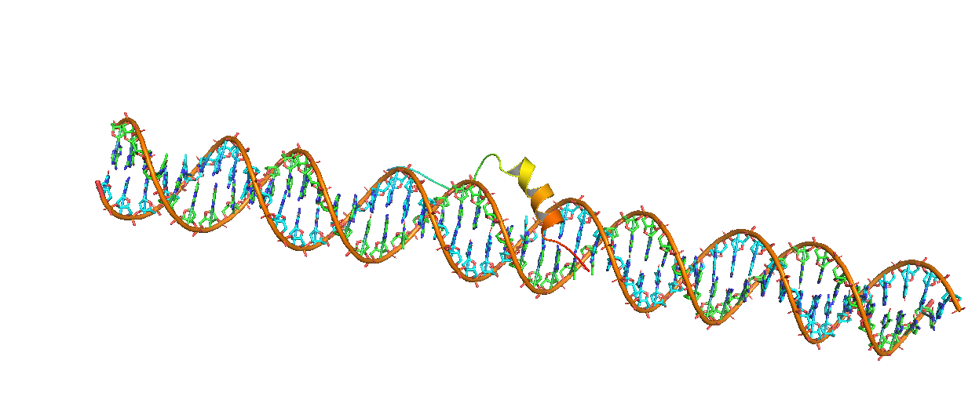
dna_sequence_130 | peptide_models/fold_2024_12_28_00_29_model_0.pdb | -171.14 | 0.6041530708
dna_sequence_30 | peptide_models/fold_2024_12_28_00_29_model_0.pdb | -171.07 | 0.603818209
dna_sequence_116 | peptide_models/fold_2024_12_28_00_29_model_0.pdb | -171.05 | 0.6037225163
dna_sequence_46 | peptide_models/fold_2024_12_28_00_29_model_0.pdb | -170.97 | 0.6033396662
dna_sequence_120 | peptide_models/fold_2024_12_28_00_29_model_0.pdb | -170.82 | 0.6026214814
dna_sequence_152 | peptide_models/fold_2024_12_28_00_29_model_0.pdb | -170.63 | 0.6017111459
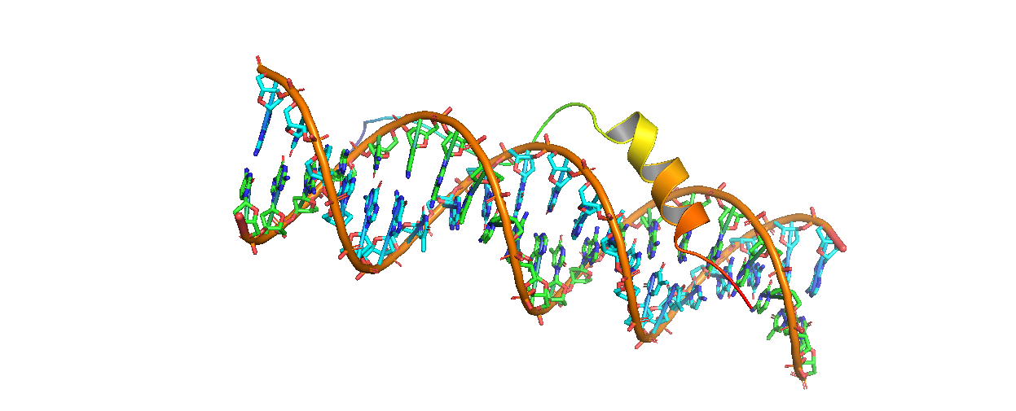
dna_sequence_102 | peptide_models/fold_2024_12_28_00_29_model_0.pdb | -170.48 | 0.6009919625
dna_sequence_83 | peptide_models/fold_2024_12_28_00_29_model_0.pdb | -170.43 | 0.6007521377
dna_sequence_92 | peptide_models/fold_2024_12_28_00_29_model_0.pdb | -170.41 | 0.6006561942
dna_sequence_154 | peptide_models/fold_2024_12_28_00_29_model_0.pdb | -170.38 | 0.6005122645
dna_sequence_104 | peptide_models/fold_2024_12_28_00_29_model_0.pdb | -170.34 | 0.6003203312
dna_sequence_44 | peptide_models/fold_2024_12_28_00_29_model_0.pdb | -170.31 | 0.6001763611
dna_sequence_69 | peptide_models/fold_2024_12_28_00_29_model_0.pdb | -170.27 | 0.599984374
dna_sequence_13 | peptide_models/fold_2024_12_28_00_29_model_0.pdb | -170.23 | 0.5997923561
dna_sequence_140 | peptide_models/fold_2024_12_28_00_29_model_0.pdb | -170.03 | 0.598831808
dna_sequence_12 | peptide_models/fold_2024_12_28_00_29_model_0.pdb | -170.01 | 0.5987357113
dna_sequence_4 | peptide_models/fold_2024_12_28_00_29_model_0.pdb | -169.75 | 0.5974857658
dna_sequence_150 | peptide_models/fold_2024_12_28_00_29_model_0.pdb | -169.71 | 0.5972933536
dna_sequence_57 | peptide_models/fold_2024_12_28_00_29_model_0.pdb | -169.7 | 0.5972452459
dna_sequence_157 | peptide_models/fold_2024_12_28_00_29_model_0.pdb | -169.55 | 0.5965234057
dna_sequence_143 | peptide_models/fold_2024_12_28_00_29_model_0.pdb | -169.42 | 0.5958974726
dna_sequence_126 | peptide_models/fold_2024_12_28_00_29_model_0.pdb | -169.3 | 0.595319411
dna_sequence_108 | peptide_models/fold_2024_12_28_00_29_model_0.pdb | -169.29 | 0.5952712273
dna_sequence_137 | peptide_models/fold_2024_12_28_00_29_model_0.pdb | -169.29 | 0.5952712273
dna_sequence_139 | peptide_models/fold_2024_12_28_00_29_model_0.pdb | -169.28 | 0.5952230417
dna_sequence_45 | peptide_models/fold_2024_12_28_00_29_model_0.pdb | -168.99 | 0.5938248645
dna_sequence_76 | peptide_models/fold_2024_12_28_00_29_model_0.pdb | -168.92 | 0.5934871445
dna_sequence_121 | peptide_models/fold_2024_12_28_00_29_model_0.pdb | -168.51 | 0.5915073046
dna_sequence_146 | peptide_models/fold_2024_12_28_00_29_model_0.pdb | -168.37 | 0.5908305777
dna_sequence_84 | peptide_models/fold_2024_12_28_00_29_model_0.pdb | -168.12 | 0.589621282
dna_sequence_148 | peptide_models/fold_2024_12_28_00_29_model_0.pdb | -168.05 | 0.5892824843
dna_sequence_33 | peptide_models/fold_2024_12_28_00_29_model_0.pdb | -167.95 | 0.5887983407
dna_sequence_109 | peptide_models/fold_2024_12_28_00_29_model_0.pdb | -167.94 | 0.5887499169
dna_sequence_42 | peptide_models/fold_2024_12_28_00_29_model_0.pdb | -167.7 | 0.5875872312
dna_sequence_136 | peptide_models/fold_2024_12_28_00_29_model_0.pdb | -167.7 | 0.5875872312
dna_sequence_59 | peptide_models/fold_2024_12_28_00_29_model_0.pdb | -167.56 | 0.5869085455
dna_sequence_62 | peptide_models/fold_2024_12_28_00_29_model_0.pdb | -167.55 | 0.5868600553
dna_sequence_96 | peptide_models/fold_2024_12_28_00_29_model_0.pdb | -167.39 | 0.5860839832
dna_sequence_1 | peptide_models/fold_2024_12_28_00_29_model_0.pdb | -167.38 | 0.5860354644
dna_sequence_117 | peptide_models/fold_2024_12_28_00_29_model_0.pdb | -167.37 | 0.585986944
dna_sequence_133 | peptide_models/fold_2024_12_28_00_29_model_0.pdb | -167.36 | 0.5859384219
dna_sequence_93 | peptide_models/fold_2024_12_28_00_29_model_0.pdb | -167.33 | 0.5857928457
dna_sequence_56 | peptide_models/fold_2024_12_28_00_29_model_0.pdb | -167.29 | 0.5855987207
dna_sequence_107 | peptide_models/fold_2024_12_28_00_29_model_0.pdb | -167.29 | 0.5855987207
dna_sequence_60 | peptide_models/fold_2024_12_28_00_29_model_0.pdb | -167.22 | 0.585258938
dna_sequence_88 | peptide_models/fold_2024_12_28_00_29_model_0.pdb | -166.8 | 0.5832185491
dna_sequence_26 | peptide_models/fold_2024_12_28_00_29_model_0.pdb | -166.72 | 0.5828295779
dna_sequence_7 | peptide_models/fold_2024_12_28_00_29_model_0.pdb | -166.42 | 0.5813700213
dna_sequence_74 | peptide_models/fold_2024_12_28_00_29_model_0.pdb | -166.4 | 0.5812726666
dna_sequence_68 | peptide_models/fold_2024_12_28_00_29_model_0.pdb | -166.4 | 0.5812726666
dna_sequence_39 | peptide_models/fold_2024_12_28_00_29_model_0.pdb | -166.17 | 0.580152634
dna_sequence_37 | peptide_models/fold_2024_12_28_00_29_model_0.pdb | -166.09 | 0.5797628632
dna_sequence_16 | peptide_models/fold_2024_12_28_00_29_model_0.pdb | -166.02 | 0.5794217321
dna_sequence_122 | peptide_models/fold_2024_12_28_00_29_model_0.pdb | -166.01 | 0.5793729929
dna_sequence_0 | peptide_models/fold_2024_12_28_00_29_model_0.pdb | -165.95 | 0.5790805252
dna_sequence_17 | peptide_models/fold_2024_12_28_00_29_model_0.pdb | -165.8 | 0.5783491134
dna_sequence_23 | peptide_models/fold_2024_12_28_00_29_model_0.pdb | -165.58 | 0.5772757549
dna_sequence_43 | peptide_models/fold_2024_12_28_00_29_model_0.pdb | -165.57 | 0.5772269484
dna_sequence_61 | peptide_models/fold_2024_12_28_00_29_model_0.pdb | -165.46 | 0.5766899782
dna_sequence_20 | peptide_models/fold_2024_12_28_00_29_model_0.pdb | -165.33 | 0.5760551435
dna_sequence_53 | peptide_models/fold_2024_12_28_00_29_model_0.pdb | -165.26 | 0.5757132053
dna_sequence_25 | peptide_models/fold_2024_12_28_00_29_model_0.pdb | -165.19 | 0.5753711946
dna_sequence_58 | peptide_models/fold_2024_12_28_00_29_model_0.pdb | -165.1 | 0.5749313605
dna_sequence_165 | peptide_models/fold_2024_12_28_00_29_model_0.pdb | -165.07 | 0.5747847227
dna_sequence_153 | peptide_models/fold_2024_12_28_00_29_model_0.pdb | -165.02 | 0.5745402972
dna_sequence_149 | peptide_models/fold_2024_12_28_00_29_model_0.pdb | -164.97 | 0.5742958353
dna_sequence_105 | peptide_models/fold_2024_12_28_00_29_model_0.pdb | -164.94 | 0.5741491407
dna_sequence_50 | peptide_models/fold_2024_12_28_00_29_model_0.pdb | -164.75 | 0.5732197727
dna_sequence_55 | peptide_models/fold_2024_12_28_00_29_model_0.pdb | -164.73 | 0.5731219143
dna_sequence_103 | peptide_models/fold_2024_12_28_00_29_model_0.pdb | -164.62 | 0.5725835909
dna_sequence_18 | peptide_models/fold_2024_12_28_00_29_model_0.pdb | -164.62 | 0.5725835909
dna_sequence_89 | peptide_models/fold_2024_12_28_00_29_model_0.pdb | -164.49 | 0.5719471689
dna_sequence_81 | peptide_models/fold_2024_12_28_00_29_model_0.pdb | -164.44 | 0.5717023277
dna_sequence_19 | peptide_models/fold_2024_12_28_00_29_model_0.pdb | -164.43 | 0.5716533553
dna_sequence_35 | peptide_models/fold_2024_12_28_00_29_model_0.pdb | -164.36 | 0.5713105088
dna_sequence_168 | peptide_models/fold_2024_12_28_00_29_model_0.pdb | -164.31 | 0.5710655765
dna_sequence_167 | peptide_models/fold_2024_12_28_00_29_model_0.pdb | -164.19 | 0.5704775973
dna_sequence_138 | peptide_models/fold_2024_12_28_00_29_model_0.pdb | -164.13 | 0.570183533
dna_sequence_82 | peptide_models/fold_2024_12_28_00_29_model_0.pdb | -164.12 | 0.5701345174
dna_sequence_49 | peptide_models/fold_2024_12_28_00_29_model_0.pdb | -164.1 | 0.5700364822
dna_sequence_123 | peptide_models/fold_2024_12_28_00_29_model_0.pdb | -164.01 | 0.5695952559
dna_sequence_75 | peptide_models/fold_2024_12_28_00_29_model_0.pdb | -163.98 | 0.5694481559
dna_sequence_163 | peptide_models/fold_2024_12_28_00_29_model_0.pdb | -163.96 | 0.5693500824
dna_sequence_8 | peptide_models/fold_2024_12_28_00_29_model_0.pdb | -163.95 | 0.5693010436
dna_sequence_14 | peptide_models/fold_2024_12_28_00_29_model_0.pdb | -163.93 | 0.5692029619
dna_sequence_119 | peptide_models/fold_2024_12_28_00_29_model_0.pdb | -163.82 | 0.5686634159
dna_sequence_48 | peptide_models/fold_2024_12_28_00_29_model_0.pdb | -163.8 | 0.5685652991
dna_sequence_158 | peptide_models/fold_2024_12_28_00_29_model_0.pdb | -163.78 | 0.5684671769
dna_sequence_91 | peptide_models/fold_2024_12_28_00_29_model_0.pdb | -163.72 | 0.568172778
dna_sequence_134 | peptide_models/fold_2024_12_28_00_29_model_0.pdb | -163.66 | 0.567878331
dna_sequence_161 | peptide_models/fold_2024_12_28_00_29_model_0.pdb | -163.66 | 0.567878331
dna_sequence_156 | peptide_models/fold_2024_12_28_00_29_model_0.pdb | -163.6 | 0.567583836
dna_sequence_112 | peptide_models/fold_2024_12_28_00_29_model_0.pdb | -163.49 | 0.5670438046
dna_sequence_160 | peptide_models/fold_2024_12_28_00_29_model_0.pdb | -163.47 | 0.5669455999
dna_sequence_24 | peptide_models/fold_2024_12_28_00_29_model_0.pdb | -163.41 | 0.5666509543
dna_sequence_159 | peptide_models/fold_2024_12_28_00_29_model_0.pdb | -163.39 | 0.5665527287
dna_sequence_31 | peptide_models/fold_2024_12_28_00_29_model_0.pdb | -163.3 | 0.5661106485
dna_sequence_5 | peptide_models/fold_2024_12_28_00_29_model_0.pdb | -163.29 | 0.566061522
dna_sequence_135 | peptide_models/fold_2024_12_28_00_29_model_0.pdb | -163.11 | 0.5651770234
dna_sequence_51 | peptide_models/fold_2024_12_28_00_29_model_0.pdb | -163.01 | 0.5646854556
dna_sequence_64 | peptide_models/fold_2024_12_28_00_29_model_0.pdb | -162.84 | 0.5638494989
dna_sequence_132 | peptide_models/fold_2024_12_28_00_29_model_0.pdb | -162.82 | 0.5637511271
dna_sequence_125 | peptide_models/fold_2024_12_28_00_29_model_0.pdb | -162.81 | 0.5637019393
dna_sequence_47 | peptide_models/fold_2024_12_28_00_29_model_0.pdb | -162.8 | 0.5636527502
dna_sequence_67 | peptide_models/fold_2024_12_28_00_29_model_0.pdb | -162.72 | 0.5632591929
dna_sequence_63 | peptide_models/fold_2024_12_28_00_29_model_0.pdb | -162.54 | 0.5623733983
dna_sequence_6 | peptide_models/fold_2024_12_28_00_29_model_0.pdb | -162.48 | 0.5620780448
dna_sequence_77 | peptide_models/fold_2024_12_28_00_29_model_0.pdb | -162.4 | 0.5616841717
dna_sequence_100 | peptide_models/fold_2024_12_28_00_29_model_0.pdb | -162.26 | 0.5609947069
dna_sequence_40 | peptide_models/fold_2024_12_28_00_29_model_0.pdb | -161.98 | 0.5596150732
dna_sequence_115 | peptide_models/fold_2024_12_28_00_29_model_0.pdb | -161.84 | 0.5589249095
dna_sequence_118 | peptide_models/fold_2024_12_28_00_29_model_0.pdb | -161.73 | 0.5583824781
dna_sequence_145 | peptide_models/fold_2024_12_28_00_29_model_0.pdb | -161.62 | 0.5578399074
dna_sequence_71 | peptide_models/fold_2024_12_28_00_29_model_0.pdb | -161.61 | 0.5577905759
dna_sequence_27 | peptide_models/fold_2024_12_28_00_29_model_0.pdb | -161.56 | 0.5575439014
dna_sequence_70 | peptide_models/fold_2024_12_28_00_29_model_0.pdb | -161.45 | 0.5570011178
dna_sequence_11 | peptide_models/fold_2024_12_28_00_29_model_0.pdb | -161.41 | 0.5568037081
dna_sequence_166 | peptide_models/fold_2024_12_28_00_29_model_0.pdb | -161.4 | 0.5567543529
dna_sequence_29 | peptide_models/fold_2024_12_28_00_29_model_0.pdb | -161.38 | 0.5566556391
dna_sequence_65 | peptide_models/fold_2024_12_28_00_29_model_0.pdb | -161.33 | 0.556408835
dna_sequence_10 | peptide_models/fold_2024_12_28_00_29_model_0.pdb | -161.13 | 0.5554213413
dna_sequence_78 | peptide_models/fold_2024_12_28_00_29_model_0.pdb | -161.09 | 0.5552237898
dna_sequence_32 | peptide_models/fold_2024_12_28_00_29_model_0.pdb | -160.9 | 0.5542851827
dna_sequence_41 | peptide_models/fold_2024_12_28_00_29_model_0.pdb | -160.69 | 0.5532473245
dna_sequence_3 | peptide_models/fold_2024_12_28_00_29_model_0.pdb | -160.3 | 0.5513186484
dna_sequence_2 | peptide_models/fold_2024_12_28_00_29_model_0.pdb | -160.15 | 0.5505764355
dna_sequence_106 | peptide_models/fold_2024_12_28_00_29_model_0.pdb | -160.07 | 0.5501804963
dna_sequence_87 | peptide_models/fold_2024_12_28_00_29_model_0.pdb | -159.75 | 0.5485961086
dna_sequence_9 | peptide_models/fold_2024_12_28_00_29_model_0.pdb | -159.31 | 0.5464159722
dna_sequence_99 | peptide_models/fold_2024_12_28_00_29_model_0.pdb | -158.84 | 0.5440852242
dna_sequence_28 | peptide_models/fold_2024_12_28_00_29_model_0.pdb | -158.33 | 0.5415539317
dna_sequence_142 | peptide_models/fold_2024_12_28_00_29_model_0.pdb | -158.31 | 0.5414546208
dna_sequence_141 | peptide_models/fold_2024_12_28_00_29_model_0.pdb | -158.22 | 0.5410076808
dna_sequence_54 | peptide_models/fold_2024_12_28_00_29_model_0.pdb | -157.68 | 0.5383246802
dna_sequence_66 | peptide_models/fold_2024_12_28_00_29_model_0.pdb | -157.66 | 0.5382252662
dna_sequence_111 | peptide_models/fold_2024_12_28_00_29_model_0.pdb | -157.02 | 0.5350424554
dna_sequence_86 | peptide_models/fold_2024_12_28_00_29_model_0.pdb | -156.69 | 0.5334001861
dna_sequence_113 | peptide_models/fold_2024_12_28_00_29_model_0.pdb | -155.83 | 0.529117019
dna_sequence_52 | peptide_models/fold_2024_12_28_00_29_model_0.pdb | -153.22 | 0.5160944379

peptide_linear
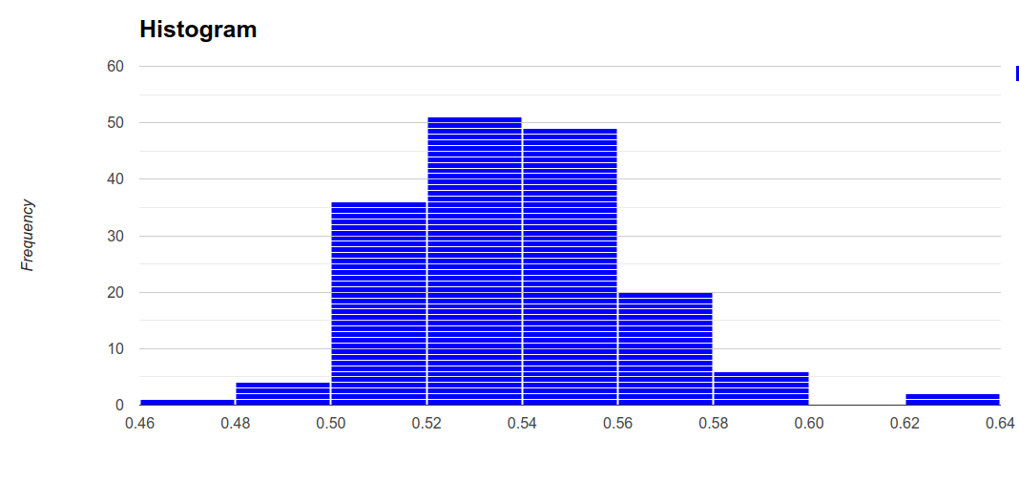
DNA Sequence | Peptide Model | Docking Score | Confidence Score
dna_sequence_87 | peptide_models/fold_2024_12_28_00_29_model_3.pdb | -175.34 | 0.6240560207
dna_sequence_86 | peptide_models/fold_2024_12_28_00_29_model_3.pdb | -174.92 | 0.6220832517
dna_sequence_132 | peptide_models/fold_2024_12_28_00_29_model_3.pdb | -169.5 | 0.5962826993
dna_sequence_31 | peptide_models/fold_2024_12_28_00_29_model_3.pdb | -168.51 | 0.5915073046
dna_sequence_23 | peptide_models/fold_2024_12_28_00_29_model_3.pdb | -167.91 | 0.5886046351
dna_sequence_135 | peptide_models/fold_2024_12_28_00_29_model_3.pdb | -167.55 | 0.5868600553
dna_sequence_137 | peptide_models/fold_2024_12_28_00_29_model_3.pdb | -167.16 | 0.5849676312
dna_sequence_99 | peptide_models/fold_2024_12_28_00_29_model_3.pdb | -166.24 | 0.5804936014
dna_sequence_8 | peptide_models/fold_2024_12_28_00_29_model_3.pdb | -165.68 | 0.5777637362
dna_sequence_105 | peptide_models/fold_2024_12_28_00_29_model_3.pdb | -165.55 | 0.577129331
dna_sequence_35 | peptide_models/fold_2024_12_28_00_29_model_3.pdb | -165.43 | 0.5765435003
dna_sequence_115 | peptide_models/fold_2024_12_28_00_29_model_3.pdb | -165.15 | 0.5751757275
dna_sequence_145 | peptide_models/fold_2024_12_28_00_29_model_3.pdb | -164.88 | 0.5738557123
dna_sequence_12 | peptide_models/fold_2024_12_28_00_29_model_3.pdb | -164.67 | 0.5728283047
dna_sequence_19 | peptide_models/fold_2024_12_28_00_29_model_3.pdb | -164.55 | 0.5722409318
dna_sequence_130 | peptide_models/fold_2024_12_28_00_29_model_3.pdb | -164.54 | 0.5721919749
dna_sequence_147 | peptide_models/fold_2024_12_28_00_29_model_3.pdb | -164.4 | 0.5715064295
dna_sequence_164 | peptide_models/fold_2024_12_28_00_29_model_3.pdb | -164.31 | 0.5710655765
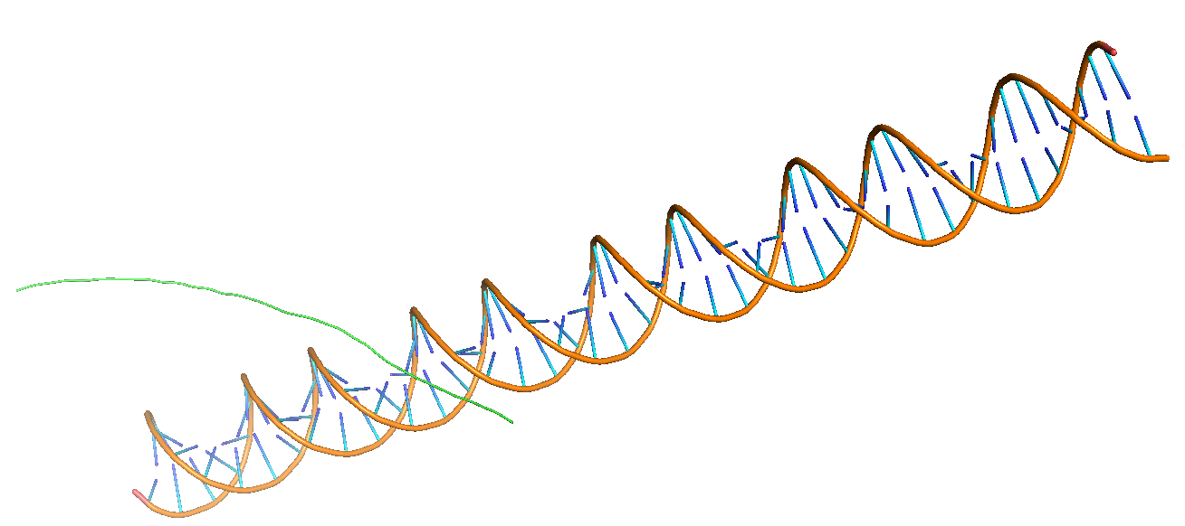
dna_sequence_143 | peptide_models/fold_2024_12_28_00_29_model_3.pdb | -164.22 | 0.5706246108
dna_sequence_141 | peptide_models/fold_2024_12_28_00_29_model_3.pdb | -164.09 | 0.5699874626
dna_sequence_17 | peptide_models/fold_2024_12_28_00_29_model_3.pdb | -163.67 | 0.5679274088
dna_sequence_148 | peptide_models/fold_2024_12_28_00_29_model_3.pdb | -163.56 | 0.5673874795
dna_sequence_146 | peptide_models/fold_2024_12_28_00_29_model_3.pdb | -163.19 | 0.5655701855
dna_sequence_109 | peptide_models/fold_2024_12_28_00_29_model_3.pdb | -163.04 | 0.5648329393
dna_sequence_48 | peptide_models/fold_2024_12_28_00_29_model_3.pdb | -162.86 | 0.5639478656
dna_sequence_68 | peptide_models/fold_2024_12_28_00_29_model_3.pdb | -162.53 | 0.5623241758
dna_sequence_126 | peptide_models/fold_2024_12_28_00_29_model_3.pdb | -162.17 | 0.5605513549
dna_sequence_158 | peptide_models/fold_2024_12_28_00_29_model_3.pdb | -162.07 | 0.5600586284
dna_sequence_121 | peptide_models/fold_2024_12_28_00_29_model_3.pdb | -161.92 | 0.5593193168
dna_sequence_127 | peptide_models/fold_2024_12_28_00_29_model_3.pdb | -161.72 | 0.5583331593
dna_sequence_11 | peptide_models/fold_2024_12_28_00_29_model_3.pdb | -161.55 | 0.5574945631
dna_sequence_89 | peptide_models/fold_2024_12_28_00_29_model_3.pdb | -161.52 | 0.5573465414
dna_sequence_77 | peptide_models/fold_2024_12_28_00_29_model_3.pdb | -161.48 | 0.5571491633
dna_sequence_66 | peptide_models/fold_2024_12_28_00_29_model_3.pdb | -161.41 | 0.5568037081
dna_sequence_65 | peptide_models/fold_2024_12_28_00_29_model_3.pdb | -161.35 | 0.55650756
dna_sequence_52 | peptide_models/fold_2024_12_28_00_29_model_3.pdb | -160.9 | 0.5542851827
dna_sequence_4 | peptide_models/fold_2024_12_28_00_29_model_3.pdb | -160.78 | 0.5536921782
dna_sequence_22 | peptide_models/fold_2024_12_28_00_29_model_3.pdb | -160.68 | 0.553197891
dna_sequence_138 | peptide_models/fold_2024_12_28_00_29_model_3.pdb | -160.6 | 0.5528023854
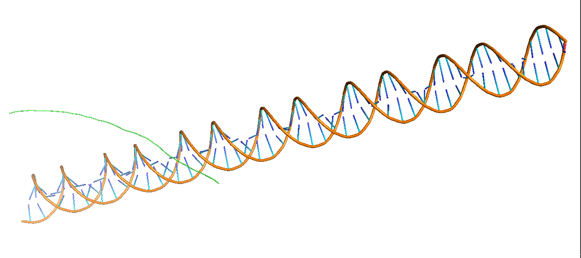
dna_sequence_114 | peptide_models/fold_2024_12_28_00_29_model_3.pdb | -160.6 | 0.5528023854
dna_sequence_144 | peptide_models/fold_2024_12_28_00_29_model_3.pdb | -160.56 | 0.5526046076
dna_sequence_140 | peptide_models/fold_2024_12_28_00_29_model_3.pdb | -160.53 | 0.5524562632
dna_sequence_166 | peptide_models/fold_2024_12_28_00_29_model_3.pdb | -160.41 | 0.5518627928
dna_sequence_15 | peptide_models/fold_2024_12_28_00_29_model_3.pdb | -160.37 | 0.5516649364
dna_sequence_165 | peptide_models/fold_2024_12_28_00_29_model_3.pdb | -160.35 | 0.5515660021
dna_sequence_159 | peptide_models/fold_2024_12_28_00_29_model_3.pdb | -160.12 | 0.5504279658
dna_sequence_103 | peptide_models/fold_2024_12_28_00_29_model_3.pdb | -160.07 | 0.5501804963
dna_sequence_85 | peptide_models/fold_2024_12_28_00_29_model_3.pdb | -159.95 | 0.5495864684
dna_sequence_1 | peptide_models/fold_2024_12_28_00_29_model_3.pdb | -159.92 | 0.5494379393
dna_sequence_72 | peptide_models/fold_2024_12_28_00_29_model_3.pdb | -159.89 | 0.5492894014
dna_sequence_83 | peptide_models/fold_2024_12_28_00_29_model_3.pdb | -159.78 | 0.5487446873
dna_sequence_81 | peptide_models/fold_2024_12_28_00_29_model_3.pdb | -159.77 | 0.548695162
dna_sequence_38 | peptide_models/fold_2024_12_28_00_29_model_3.pdb | -159.73 | 0.5484970513
dna_sequence_3 | peptide_models/fold_2024_12_28_00_29_model_3.pdb | -159.71 | 0.5483979902
dna_sequence_53 | peptide_models/fold_2024_12_28_00_29_model_3.pdb | -159.66 | 0.5481503206
dna_sequence_0 | peptide_models/fold_2024_12_28_00_29_model_3.pdb | -159.18 | 0.5457714964
dna_sequence_13 | peptide_models/fold_2024_12_28_00_29_model_3.pdb | -159.14 | 0.5455731652
dna_sequence_67 | peptide_models/fold_2024_12_28_00_29_model_3.pdb | -159.11 | 0.5454244072
dna_sequence_33 | peptide_models/fold_2024_12_28_00_29_model_3.pdb | -159.05 | 0.5451268671
dna_sequence_20 | peptide_models/fold_2024_12_28_00_29_model_3.pdb | -159.03 | 0.5450276799
dna_sequence_21 | peptide_models/fold_2024_12_28_00_29_model_3.pdb | -158.88 | 0.5442836624
dna_sequence_129 | peptide_models/fold_2024_12_28_00_29_model_3.pdb | -158.85 | 0.5441348351
dna_sequence_120 | peptide_models/fold_2024_12_28_00_29_model_3.pdb | -158.75 | 0.5436386872
dna_sequence_110 | peptide_models/fold_2024_12_28_00_29_model_3.pdb | -158.68 | 0.5432913321
dna_sequence_104 | peptide_models/fold_2024_12_28_00_29_model_3.pdb | -158.63 | 0.5430431956
dna_sequence_134 | peptide_models/fold_2024_12_28_00_29_model_3.pdb | -158.55 | 0.5426461326
dna_sequence_74 | peptide_models/fold_2024_12_28_00_29_model_3.pdb | -158.51 | 0.5424475808
dna_sequence_34 | peptide_models/fold_2024_12_28_00_29_model_3.pdb | -158.41 | 0.5419511425
dna_sequence_5 | peptide_models/fold_2024_12_28_00_29_model_3.pdb | -158.23 | 0.5410573441
dna_sequence_123 | peptide_models/fold_2024_12_28_00_29_model_3.pdb | -158.19 | 0.5408586861
dna_sequence_56 | peptide_models/fold_2024_12_28_00_29_model_3.pdb | -158.19 | 0.5408586861
dna_sequence_149 | peptide_models/fold_2024_12_28_00_29_model_3.pdb | -158.15 | 0.5406600152
dna_sequence_70 | peptide_models/fold_2024_12_28_00_29_model_3.pdb | -158.15 | 0.5406600152
dna_sequence_49 | peptide_models/fold_2024_12_28_00_29_model_3.pdb | -158.15 | 0.5406600152
dna_sequence_139 | peptide_models/fold_2024_12_28_00_29_model_3.pdb | -158.14 | 0.5406103454
dna_sequence_78 | peptide_models/fold_2024_12_28_00_29_model_3.pdb | -158.05 | 0.5401632814
dna_sequence_9 | peptide_models/fold_2024_12_28_00_29_model_3.pdb | -158.05 | 0.5401632814
dna_sequence_117 | peptide_models/fold_2024_12_28_00_29_model_3.pdb | -158 | 0.5399148846
dna_sequence_44 | peptide_models/fold_2024_12_28_00_29_model_3.pdb | -157.92 | 0.5395174084
dna_sequence_47 | peptide_models/fold_2024_12_28_00_29_model_3.pdb | -157.84 | 0.5391198819
dna_sequence_61 | peptide_models/fold_2024_12_28_00_29_model_3.pdb | -157.83 | 0.5390701876
dna_sequence_167 | peptide_models/fold_2024_12_28_00_29_model_3.pdb | -157.78 | 0.5388217044
dna_sequence_124 | peptide_models/fold_2024_12_28_00_29_model_3.pdb | -157.72 | 0.5385234991
dna_sequence_51 | peptide_models/fold_2024_12_28_00_29_model_3.pdb | -157.57 | 0.5377778657
dna_sequence_133 | peptide_models/fold_2024_12_28_00_29_model_3.pdb | -157.51 | 0.5374795648
dna_sequence_142 | peptide_models/fold_2024_12_28_00_29_model_3.pdb | -157.37 | 0.5367834254
dna_sequence_100 | peptide_models/fold_2024_12_28_00_29_model_3.pdb | -157.35 | 0.5366839651
dna_sequence_79 | peptide_models/fold_2024_12_28_00_29_model_3.pdb | -157.33 | 0.536584502
dna_sequence_93 | peptide_models/fold_2024_12_28_00_29_model_3.pdb | -157.3 | 0.5364353017
dna_sequence_108 | peptide_models/fold_2024_12_28_00_29_model_3.pdb | -157.28 | 0.5363358313
dna_sequence_10 | peptide_models/fold_2024_12_28_00_29_model_3.pdb | -157.25 | 0.5361866202
dna_sequence_63 | peptide_models/fold_2024_12_28_00_29_model_3.pdb | -157.17 | 0.5357886924
dna_sequence_59 | peptide_models/fold_2024_12_28_00_29_model_3.pdb | -157.09 | 0.5353907191
dna_sequence_7 | peptide_models/fold_2024_12_28_00_29_model_3.pdb | -157.02 | 0.5350424554
dna_sequence_39 | peptide_models/fold_2024_12_28_00_29_model_3.pdb | -156.9 | 0.5344453526
dna_sequence_28 | peptide_models/fold_2024_12_28_00_29_model_3.pdb | -156.87 | 0.5342960614
dna_sequence_84 | peptide_models/fold_2024_12_28_00_29_model_3.pdb | -156.84 | 0.534146764
dna_sequence_71 | peptide_models/fold_2024_12_28_00_29_model_3.pdb | -156.8 | 0.5339476914
dna_sequence_94 | peptide_models/fold_2024_12_28_00_29_model_3.pdb | -156.8 | 0.5339476914
dna_sequence_113 | peptide_models/fold_2024_12_28_00_29_model_3.pdb | -156.65 | 0.5332010733
dna_sequence_163 | peptide_models/fold_2024_12_28_00_29_model_3.pdb | -156.56 | 0.5327530308
dna_sequence_125 | peptide_models/fold_2024_12_28_00_29_model_3.pdb | -156.46 | 0.5322551439
dna_sequence_106 | peptide_models/fold_2024_12_28_00_29_model_3.pdb | -156.41 | 0.5320061762
dna_sequence_57 | peptide_models/fold_2024_12_28_00_29_model_3.pdb | -156.22 | 0.531059955
dna_sequence_18 | peptide_models/fold_2024_12_28_00_29_model_3.pdb | -156.12 | 0.5305618537
dna_sequence_82 | peptide_models/fold_2024_12_28_00_29_model_3.pdb | -156.09 | 0.5304124113
dna_sequence_2 | peptide_models/fold_2024_12_28_00_29_model_3.pdb | -156.09 | 0.5304124113
dna_sequence_29 | peptide_models/fold_2024_12_28_00_29_model_3.pdb | -155.89 | 0.5294159911
dna_sequence_107 | peptide_models/fold_2024_12_28_00_29_model_3.pdb | -155.79 | 0.5289176926
dna_sequence_37 | peptide_models/fold_2024_12_28_00_29_model_3.pdb | -155.68 | 0.5283694976
dna_sequence_91 | peptide_models/fold_2024_12_28_00_29_model_3.pdb | -155.55 | 0.5277215427
dna_sequence_62 | peptide_models/fold_2024_12_28_00_29_model_3.pdb | -155.5 | 0.5274723043
dna_sequence_157 | peptide_models/fold_2024_12_28_00_29_model_3.pdb | -155.32 | 0.5265749336
dna_sequence_154 | peptide_models/fold_2024_12_28_00_29_model_3.pdb | -155.3 | 0.526475215
dna_sequence_76 | peptide_models/fold_2024_12_28_00_29_model_3.pdb | -155.15 | 0.525727259
dna_sequence_112 | peptide_models/fold_2024_12_28_00_29_model_3.pdb | -155.03 | 0.5251288109
dna_sequence_14 | peptide_models/fold_2024_12_28_00_29_model_3.pdb | -155.02 | 0.5250789369
dna_sequence_162 | peptide_models/fold_2024_12_28_00_29_model_3.pdb | -155.02 | 0.5250789369
dna_sequence_98 | peptide_models/fold_2024_12_28_00_29_model_3.pdb | -154.91 | 0.5245302905
dna_sequence_101 | peptide_models/fold_2024_12_28_00_29_model_3.pdb | -154.8 | 0.523981585
dna_sequence_27 | peptide_models/fold_2024_12_28_00_29_model_3.pdb | -154.8 | 0.523981585
dna_sequence_95 | peptide_models/fold_2024_12_28_00_29_model_3.pdb | -154.69 | 0.5234328215
dna_sequence_73 | peptide_models/fold_2024_12_28_00_29_model_3.pdb | -154.53 | 0.5226345194
dna_sequence_122 | peptide_models/fold_2024_12_28_00_29_model_3.pdb | -154.35 | 0.5217362916
dna_sequence_80 | peptide_models/fold_2024_12_28_00_29_model_3.pdb | -154.32 | 0.5215865731
dna_sequence_60 | peptide_models/fold_2024_12_28_00_29_model_3.pdb | -154.31 | 0.5215366661
dna_sequence_45 | peptide_models/fold_2024_12_28_00_29_model_3.pdb | -154.31 | 0.5215366661
dna_sequence_16 | peptide_models/fold_2024_12_28_00_29_model_3.pdb | -154.18 | 0.5208878361
dna_sequence_152 | peptide_models/fold_2024_12_28_00_29_model_3.pdb | -153.92 | 0.5195899668
dna_sequence_97 | peptide_models/fold_2024_12_28_00_29_model_3.pdb | -153.87 | 0.5193403457
dna_sequence_96 | peptide_models/fold_2024_12_28_00_29_model_3.pdb | -153.8 | 0.5189908599
dna_sequence_151 | peptide_models/fold_2024_12_28_00_29_model_3.pdb | -153.77 | 0.5188410746
dna_sequence_90 | peptide_models/fold_2024_12_28_00_29_model_3.pdb | -153.62 | 0.5180920978
dna_sequence_36 | peptide_models/fold_2024_12_28_00_29_model_3.pdb | -153.6 | 0.517992228
dna_sequence_150 | peptide_models/fold_2024_12_28_00_29_model_3.pdb | -153.58 | 0.5178923568
dna_sequence_92 | peptide_models/fold_2024_12_28_00_29_model_3.pdb | -153.56 | 0.5177924841
dna_sequence_88 | peptide_models/fold_2024_12_28_00_29_model_3.pdb | -153.52 | 0.5175927346
dna_sequence_118 | peptide_models/fold_2024_12_28_00_29_model_3.pdb | -153.46 | 0.5172930997
dna_sequence_24 | peptide_models/fold_2024_12_28_00_29_model_3.pdb | -153.45 | 0.5172431593
dna_sequence_46 | peptide_models/fold_2024_12_28_00_29_model_3.pdb | -153.32 | 0.5165939036
dna_sequence_42 | peptide_models/fold_2024_12_28_00_29_model_3.pdb | -153.25 | 0.5162442811
dna_sequence_136 | peptide_models/fold_2024_12_28_00_29_model_3.pdb | -153.25 | 0.5162442811
dna_sequence_131 | peptide_models/fold_2024_12_28_00_29_model_3.pdb | -153.1 | 0.5154950367
dna_sequence_32 | peptide_models/fold_2024_12_28_00_29_model_3.pdb | -153.08 | 0.5153951322
dna_sequence_26 | peptide_models/fold_2024_12_28_00_29_model_3.pdb | -152.97 | 0.5148456352
dna_sequence_116 | peptide_models/fold_2024_12_28_00_29_model_3.pdb | -152.93 | 0.5146458091
dna_sequence_64 | peptide_models/fold_2024_12_28_00_29_model_3.pdb | -152.74 | 0.5136965726
dna_sequence_6 | peptide_models/fold_2024_12_28_00_29_model_3.pdb | -152.7 | 0.5134967205
dna_sequence_155 | peptide_models/fold_2024_12_28_00_29_model_3.pdb | -152.56 | 0.5127972045
dna_sequence_153 | peptide_models/fold_2024_12_28_00_29_model_3.pdb | -152.51 | 0.5125473651
dna_sequence_119 | peptide_models/fold_2024_12_28_00_29_model_3.pdb | -152.51 | 0.5125473651
dna_sequence_30 | peptide_models/fold_2024_12_28_00_29_model_3.pdb | -152.33 | 0.5116478922
dna_sequence_43 | peptide_models/fold_2024_12_28_00_29_model_3.pdb | -151.84 | 0.5091989619
dna_sequence_160 | peptide_models/fold_2024_12_28_00_29_model_3.pdb | -151.5 | 0.5074994376
dna_sequence_40 | peptide_models/fold_2024_12_28_00_29_model_3.pdb | -151.48 | 0.5073994597
dna_sequence_58 | peptide_models/fold_2024_12_28_00_29_model_3.pdb | -151.38 | 0.506899562
dna_sequence_128 | peptide_models/fold_2024_12_28_00_29_model_3.pdb | -151.33 | 0.5066496079
dna_sequence_55 | peptide_models/fold_2024_12_28_00_29_model_3.pdb | -151.14 | 0.5056997531
dna_sequence_156 | peptide_models/fold_2024_12_28_00_29_model_3.pdb | -151.08 | 0.5053997901
dna_sequence_75 | peptide_models/fold_2024_12_28_00_29_model_3.pdb | -150.99 | 0.5049498383
dna_sequence_111 | peptide_models/fold_2024_12_28_00_29_model_3.pdb | -150.9 | 0.5044998785
dna_sequence_69 | peptide_models/fold_2024_12_28_00_29_model_3.pdb | -150.42 | 0.5020999877
dna_sequence_54 | peptide_models/fold_2024_12_28_00_29_model_3.pdb | -150.34 | 0.5016999934
dna_sequence_41 | peptide_models/fold_2024_12_28_00_29_model_3.pdb | -150.01 | 0.50005
dna_sequence_50 | peptide_models/fold_2024_12_28_00_29_model_3.pdb | -149.83 | 0.4991500008
dna_sequence_102 | peptide_models/fold_2024_12_28_00_29_model_3.pdb | -149.59 | 0.4979500115
dna_sequence_25 | peptide_models/fold_2024_12_28_00_29_model_3.pdb | -149.5 | 0.4975000208
dna_sequence_168 | peptide_models/fold_2024_12_28_00_29_model_3.pdb | -149.25 | 0.4962500703
dna_sequence_161 | peptide_models/fold_2024_12_28_00_29_model_3.pdb | -145.03 | 0.4751704404

