JPet-Store-Registration
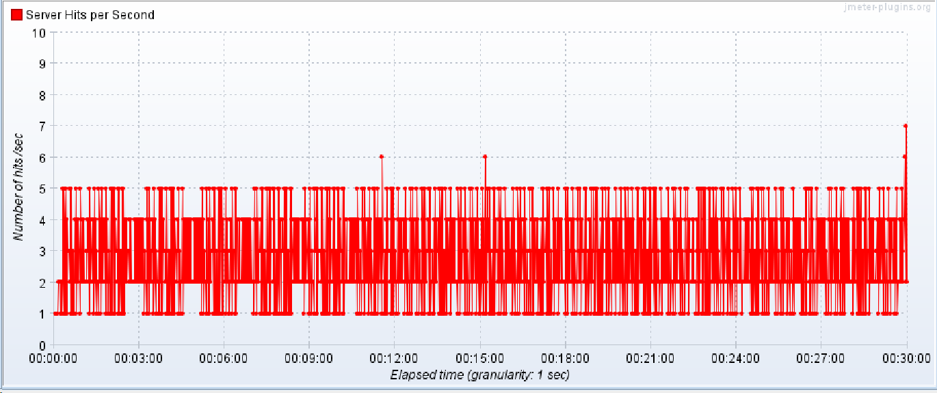
Model Name: | JPet-Store-Registration

Performance Testing:

1. Evaluate Response Time: Measure the system's response time under various load conditions.
2. Determine Throughput: Assess the maximum number of transactions the system can handle per unit of time.
3. Identify Bottlenecks: Detect the points in the system that degrade performance.

Test Environment: | Production

Test Data:

1. Simulated Users: Profiles of users to simulate different levels of system usage.
2. Request Payloads: Sample API requests with varying payload sizes.
3. Database Records: Large datasets to simulate real-world usage.

Test Execution Steps: | 1. Launch the site
 | 2. Click on Sigin
 | 3. Enter Required Details and click save
 | 4. User completed the registration

Expected Results: | Users | Duration | Response Time 3sec/trasaction
 | 10 | 1800sec | Expected Response time

Results:

Aggregate Report:

Label | # Samples | Average(in milli sec) | Median | 90% Line(in milli sec) | 95% Line | 99% Line(in milli sec) | Min | Max | Error % | Throughput | Received KB/sec | Sent KB/sec
TA01-Launch-Page | 715 | 39 | 33 | 37 | 93 | 106 | 0 | 662 | 0.00% | 0.39732 | 0.76 | 0.31
TA01-1-Launch-Page | 712 | 40 | 33 | 37 | 93 | 106 | 29 | 662 | 0.00% | 0.39698 | 0.76 | 0.31
TA02-Click-on-Sigin | 712 | 38 | 33 | 37 | 94 | 100 | 0 | 104 | 0.00% | 0.39713 | 0.76 | 0.32
TA02-1-Click-on-Sigin | 710 | 38 | 33 | 37 | 94 | 100 | 29 | 104 | 0.00% | 0.39812 | 0.76 | 0.32
TA03-Click-on-Register-Now | 710 | 38 | 34 | 38 | 94 | 103 | 29 | 109 | 0.00% | 0.39812 | 1.01 | 0.33
TA03-1-Click-on-Register-Now | 710 | 38 | 34 | 38 | 94 | 103 | 29 | 109 | 0.00% | 0.39812 | 1.01 | 0.33
TA04-Click-on-Save | 710 | 120 | 98 | 156 | 162 | 175 | 0 | 5068 | 0.14% | 0.39813 | 1.61 | 1.36
TA04-1-Click-on-Save | 707 | 69 | 64 | 72 | 124 | 137 | 56 | 142 | 0.14% | 0.39772 | 0.85 | 1.03
TA04-1-Click-on-Save-0 | 706 | 38 | 33 | 37 | 94 | 103 | 29 | 107 | 0.00% | 0.39716 | 0.09 | 0.66
TA04-1-Click-on-Save-1 | 706 | 30 | 30 | 33 | 34 | 35 | 27 | 37 | 0.00% | 0.39716 | 0.76 | 0.37
TA04-2-Click-on-Save | 705 | 38 | 33 | 37 | 92 | 101 | 28 | 104 | 0.00% | 0.39749 | 0.76 | 0.33
TOTAL | 7803 | 48 | 34 | 95 | 101 | 156 | 0 | 5068 | 0.03% | 4.33612 | 9.04 | 5.62

Aggregate Grapgh:
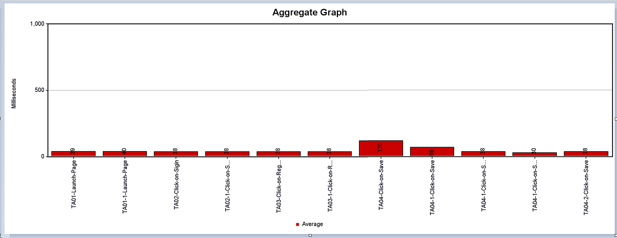

Overview Graph:

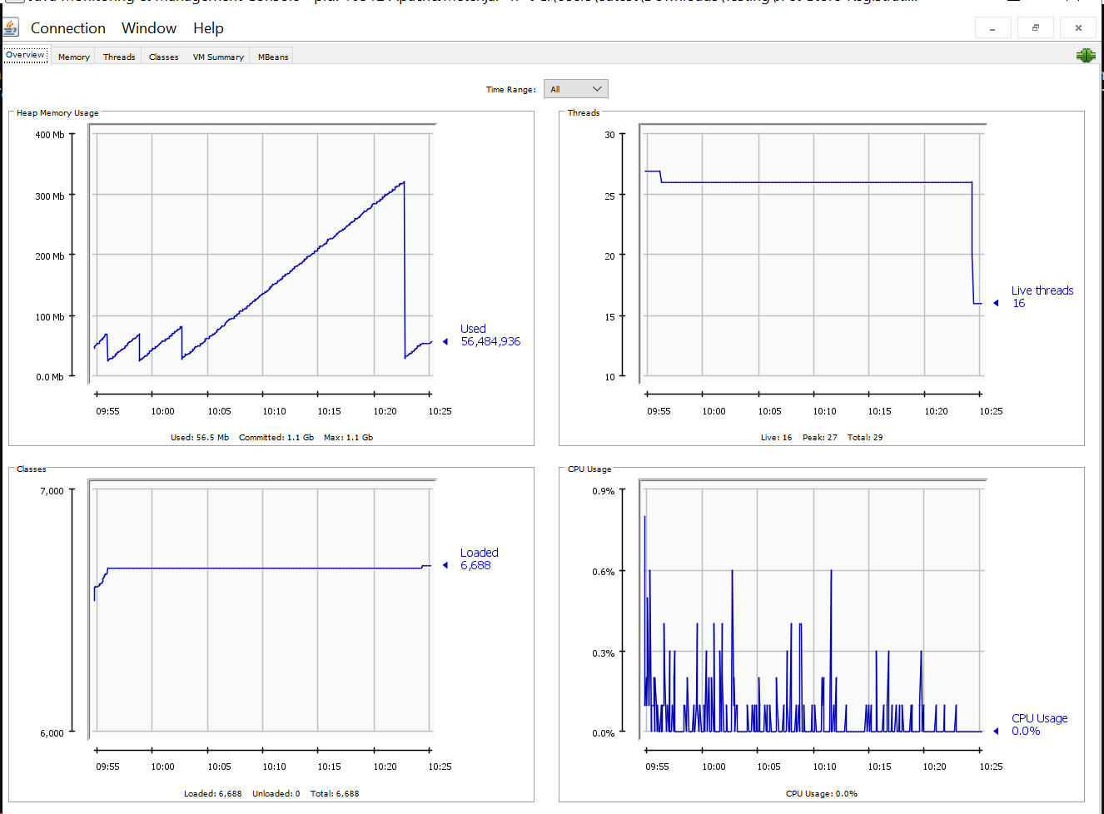

Memory Graph:
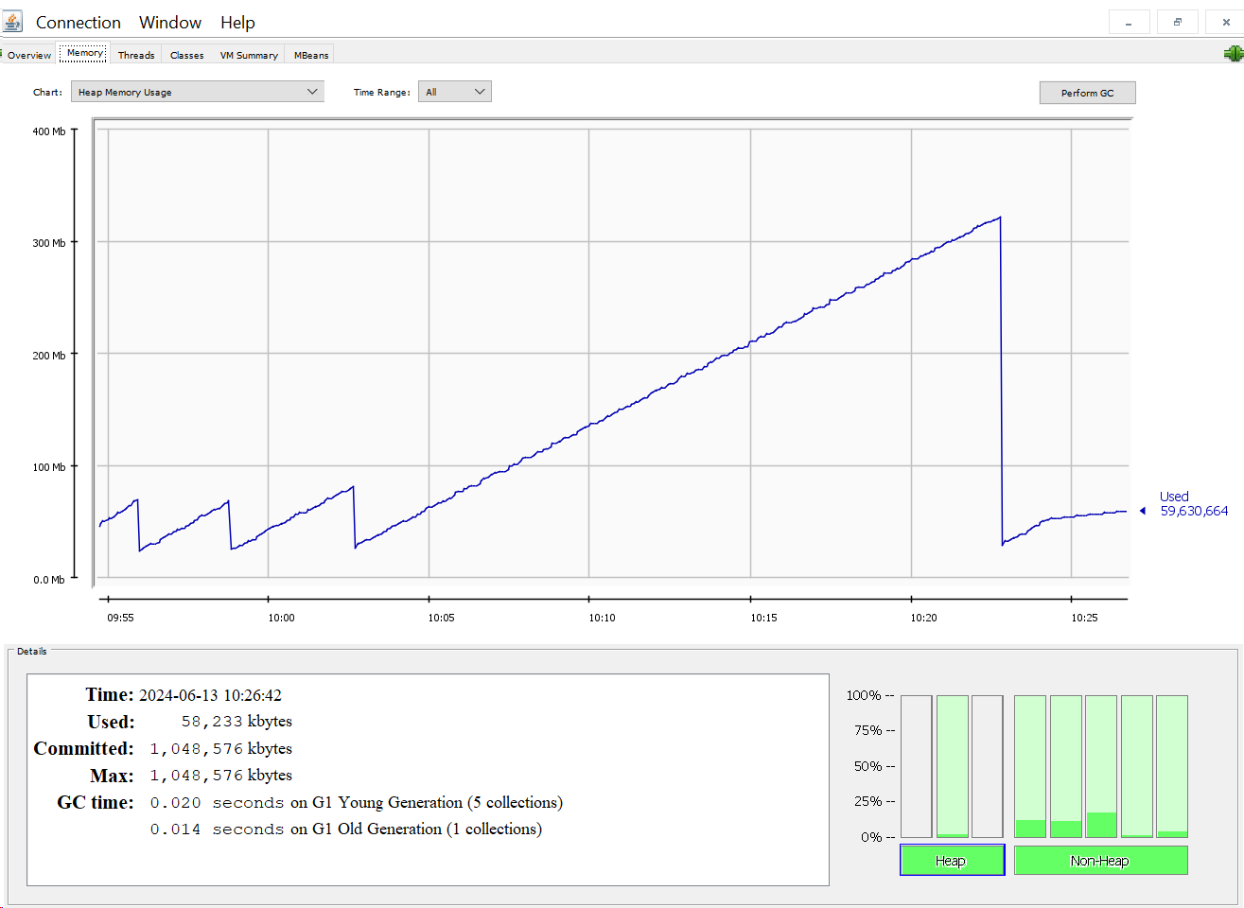

Threads Graph:
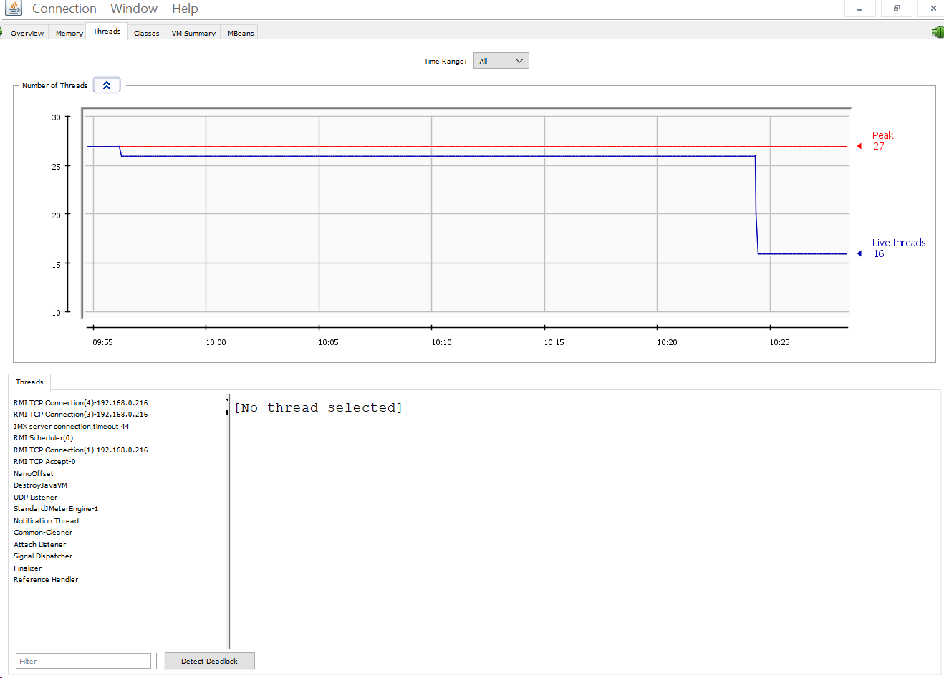

Classes Garph:
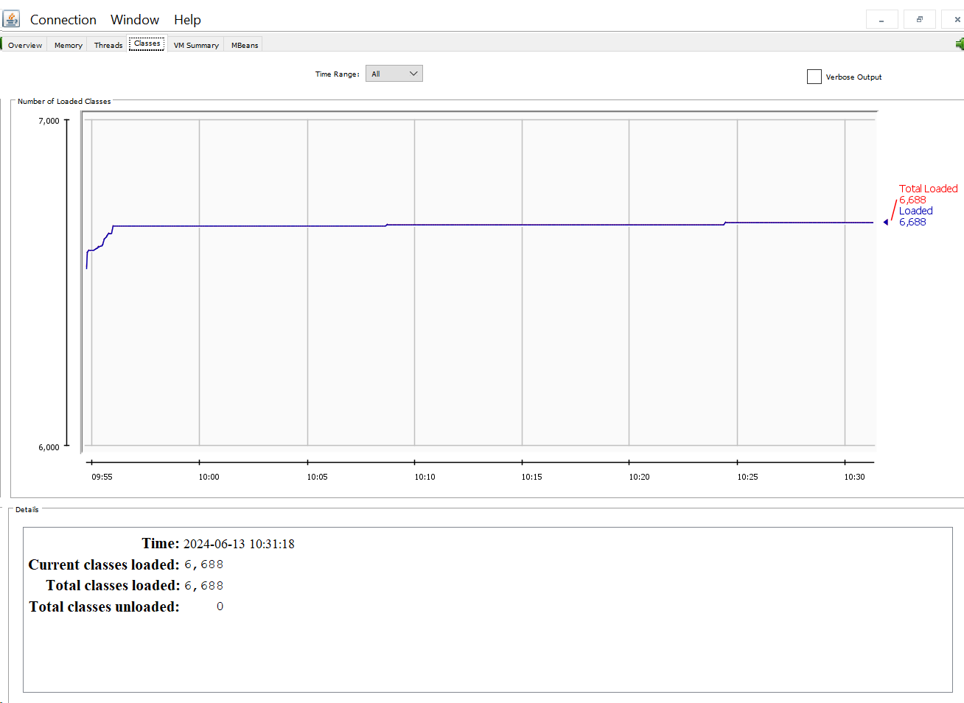

Response Time Graph:

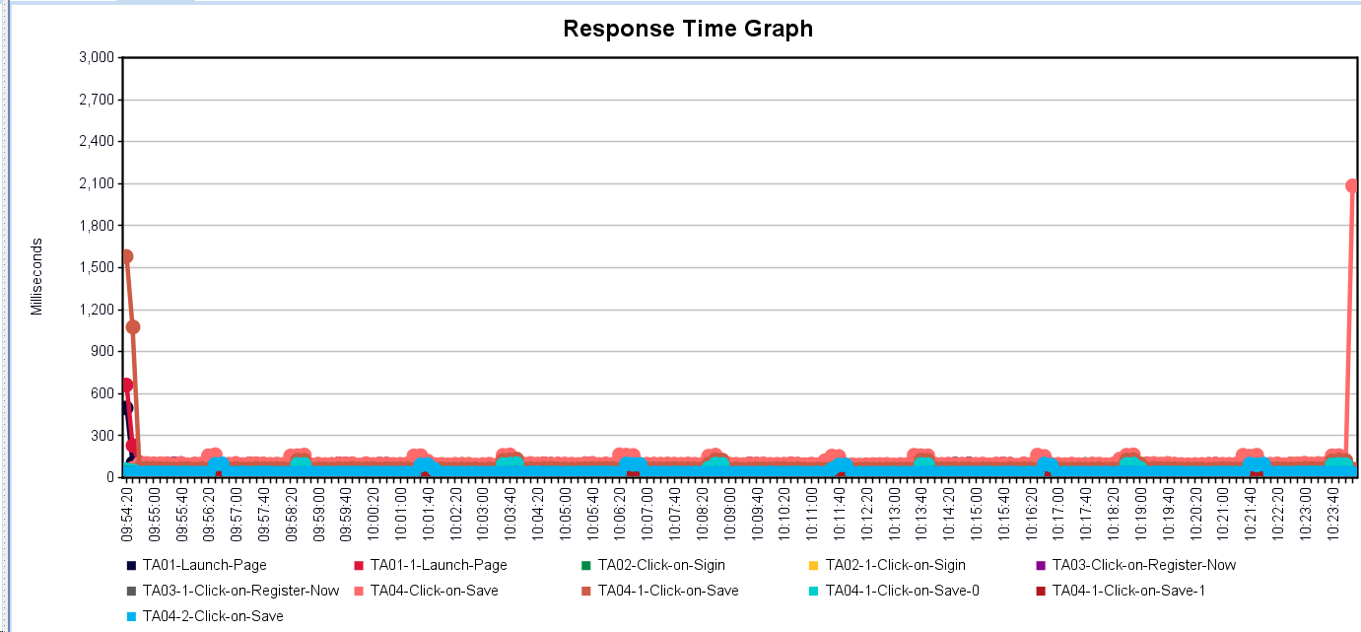

Hits/Sec:

JPet-Store-Create-Order
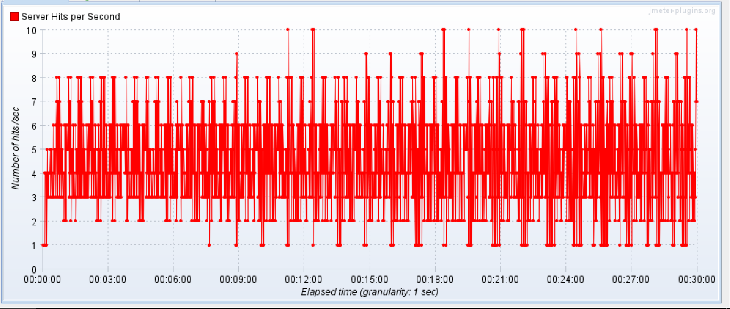
Model Name: | JPet-Store-Create-Order

Performance Testing:

1. Evaluate Response Time: Measure the system's response time under various load conditions.
2. Determine Throughput: Assess the maximum number of transactions the system can handle per unit of time.
3. Identify Bottlenecks: Detect the points in the system that degrade performance.

Test Environment: | Production

Test Data:

1. Simulated Users: Profiles of users to simulate different levels of system usage.
2. Request Payloads: Sample API requests with varying payload sizes.
3. Database Records: Large datasets to simulate real-world usage.

Test Execution Steps: | 1. Launch the site
 | 2. Click on Login
 | 3. Select Category
 | 4. Select Product
 | 5. Add to cart
 | 6. Click on Proceed to check out
 | 7. Payment
 | 8. Successfully order placed
 | 9. Logout

Expected Results: | Users | Duration | Response Time 3sec/trasaction
 | 10 | 1800sec | Expected Response time

Results:

Aggregrate Report:

Label | # Samples | Average (in Milli Sec) | Median | 90% Line(in Milli Sec) | 95% Line | 99% Line(in Milli Sec) | Min | Max | Error % | Throughput | Received KB/sec | Sent KB/sec
TB01-Click-on-Sigin | 593 | 65 | 86 | 100 | 103 | 109 | 0 | 658 | 0.00% | 0.32961 | 0.63 | 0.27
TB01-1-Click-on-Sigin | 591 | 65 | 86 | 100 | 103 | 109 | 27 | 658 | 0.00% | 0.32904 | 0.63 | 0.27
TB02-Click-on-Login | 591 | 92 | 92 | 99 | 101 | 103 | 0 | 105 | 0.00% | 0.32916 | 1.37 | 0.96
TB02-1-Click-on-Login | 590 | 61 | 61 | 66 | 67 | 69 | 55 | 70 | 0.00% | 0.33117 | 0.73 | 0.7
TB02-1-Click-on-Login-0 | 590 | 30 | 30 | 33 | 34 | 34 | 27 | 35 | 0.00% | 0.33118 | 0.07 | 0.39
TB02-1-Click-on-Login-1 | 590 | 30 | 31 | 33 | 34 | 35 | 27 | 36 | 0.00% | 0.33118 | 0.65 | 0.3
TB02-2-Click-on-Login | 590 | 30 | 31 | 33 | 34 | 35 | 27 | 37 | 0.00% | 0.33118 | 0.65 | 0.28
TB03-Click-on-Fish | 590 | 31 | 31 | 33 | 34 | 35 | 27 | 37 | 0.00% | 0.33118 | 0.56 | 0.27
TB03-1-Click-on-Fish | 590 | 31 | 31 | 33 | 34 | 35 | 27 | 37 | 0.00% | 0.33118 | 0.56 | 0.27
TB04-Select-Product | 590 | 31 | 31 | 34 | 34 | 36 | 27 | 38 | 0.00% | 0.33118 | 0.59 | 0.28
TB04-1-Select-Product | 590 | 31 | 31 | 34 | 34 | 36 | 27 | 38 | 0.00% | 0.33118 | 0.59 | 0.28
TB05-Add-to-Cart | 590 | 31 | 32 | 34 | 35 | 36 | 0 | 38 | 0.00% | 0.33119 | 0.7 | 0.28
TB05-1-Add-to-Cart | 589 | 31 | 32 | 34 | 35 | 36 | 28 | 38 | 0.00% | 0.33088 | 0.7 | 0.28
TB06-Click-on-Checkout | 589 | 31 | 31 | 34 | 34 | 35 | 0 | 37 | 0.00% | 0.33089 | 0.77 | 0.28
TB06-1-Click-on-Checkout | 588 | 31 | 31 | 34 | 34 | 35 | 27 | 37 | 0.00% | 0.33079 | 0.77 | 0.28
TB07-Click-on-Contiue | 588 | 31 | 31 | 34 | 34 | 36 | 0 | 73 | 0.00% | 0.33079 | 0.65 | 0.49
TB07-1-Click-on-Contiue | 586 | 31 | 31 | 34 | 34 | 36 | 27 | 73 | 0.00% | 0.33038 | 0.65 | 0.49
TB08-Click-on-Confirm | 586 | 32 | 33 | 35 | 36 | 37 | 0 | 38 | 0.00% | 0.33039 | 0.72 | 0.27
TB08-1-Click-on-Confirm | 585 | 32 | 33 | 35 | 36 | 37 | 29 | 38 | 0.00% | 0.33023 | 0.72 | 0.27
TB09-Logout | 585 | 60 | 60 | 65 | 66 | 68 | 0 | 71 | 0.00% | 0.33023 | 0.73 | 0.54
TB09-1-Logout | 583 | 60 | 60 | 65 | 66 | 68 | 54 | 71 | 0.00% | 0.32974 | 0.73 | 0.54
TB09-1-Logout-0 | 583 | 30 | 30 | 32 | 33 | 34 | 26 | 35 | 0.00% | 0.32974 | 0.07 | 0.27
TB09-1-Logout-1 | 583 | 30 | 30 | 33 | 34 | 35 | 27 | 37 | 0.00% | 0.32974 | 0.65 | 0.27
TOTAL | 13530 | 40 | 32 | 66 | 93 | 101 | 0 | 658 | 0.00% | 7.51873 | 14.72 | 8.46

Aggregate Grapgh:

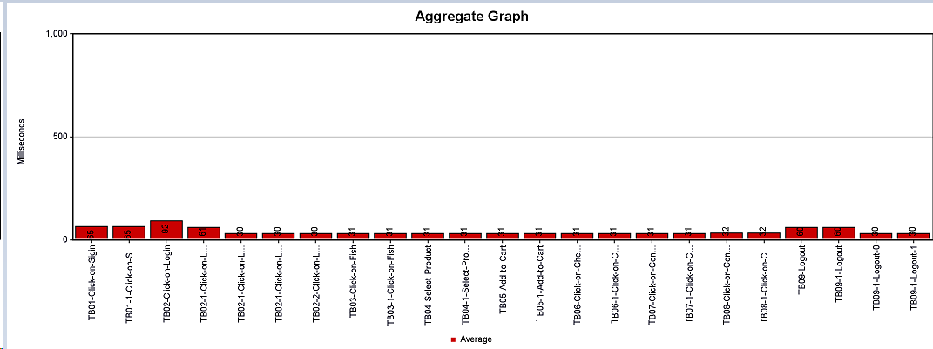

Overview Graph:

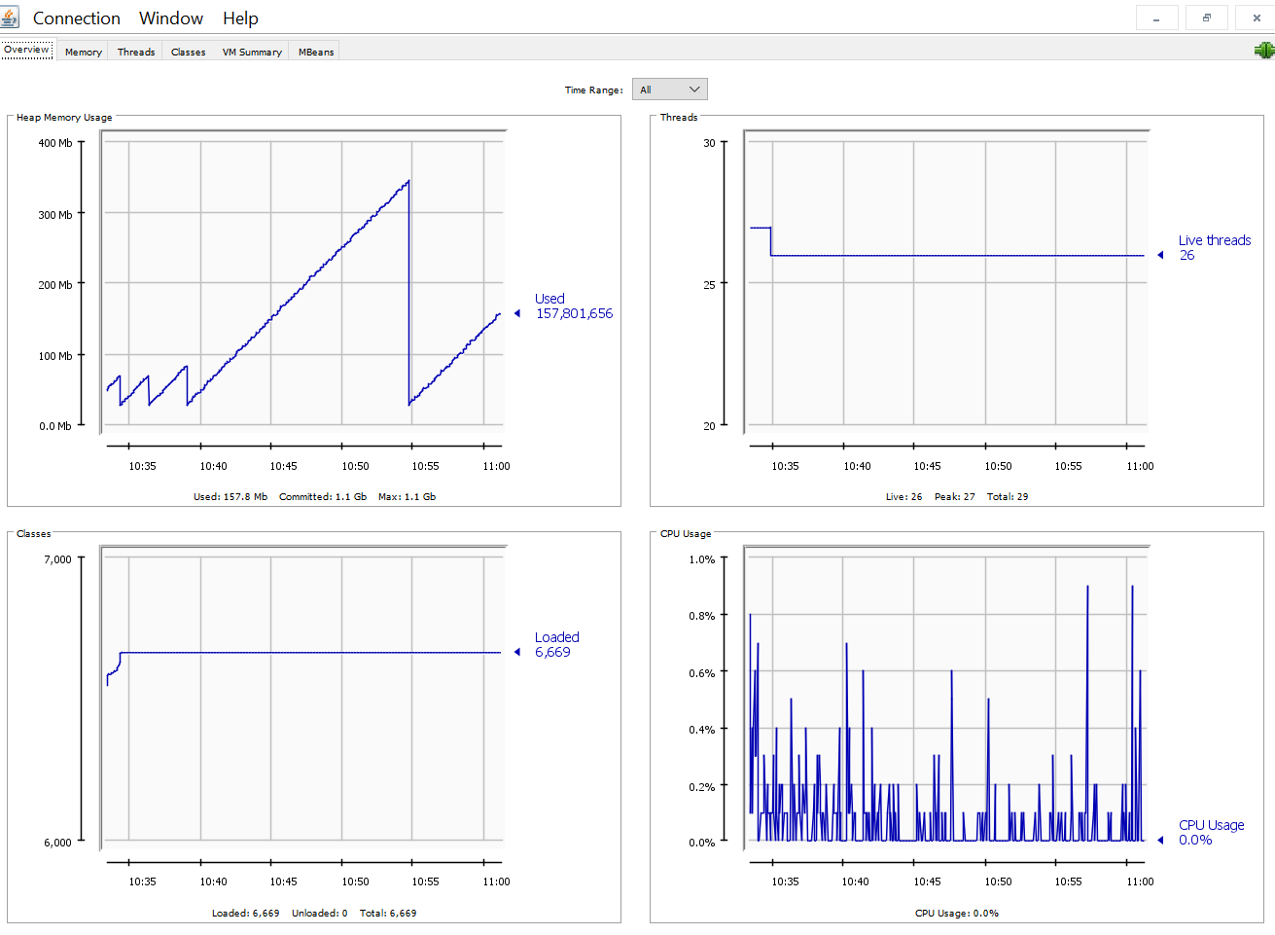

Memory Graph:

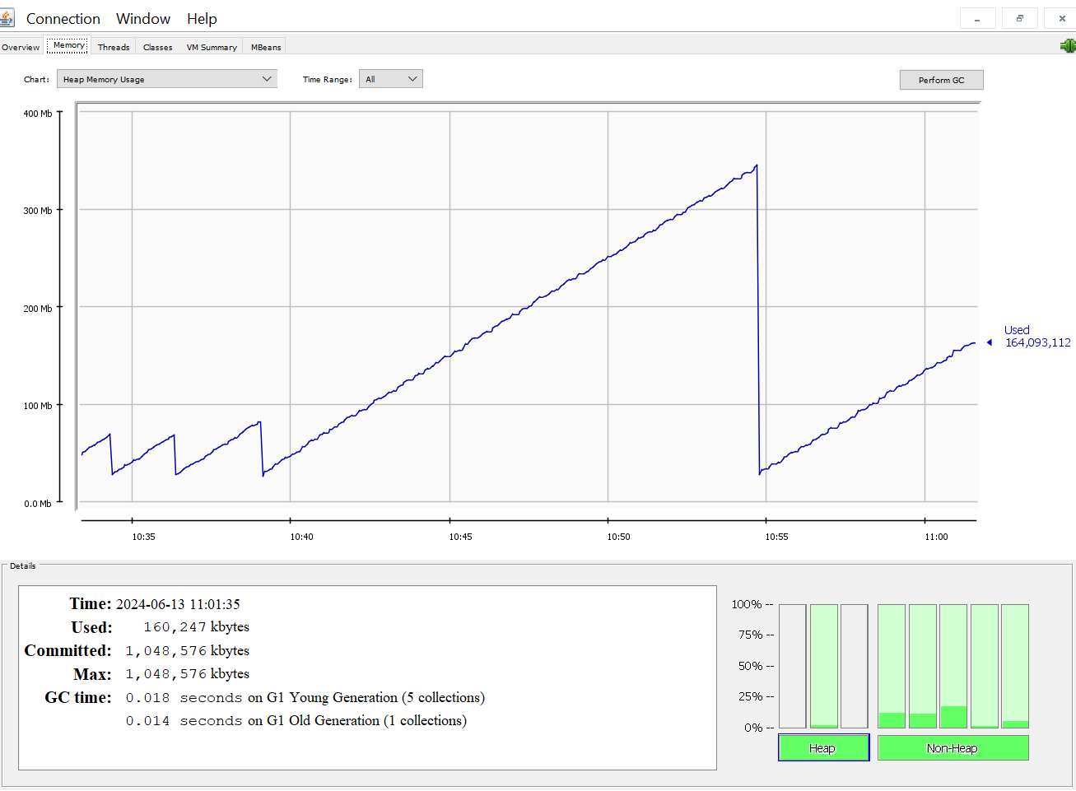

Threads Graph:

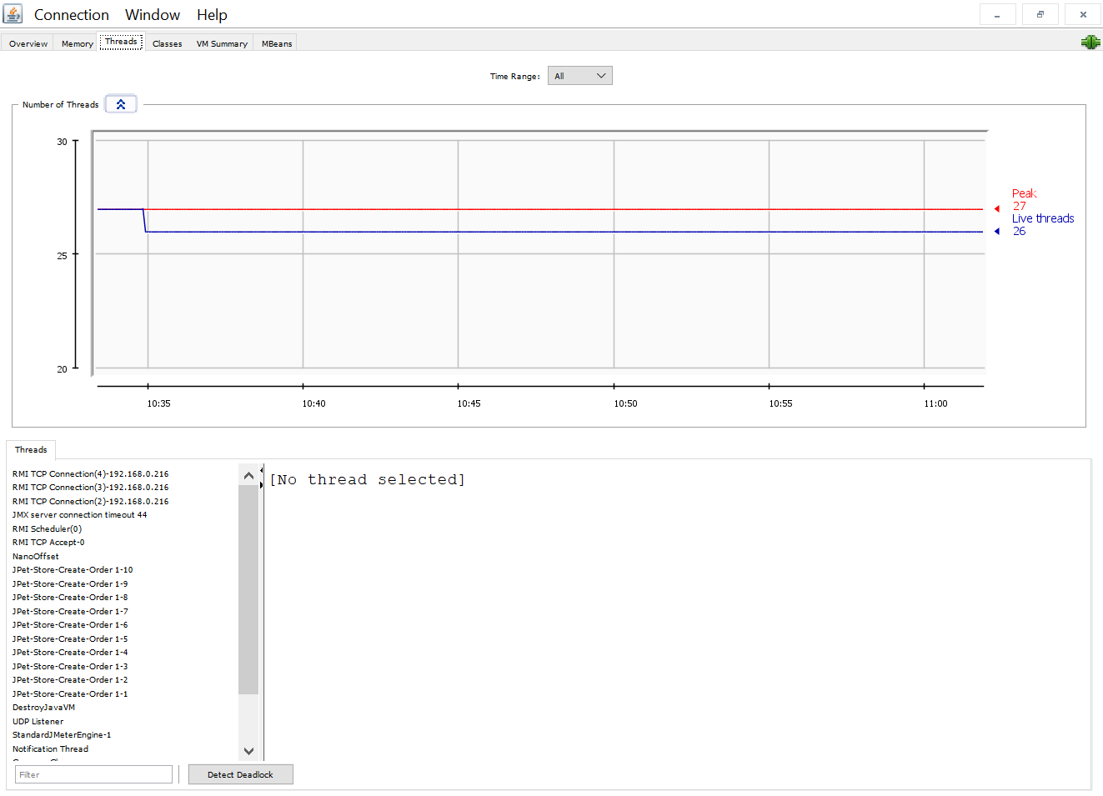

Classes Garph:

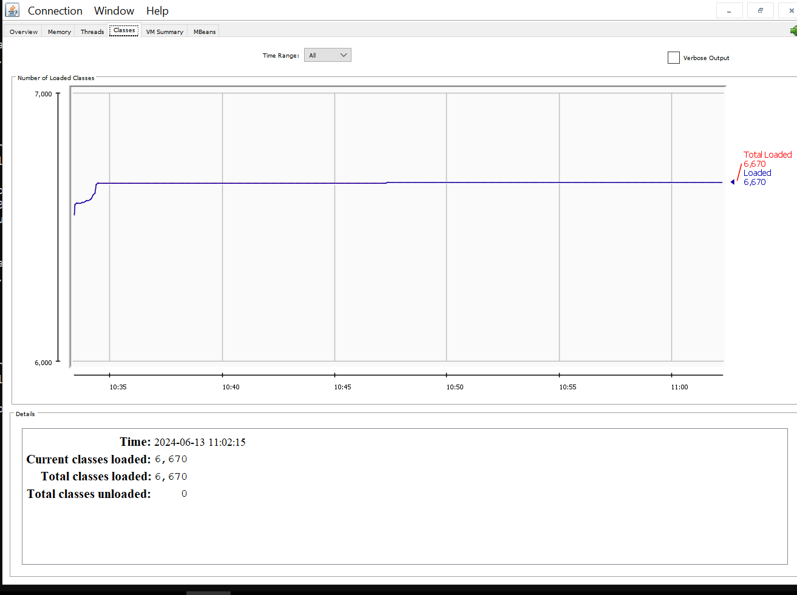

Response Time Graph:
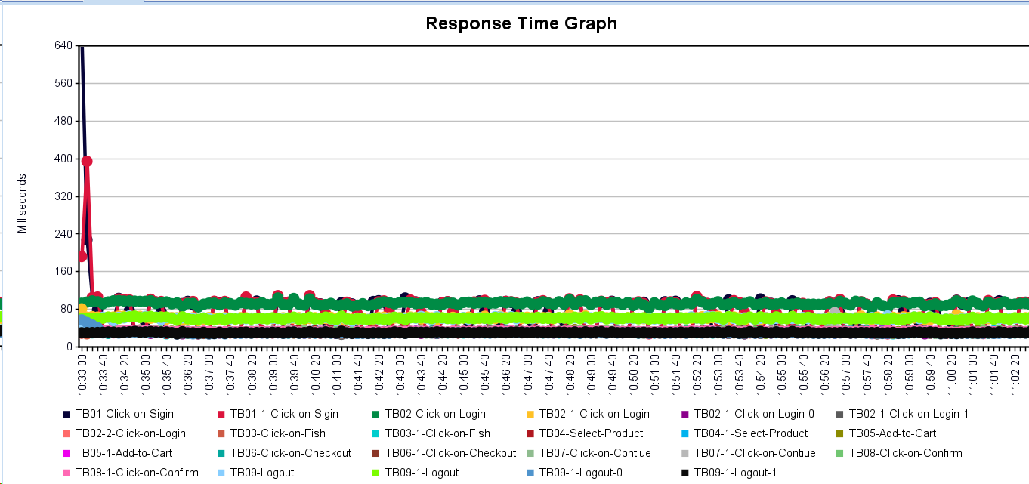

Hits/Sec:

JPet-Store-View-Order
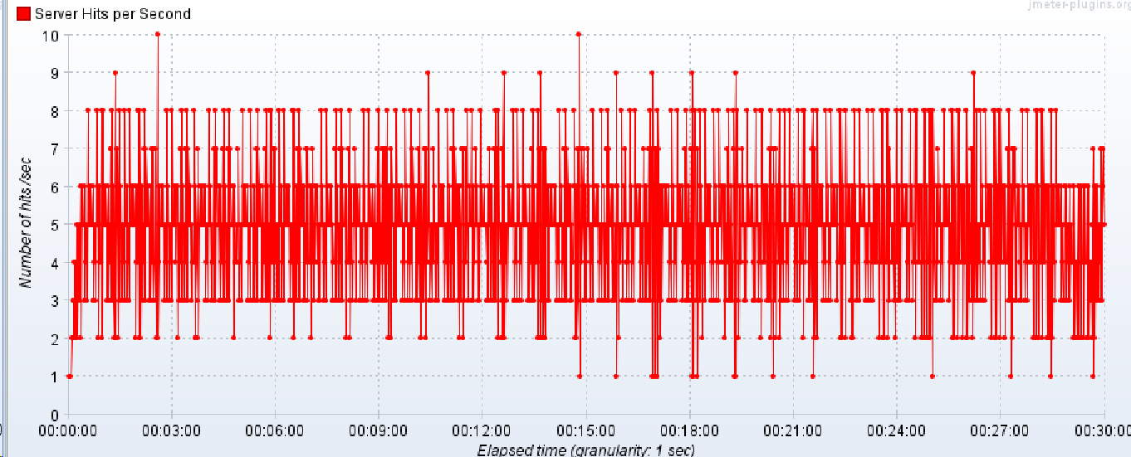
Model Name: | JPet-Store-View-Order

Performance Testing:

1. Evaluate Response Time: Measure the system's response time under various load conditions.
2. Determine Throughput: Assess the maximum number of transactions the system can handle per unit of time.
3. Identify Bottlenecks: Detect the points in the system that degrade performance.

Test Environment: | Production

Test Data:

1. Simulated Users: Profiles of users to simulate different levels of system usage.
2. Request Payloads: Sample API requests with varying payload sizes.
3. Database Records: Large datasets to simulate real-world usage.

Test Execution Steps: | 1. Launch the site
 | 2. Click on Login
 | 3. Click on My Account
 | 4. Click View Orders
 | 5. Select any order
 | 6. View Order
 | 7. Logout

Expected Results: | Users | Duration | Response Time 3sec/trasaction
 | 10 | 1800sec | Expected Response time

Results:

Aggregrate Report:

Label | # Samples | Average | Median | 90% Line | 95% Line | 99% Line | Min | Max | Error % | Throughput | Received KB/sec | Sent KB/sec
TC01-Launch-Page | 740 | 45 | 31 | 94 | 98 | 108 | 27 | 684 | 0.00% | 0.41193 | 0.79 | 0.31
TC01-1-Launch-Page | 740 | 45 | 31 | 94 | 98 | 108 | 27 | 684 | 0.00% | 0.41195 | 0.79 | 0.31
TC02-1-Click-on-Sigin | 1478 | 30 | 31 | 33 | 34 | 35 | 0 | 37 | 0.00% | 0.8231 | 1.57 | 0.66
TC03-Click-on-Login | 738 | 98 | 91 | 98 | 101 | 104 | 0 | 3033 | 0.00% | 0.4117 | 1.7 | 1.19
TC03-1-Click-on-Login | 737 | 59 | 61 | 66 | 67 | 69 | 29 | 72 | 0.00% | 0.41183 | 0.9 | 0.85
TC03-1-Click-on-Login-0 | 707 | 30 | 30 | 33 | 33 | 35 | 27 | 36 | 0.00% | 0.41186 | 0.09 | 0.49
TC03-1-Click-on-Login-1 | 707 | 30 | 30 | 33 | 34 | 35 | 27 | 38 | 0.00% | 0.41186 | 0.81 | 0.38
TC03-2-Click-on-Login | 735 | 30 | 31 | 33 | 34 | 35 | 27 | 36 | 0.00% | 0.41165 | 0.81 | 0.34
TC04-Click-on-My-Accouint | 735 | 44 | 32 | 95 | 100 | 105 | 0 | 124 | 0.00% | 0.41166 | 1.06 | 0.33
TC04-1-Click-on-My-Accouint | 734 | 44 | 32 | 95 | 100 | 105 | 28 | 124 | 0.00% | 0.41157 | 1.07 | 0.33
TC05-Click-on-My-Orders | 734 | 45 | 46 | 49 | 50 | 52 | 0 | 53 | 0.00% | 0.41158 | 0.67 | 0.34
TC05-1-Click-on-My-Orders | 732 | 45 | 46 | 49 | 50 | 52 | 29 | 53 | 0.00% | 0.41127 | 0.67 | 0.34
TC06-View-Order | 732 | 31 | 32 | 34 | 35 | 36 | 0 | 37 | 19.81% | 0.41129 | 0.78 | 0.34
TC06-1-View-Order | 730 | 31 | 32 | 34 | 35 | 36 | 27 | 37 | 19.86% | 0.41213 | 0.78 | 0.34
TC07-Logout | 730 | 60 | 60 | 65 | 66 | 69 | 54 | 71 | 0.00% | 0.41212 | 0.91 | 0.68
TC07-1-Logout | 730 | 60 | 60 | 65 | 66 | 69 | 54 | 71 | 0.00% | 0.41212 | 0.91 | 0.68
TC07-1-Logout-0 | 730 | 29 | 30 | 32 | 33 | 34 | 27 | 35 | 0.00% | 0.41213 | 0.09 | 0.34
TC07-1-Logout-1 | 730 | 30 | 30 | 33 | 33 | 35 | 27 | 37 | 0.00% | 0.41213 | 0.82 | 0.34
TOTAL | 13899 | 43 | 32 | 67 | 93 | 101 | 0 | 3033 | 2.09% | 7.7242 | 15.04 | 8.49

Aggregate Grapgh:

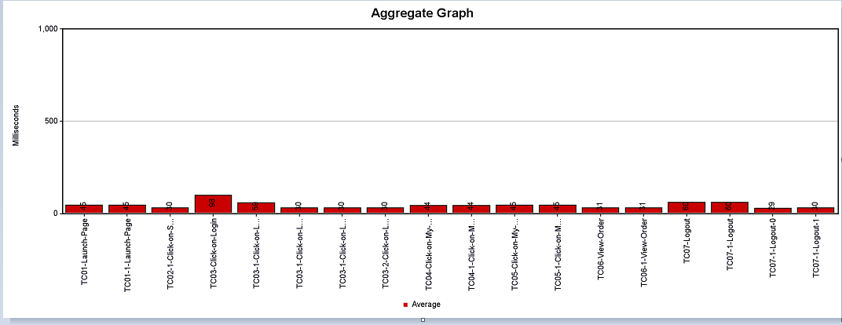

Overview Graph:

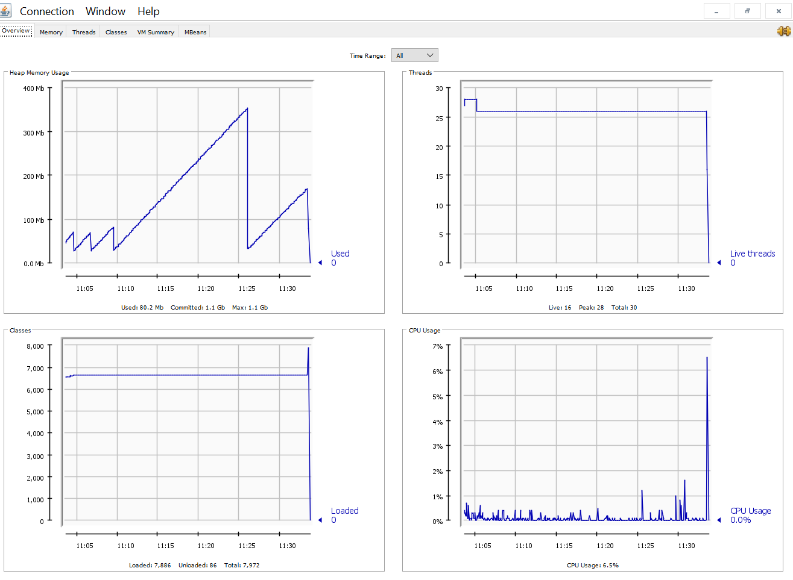

Memory Graph:

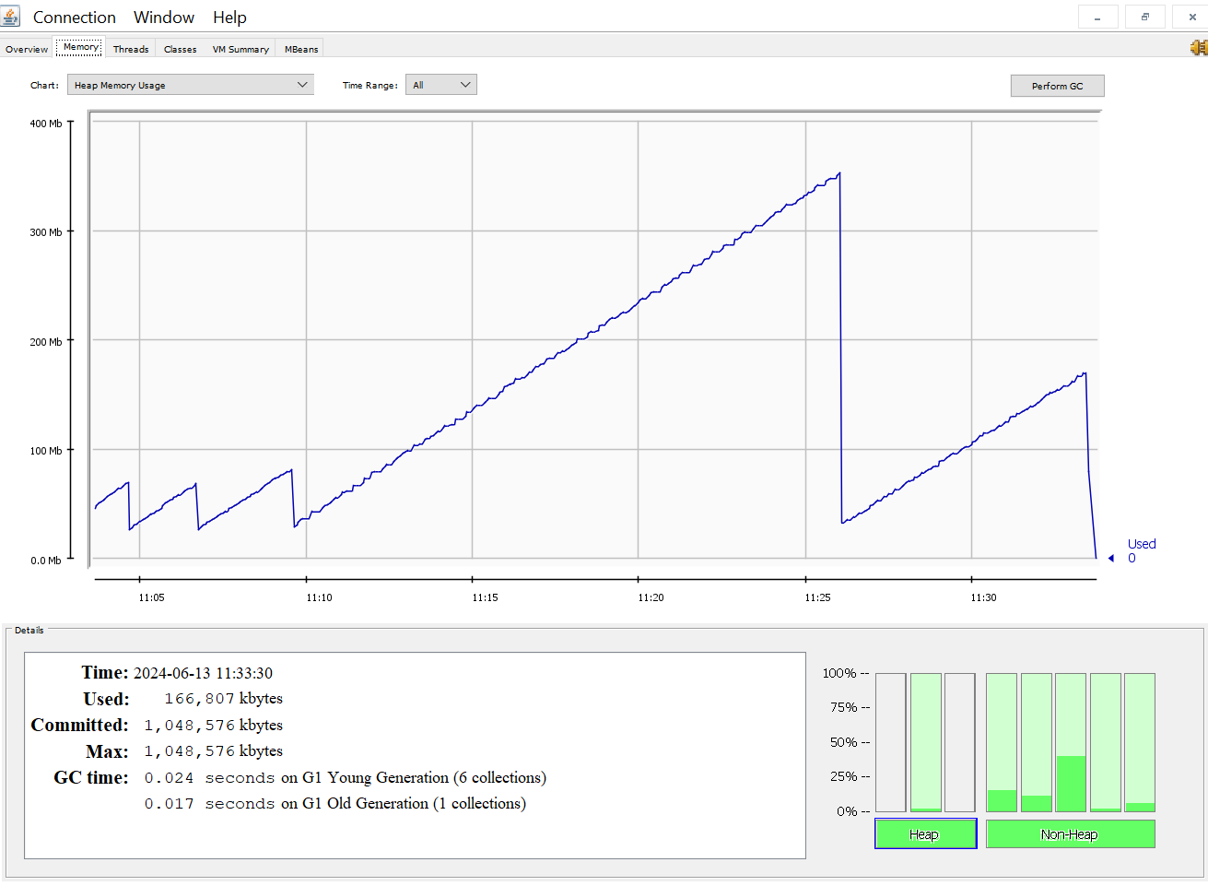

Threads Graph:

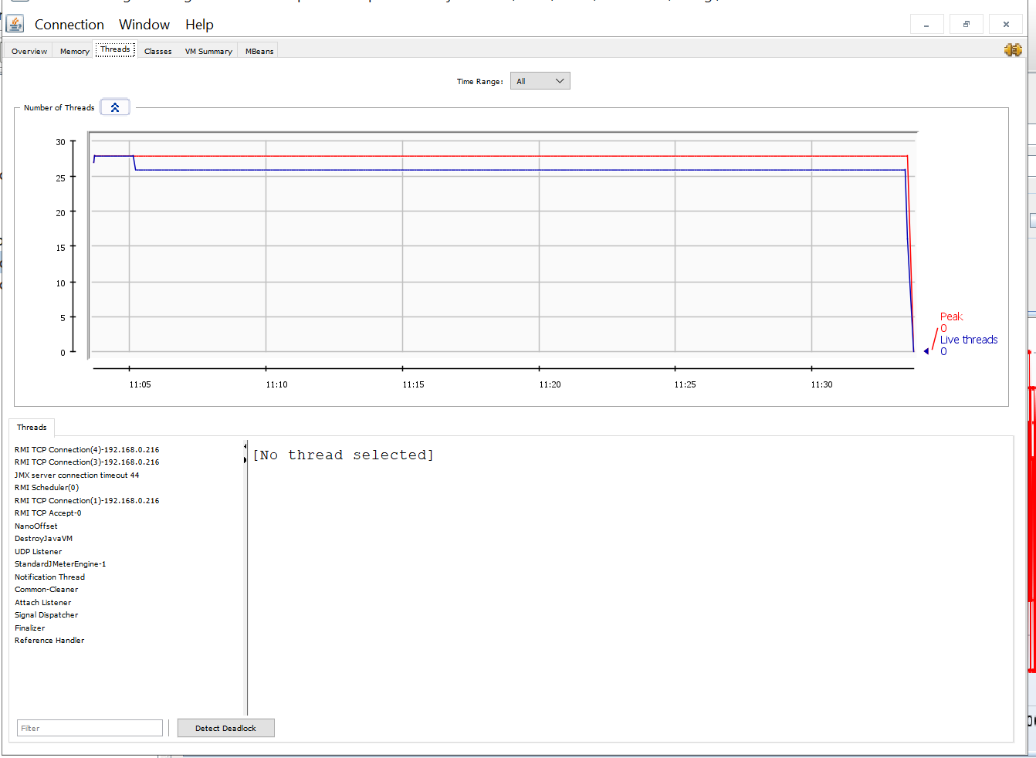

Classes Garph:

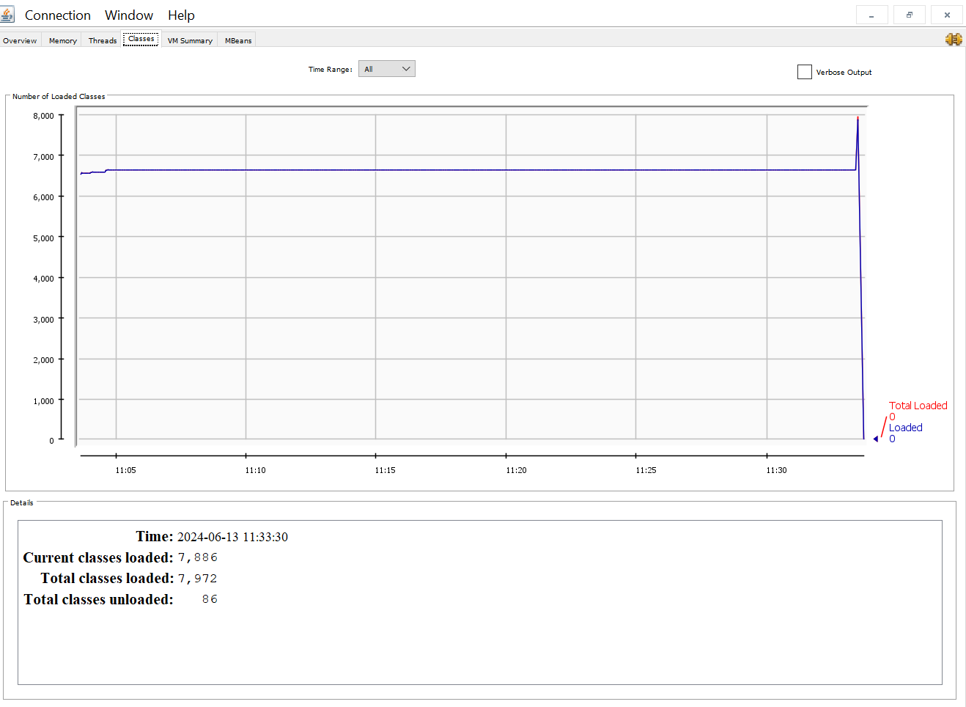

Response Time Graph:

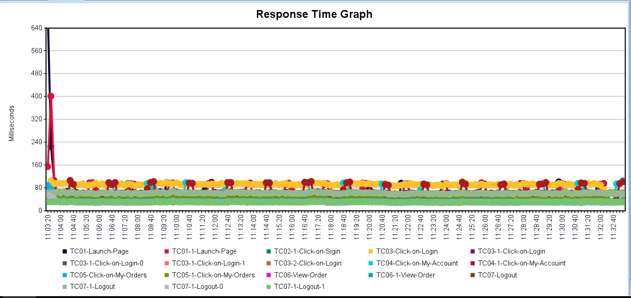

Hits/Sec:

