Salary Growth
salary Growth Rate for the past 20 years

 |  | 3.100%
Year | Salary Growth Rate
1 | 0.06
2 | 0
3 | 0.06 | Avg Growth rate | 3.100%
4 | 0.02 | Std dev | 2.022%
5 | 0.04
6 | 0.03
7 | 0.03
8 | 0.06
9 | 0.03
10 | 0.02
11 | 0.04
12 | 0.01
13 | 0
14 | 0.06
15 | 0.05
16 | 0.04
17 | 0.02
18 | 0.01
19 | 0.04
20 | 0

S & P 500
Consider the last 50 years only
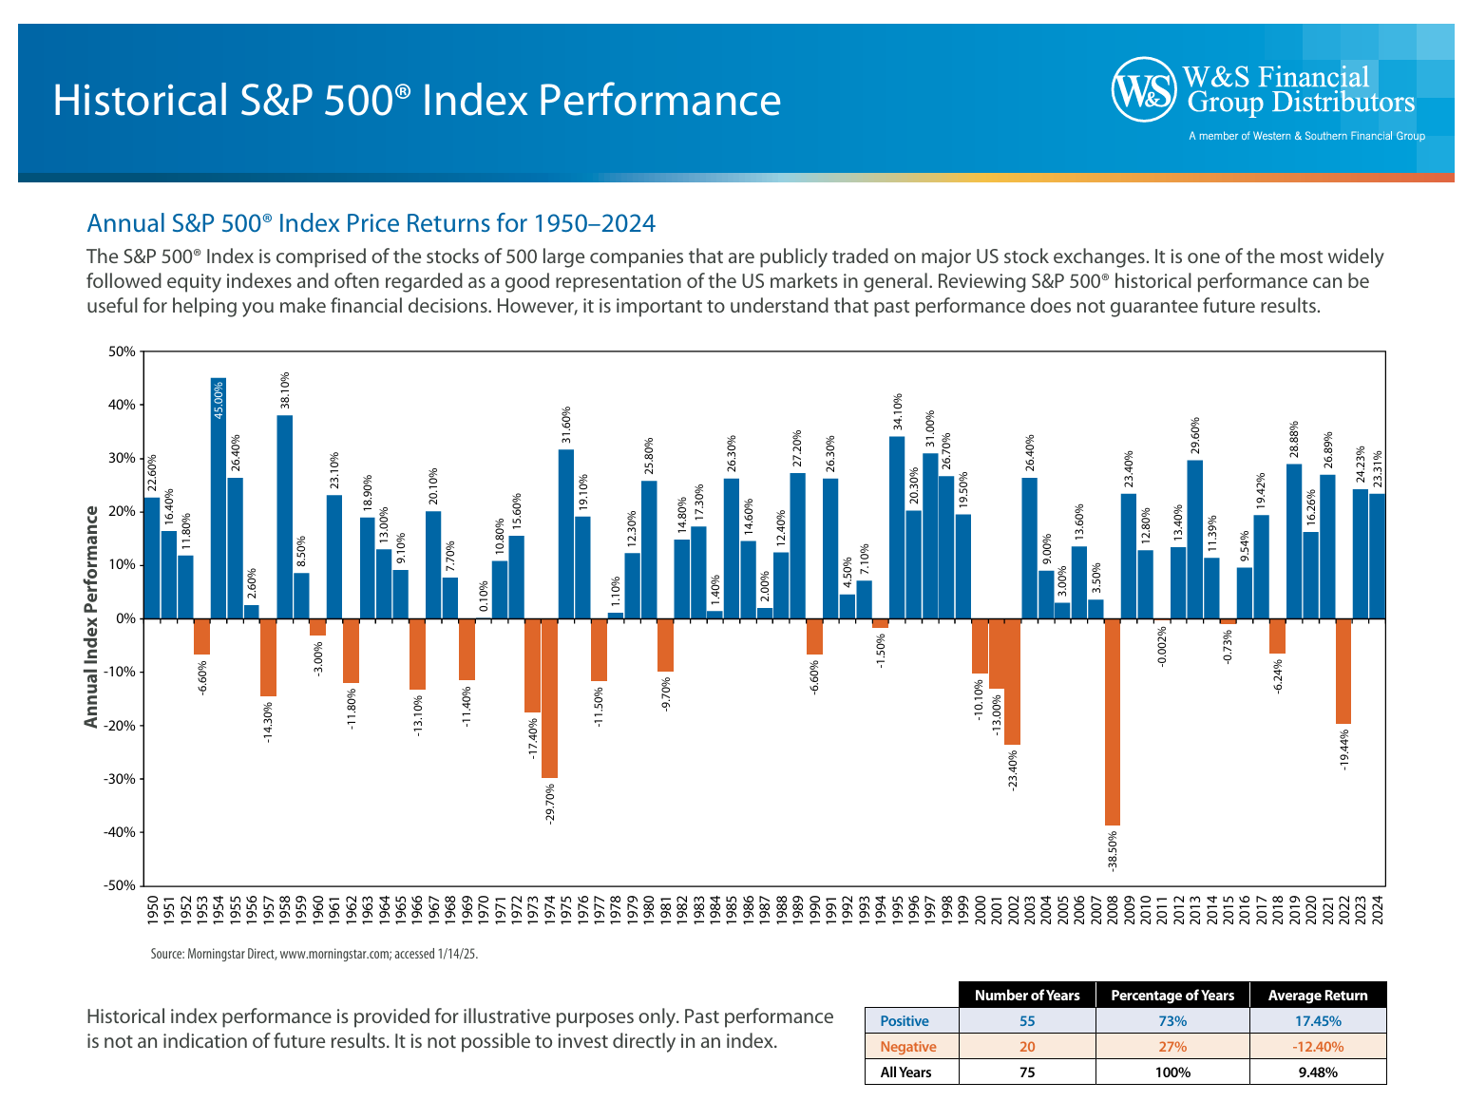

avg return | 10.58616 | 10.586% | 1975 | 31.6
std dev | 15.864292059 | 15.864% | 1976 | 19.1
 |  |  | 1977 | -11.5
 |  |  | 1978 | 1.1
 |  |  | 1979 | 12.3
 |  |  | 1980 | 25.8
 |  |  | 1981 | -9.7
 |  |  | 1982 | 14.8
 |  |  | 1983 | 17.3
 |  |  | 1984 | 1.4
 |  |  | 1985 | 26.3
 |  |  | 1986 | 14.6
 |  |  | 1987 | 2
 |  |  | 1988 | 12.4
 |  |  | 1989 | 27.2
 |  |  | 1990 | -6.6
 |  |  | 1991 | 26.3
 |  |  | 1992 | 4.5
 |  |  | 1993 | 7.1
 |  |  | 1994 | -1.5
 |  |  | 1995 | 34.1
 |  |  | 1996 | 20.3
 |  |  | 1997 | 31
 |  |  | 1998 | 26.7
 |  |  | 1999 | 19.5
 |  |  | 2000 | -10.1
 |  |  | 2001 | -13
 |  |  | 2002 | -23.4
 |  |  | 2003 | 26.4
 |  |  | 2004 | 9
 |  |  | 2005 | 3
 |  |  | 2006 | 13.6
 |  |  | 2007 | 3.5
 |  |  | 2008 | -38.5
 |  |  | 2009 | 23.4
 |  |  | 2010 | 12.8
 |  |  | 2011 | -0.002
 |  |  | 2012 | 13.4
 |  |  | 2013 | 29.6
 |  |  | 2014 | 11.39
 |  |  | 2015 | -0.73
 |  |  | 2016 | 9.54
 |  |  | 2017 | 19.42
 |  |  | 2018 | -6.24
 |  |  | 2019 | 28.88
 |  |  | 2020 | 16.26
 |  |  | 2021 | 26.89
 |  |  | 2022 | -19.44
 |  |  | 2023 | 24.23
 |  |  | 2024 | 23.31

Q1
1. For the minimum contribution, what asset allocation gives me the highest chance of satisfying objective 1?

 | Employee contribution | 10%
 | TIPS | 75%
 | S&P | 0%
 | Vanguard Small Cap | 25%
 | Probability of Reaching Target | 33%
 | Final Value | $762,345.70
 | Portfolio Value | $722,435.18
 | Mean | $933,808.69
 | Median | $908,454.93
 | Fifth Percentile | $722,435.18
 | Max value | $1,830,866.00
 | Min Value | $678,832.64
 | StdDev | $161,238.24

with miniumum contribution of 10%, the best allocation is 75% tips, 0% is S&P, Vanguard 25% with a higest probability

Q2
How many years does it take to reach an objective one if I contribute 15% of my salary for various asset allocations?

 | Employee contribution | 15%
 | TIPS | 75%
 | S&P | 0% | 30 Years
 | Vanguard Small Cap | 25%
 | Probability of Reaching Target | 100%
 | Final Value | 1664562.4831
 | Portfolio Value | 1358841.9908
 | Mean | 1734922.7865
 | Median | 1719677.5018
 | Fifth Percentile | 1358841.9908
 | Max value | 2365700.8606
 | Min Value | 1142447.1748
 | StdDev | 272511.76811
With 15% contribution, it takes 30 years to take reach my target of a million dollars.

Q3
How many years does it take to reach objective one if I contribute 20% of my salary for various asset allocations?

 | 28 years
 |  | Contribution | tips | s&p | Vanguard
 |  | 20% | 50% | 25% | 25%

With 20% contribution, it takes 28 years to take reach my target of a million dollar with the above portfolio allocation.

Q4
 |  |  |  |  | Probability of Reaching Target
 |  |  |  |  |  |  | 50000 | 40000 | 30000
 | Employee contribution | TIPS | S&P | Vanguard Small Cap |  | Portfolio Value | Withdraw 50K | Withdraw 40K | Withdraw 30K | scenarios
1 | 10% | 25% | 25% | 50% | 27% | $736,376.88 | 14.7 | 18.4 | 24.5 | 1
2 | 10% | 25% | 50% | 25% | 20% | $729,435.94 | 14.6 | 18.2 | 24.3 | 2
3 | 10% | 25% | 75% | 0% | 28% | $739,903.90 | 14.8 | 18.5 | 24.7 | 3
4 | 10% | 25% | 0% | 75% | 25% | $679,638.56 | 13.6 | 17.0 | 22.7 | 4
5 | 10% | 50% | 25% | 25% | 22% | $736,306.02 | 14.7 | 18.4 | 24.5 | 5
6 | 10% | 50% | 50% | 0% | 26% | $740,077.85 | 14.8 | 18.5 | 24.7 | 6
7 | 10% | 50% | 0% | 50% | 24% | $684,026.68 | 13.7 | 17.1 | 22.8 | 7
8 | 10% | 75% | 25% | 0% | 20% | $707,927.69 | 14.2 | 17.7 | 23.6 | 8
9 | 10% | 75% | 0% | 25% | 33% | $722,435.18 | 14.4 | 18.1 | 24.1 | 9
10 | 10% | 100% | 0% | 0% | 27% | $657,836.06 | 13.2 | 16.4 | 21.9 | 10
11 | 15% | 25% | 25% | 50% | 83% | $903,453.10 | 18.1 | 22.6 | 30.1 | 11
12 | 15% | 25% | 50% | 25% | 88% | $919,639.72 | 18.4 | 23.0 | 30.7 | 12
13 | 15% | 25% | 75% | 0% | 78% | $854,489.31 | 17.1 | 21.4 | 28.5 | 13
14 | 15% | 25% | 0% | 75% | 80% | $931,377.55 | 18.6 | 23.3 | 31.0 | 14
15 | 15% | 50% | 25% | 25% | 86% | $956,931.12 | 19.1 | 23.9 | 31.9 | 15
16 | 15% | 50% | 50% | 0% | 84% | $887,331.93 | 17.7 | 22.2 | 29.6 | 16
17 | 15% | 50% | 0% | 50% | 87% | $954,846.79 | 19.1 | 23.9 | 31.8 | 17
18 | 15% | 75% | 25% | 0% | 76% | $850,032.25 | 17.0 | 21.3 | 28.3 | 18
19 | 15% | 75% | 0% | 25% | 100% | $1,358,841.99 | 27.2 | 34.0 | 45.3 | 19
Assuming you had worst profits with 95% confidence i.e. the scenario 10, it takes 13.2 years withdrawing 50K/year, 16.4 years withdrawing 40K/year, 21.9 years withdrawing 30K/year.
20 | 15% | 100% | 0% | 0% | 73% | $770,337.50 | 15.4 | 19.3 | 25.7 | 20
21 | 20% | 25% | 25% | 50% | 99% | $1,125,449.42 | 22.5 | 28.1 | 37.5 | 21
22 | 20% | 50% | 25% | 25% | 100% | $1,153,110.53 | 23.1 | 28.8 | 38.4 | 22
23 | 20% | 25% | 50% | 25% | 100% | $1,144,722.83 | 22.9 | 28.6 | 38.2 | 23
24 | 20% | 25% | 0% | 75% | 96% | $1,073,430.60 | 21.5 | 26.8 | 35.8 | 24
Assuming you perform best profits with 95% confidence , the scenario 19, it takes 27.2 years withdrawing 50K/year, 34.0 years withdrawing 40K/year, 45.3 years withdrawing 30K/year.
25 | 20% | 50% | 0% | 50% | 99% | $1,163,810.65 | 23.3 | 29.1 | 38.8 | 25
26 | 20% | 50% | 50% | 0% | 100% | $1,149,491.47 | 23.0 | 28.7 | 38.3 | 26
27 | 20% | 25% | 75% | 0% | 100% | $1,055,092.29 | 21.1 | 26.4 | 35.2 | 27
28 | 20% | 100% | 0% | 0% | 96% | $1,015,220.28 | 20.3 | 25.4 | 33.8 | 28
29 | 20% | 75% | 25% | 0% | 100% | $1,128,801.52 | 22.6 | 28.2 | 37.6 | 29
30 | 20% | 75% | 0% | 25% | 97% | $1,086,625.31 | 21.7 | 27.2 | 36.2 | 30

HW
Contribution | 10% | 10% | 10% | 10% | 10% | 10% | 10% | 10% | 10% | 10% | 15% | 15% | 15% | 15% | 15% | 15% | 15% | 15% | 15% | 15% | 20% | 20% | 20% | 20% | 20% | 20% | 20% | 20% | 20% | 20%
A (%) | 25% | 25% | 25% | 25% | 50% | 50% | 50% | 75% | 75% | 100% | 25% | 25% | 25% | 25% | 50% | 50% | 50% | 75% | 75% | 100% | 25% | 25% | 25% | 25% | 50% | 50% | 50% | 75% | 75% | 100%
B (%) | 75% | 0% | 50% | 25% | 50% | 0% | 25% | 25% | 0% | 0% | 75% | 0% | 50% | 25% | 50% | 0% | 25% | 25% | 0% | 0% | 75% | 0% | 50% | 25% | 50% | 0% | 25% | 25% | 0% | 0%
C (%) | 0% | 75% | 25% | 50% | 0% | 50% | 25% | 0% | 25% | 0% | 0% | 75% | 25% | 50% | 0% | 50% | 25% | 0% | 25% | 0% | 0% | 75% | 25% | 50% | 0% | 50% | 25% | 0% | 25% | 0%
D (%) | 0% | 0% | 0% | 0% | 0% | 0% | 0% | 0% | 0% | 0% | 0% | 0% | 0% | 0% | 0% | 0% | 0% | 0% | 0% | 0% | 0% | 0% | 0% | 0% | 0% | 0% | 0% | 0% | 0% | 0%

Probability | 25.30% | 28.30% | 27.40% | 20.60% | 25.90% | 24.10% | 21.50% | 29.20% | 23.00% | 28.80% | 79.70% | 80.70% | 87.00% | 88.20% | 81.00% | 82.10% | 86.40% | 80.30% | 80.70% | 74.50% | 98.30% | 97.80% | 99.50% | 99.50% | 99.10% | 98.80% | 99.40% | 98.20% | 98.20% | 95.50%
Portfolio value | $699,143.07 | $700,199.24 | $750,445.96 | $727,509.23 | $686,539.11 | $718,429.46 | $737,483.26 | $732,132.39 | $723,202.04 | $627,487.13 | $925,764.76 | $882,874.58 | $965,849.82 | $918,398.21 | $910,951.52 | $913,047.38 | $927,415.51 | $917,312.67 | $898,099.22 | $829,405.37 | $1,027,939.78 | $1,048,074.39 | $1,177,195.76 | $1,196,421.24 | $1,082,109.82 | $1,124,918.85 | $1,150,702.79 | $1,057,629.67 | $1,044,816.48 | $1,071,296.28
mean | $928,996.86 | $913,371.56 | $939,383.00 | $906,618.37 | $894,992.62 | $911,195.87 | $927,619.65 | $940,396.54 | $894,214.17 | $904,215.46 | $1,179,273.93 | $1,140,987.73 | $1,184,478.53 | $1,155,692.24 | $1,171,195.18 | $1,167,301.82 | $1,149,554.19 | $1,161,437.33 | $1,140,709.75 | $1,184,354.57 | $1,385,727.43 | $1,425,443.97 | $1,430,023.72 | $1,440,802.69 | $1,411,301.61 | $1,395,276.46 | $1,433,193.80 | $1,403,071.86 | $1,447,950.38 | $1,440,330.46
median | $906,260.35 | $910,781.42 | $911,532.24 | $906,019.31 | $914,918.67 | $896,835.54 | $908,961.90 | $907,715.19 | $886,368.33 | $895,044.50 | $1,134,387.73 | $1,153,487.48 | $1,155,195.08 | $1,155,333.56 | $1,149,501.72 | $1,156,495.45 | $1,161,793.35 | $1,149,301.79 | $1,150,168.15 | $1,158,378.99 | $1,403,222.73 | $1,394,017.12 | $1,416,315.80 | $1,418,022.55 | $1,406,843.51 | $1,422,195.31 | $1,415,718.82 | $1,403,342.95 | $1,399,113.10 | $1,399,449.94
stddev | $156,446.07 | $162,468.09 | $125,048.44 | $106,174.30 | $131,576.86 | $135,107.79 | $122,677.21 | $186,155.60 | $137,925.95 | $176,954.58 | $176,740.37 | $190,934.31 | $154,726.38 | $149,091.47 | $162,341.08 | $180,111.41 | $147,896.31 | $187,564.61 | $174,003.03 | $255,716.53 | $219,145.42 | $230,008.70 | $183,523.52 | $185,314.40 | $213,155.74 | $197,454.87 | $176,433.57 | $235,077.08 | $262,036.36 | $247,498.14
min | $542,539.27 | $587,897.46 | $611,549.14 | $595,551.20 | $534,718.39 | $580,185.56 | $583,370.23 | $531,482.16 | $574,266.27 | $455,068.39 | $713,298.46 | $622,967.94 | $774,514.62 | $787,475.78 | $760,448.91 | $735,837.25 | $699,305.53 | $631,012.63 | $693,710.19 | $599,567.15 | $870,701.92 | $730,672.53 | $964,404.45 | $956,900.10 | $878,156.90 | $883,054.35 | $923,293.46 | $666,948.07 | $814,119.45 | $722,561.66
max | $1,835,251.67 | $1,679,733.68 | $1,357,574.84 | $1,355,010.39 | $1,460,488.10 | $1,523,742.08 | $1,429,872.13 | $1,774,009.68 | $1,497,920.63 | $1,705,983.05 | $2,015,242.80 | $2,135,658.91 | $1,969,853.91 | $1,806,499.77 | $1,816,588.47 | $2,203,397.68 | $1,885,223.72 | $1,819,772.79 | $1,831,052.78 | $2,506,396.32 | $2,501,232.55 | $2,389,840.26 | $2,178,732.44 | $2,197,059.53 | $2,283,210.63 | $2,380,645.91 | $2,153,892.01 | $2,559,302.32 | $2,176,673.37 | $2,782,925.56

Std Dev Vs Return
 | 10% Contribution |  | 20% Contribution |  | 30% Contribution
0.021112252695 | 152466.63393 | 0.037377700151 | 184049.97058 | 0.028497890441 | 239856.33841
0.042422863465 | 137209.95472 | 0.030010266616 | 183160.49736 | 0.036631102207 | 234499.58205
0.035396507065 | 136424.00968 | 0.043117979405 | 151187.97416 | 0.049588357419 | 197956.00936
0.035396507065 | 136424.00968 | 0.032061560895 | 178457.05988 | 0.044369548837 | 171838.92909
0.044143729572 | 133284.41624 | 0.030996593348 | 182509.31373 | 0.033318920273 | 188823.40632
0.021899832372 | 125154.53692 | 0.028614188387 | 166698.0585 | 0.032869104199 | 239517.13653
0.041040692428 | 104764.50095 | 0.043315722345 | 182816.10556 | 0.039537304383 | 191122.87331
0.020373773613 | 153798.60103 | 0.033042423527 | 228650.48412 | 0.033518951137 | 257698.84831
0.035529256982 | 137749.94213 | 0.032123778652 | 193067.14891 | 0.021550750888 | 242828.92353
0.026863573066 | 180132.33738 | 0.048202142385 | 259279.54015 | 0.050885157798 | 273646.89965
10% Contribution
Scenario | 1 | 2 | 3 | 4 | 5 | 6 | 7 | 8 | 9 | 10
Avg return | 2.111% | 4.242% | 3.540% | 3.540% | 4.414% | 2.190% | 4.104% | 2.037% | 3.553% | 2.686%
Std.dev 10% | $152,466.63 | $137,209.95 | $136,424.01 | $136,424.01 | $133,284.42 | $125,154.54 | $104,764.50 | $153,798.60 | $137,749.94 | $180,132.34

20% Contribution
Scenario | 11 | 12 | 13 | 14 | 15 | 16 | 17 | 18 | 19 | 20
Avg return | 3.738% | 3.001% | 4.312% | 3.206% | 3.100% | 2.861% | 4.332% | 3.304% | 3.212% | 4.820%
Std.dev 15% | $184,049.97 | $183,160.50 | $151,187.97 | $178,457.06 | $182,509.31 | $166,698.06 | $182,816.11 | $228,650.48 | $193,067.15 | $259,279.54

30% Contribution
Scenario | 21 | 22 | 23 | 24 | 25 | 26 | 27 | 28 | 29 | 30
Avg return | 2.850% | 3.663% | 4.959% | 4.437% | 3.332% | 3.287% | 3.954% | 3.352% | 2.155% | 5.089%
Std.dev 20% | $239,856.34 | $234,499.58 | $197,956.01 | $171,838.93 | $188,823.41 | $239,517.14 | $191,122.87 | $257,698.85 | $242,828.92 | $273,646.90

