Sheet1
Date | Priority | Status (R,Y,G,C) | Description | Notes/Next Steps | Add'l Notes
2019-09-20 | Medium |  | Need # of hours for the logo at the end of both videos to be changed to the new logo with white background and no quote below | 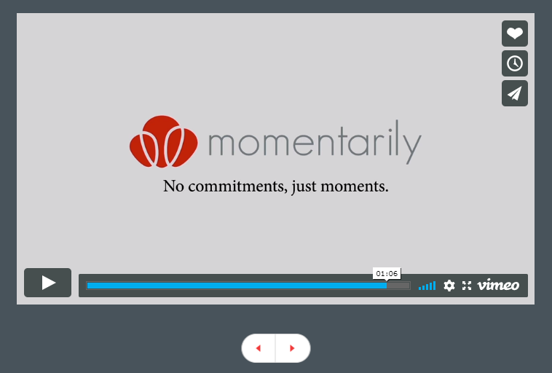 | 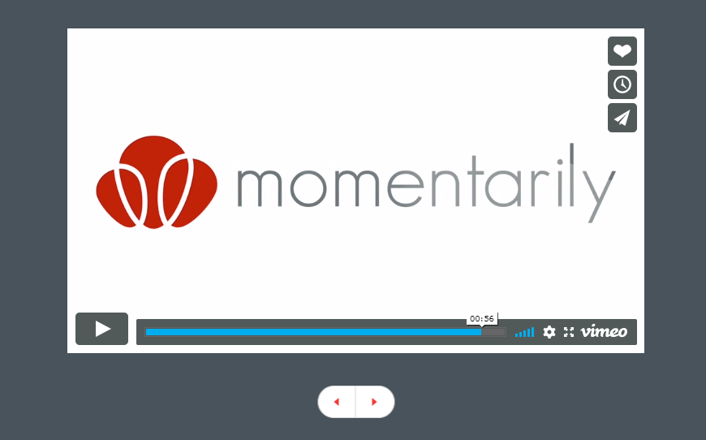
2019-09-20 | Low |  | Remove Phone # option everywhere on website | 
2019-09-20 | Medium |  | Review SiteGuru.co updated report and fix errors
2019-09-20 | Medium |  | Create a separate page for FAQs | https://docs.google.com/document/d/1gW1870n3HQ2-vXncD9Qp5n1ohkNq6GUF3mEzz9g5ok8/edit?usp=drivesdk
2019-09-20 | Low |  | http://test.momentarily.com/privacypolicy use this address at the bottom of the page instead | 1007 N Sepulveda Blvd #0293 Manhattan Beach, CA 90267
2019-09-20 | Medium |  | Home page: Make videos part of website instead of viewing from Vimeo
2019-09-20 | High |  | Create new category called "Events". Can create a simliar image to the balloons in the email template as the logo
2019-09-20 | Medium |  | Help message created on site goes to hello@momentarily.com. It should go to help@momentarily.com
2019-09-20 | Medium |  | What is needed for https:// ?
2019-09-20 | Medium |  | Create a page that has lists of items. Would need a designer to create | See: https://docs.google.com/document/d/13dGV3p_0fQH0yk9RKFNhPMGv7LksMgD0OxG48DQE608/edit?usp=sharing
2019-09-23 | High |  | Paypal integration | Need to create a sandbox mode
2019-09-23 | High |  | QA - Testing | Look through website for errors
2019-09-23 | Low |  | Create testing environment | When launched, 1 will be live, 1 will be for QA and 1 will be for testing
2019-09-23 | Medium |  | Dashboard | Harmesh, were you talking about a dashboard for the users on the site, or for me/employees of momentarily? For users: they should be able to see their income, reviews by renters, and their rating
2019-09-23 | Medium |  | Dashboard (momentarily)
2019-09-23 | Medium |  | Reporting | For the momentarily (employees), would need to see a transaction report- date rental was done on website, date starting rental, date ending rental, person loaning user name, person borrowing user name, amount, what the item was (description), what category the item belonged to, how much per day, how much total, rating, and any other stats possible for all transactions done across website
2019-09-23 | Low |  | Resend homepage designs | The ones you sent over upwork were low resolution. Please send to Jenn and Derek via email
2019-09-23 | Low |  | text | make sure momentarily is never capitalized in the website. This includes the account register page.
2019-09-23 | Low |  | account register page | text edit: Select one of the following method"s"
 |  |  | account register page | text edit: I can also opt out of receiving these at any time in my account settings.

