Sheet 1
Training data |  |  |  |  |  |  | NORMALIZED FAETURES |  |  |  |  |  | Euclidean distance
Patient | Age | Gender | TB | Alkphos | Selector | N_Age | N_TB | N_Alkphos | Gender |  | Distance_test01 | Distance_test02 | Distance_test03 | Distance_test04 | Distance_test05
Patient 1 | 65 | 0 | 0.7 | 187 | 1 | 0.66666666667 | 0.019047619048 | 0.145 | 0 |  | 0.31357142857 | 0.060956566077 | 0.98827436701 | 0.46598687124 | 1.0359307108
Patient 2 | 62 | 1 | 10.9 | 699 | 1 | 0.62666666667 | 0.99047619048 | 0.99833333333 | 1 |  | 1.5779517027 | 1.6641124816 | 1.1121185937 | 1.3691227309 | 1.2855712663
Patient 3 | 62 | 1 | 7.3 | 490 | 1 | 0.62666666667 | 0.64761904762 | 0.65 | 1 |  | 1.2478648431 | 1.3075417901 | 1.0619901738 | 1.114265593 | 0.82155002553
Patient 4 | 58 | 1 | 1 | 182 | 1 | 0.57333333333 | 0.047619047619 | 0.13666666667 | 1 |  | 1.0238977814 | 1.0028161028 | 1.3813569194 | 1.0887609977 | 0.36259864558
Patient 5 | 72 | 1 | 3.9 | 195 | 1 | 0.76 | 0.32380952381 | 0.15833333333 | 1 |  | 1.0733280781 | 1.0582797672 | 1.32736814 | 1.1116733725 | 0.32679514688
Patient 6 | 46 | 1 | 1.8 | 208 | 1 | 0.41333333333 | 0.12380952381 | 0.18 | 1 |  | 1.0039360181 | 1.0319749685 | 1.3131182703 | 1.0619201632 | 0.52555207988
Patient 7 | 26 | 0 | 0.9 | 154 | 1 | 0.14666666667 | 0.038095238095 | 0.09 | 0 |  | 0.29177111832 | 0.48095355964 | 0.99530188905 | 0.56377136494 | 1.2755528791
Patient 8 | 29 | 0 | 0.9 | 202 | 1 | 0.18666666667 | 0.038095238095 | 0.17 | 0 |  | 0.26292657813 | 0.44644857098 | 0.92445976134 | 0.48024801085 | 1.2480792499
Patient 9 | 17 | 1 | 0.9 | 202 | 2 | 0.026666666667 | 0.038095238095 | 0.17 | 1 |  | 1.0784234104 | 1.1686386638 | 1.3912916722 | 1.1601026472 | 0.90677182763
Patient 10 | 55 | 1 | 0.7 | 290 | 1 | 0.53333333333 | 0.019047619048 | 0.31666666667 | 1 |  | 1.0417943051 | 1.0274951379 | 1.2994849843 | 1.0395147841 | 0.42366744542
Patient 11 | 57 | 1 | 0.6 | 210 | 1 | 0.56 | 0.0095238095238 | 0.18333333333 | 1 |  | 1.0295085017 | 1.0056783228 | 1.3706429628 | 1.0778350529 | 0.37528673845
Patient 12 | 72 | 1 | 2.7 | 260 | 1 | 0.76 | 0.20952380952 | 0.26666666667 | 1 |  | 1.0742101459 | 1.0418999739 | 1.3010570445 | 1.0737184261 | 0.25252466708
Patient 13 | 64 | 1 | 0.9 | 310 | 2 | 0.65333333333 | 0.038095238095 | 0.35 | 1 |  | 1.0679873839 | 1.0315170564 | 1.2985475926 | 1.0448361577 | 0.32770520739
Patient 14 | 74 | 0 | 1.1 | 214 | 1 | 0.78666666667 | 0.057142857143 | 0.19 | 0 |  | 0.41317996935 | 0.18965118955 | 0.97849345072 | 0.48480218983 | 1.0107926662
Patient 15 | 61 | 1 | 0.7 | 145 | 1 | 0.61333333333 | 0.019047619048 | 0.075 | 1 |  | 1.0359506298 | 1.0004466406 | 1.4335571926 | 1.1210507907 | 0.33799604514
Patient 16 | 25 | 1 | 0.6 | 183 | 2 | 0.13333333333 | 0.0095238095238 | 0.13833333333 | 1 |  | 1.0493444936 | 1.1157272168 | 1.3982363567 | 1.1388166671 | 0.80198962479
Patient 17 | 38 | 1 | 1.8 | 342 | 1 | 0.30666666667 | 0.12380952381 | 0.40333333333 | 1 |  | 1.0469366825 | 1.098850461 | 1.208305348 | 1.0228429823 | 0.66962219016
Patient 18 | 33 | 1 | 1.6 | 165 | 2 | 0.24 | 0.10476190476 | 0.10833333333 | 1 |  | 1.015593417 | 1.0764064522 | 1.3639229344 | 1.1108821646 | 0.69936580439
Patient 19 | 40 | 0 | 0.9 | 293 | 1 | 0.33333333333 | 0.038095238095 | 0.32166666667 | 0 |  | 0.26125731662 | 0.36877755095 | 0.79493239776 | 0.29212219044 | 1.1748021737
Patient 20 | 40 | 0 | 0.9 | 293 | 1 | 0.33333333333 | 0.038095238095 | 0.32166666667 | 0 |  | 0.26125731662 | 0.36877755095 | 0.79493239776 | 0.29212219044 | 1.1748021737
Patient 21 | 51 | 1 | 2.2 | 610 | 1 | 0.48 | 0.1619047619 | 0.85 | 1 |  | 1.2447652749 | 1.2677661716 | 1.0988350872 | 1.0522613862 | 0.81698980141
Patient 22 | 51 | 1 | 2.9 | 482 | 1 | 0.48 | 0.22857142857 | 0.63666666667 | 1 |  | 1.1324951883 | 1.1651197714 | 1.101455232 | 1.0067092672 | 0.66843048983
Patient 23 | 62 | 1 | 6.8 | 542 | 1 | 0.62666666667 | 0.6 | 0.73666666667 | 1 |  | 1.2710323085 | 1.3243891331 | 1.0452857132 | 1.109235222 | 0.84204924961
Patient 24 | 40 | 1 | 1.9 | 231 | 1 | 0.33333333333 | 0.13333333333 | 0.21833333333 | 1 |  | 1.0088295288 | 1.0561136399 | 1.2886868855 | 1.0565352179 | 0.60730254669
Patient 25 | 63 | 1 | 0.9 | 194 | 2 | 0.64 | 0.038095238095 | 0.15666666667 | 1 |  | 1.0391756065 | 1.0021004019 | 1.3864275697 | 1.0917541119 | 0.29441398037
Patient 26 | 34 | 1 | 4.1 | 289 | 1 | 0.25333333333 | 0.34285714286 | 0.315 | 1 |  | 1.0432610927 | 1.1387334582 | 1.1834284957 | 1.0535745225 | 0.75351876744
Patient 27 | 34 | 1 | 4.1 | 289 | 1 | 0.25333333333 | 0.34285714286 | 0.315 | 1 |  | 1.0432610927 | 1.1387334582 | 1.1834284957 | 1.0535745225 | 0.75351876744
Patient 28 | 34 | 1 | 6.2 | 240 | 1 | 0.25333333333 | 0.54285714286 | 0.23333333333 | 1 |  | 1.0802250542 | 1.2006664816 | 1.1988090273 | 1.1171980916 | 0.8429147142
Patient 29 | 20 | 1 | 1.1 | 128 | 2 | 0.066666666667 | 0.057142857143 | 0.046666666667 | 1 |  | 1.0634304649 | 1.1483518704 | 1.442480306 | 1.1871019084 | 0.87691481447
Patient 30 | 84 | 0 | 0.7 | 188 | 2 | 0.92 | 0.019047619048 | 0.14666666667 | 0 |  | 0.54564114859 | 0.2971749067 | 1.0926039752 | 0.61756860865 | 1.0010520543

Min | 15 | 0 | 0.5 | 100 |  |  |  |  |  | First Nearest | 0.26125731662 | 0.060956566077 | 0.79493239776 | 0.29212219044 | 0.25252466708
Max | 90 | 1 | 11 | 700 |  |  |  |  |  | Second Nearest | 0.26125731662 | 0.18965118955 | 0.79493239776 | 0.29212219044 | 0.29441398037
Range | 75 | 1 | 10.5 | 600 |  |  |  |  |  | Third Nearest | 0.26292657813 | 0.2971749067 | 0.92445976134 | 0.46598687124 | 0.32679514688

Test data |  |  |  |  | Actual Labels |  |  |  |  |  | FIRST SMALLEST | SECOND SMALLEST | THIRD SMALLEST | PREDICTION
Test_1 | 45 | 0 | 2.4 | 168 | 1 | 0.4 | 0.18095238095 | 0.11333333333 | 0 |  | 1 | 1 | 1 | 1
Test_2 | 62 | 0 | 0.6 | 160 | 1 | 0.62666666667 | 0.0095238095238 | 0.1 | 0 |  | 1 | 1 | 2 | 1
Test_3 | 42 | 0 | 6.8 | 630 | 2 | 0.36 | 0.6 | 0.88333333333 | 0 |  | 1 | 1 | 1 | 1
Test_4 | 50 | 0 | 2.6 | 415 | 1 | 0.46666666667 | 0.2 | 0.525 | 0 |  | 1 | 1 | 1 | 1
Test_5 | 85 | 1 | 1 | 208 | 2 | 0.93333333333 | 0.047619047619 | 0.18 | 1 |  | 1 | 2 | 1 | 1

CONFUSION MATRIX

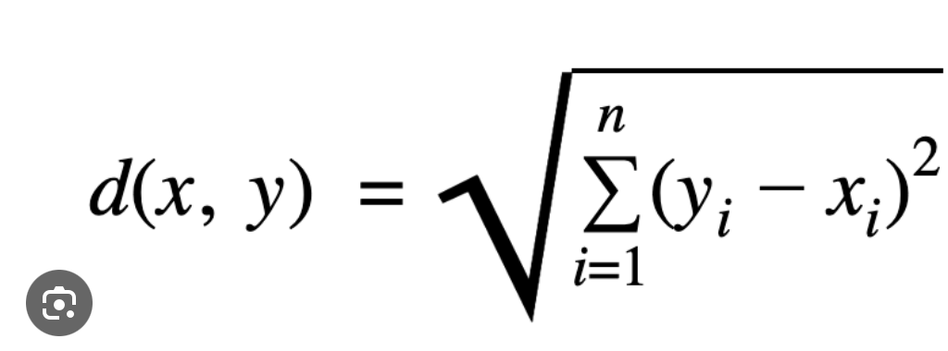
Actual / Prediction | 1 | 2
1 | 3 | 0
2 | 2 | 0
Total |  |  | 5

Results in percentage (%):
1. Accuracy | 60
Accuracy = ( TP + TN) / TOTAL

2. Precision | 60
Precision = ( TP ) / (TP +FP)

3. ReCall | 100
Recall = TP / (TP +FN)

4. F-1 Score | 75
F-1 Score = 2 * ((Precision * Recall)/(Precision + Recall))

 |  |  |  |  |  |  |  |  |  |  |  |  | Submitted By
 |  |  |  |  |  |  |  |  |  |  |  |  | NAME: AMRUTHA KANAKATTE RAVISHANKAR
 |  |  |  |  |  |  |  |  |  |  |  |  | CWID :20027346

