Sheet2
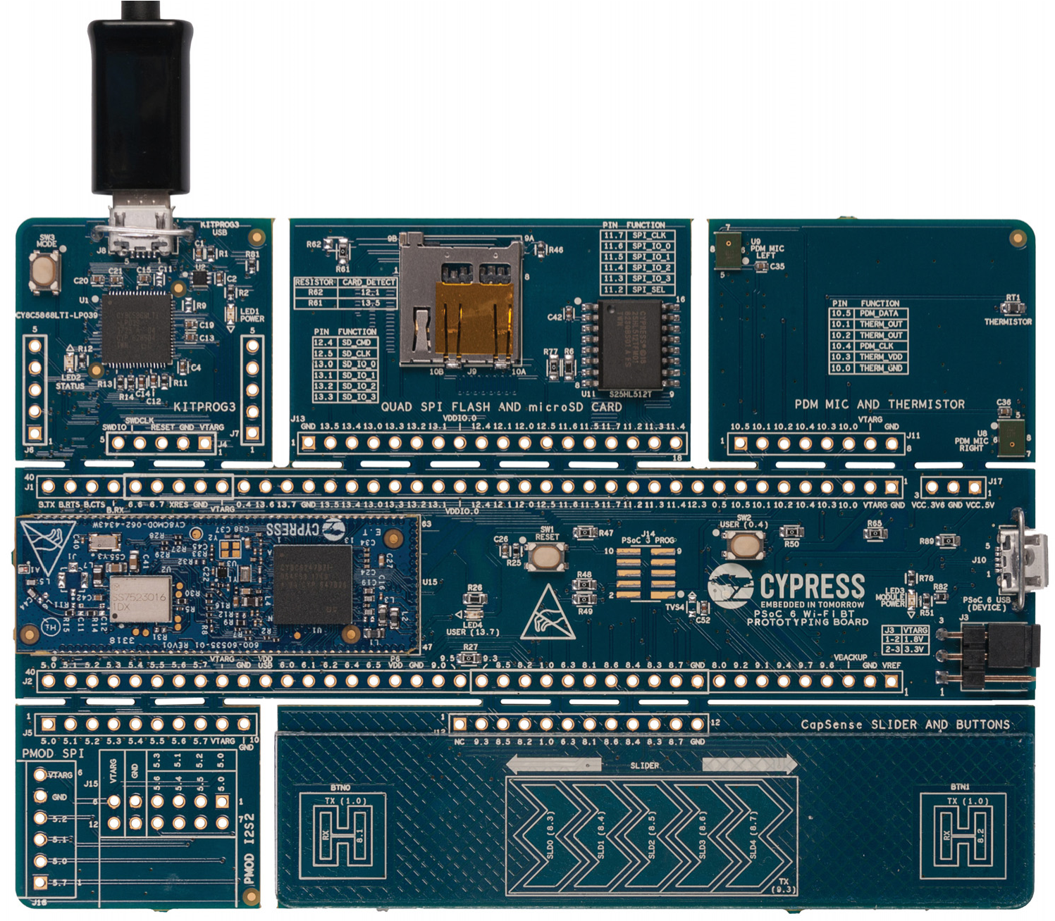
1
2
3
4
5
6
8
7
9
10
11
12
7
13
14
15
17
16
13
16
18
19
20
21
22
23
24
25
13
23
13
26
27
5
25
I2S2 compatible I/O header (J15)

Sheet3
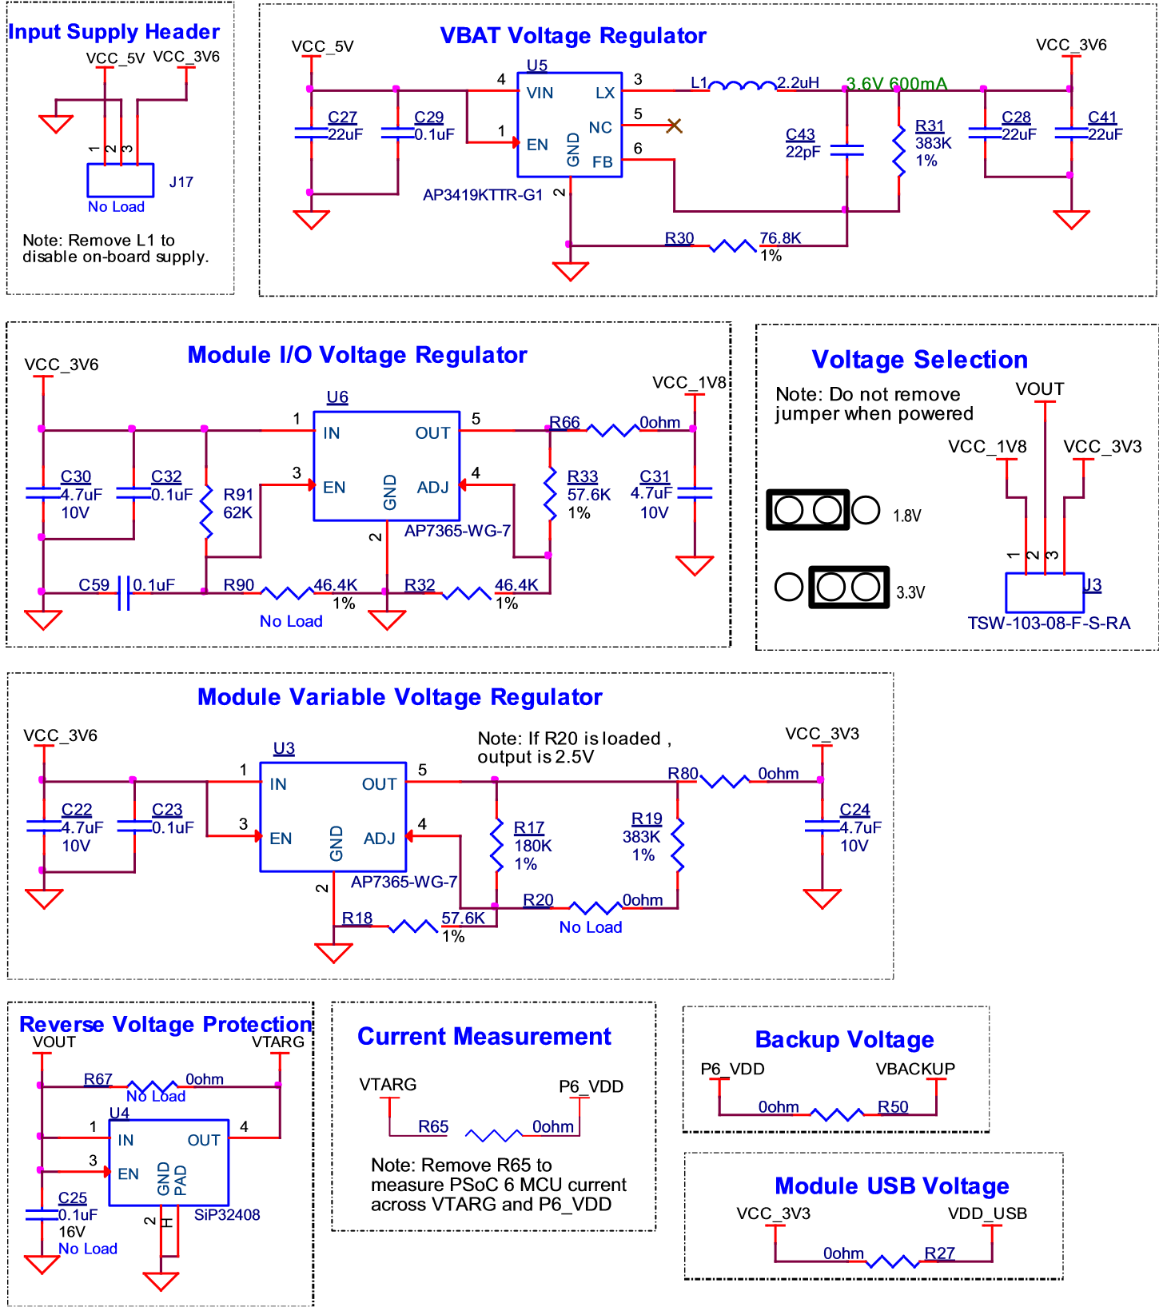

KitProg3 USB connector | (J10)
PSoC 6 Device USB connector | (J8)
External DC supply through VCC_5V | J17.1
external programmer through VTARG | J1.32 | Note that powering the board from an external programmer (VTARG at J1.32 or P6_VDD at J14) powers the P6_VDD power domain only.
external programmer through P6_VDD | J14

Supply | Typical i/p voltage | Absolute max
USB Micro-B connector (J8, J10) | 4.5 V to 5.5 V | 5.5 V
VCC_5V connector (J17) | 4.5 V to 5.5 V | 6 V
Program and Debug header (J14) | 1.8 V to 3.3 V | 3.6 V

