Sheet1
 |  |  | Remarks

Wood Pattern Attributes
W.P. Code (Id)
Pattern Maker
Price of Pattern
Name of Customer | Allow for multiple customer/product linked to wood pattern
Product Name | Allow for multiple customer/product linked to wood pattern
Product Code | Allow for multiple customer/product linked to wood pattern
Price of Product
Location of Pattern | location of Pattern: store / which department / returned to customer / modification (at XXX) | XXX to select from list of supplier
Remarks :
Weight of Product
Material of Product
Pattern Height
Pattern Width
Pattern Dimension | Break down to Outer Diameter/Inner Diameter/Height/Width/Length Eg do a fields like this - boxes to fill in number - Inch/mm to create as dropdown box Dimension should allowed for changes - when WP is modified
Modification remarks | Free text

Product Attributes
P.Code (Id)
Product Height | Replaced by Product Dimension
Product Width | Replaced by Product Dimension
Product Image
Remarks
Product Name
Product Description

Product Weight*
Manufactured by | To choose between (factory produced/ purchased from xxx) | XXX to select from list of supplier | IF NULL = FACTORY PRODUCED
Customer |  |  | NULLABLE
Product Dimension | Break down to Outer Diameter/Inner Diameter/Height/Width/Length Eg do a fields like this - boxes to fill in number - Inch/mm to create as dropdown box | 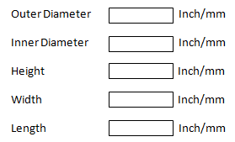
Product Group | Break down to xxxxx (to be provided later)

Material Attributes
M.Code (Id)
Material Name
Material Description
Material Price per unit

Attachment

