1. Title Page
[Instacart Basket Analysis]

Project Name: Instacart Basket Analysis
Date:8/2024
Analyst Name: Michael Harkness

Contents:
Population Flow
Consistency checks
Wrangling steps
Column derivations
Visualizations
Recommendations

2. Population Flow
Title page

Population flow

Exclusion flag
Condition: max_order < 5
Obervations to be removed: 2884
Final total count of order_products_all: 32401975

Orders_products_combined
Orders_products_merged
Orders_products_all

Total: 32,404,859
Total: 32,434,489
Total: 32,404,859

1.) The grey boxes in the first row of the population flow represent the original data sets as they were when you downloaded them. In the Total fields you need to add the count of the rows when you imported the data set into Jupyter.
2.) The second row of boxes (coloured) represents the data sets after you manipulated them, e.g., removed missing values and duplicates. In the Total fields you need to add the count of the rows after conducting these operations. This offers a visual oveview of how the data flows throughout the data consistency checks.
3.) The third row, where also the arrows are coloured, represents the merges you performed between the datasets. In the Total fields you need to add the count of the rows in the merged datasets, so that you end up with the final dataset (in the red box). Keep in mind the final dataset should be without exclusions (based on the exclusion flag).

3. Consistency checks
 |  |  |  | Title page
Consistency checks

Dataset | Missing values | Missing values treatment | Duplicates
orders | 206,209 in 'days_since_prior_order' | Do nothing | none
products | 16 missing values in 'product_name' | Removed for analysis | 5 duplicates - Deleted
orders_products_prior | none | none | none
customers | 11,259 in 'First Name' | none | none

4. Wrangling steps
 |  |  |  | Title page
Wrangling steps

Columns dropped | Columns renamed | Columns' type changed | Comment/Reason
eval_set' |  |  | Unnecessary information for analysis
 | orders_dow' changed to 'orders_day_of_week' |  | Clearer to read
 |  | Changed 'order_id' to string | Not an integer
 |  | Changed 'user_id' to string | Not an integer
 | Surnam' to "last_name' |  | Easier to read
 | STATE' to 'state' |  | Easier to read
 | n_dependents' to 'number_of_dependents' |  | Easier to read
 | fam_status' to 'family_status' |  | Easier to read
low_activity |  |  | Unnecessary information for analysis

*** Assigned null values to 5127 rows with price outliers. |  |  | Incorrect data

5. Column derivations
 |  |  |  | Title page

Column derivations and aggregations

In this tab you should add tables below that the frequences of flags/label variables that you produced after deriving them. NB: don't do this for continuous variables, only for flags.
Dataset | New column | Column/s it was derived from | Conditions
ords_prods_merge | price_range_loc | prices | prices' >20='High range" ; 'prices'<=20 & >5='Mid range' ; 'prices'<5='Low range'
ords_prods_merge | busiest_day | orders_day_of_week | if value == 0:result.append("Busiest day") elif value == 4: result.append("Least busy") else: result.append("Regularly busy")
ords_prods_merge | busiest_days | orders_day_of_week | if value == 0:result.append("Busiest day") elif value == 1: result.append("Second busiest day") elif value == 4: result.append("Slowest day") elif value == 3: result.append("Second slowest day") else: result.append("Regularly busy day")
ords_prods_merge | busiest_period_of_day | order_hour_of_day | most_orders_threshold = order_counts.quantile(0.67) fewest_orders_threshold = order_counts.quantile(0.33) if order_counts[hour] > most_orders_threshold: return 'Most orders' elif order_counts[hour] < fewest_orders_threshold: return 'Fewest orders' else: return 'Average orders'
ords_prods_merge | max_order | user_id, order_number | ords_prods_merge.groupby(['user_id'])['order_number'].transform(np.max)
ords_prods_merge | loyalty_flag | max_order | [ords_prods_merge['max_order'] > 40, 'loyalty_flag'] = 'Loyal customer' [(ords_prods_merge['max_order'] <= 40) & (ords_prods_merge['max_order'] > 10), 'loyalty_flag'] = 'Regular customer' [ords_prods_merge['max_order'] <= 10, 'loyalty_flag'] = 'New customer'
ords_prods_merge | spending_flag | user_avg_prices | user_avg_prices = ords_prods_merge.groupby('user_id')['prices'].mean().reset_index() user_avg_prices['spending_flag'] = user_avg_prices['prices'].apply(lambda x: 'Low spender' if x < 10 else 'High spender') ords_prods_merge = pd.merge(ords_prods_merge, user_avg_prices[['user_id', 'spending_flag']], on='user_id', how='left')
ords_prods_merge | order_frequency_flag | user_order_frequency | user_order_frequency = ords_prods_merge.groupby('user_id')['days_since_prior_order'].median().reset_index() def order_frequency_flag(median_days): if median_days > 20: return 'Non-frequent customer' elif median_days > 10: return 'Regular customer' else: return 'Frequent customer' user_order_frequency['order_frequency_flag'] = user_order_frequency['days_since_prior_order'].apply(order_frequency_flag) ords_prods_merge = pd.merge(ords_prods_merge, user_order_frequency[['user_id', 'order_frequency_flag']], on='user_id', how='left')
ords_prods_cust_merge | region | state | assigned states to regions with this list: https://simple.wikipedia.org/wiki/List_of_regions_of_the_United_States
ords_prods_merge | low_activity | user_id, order_number | df['user_id'].apply(lambda x: low_activity_flag[x])
filtered_df | age_group | age | def profile_age(row): if row['age'] < 18: return 'Under 18' elif row['age'] >= 18 and row['age'] <= 35: return '18-35' elif row['age'] > 35 and row['age'] <= 65: return '35-65' elif row['age'] > 65: return '65+'
filtered_df | income_group | income | def profile_income(row): if row['income'] < 50000: return 'A. Less than $50,000' elif row['income'] >= 50000 and row['income'] < 100000: return 'B. $50,000-100,000' elif row['income'] >= 100000 and row['income'] < 250000: return 'C. $100,000-250,000' elif row['income'] > 250000: return 'D. $250,000+'
filtered_df | family_size | number_of_dependents | def profile_family(row): if row['number_of_dependents'] == 0: return 'Single Person' elif row['number_of_dependents'] <= 2: return 'Small Family' elif row['number_of_dependents'] > 2: return 'Large Family'

6. Visualizations
Title page

Visualisations

In this tab you should include all the visualtions from Exercises 4.9 and 4.10, alongside the questions from the project brief that they answer. Include any commentary on the relationship between different variables.



0 : Saturday
1 : Sunday
2 : Monday
3 : Tuesday
4 : Wednesday
5: Thursday
6 : Friday
The busiest days of the week are Saturday and Sunday



The busiest hours of the day are 10 and 11 AM. These are the times of day with the highest spend. Overall, it is busiest from 9AM-4PM, with the least business from 1-4AM.

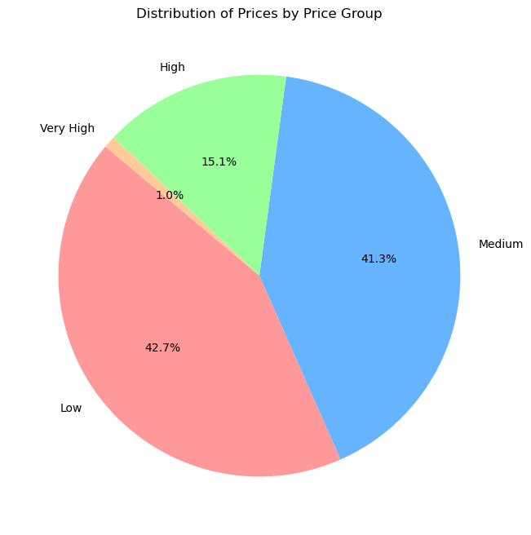

Low: $1-6
Medium: $6-12
High: $12-18
Very High: $18-25
The majority of prices are under $12. Very few High-end products.

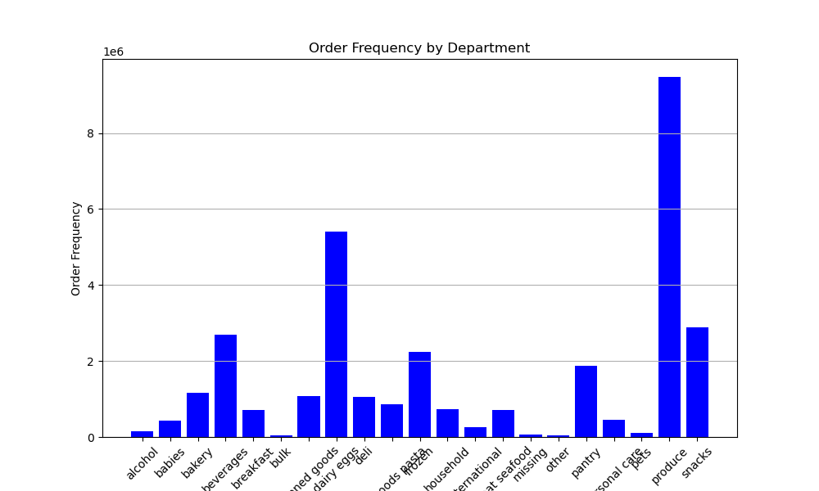

The most frequent orders are in the Produce department, followed by Canned Goods.

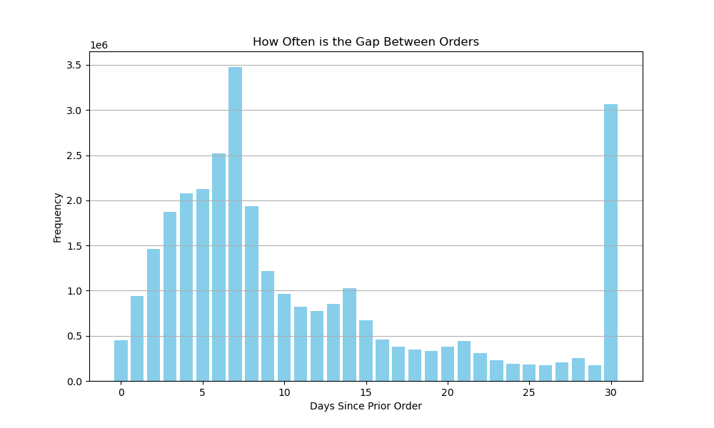

Most customers order once a week (every 7 days),
or once a month (every 30 days)


Frequency of orders by Loyalty

Loyal Customer = 40+ orders
Regular Customer = 10-40 orders
New Customer = 0-10 orders
Highest frequency among Regular Customers.

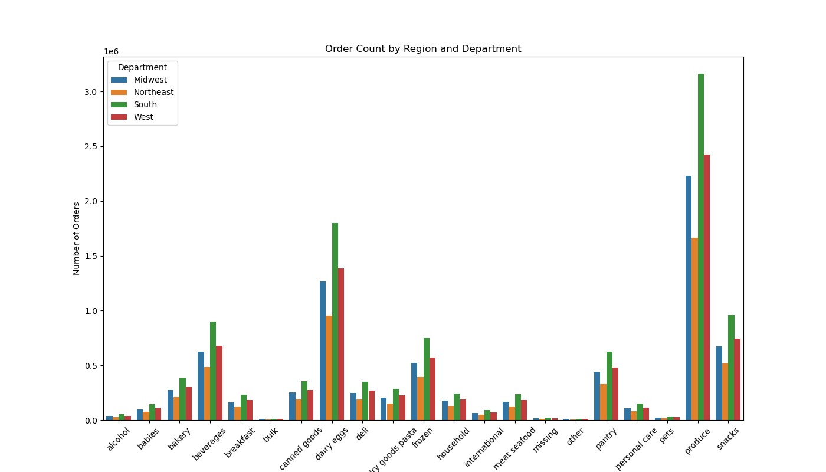

This shows the same distribution by department,
with Produce and Canned Goods being the most
popular. Also shows the South region as the highest
number of sales in all departments.

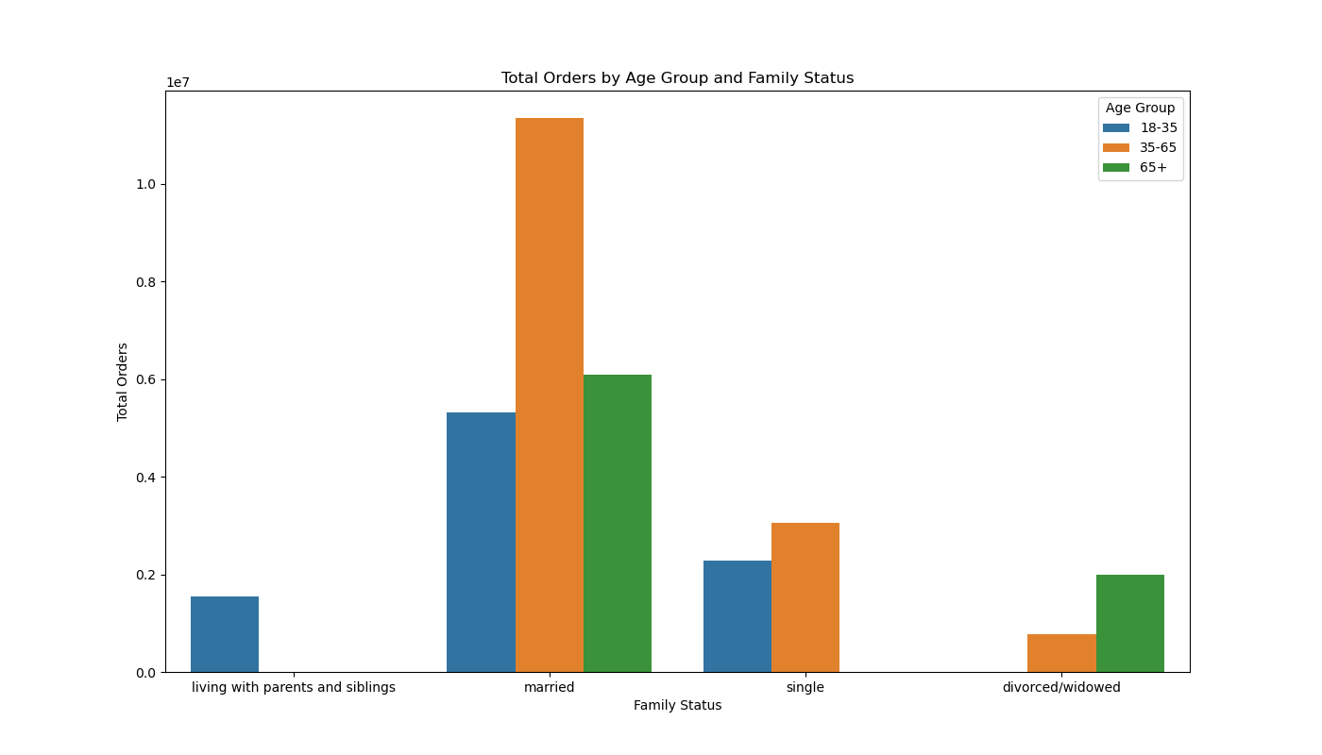

Most popular among married people, age 35-65.

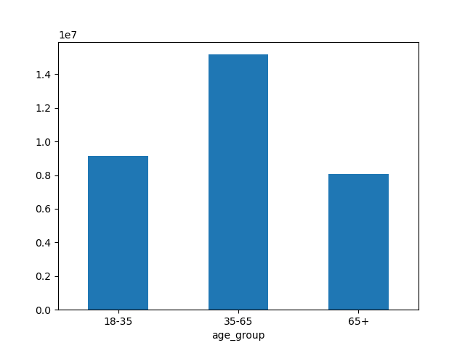
Order Counts by Age Group

Most orders in the 35-65 age group.

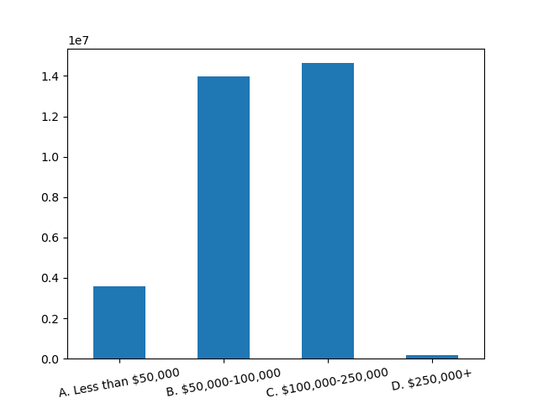
Order Counts by Income Group

Most popular among $100,00-250,000/year income.
Closely followed by $50,000-100,000.
Steep drop above and below.

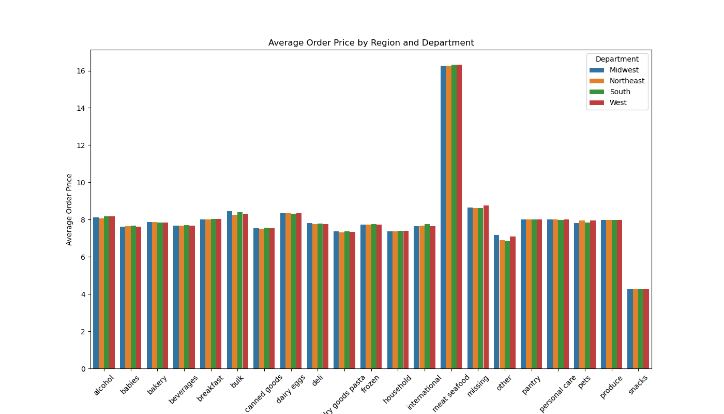

The department with the highest average order price is
Meat and Seafood by about double.
Snacks has the lowest average order price.

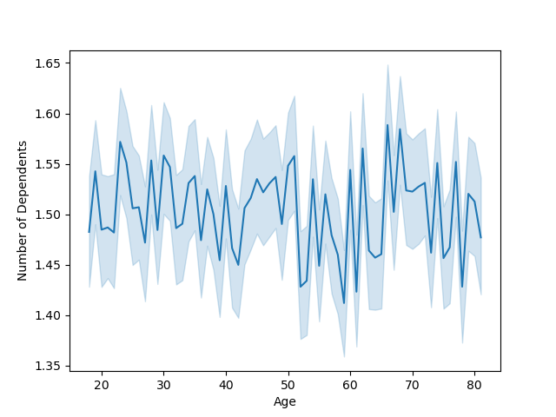
Number of Dependents by Age

No meaningful correlation between Age and Number of Dependents.

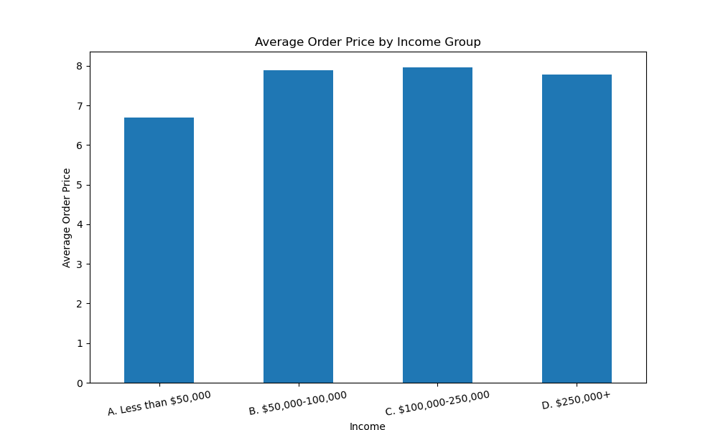

Not much difference in average order price after $50,000/year income.

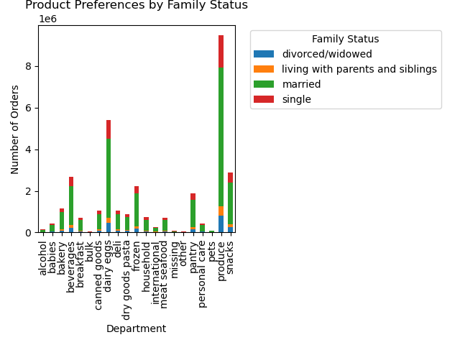

Produce, and Dairy and Eggs are the leading Departments, regardless of Family Status.

7. Recommendations
 |  | Title page

Recommendations

In this tab you should include any recommendations you would made to Instcart in terms of their marketing strategy based on the questions posed in the brief. Every key question has been covered in the Tasks of the Exercises - here you need to add an item - a visualisation or table/crosstable that is showing the answer in the data, acompanied by a comment from you. Please, list the questions below and add the answer underneath.

Question | Answer
What are the busiest days of the week? | The busiest days of the week are Saturday and Sunday
What are the busiest times of the day? | The busiest hours of the day are 10 and 11 AM. These are the times of day with the highest spend. Overall, it is busiest from 9AM-4PM, with the least business from 1-4AM.
What are the price tag ranges? | Price ranges include: Low: $1-6, Medium: $6-12, High: $12-18, Very High: $18-25 The majority of prices are under $12. Very few High-end products.
Are certain types of products more popular than others? | The most frequent orders are in the Produce department, followed by Canned Goods.
What is the distribution among users in regards to their brand loyalty? | Most customers order once a week (every 7 days), or once a month (every 30 days)
Are there differences in ordering habits based on a customer’s loyalty status? | Loyal Customer = 40+ orders Regular Customer = 10-40 orders New Customer = 0-10 orders Highest frequency among Regular Customers.
Are there differences in ordering habits based on a customer’s region? | This shows the same distribution by department, with Produce and Canned Goods being the most popular. Also shows the South region as the highest number of sales in all departments.
Is there a connection between age and family status in terms of ordering habits? | Married couples are the largest proportion of customers, especially in the 35-65 age group.
What different classifications does the demographic information suggest? Age? Income? Certain types of goods? Family status? | Most orders in the 35-65 age group. Most popular among $100,00-250,000/year income. Closely followed by $50,000-100,000. Steep drop above and below. Not much difference in average order price after $50,000/year income. No meaningful correlation between Age and Number of Dependents.

