CT MonsterNameCount
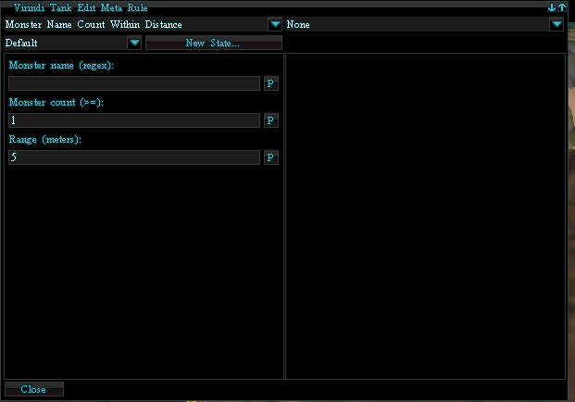
VTank | MiMB
1 | 1
CondAct | CondAct
5 | 5 | # of Columns
CType | CType | Column 1 Name |  |  | Questions to ask V
AType | AType | Column 2 Name |  |  | 1 | Are Columns ever indexed?
CData | CData | Column 3 Name |  |  | 2 | Are Columns 1 & 2 in a table always named K and V?
AData | AData | Column 4 Name
State | State | Column 5 Name
n | n | Column #1 indexed? (y/n)
n | n | Column #2 indexed? (y/n)
n | n | Column #3 indexed? (y/n)
n | n | Column #4 indexed? (y/n)
n | n | Column #5 indexed? (y/n)
1 | 1 | # Records
i | i | Ctype Var
13 | 13 | Ctype
i | i | Atype Var
0 | 0 | Atype Data
TABLE | TABLE | Table Name |  | This is Double Value Tables
2 | 2 | # Columns in Table |  | Should always be 2 for Double Values
k | k | Column 1 name |  | Always k
v | v | Column 2 Name |  | Always v
n | n | Column Indexed |  | For Double Values they are n = No
n | n | Column Indexed |  | For Double Values they are n = No
3 | 3 | #Records in Table |  | Should always be 2 for Double Values
s | s | Ctype Var | Rec 1 | Rec1 Var Appears to be always be a string.
n | n | Ctype Data |  | Think this "n" = Name of item
s | s | Cdata Var |  | Var is a String
MonsterName | MonsterName | Cdata Value |  | Value of String above
s | s | Ctype Var | Rec 2 | Rec2 Var Appears to be always be a string.
c | c | Ctype Data |  | Think c = Count of Item
i | i | Cdata Var |  | Count var = integer
10 | 10 | Cdata Value |  | Value of count
s | s | Ctype Var | Rec 3 | String
r | r | Ctype Data |  | r = Radius
d | d | Cdata Var |  | Var Type Decimal??
75 | 75 | Cdata Value |  | Value
i | i | Adata Type
0 | 0 | Adata Value
s | s | State Var
Default | Default | State Value

CT MonsterPriorityCountDist)
VTank | MiMB
1 | 1 |  |  |  |  |  | 1 | 1 | 1
CondAct | CondAct |  |  |  |  |  | CondAct | CondAct | CondAct
5 | 5 | # of Columns |  |  |  |  | 5 | 5 | 5
CType | CType | Column 1 Name |  |  | Questions to ask V |  | CType | CType | CType
AType | AType | Column 2 Name |  |  | 1 | Are Columns ever indexed? | AType | AType | AType
CData | CData | Column 3 Name |  |  | 2 | Are Columns 1 & 2 in a table always named K and V? | CData | CData | CData
AData | AData | Column 4 Name |  |  |  |  | AData | AData | AData
State | State | Column 5 Name |  |  |  |  | State | State | State
n | n | Column #1 indexed? (y/n) |  |  |  |  | n | n | n
n | n | Column #2 indexed? (y/n) |  |  |  |  | n | n | n
n | n | Column #3 indexed? (y/n) |  |  |  |  | n | n | n
n | n | Column #4 indexed? (y/n) |  |  |  |  | n | n | n
n | n | Column #5 indexed? (y/n) |  |  |  |  | n | n | n
1 | 1 | # Records |  |  |  |  | 1 | 1 | 1
i | i | Ctype Var |  |  |  |  | i | i | i
14 | 14 | Ctype |  |  |  |  | 3 | 3 | 3
i | i | Atype Var |  |  |  |  | i | i | i
0 | 0 | Atype Data |  |  |  |  | 0 | 0 | 0
TABLE | TABLE | Table Name |  | This is Double Value Tables |  |  | TABLE | TABLE | TABLE
2 | 2 | # Columns in Table |  | Should always be 2 for Double Values |  |  | 2 | 2 | 2
k | k | Column 1 name |  | Always k |  |  | K | K | K
v | v | Column 2 Name |  | Always v |  |  | V | V | V
n | n | Column Indexed |  | For Double Values they are n = No |  |  | n | n | n
n | n | Column Indexed |  | For Double Values they are n = No |  |  | n | n | n
3 | 3 | #Records in Table |  | Should always be 2 for Double Values |  |  | 1 | 1 | 1
s | s | Ctype Var | Rec 1 | Rec1 Var Appears to be always be a string. |  |  | i | i | i
p | p | Ctype Data |  | p=priority |  |  | 13 | 13 | 14
i | i | Cdata Var |  | Var is Integer |  |  | TABLE | TABLE | TABLE
-1 | -1 | Cdata Value |  | Value of String above |  |  | 2 | 2 | 2
s | s | Ctype Var | Rec 2 | Rec2 Var Appears to be always be a string. |  |  | k | k | k
c | c | Ctype Data |  | Think c = Count of Item |  |  | v | v | v
i | i | Cdata Var |  | Count var = integer |  |  | n | n | n
1 | 1 | Cdata Value |  | Value of count |  |  | n | n | n
s | s | Ctype Var | Rec 3 | String |  |  | 3 | 3 | 3
r | r | Ctype Data |  | r = Radius |  |  | s | s | s
d | d | Cdata Var |  | Var Type Decimal?? |  |  | n | n | p
5 | 5 | Cdata Value |  | Value |  |  | s | s | i
i | i | Adata Type |  |  |  |  | AnyMonster | AnyMonster | -1
0 | 0 | Adata Value |  |  |  |  | s | s | s
s | s | State Var |  |  |  |  | c | c | c
Default | Default | State Value |  |  |  |  | i | i | i
 |  |  |  |  |  |  | 1 | 1 | 1
 |  |  |  |  |  |  | s | s | s
 |  |  |  |  |  |  | r | r | r
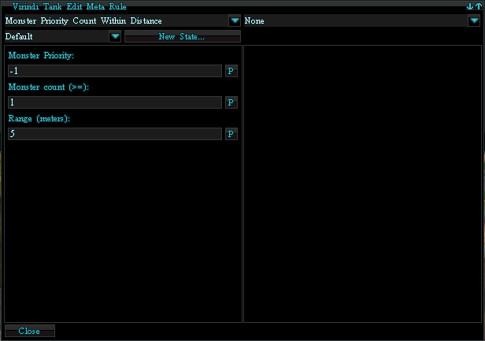
 |  |  |  |  |  |  | d | d | d
 |  |  |  |  |  |  | 5 | 5 | 5
 |  |  |  |  |  |  | i | i | i
 |  |  |  |  |  |  | 0 | 0 | 0
 |  |  |  |  |  |  | s | s | s
 |  |  |  |  |  |  | Default | Default | Default

CT NOT
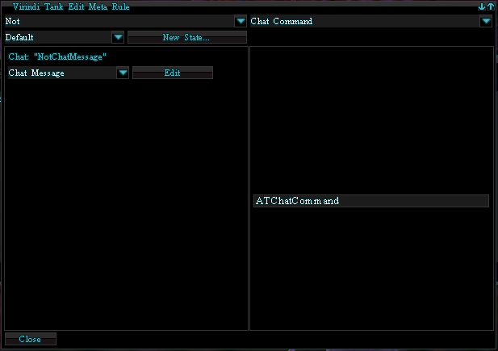
VTank | MiMB
1 | 1
CondAct | CondAct
5 | 5 | # of Columns
CType | CType | Column 1 Name |  |  | Questions to ask V
AType | AType | Column 2 Name |  |  | 1 | Are Columns ever indexed?
CData | CData | Column 3 Name |  |  | 2 | Are Columns 1 & 2 in a table always named K and V?
AData | AData | Column 4 Name
State | State | Column 5 Name
n | n | Column #1 indexed? (y/n)
n | n | Column #2 indexed? (y/n)
n | n | Column #3 indexed? (y/n)
n | n | Column #4 indexed? (y/n)
n | n | Column #5 indexed? (y/n)
1 | 1 | # Records
i | i | Ctype Var
21 | 21 | Ctype |  |  | Put Var in here if LE,GE, Chat Cap Then have if then after writing Atype Data
i | i | Atype Var
0 | 0 | Atype Data
TABLE | TABLE | Table Name |  | This is Double Value Tables
2 | 2 | # Columns in Table |  | Should always be 2 for Double Values
K | K | Column 1 name |  | Always k
V | V | Column 2 Name |  | Always v
n | n | Column Indexed |  | For Double Values they are n = No
n | n | Column Indexed |  | For Double Values they are n = No |  | Ctype Data
1 | 1 | #Records in Table |  | Should always be 2 for Double Values
i | i | Ctype Var | Rec 1 | Rec1 Var is Integer- For Enum Value of CT type
4 | 4 | Ctype Data |  | Enum CT Value
s | s | Cdata Var |  | Var is a String
Chat | Chat | Cdata Value |  | Value of String above
i | i | Adata Var
0 | 0 | Adata Value
s | s | State Var
Default | Default | State Value

CT LandBlock
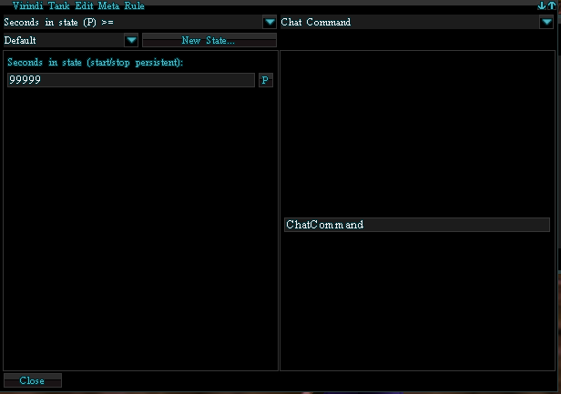
VTank | MiMB
1 | 1
CondAct | CondAct
5 | 5 | # of Columns
CType | CType | Column 1 Name |  | Questions to ask V
AType | AType | Column 2 Name |  | 1 | Are Columns ever indexed?
CData | CData | Column 3 Name |  | 2 | Are Columns 1 & 2 in a table always named K and V?
AData | AData | Column 4 Name
State | State | Column 5 Name
n | n | Column #1 indexed? (y/n)
n | n | Column #2 indexed? (y/n)
n | n | Column #3 indexed? (y/n)
n | n | Column #4 indexed? (y/n)
n | n | Column #5 indexed? (y/n)
1 | 1 | # Records
i | i | Ctype Var
17 | 17 | Ctype |  | Put Var in here if LE,GE, Chat Cap Then have if then after writing Atype Data
i | i | Atype Var
2 | 2 | Atype Data
i | s | Cdata Var
0 | 0 | Cdata Value
s | s | Adata Var
Chat | Chat | Adata Value
s | s | State Var
Default | Default | State Value

 |  |  | Rec 1 |  | Ctype Data

 |  |  | Rec 2

AT WatchDog Set
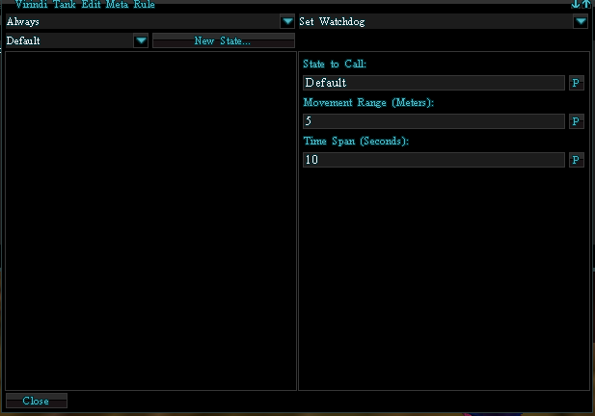
VTank | MiMB
1 | 1
CondAct | CondAct
5 | 5 | # of Columns
CType | CType | Column 1 Name |  |  | Questions to ask V
AType | AType | Column 2 Name |  |  | 1 | Are Columns ever indexed?
CData | CData | Column 3 Name |  |  | 2 | Are Columns 1 & 2 in a table always named K and V?
AData | AData | Column 4 Name
State | State | Column 5 Name
n | n | Column #1 indexed? (y/n)
n | n | Column #2 indexed? (y/n)
n | n | Column #3 indexed? (y/n)
n | n | Column #4 indexed? (y/n)
n | n | Column #5 indexed? (y/n)
1 | 2 | # Records
i | i | Ctype Var
1 | 1 | Ctype |  |  | Put Var in here if LE,GE, Chat Cap Then have if then after writing Atype Data
i | i | Atype Var
9 | 9 | Atype Data
i | i | Cdata Var
0 | 0 | Cdata Data
TABLE | TABLE | Table Name |  | This is Double Value Tables
2 | 2 | # Columns in Table |  | Should always be 2 for Double Values
k | k | Column 1 name |  | Always k
v | v | Column 2 Name |  | Always v
n | n | Column Indexed |  | For Double Values they are n = No
n | n | Column Indexed |  | For Double Values they are n = No
3 | 3 | #Records in Table |  | Should always be 2 for Double Values
s | s | Atype Var | Rec 1 | Rec1 Var Appears to be always be a string.
s | s | Atype Data |  | Think this "s" = stopwatch
s | s | Adata Var |  | Var is a String |  | Adata
Default | Default | Adata Value |  | Value of String above |  |  | Atype Var
s | s | Atype Var | Rec 2 | Rec2 Var Appears to be always be a string. |  |  | Atype Data
r | r | Atype Data |  | Think r = range??.. Not sure yet |  |  | Adata Var
d | d | Adata Var |  | Var = decimal |  |  | Adata Value
5 | 5 | Adata Value |  | Var value |  |  | Atype Var
s | s | Atye Var | Rec 3 | String |  |  | Atype Data
t | t | Atype Data |  | t= Time |  |  | Adata Var
d | d | Adata Var |  | Decimal |  |  | Adata Value
10 | 10 | Adata Value |  | 10 secs |  |  | State Var
s | s | State Var |  |  |  |  | State Value
Default | Default | State Value

AT Call State
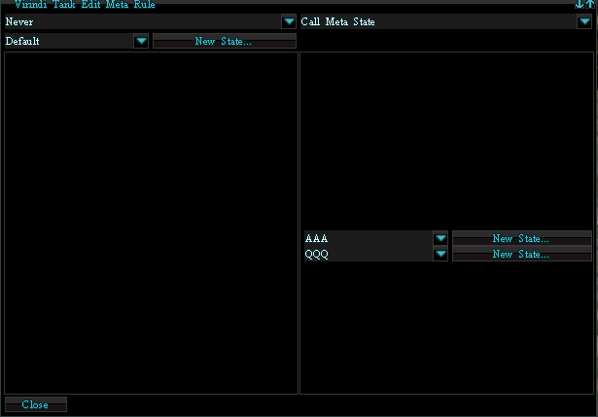
VTank | MiMB
1 | 1
CondAct | CondAct
5 | 5 | # of Columns
CType | CType | Column 1 Name |  |  |  | Questions to ask V
AType | AType | Column 2 Name |  |  |  | 1 | Are Columns ever indexed?
CData | CData | Column 3 Name |  |  |  | 2 | Are Columns 1 & 2 in a table always named K and V?
AData | AData | Column 4 Name
State | State | Column 5 Name
n | n | Column #1 indexed? (y/n)
n | n | Column #2 indexed? (y/n)
n | n | Column #3 indexed? (y/n)
n | n | Column #4 indexed? (y/n)
n | n | Column #5 indexed? (y/n)
1 | 1 | # Records
i | i | Ctype Var | i
0 | 0 | Ctype | 1 |  |  | Put Var in here if LE,GE, Chat Cap Then have if then after writing Atype Data
i | i | Atype Var | i
5 | 5 | Atype Data | 5
i | i | Cdata Var | i
0 | 0 | Cdata Data | 0
TABLE | TABLE | Table Name | TABLE | This is Double Value Tables
2 | 2 | # Columns in Table | 2 | Should always be 2 for Double Values
k | k | Column 1 name | k | Always k
v | v | Column 2 Name | v | Always v
n | n | Column Indexed | n | For Double Values they are n = No
n | n | Column Indexed | n | For Double Values they are n = No
2 | 2 | #Records in Table | 2 | Should always be 2 for Double Values
s | s | Atype Var | s | Rec1 Var Appears to be always be a string. |  |  |  | Adata
st | st | Atype Data | o | Think this "st" = State | Ignored?
s | s | Adata Var | s | Var is a String
AAA | AAA | Adata Value | View | Value of String above
s | s | Atype Var | s | Rec2 Var Appears to be always be a string.
ret | ret | Atype Data | v | Think "ret" = Return | Ignored?
s | s | Adata Var | s | Var = String -
QQQ | QQQ | Adata Value | Default | Var value
s | s | State Var | s
Default | Default | State Value | Default

