Sheet1
Model
Decision Tree | 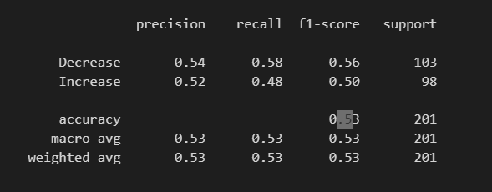
Bernoulli NB | 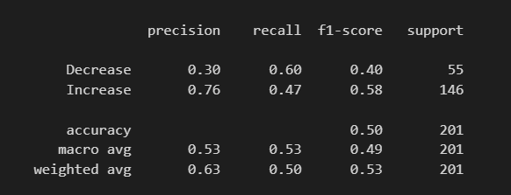
Logistic Regression | 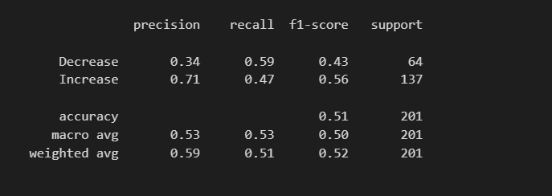
LinearDiscriminantAnalysis | 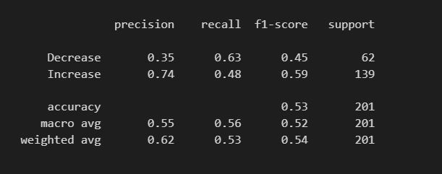
SVM Classification | 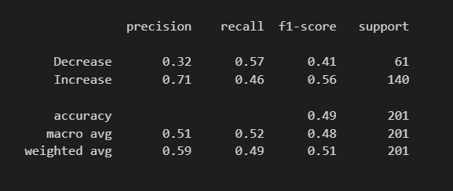
SGDClassifier | 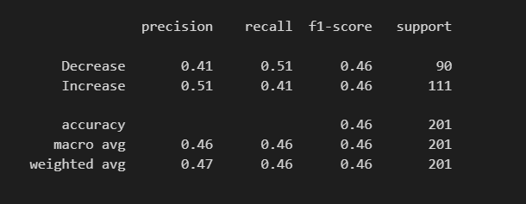
KNeighborsClassifier | 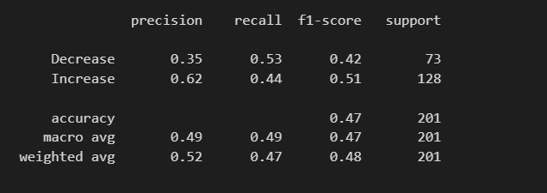
GaussianProcessClassifier | 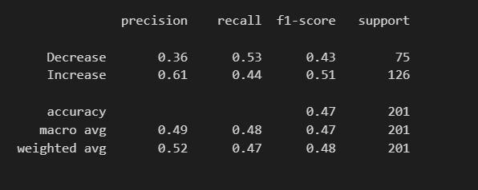
RandomForestClassifier | 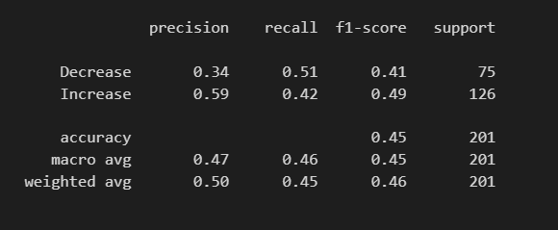

Ensemble
clf1 = DecisionTreeClassifier(criterion='entropy',max_depth=None) clf2 = BernoulliNB() clf3 = LogisticRegression() clf4 = LinearDiscriminantAnalysis() clf5 = SVC() clf6 = SGDClassifier(loss="hinge", penalty="l2", max_iter=100) clf7 = KNeighborsClassifier(n_neighbors=9) clf8 = GaussianProcessClassifier() clf9 = RandomForestClassifier(n_estimators=100) clf10 = AdaBoostClassifier() clf11 = GradientBoostingClassifier() clf12 = XGBClassifier() | 