SHEET01
Test Case Quality Assurance

No. Test Case | Environment | Check Items | Issue Case | Screenshot | Comment
1 | Desktop | Header Banner | Image still not link in everywhere
2 | Desktop | Button 'Shop Now' in Slider Banner | Still not correct direct link |  | It should be link to product page which related with image not direct to prestashop website.
3 | Desktop | Link Side Banner | Still not correct direct link |  | It should be link to page which related with image not direct to prestashop website.
4 | Desktop | Image Content Side Banner | Still not correct direct link |  | It should be link to page which related with image not direct to prestashop website.
5 | Desktop | Button/Icon Follow Us on Facebook | Cannot see button/icon Follow Us on Facebook | 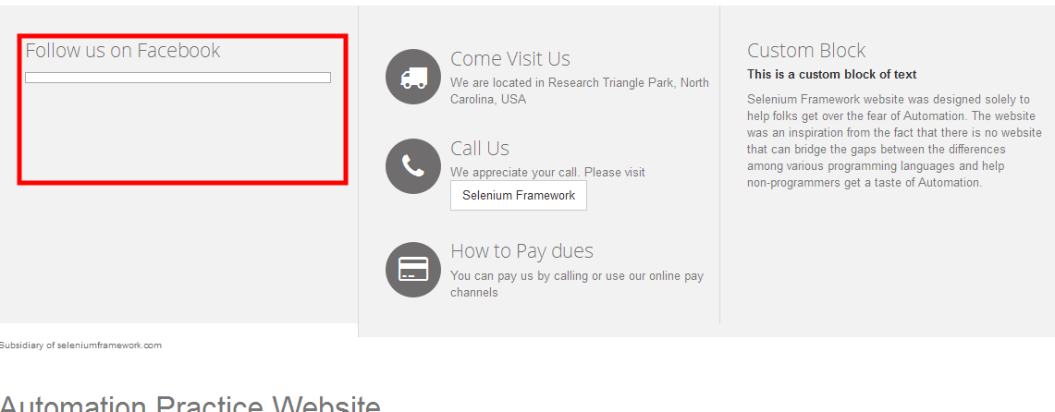
6 | Desktop | 3 Icon on Homepage | Icon telepohone and Content description call us not related |  | The description should be show with number phone not button slenium framework
7 | Desktop | Newsletter | message "Please enter your email address" when it leave blank not appear |  | By leaving blank and click row button it will direct to search page and have message "Please enter your email address"
8 | Responsive 320x480 | Header Banner | Too small | 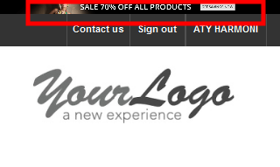 | User cannot see header banner
9 | Responsive 320x481 | Slider Banner | Content text still not responsive and button shop now dissapear

