Summary
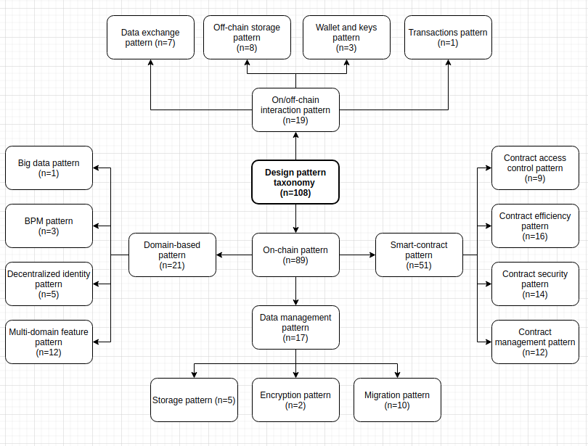
Summary

Papers
Number of papers: | 39
Number of papers from snowballing: | 7
Number of accepted papers: | 25

Patterns
Number of patterns: | 213
Number of unique patterns: | 127

Pattern classification scheme:

