Summary
Summary
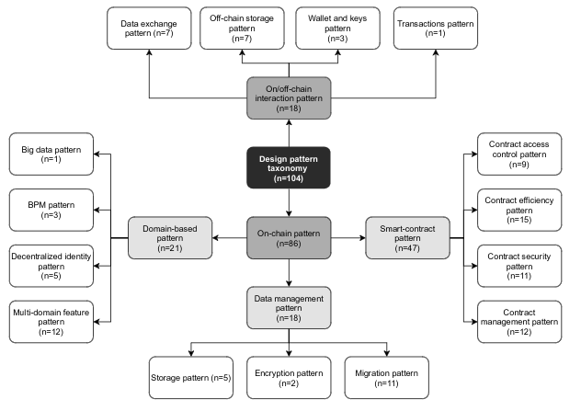
Papers
Number of papers: | 55
Number of papers from snowballing: | #REF!
Number of accepted papers: | #REF!

Patterns
Number of patterns: | 160
Number of unique patterns: | 120

Pattern classification scheme:

