BPOD
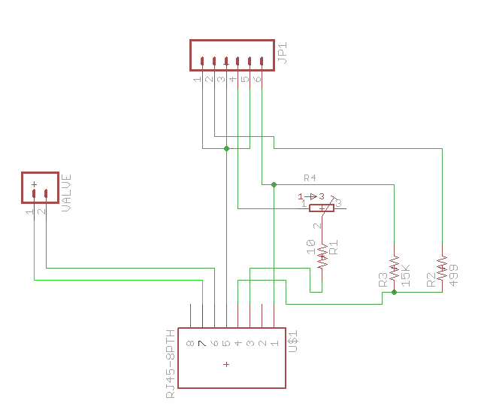
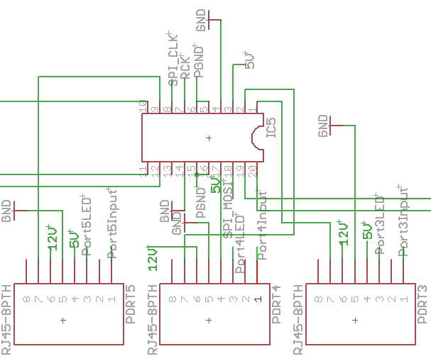

1 | In
2 | -
3 | LED
4 | 5V
5 | GND
6 | 12V
7 | RTN VALVE
8 | -

HWP
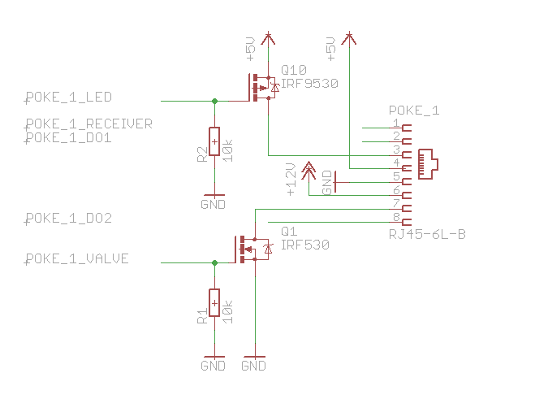
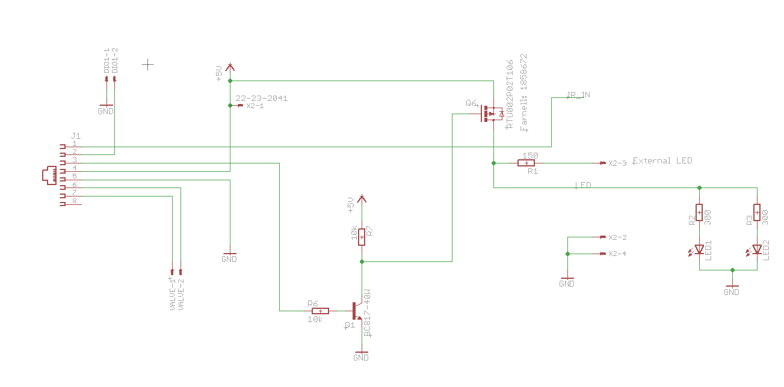

1 | In
2 | DIO
3 | LED
4 | 5V
5 | GND
6 | 12V
7 | RTN VALVE
8 | -

