Sheet1
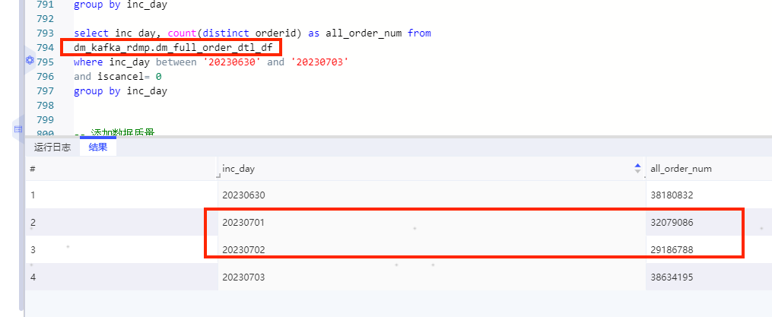
1、查询oms订单打点表 |  |  |  | 3、查询24点数据-总订单数
日期 | 线上版本 | 航空件调整后
 | 航空订单量 | 航空订单量 |  | select inc_day ,sum(all_order_num) as all_order_num ,sum(air_order_num) as air_order_num from dm_ordi_predict.dws_cityflow_dynamic_order_hi_backup20230620 where inc_day between '20230630' and '20230703' and substr(inc_dayhour,9,2) = '24' group by inc_day
20230625 | 34151513
20230626 | 37599149
20230627 | 36815851
20230628 | 35797451
20230629 | 34069599
20230630 | 32427412 | 18505224 | 13922188
20230701 | 5039875 | 4152432 | 887443
20230702 | 20331000 | 11917210 | 8413790
20230703 | 33811824 | 18371483 | 15440341
20230704 | 33642268
20230705 | 33653992
20230706 | 32408389
20230707 | 31163149

2、查看上游全量订单表

