Sheet1
一、替换规则 concat(case when split(cityflow,'-')[0] in ('410','413') then '024' when split(cityflow,'-')[0] = '910' then '029' when split(cityflow,'-')[0] = '731' then '7311' when split(cityflow,'-')[0] = '733' then '7313' when split(cityflow,'-')[0] = '899' then '8981' when split(cityflow,'-')[0] = '732' then '7312' when split(cityflow,'-')[0] = '888' then '088' else split(cityflow,'-')[0] end ,'-',case when split(cityflow,'-')[1] in ('410','413') then '024' when split(cityflow,'-')[1] = '910' then '029' when split(cityflow,'-')[1] = '731' then '7311' when split(cityflow,'-')[1] = '733' then '7313' when split(cityflow,'-')[1] = '899' then '8981' when split(cityflow,'-')[1] = '732' then '7312' when split(cityflow,'-')[1] = '888' then '088' else split(cityflow,'-')[1] end) as cityflow,

二、流向底表替换前后数据验证 原表：dm_ordi_predict.dws_static_cityflow_base 临时表：dm_ordi_predict.dws_static_cityflow_base_backup20230612
统计周期 （年） | 替换前 |  |  | 替换后
 | count(1) | sum(all_waybill_num) | sum(all_quantity) | count(1) | sum(all_waybill_num) | sum(all_quantity)
2018 | 111307265 | 3761344211 | 4067181595 | 111307207 | 3761344211 | 4067181595
2019 | 138658341 | 4659991375 | 5134778000 | 138657886 | 4659991375 | 5134778000
2020 | 184850644 | 7592542593 | 8185236247 | 184850366 | 7592542593 | 8185236247
2021 | 194987247 | 9349988017 | 9889216650 | 194987239 | 9349988017 | 9889216650
2022 | 190099963 | 9416949332 | 9916094873 | 190099871 | 9416949332 | 9916094873
2023 | 93745589 | 4606004224 | 4824338580 | 93745581 | 4606004224 | 4824338580

统计周期 （年） | 差异值
 | count(1) | sum(all_waybill_num) | sum(all_quantity)
2018 | 58 | 0 | 0
2019 | 455 | 0 | 0
2020 | 278 | 0 | 0
2021 | 8 | 0 | 0
2022 | 92 | 0 | 0
2023 | 8 | 0 | 0
结论：1、city_code替换前后，票量&件量统计保持一致。 2、前后行数差异，因city_code替换后，分组计算导致行数減少，故存在差异，已验证。

三、流向底表替换前后数据验证（20230627版本） 原表：dm_ordi_predict.dws_static_cityflow_base 临时表：dm_ordi_predict.dws_static_cityflow_base_backup20230612

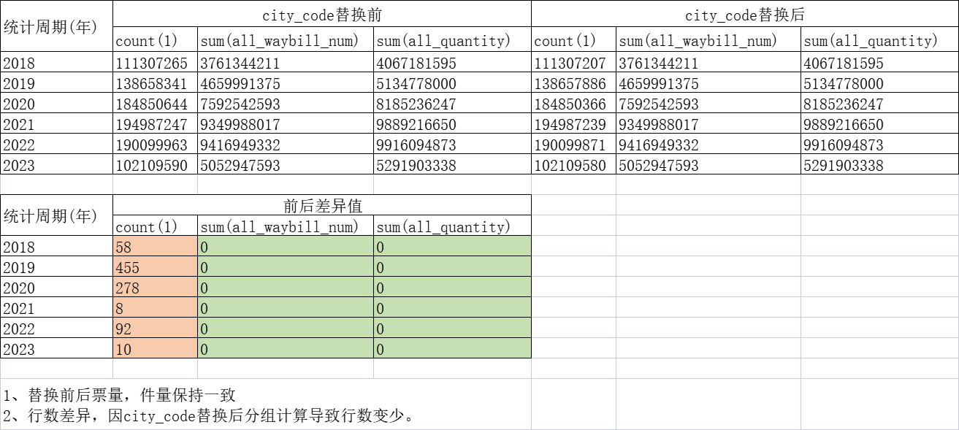

select substr(inc_day,1,4) as year
,count(1)
,sum(all_waybill_num) as his_all_waybill_num,
sum(all_quantity) as all_quantity
from dm_ordi_predict.dws_static_his_cityflow_backup20230612
group by substr(inc_day,1,4)

1037029
select
substr(inc_day,1,4) as year
,count(1)
,sum(all_waybill_num) as all_waybill_num,
sum(all_quantity) as all_quantity
from dm_ordi_predict.dws_static_cityflow_base_backup20230612
group by substr(inc_day,1,4)

