YOLO Results
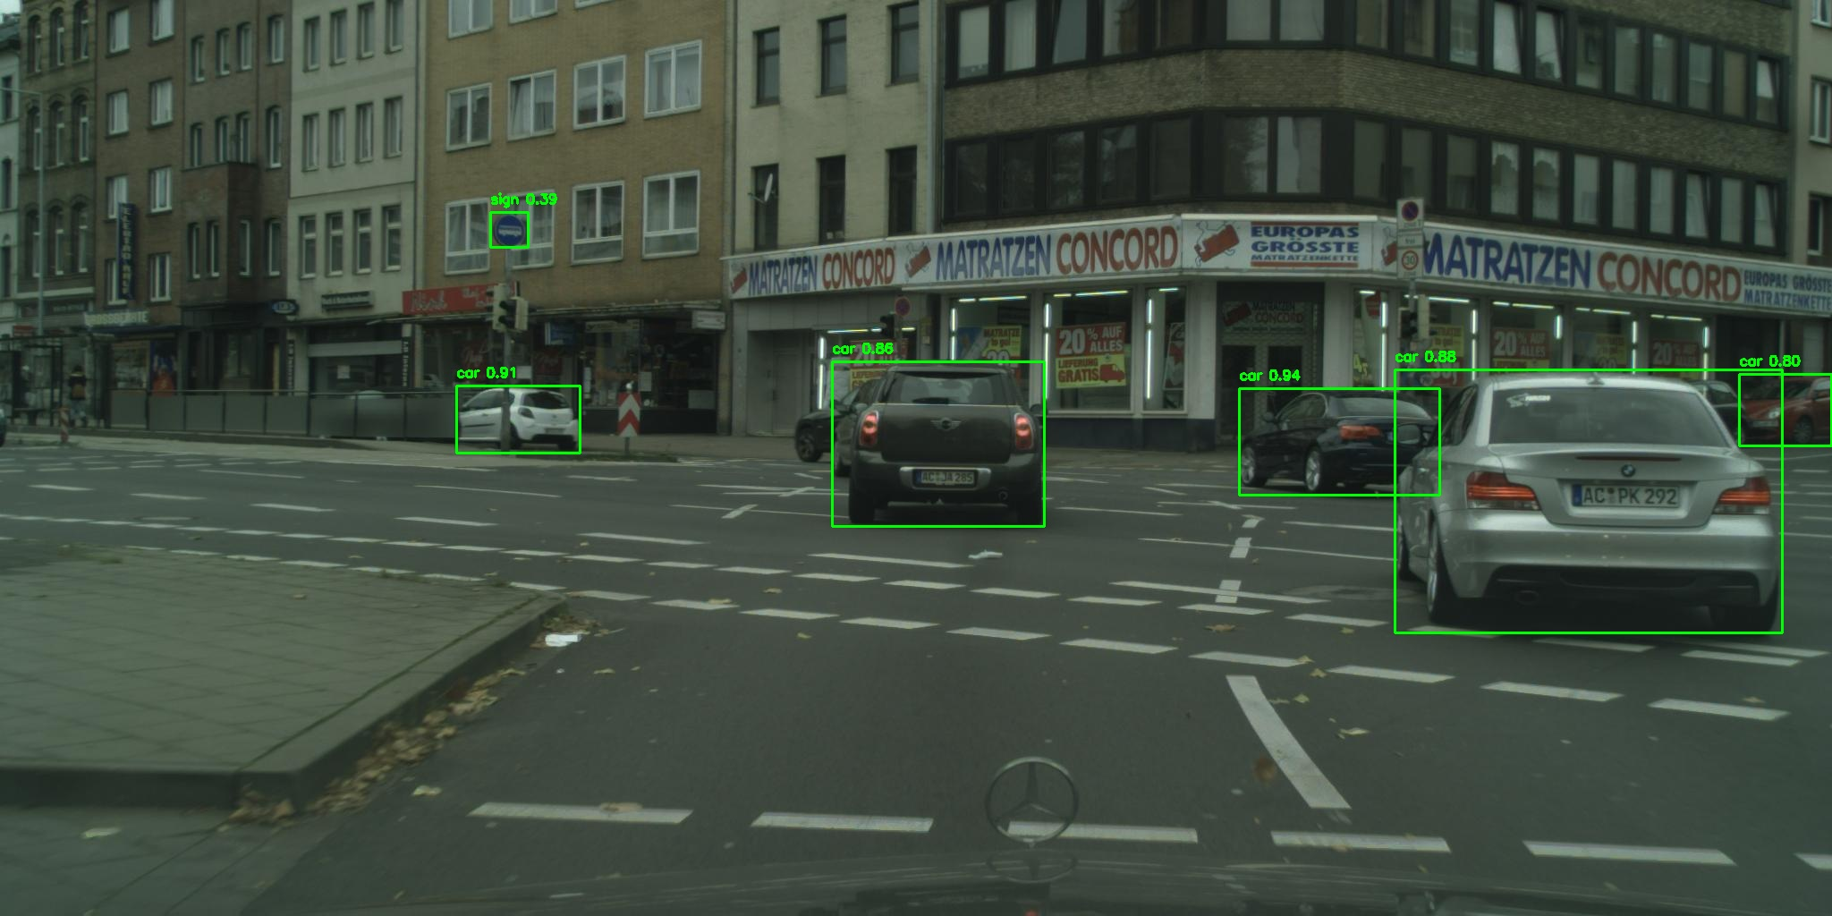 | Filename | Test/aachen_000003_000019_leftImg8bit_png.rf.9a94ff8d904f7aa8419fd903a3b2380a.jpg
 | Label | Confidence
 | car | 0.9444
 | car | 0.9075
 | car | 0.8771
 | car | 0.8644
 | car | 0.7996
 | sign | 0.3863

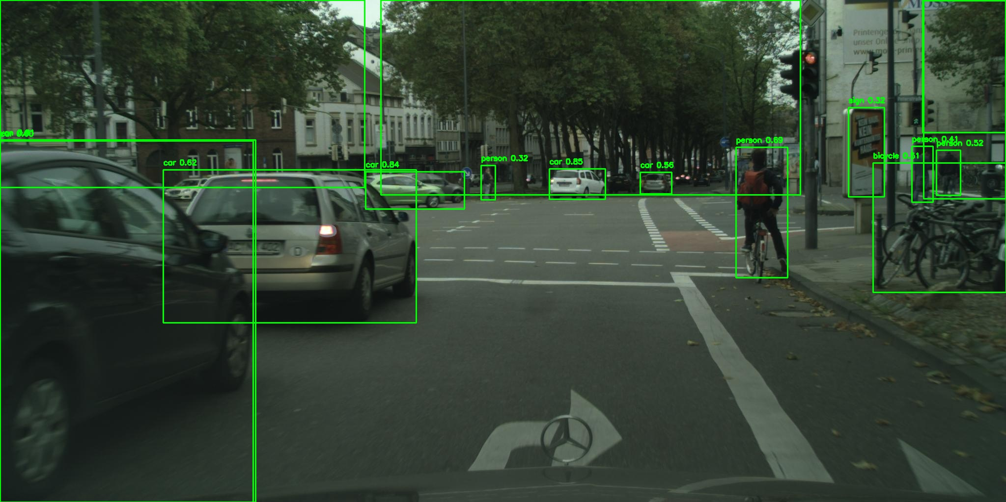 | Filename | Test/aachen_000010_000019_leftImg8bit_png.rf.0cf7845c26d767111ec9c660c2035aa7.jpg
 | Label | Confidence
 | car | 0.8547
 | car | 0.843
 | tree | 0.8018
 | tree | 0.7959
 | person | 0.6886
 | car | 0.6208
 | van | 0.6069
 | car | 0.5966
 | car | 0.562
 | person | 0.5248
 | bicycle | 0.5103
 | tree | 0.5015
 | person | 0.4097
 | person | 0.3165
 | sign | 0.3157
 | tree | 0.2977

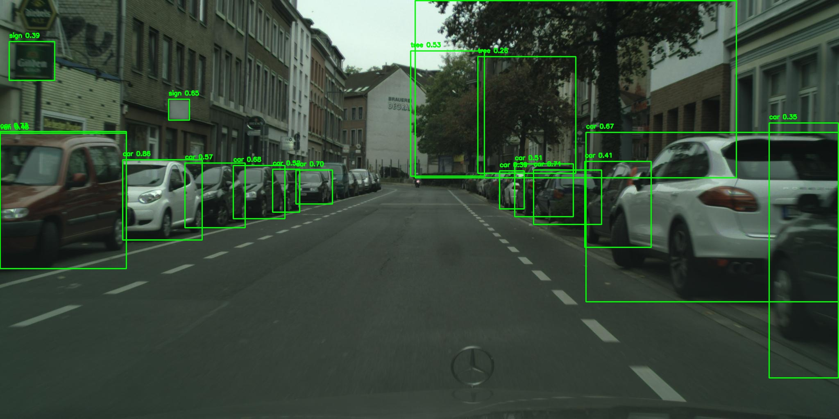 | Filename | Test/aachen_000034_000019_leftImg8bit_png.rf.c2a1a374ee6a3d2eb78ed38b2608b7a7.jpg
 | Label | Confidence
 | car | 0.8629
 | tree | 0.8328
 | car | 0.7334
 | car | 0.7107
 | car | 0.6962
 | car | 0.684
 | car | 0.675
 | sign | 0.6515
 | car | 0.5665
 | tree | 0.526
 | car | 0.5192
 | car | 0.5107
 | van | 0.4549
 | car | 0.4148
 | car | 0.3942
 | sign | 0.3911
 | car | 0.3453
 | tree | 0.256

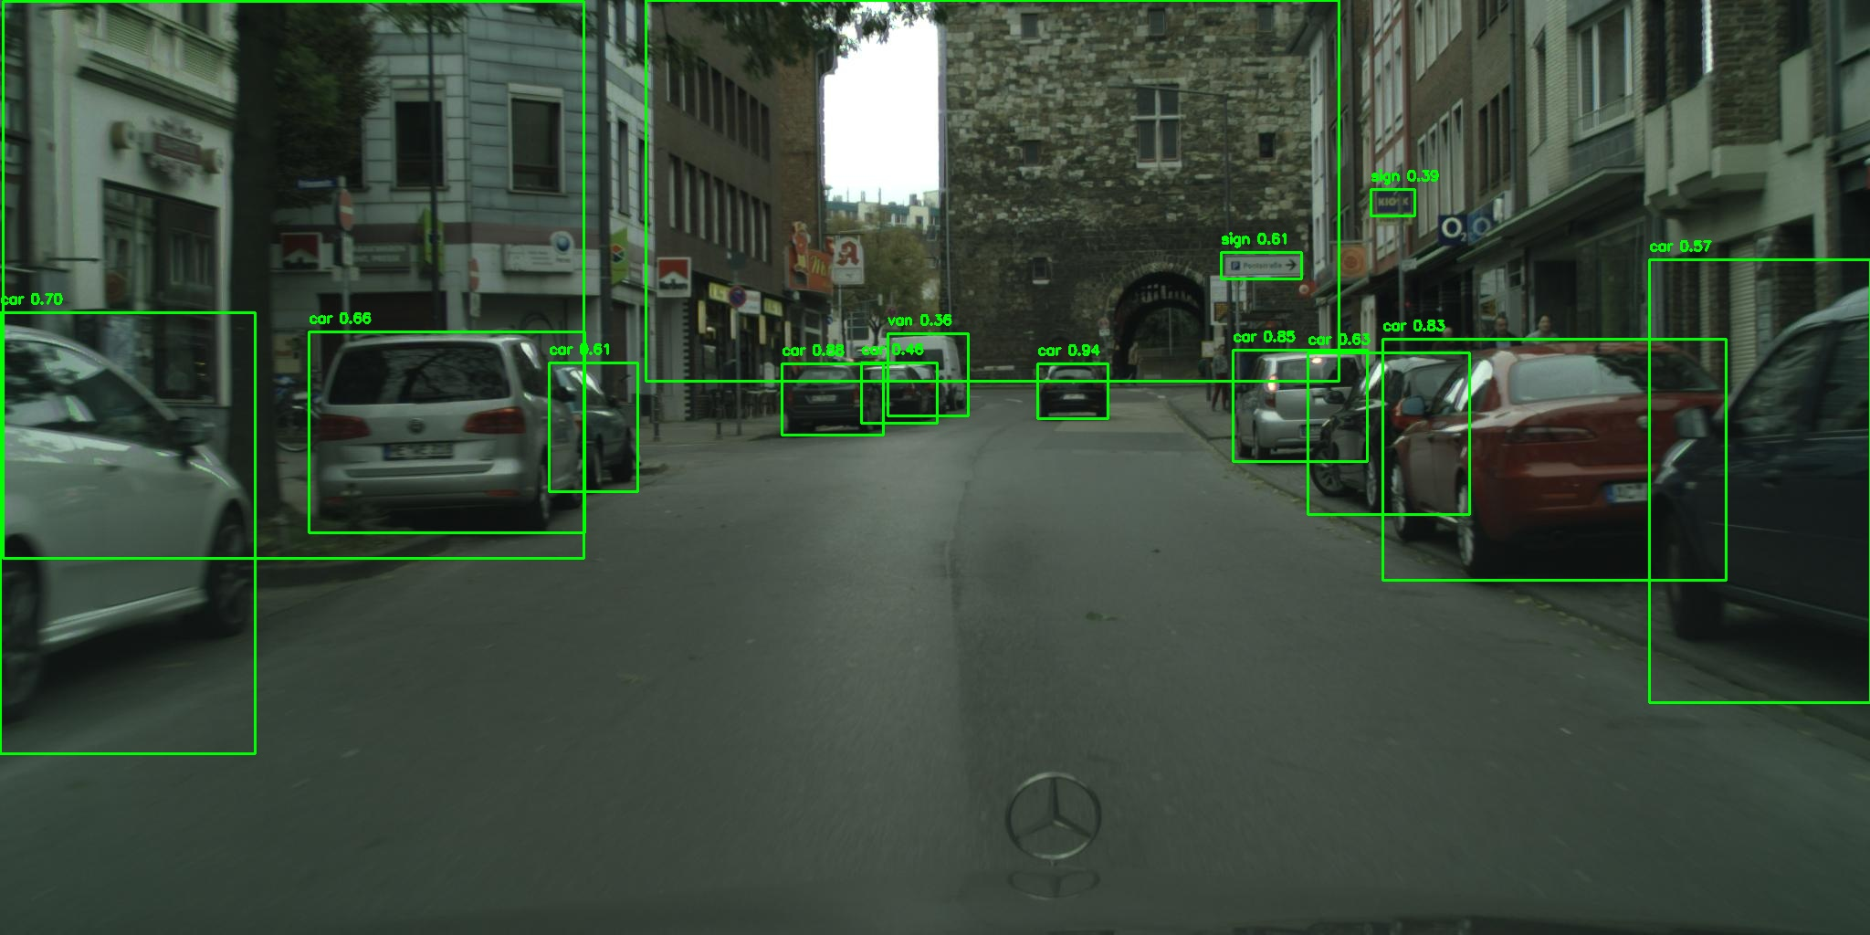 | Filename | Test/aachen_000050_000019_leftImg8bit_png.rf.211cdec7fcc452d15b7f645af229ae3c.jpg
 | Label | Confidence
 | car | 0.9395
 | car | 0.8794
 | car | 0.8476
 | car | 0.828
 | car | 0.6987
 | car | 0.6626
 | car | 0.6313
 | sign | 0.6118
 | car | 0.6068
 | car | 0.5695
 | car | 0.462
 | sign | 0.3913
 | van | 0.362
 | tree | 0.3047
 | tree | 0.2957

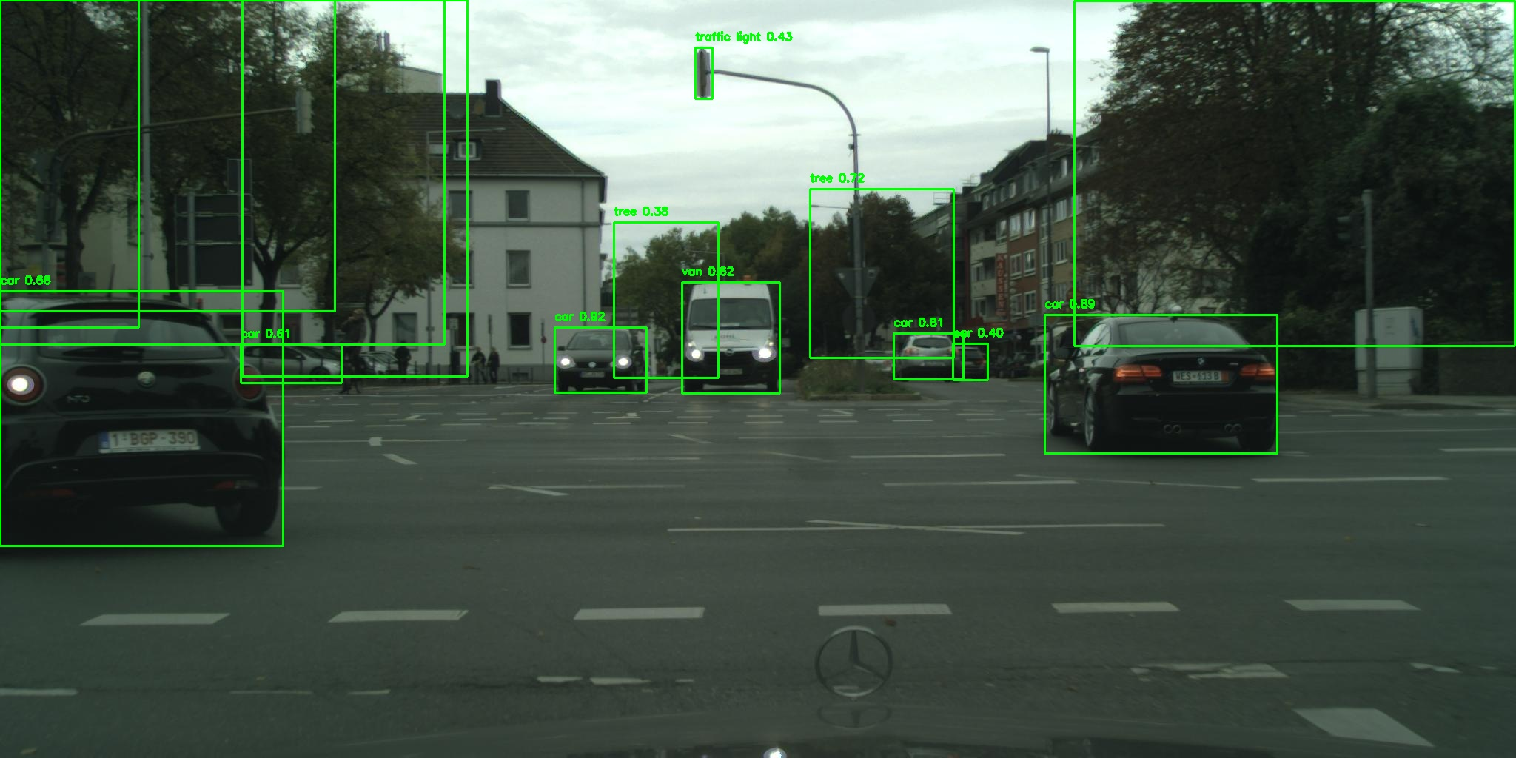 | Filename | Test/aachen_000052_000019_leftImg8bit_png.rf.d1616fbe07476fdf26b5fa8ced20fa47.jpg
 | Label | Confidence
 | car | 0.9226
 | car | 0.8896
 | tree | 0.8169
 | car | 0.8148
 | tree | 0.7173
 | car | 0.6629
 | van | 0.6176
 | car | 0.6079
 | tree | 0.5052
 | tree | 0.4494
 | traffic light | 0.4268
 | car | 0.4046
 | tree | 0.4034
 | tree | 0.3761
 | tree | 0.283

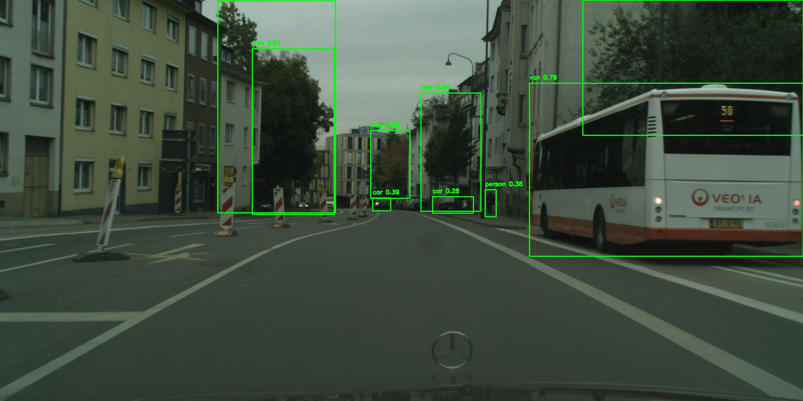 | Filename | Test/aachen_000062_000019_leftImg8bit_png.rf.32e86919f27aa2a1565dbdd858d3af95.jpg
 | Label | Confidence
 | tree | 0.8113
 | van | 0.7932
 | tree | 0.6394
 | tree | 0.3877
 | car | 0.3872
 | person | 0.3812
 | tree | 0.3595
 | tree | 0.3278
 | car | 0.277

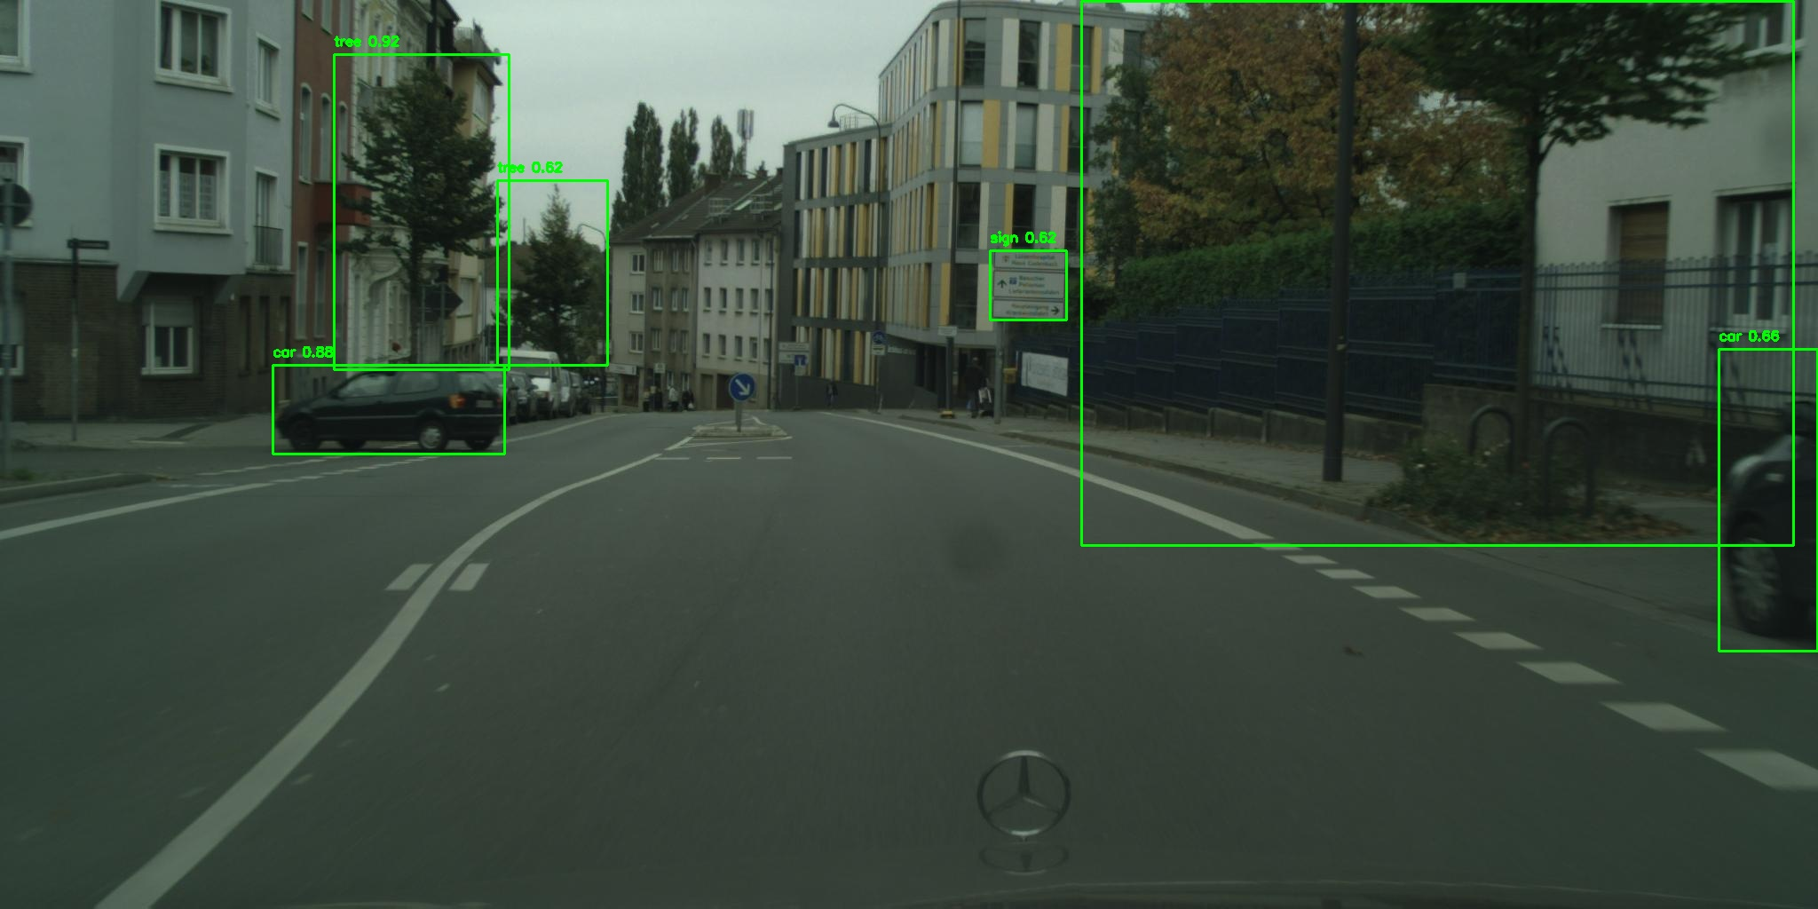 | Filename | Test/aachen_000063_000019_leftImg8bit_png.rf.93e16e8b02f5ac7a4ac0a88d9afac9a1.jpg
 | Label | Confidence
 | tree | 0.9232
 | car | 0.8807
 | car | 0.6572
 | tree | 0.623
 | sign | 0.622
 | tree | 0.4508

