Sheet1
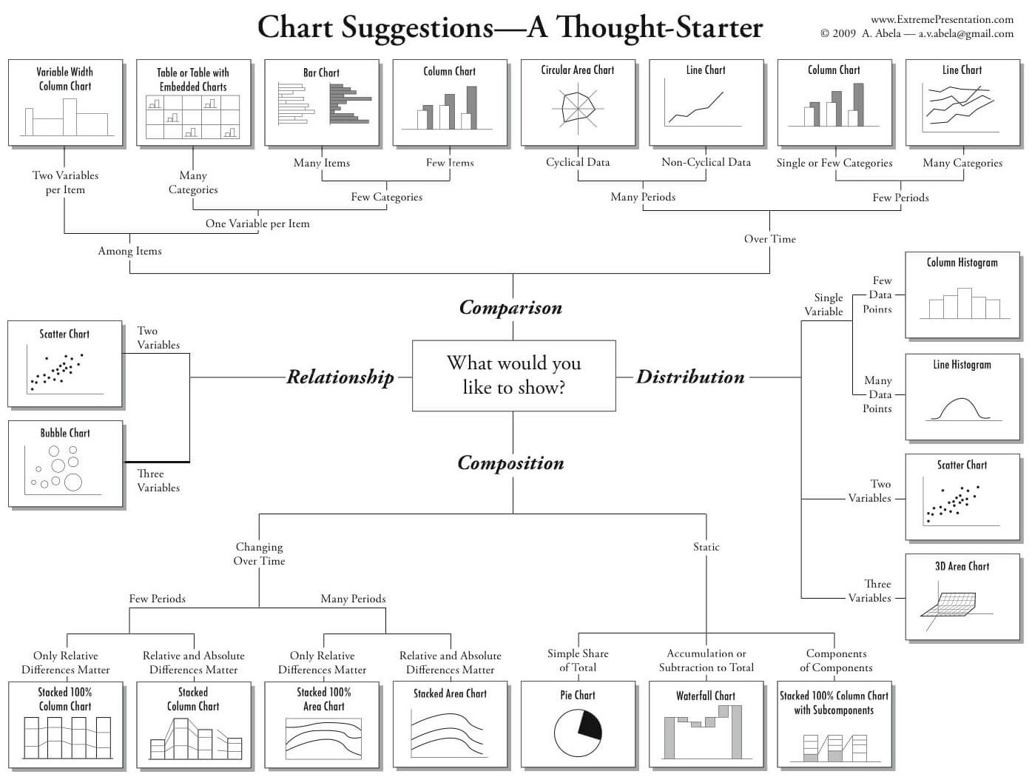
Data Attribute Types | You can assess (what do you use it for, traits) | Graph | Goals and Data | Graph Patterns | Definition
Quantitative Data | observed qualities. Most analysis is in proportions of discrete observations. | Scatterplots | Show distribution trends and relationship between two continuous variables; linear/logarithmic/semilog? Direct or inverse? Useful for very large data sets where pattern is not easily found | Central Tendency | where the 'meat' or 'middle' of the data is; mean, median and mode together describe it
Discrete / Attribute | non-negative integers with finite number of values which cannot be divided into smaller increments, usually based on counts of attributes | Time Series / Line Graph | Show how a dependent variable changes over time, reveals trends and can compare multiple groups | Variability / Spread | how spread out the data is; two graphs with the same mean can have very different variabilities; use range and IQR, and for distance from the mean we look at the sum of squares, variance, and standard deviation
Continuous / Numeric | Infinite number of values between two points. Spread, center, skew etc; show differences in intervals and ratios; usually float data points | Histogram | distribution of continuous data as discrete 'bins', can easily show a large amount of information, can easily determine mode of a data set | Skew | how asymmetrical data is; points towards the 'tail' of the data (right/positive, left/negative, or normal distribution/bell curve). -/+ refers to whether the mean is lower (-) than the median or higher (+) because it follows the tail while the median is unaffected by outliers
Interval Scales | distance between two points is meaningful, zero is often in the middle (i.e temperature) | Boxplots | cleanly display important distribution statistics (range, median, quartiles, IQR, outliers), aka 'box and whisker diagrams', useful for comparing multiple datasets or plots | Uniformity | How much the values of different data points differ; more equal/flat/no peaks = more uniform
Ratio Scales | intervals are still meaningful, but the scale is based on a true zero (i.e. weight( | Individual Value Plots | useful for small data sets (<50), show each data point with a y-value but slightly spread in discrete bins on x-axis | Outliers | values that are unusual in our data set; can bias results if they don't represent the population, but only remove with a good reason (data entry error)
Qualitative Data | observed qualities. Most analysis is in proportions of discrete observations. | Bar Charts | each horizontal bar is separate from others and displays the count of a distinct value, great for showing proportion between distinct categories; can easily show a large amount of information or have many items to compare, best for showing big differences between groups | Gaps | areas of a distribution with no observations
Nominal / Categorical | no natural order, just names of different categories, symbols, state of an element; look at ratios and proportions | Column Charts | separate vertical bars, great for showing a comparison over time, best for negative data (accidents, errors, grades below fail) | Multimodal Distributions | have more than one peak - 'multiple modes' aka 'bimodal' with two peaks, can sometimes be analyzed as two separate distributions when caused by subpopulations, but not always (i.e. people either watch only a little tv or a lot)
Binary | can only have two values (i.e. 0/1, True/False, Yes/No), can have symmetric (both values equally important i.e. gender) or asymmetric (one value more important i.e. Test Result) | Pie Charts | show proportion relative to the whole, ideal for categorical data | Subpopulations | fraction or part of overall pop of the population; sex/gender, race/ethnicity, location, etc. Can find interesting results by comparing them in separate distributions
Ordinal | ordered data that has a meaningful sequence or order but the distance between values is not known, must have at least 3 categories (i.e severity, strength of agreement, rank, class, shirt size, grade) | Bubble Chart | scatter plot with bubble areas (not diameter) proportional to another dependent variable, and can have a color for even another discrete element; useful for seeing rise or fall of trends over time

Data Descriptors | Definiton | Basic Terms | Definition | Error Sources | Definition
Collection Types | - | Mean | average of the data points, impacted heavily by outliers | Small Sample Size | amplifies the effects of statistical anomalies
Observational Data | collected by a person or device that passively takes note of something in its natural environment/state. 'found data' i.e. facebook collects a lot even though they don't use it all | Median | central value of the data set, Q2, not affected by outliers | Defects in accuracy and precision | create random or systematic variations in the data; accuracy/validity (ability to measure true value) and precision/reliability (ability to measure consistently within narrow range)
Experimental Data | use of scientific method to measure cause and effect by testing a hypothesis; often uses controlled variables | Mode | most common data point(s) ; not affected by outliers | Bias | systemic data error, such as selection bias (sample differs from population), detection bias (look for an outcome in specific populations only), or the Hawthorne effect (behavior of people changes when aware of observation)
Structure | - | Range | difference between largest and smallest vaalue in a set; impacted heavily by outliers | Confounding | analysis error wherein a variable that has a relationship with the other two variables is overlooked i.e. red hair causes increased pain tolerance where a gene actually causes both
Unstructured | conglomeration of many varied types of data that are stored in their native formats, tweets, videos, songs, etc., also includes non-relational databases / data lakes | Percentiles / Quartiles | intervals from dataset minimum to maximum; 25th (Q1), 50th (Q2), and 75th (Q3) | Graph Crimes | Definition
Structured | specific and stored in a predefined format; relational databases like tables, spreadsheets, data warehouses | Interquartile Range (IQR) | distance between 25th (Q1) and 75th (Q3) percentiles; can be used as a measure of variability (more = more) | Insignificant relationship | low R-values for slope, but presented as a relationship (seems too scattered to be sig)
Is it Data? | - | Outliers | statistical anomaly (useful), measurement/data entry error (discard), or result of extreme skew (long tail, usually keep) mathmatically defined by: < Q1 - 1.5 * IQR or > Q3 + 1.5 * IQR, or more than 3x STDEV from the mean | Y-Axis Manipulation | starting y-axis at a certain number to make differences between groups look bigger/smaller, or breaks/gaps in scale, basically zooming in so far in or out to make it look like a different picture
Data | collection of individual facts or statistics, raw, unorganized, encoded, and stored values that need to be interpreted, organized, and communicated | Independent Variable | controlled variable -> what you change (x-axis) | Over-complication | abusing data with confusing visuals or unnecessary dimensions to avoid explaining details, hard to find trends
Information | organized pieces of derived knowledge; result of analyzing and interpreting pieces of data i.e. scientific laws | Dependent Variable | depends on the independent variable -> what you watch (y-axis) | Messy/Unreadable | so many data points or so clustered that you can't tell specifics or even read text, important data does not stand out
 |  | Correlation | connection between data (direct or inverse relationship), if variables trend together or oppositely, quanitifed with coefficient of +1 to -1; NOT to be confused with causation | Wrong graph type | may incorrectly represent data type
 |  | Causation | specific if-then relationship between two variables, often tested as a hypothesis or with Hill's criteria; temporality - if change in independent variable always precedes the change in the dependent variable & the change in the dep. variable does not occur in the absence of change in the indep. variable | Use of poor / erroneous data | data entry or measurement errors not checked for, may show a relationship that does not exist
 |  | Degrees of Freedom | number of values (N) minus the number of parameters (usually 1)
 |  | Sum of Squares | unbounded measure (grows with data set) of squared (because some + and some - would cancel) differences in data points from the mean; difficult to interpret
 |  | Variance | sum of squares divided by degrees of freedom; average degree to which individual data points differ from the mean; still difficult to intepret, squared unit of dataset or percentage
 |  | Standard Deviation | square root of the variance; easily interpretable because has same units as dataset, measure of how spread out groups of values are; ~2/3 of data points fall within one STDev from the mean; 90% fall within 2, 99, within 3; affected by outliers
 |  | R-value (correlation coefficient) | measure from +1 to -1 of the closeness of association of the points in a scatter plot to a linear regression line based on those points; proportional to the strength of the correlation/association between the two variables; (+) = direct, (-) = inverse; non-linear regressions require different calculations!

