Driver And Controller
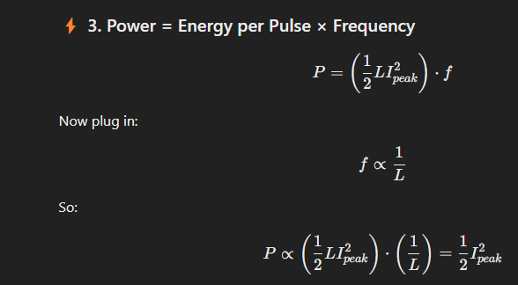
Subsystem/Component | Variable | Description | Value | Units
 |  | Maximum power output desired | 200 | W
 | f_sw | Switching frequency | 16000 | Hz
 |  | Safety factor | 1.2
 | V_in_min | Minimum voltage to drive primary of transformer | 35.4 | V
 | V_in_nom | Nominal input voltage | 38.1 | V
 | V_in_max | Maximum voltage to drive primary of transformer | 44.1 | V
 | V_out_max | Maximum desired output voltage at full power | 80000 | V
 | V_out_min | Minimum desired output voltage at full power | 60000 | V
 |  | Maximum steady state output current | 0.0033333333333 | A |  | 32
 |  | Minimum steady state output current at maximum voltage | 0.0025 | A
 |  | Maximum voltage per stage | 14000 | V
 | N_v_r | N stages required | 6
 | N_v | N Stages Actual | 6
 |  | Enough stages | TRUE
 |  | Capacitance per stage | 1.00E-09 | F

 |  |  |  |  |  | So only way to get more power out is to increase input voltage or increase peak current, but this is limited by the villard diodes.
Villard Diode | I_FSM | Maximum diode current pulse | 0.3 | A
 |  | Maximum diode current pulse with safety factor | 0.25 | A
 | I_o | Diode Average output current | 0.1
 |  | Diode output current with safety factor | 0.083333333333
 |  | Diode steady state forward voltage | 35
 |  | Diode power losses
 |  | Maximum diode steady state power loss (assuming conducting all the time) | 0.11666666667 | W
 |  | Maximum total diode steady state power loss | 0.7 | W
 |  | Approximate forward voltage drop during sudden discharge (overestimate) | 100 | V
 |  | Energy into diode during sudden discharge (gross overestimate assuming all energy from capacitors) | 0.00E+00 | J |  | So what this means is the natural frequency the system operates at with limited peak primary current and discharging to 0 before next cycle. Is that the frequency increases in proportion to the drive voltage being placed across the flyback transformer.

Output current limiting composite series resistor
 |  | Minimum total series resistance required | 960000 | Ω
 |  | Actual individual series resistor value | 200000 | Ω
 |  | N series resistors | 5
 |  | Actual series resistance | 1000000
 |  | Tolerance | 5 | %
 |  | Maximum series resistance | 1025000
 |  | Minimum series resistance | 975000
 |  | Maximum sudden short circuit current through each side | 0.082051282051 | A
 |  | Maximum steady state power loss at lowest rated output voltage | 11.388888889 | W
 |  | Power per resistor at lowest rated output voltage | 2.2777777778
 |  | Maximum possible power loss with maximum flyback secondary current (limited to protect diodes) | 231.48148148
 |  | Maximum steady state power loss at highest rated output voltage | 6.40625 | W
 |  | Maximum energy into each resistor from sudden short circuit (ignoring diode voltage drop) | 2.35E-01 | J
 |  | Individual current limiting resistor power rating | 3.00E+00 | W
 |  | Minimum output voltage acceptible (doesn’t cause too high loss) | TRUE
 |  | Maximum composite output current limiting resistor average power | 1.25E+01
 |  |  |  |  |  |  |  |  |  |  |  |  |  | Iopmax | maximum output current | 0.1
Capacitor discharge resistor |  | Maximum allowed capacitor discharge time | 180 | s |  |  |  |  |  |  |  |  |  | Rout | output resistance required | 800000
 |  | Maximum full mltiplier voltage after discharge | 30 | V |  |  |  |  |  |  |  |  |  | I_vomaxpmax | continuous output current for desired output power at maximum voltage | 0.0025
 |  | Maximum discharged capacitor voltage | 5 | s |  |  |  |  |  |  |  |  |  | I_vominpmax | continuous output current for desired output power at minimum voltage | 0.0033333333333
 |  | Maximum resistance required for desired discharge time or less | 2.27E+10 | Ω |  |  |  |  |  |  |  |  |  |  | voltage drop at max output voltage | 2000
 |  | Actual distcharge resistance | 1.50E+10 | Ω |  | Possible component |  |  |  |  |  |  |  |  | voltage drop at minimum output voltage | 2666.6666667
 |  | Power wasted per stage while running from discharge resistor | 1.31E-02 | W |  |  |  |  |  |  |  |  |  |  | resistor power at max output voltage | 5
 |  | Total power loss through discharge resistors | 1.57E-01 | W |  |  |  |  |  |  |  |  |  |  | resistor power at minimum output voltage | 8.8888888889
 |  | Actual discharge time | 1.19E+02
 |  | Discharges quickly enough | TRUE

Villard capacitor
 |  | capacitor energy change per cycle | 0.0125
 | E_c_max | Energy stored in single fully charged capacitor | 9.80E-02 | J
 |  | Total energy stored in all fully charged capacitors at maximum voltage | 1.18E+00
 |  | capacitor discharge to per cycle | 8.55E-02
 |  | lower voltage per cycle | 13076.696831
 | dV_c | Voltage ripple | 923.30316938
 | V_c_rms | Capacitor RMS voltage ripple | 652.87393216
 | P_c_rms | Capacitor reactive power | 4.29E+01
 |  | Y5T tanδ best case | 0.01
 |  | Y5T tanδ worst case | 0.03
 |  | N4700 best case | 0.0005 |  |  | https://www.mouser.co.uk/datasheet/2/281/MHR0422SA_series_data_sheet-1594297.pdf | This certainly seems to be the best part. Use two in series
 |  | N4700 worst case | 0.001
 |  | Y6P best case | 0.005
 |  | Y6P worst case | 0.015
 |  | Y5P best case | 0.01
 |  | Y5P worst case | 0.02
 |  | Y5T worst case power loss per capacitor | 1.2855227381
 |  | N4700 worst case loss per capacitor | 0.042850757935
 |  | Y6P worst case power loss per capacitor | 0.64276136903
 |  | Y5P worst case power loss per capacitor | 8.57E-01
 |  | Y5T worst case power loss total | 15.426272857
 |  | N4700 worst case loss total | 0.51420909523
 |  | Y6P worst case power loss total | 7.7131364284
 |  | Y5P worst case power loss total | 1.03E+01

 |  | Total steady state power losses | 7.26E+00
Flyback transformer | V_out_d_max | Output voltage desired at maximum duty cycle | 7000 | W
 | B_sat | Saturation flux density | 0.38
 | A_e |  | 0.0006268
 | A_l | nano henries per turn squared | 120
 |  | Efficiency | 0.9
 | D_max | Maximum duty cycle | 0.5
 | E_pulse_max_desired | Desired energy into flyback on each cycle with D=D_max | 1.25E-02
 | I_p_peak | Peak current DCM | 22.598870056
 |  | Peak current DCM theoretical efficient | 22.598870056
 | L_p | Primary inductance required | 4.90E-05
 | N_p | Number of primary turns required | 20.197269308
 | B_max | Maximum flux density | 0.10885965836
 |  | Will saturate | FALSE
 | n_s_over_p | n_s/n_p | 271.18644068
 | n_p_over_s | n_p/n_s | 0.0036875 | 0.0036875
 | I_s_peak | Peak secondary current DCM | 0.083333333333
 |  | Peak secondary current safe for diodes | TRUE
 | L_s_required | Secondary inductance required | 4 | 8.5069444444
 | L_s_required | Secondary inductance | 3.6
 | N_s | Number of secondary turns required | 5477.2255751
 |  | N bobbin segments | 6
 |  | Turns per segment. | 912.87092918
 |  | inner bobbin diameter | 33 | mm
 |  | Bobin length for windings not counting air gap | 74 | mm
 |  | N 2mm dividers required not counting air gap one | 4
 |  | Actual length for windings | 66 | mm
 |  | Segment length | 11 | mm
 |  | Wire thickness | 0.25 | mm
 |  | Wire radius meters | 0.000125 | m
 |  | Winding space tolerance | 0.1
 |  | Winding thickness with tolerance | 0.275
 |  | Turns per bobbin segment | 912.87092918
 |  | N turns along segment length | 40
 |  | N windings high | 22.821773229
 |  | Winding height | 5.7054433073 | mm
 |  | Average turn radius | 19.352721654
 |  | Wire length meters | 666.01275417
 |  | Wire radius meters | 0.000125
 |  | Wire volume | 3.269282462E-05 | kg/m^3
 |  | Density of wire | 8960
 |  | Mass of wire required | 0.2929277086
 |  | Wire cross sectonal area | 4.9087385212E-08
 |  | Resistivity | 1.68E-08
 |  | Resistance | 2.28E+02
 |  | Power loss | 5.28E-01 | watts
 |  | 132.2 longest dimension both cores
 |  | ~ 84.1 internal both sides together longest dimension for bobin lengths
 |  | Wire conductive core thickness | 2 | mm (included skin effect from 2mm, take this out put in proper equations)
 |  | Wire conductive radius | 0.001
 |  | Average turn radius primary | 21
 |  | Primary wire connections total length | 0.05
 |  | Primary winding wire length meters | 2.664966901
 |  | Wire radius meters | 0.001
 |  | Wire volume | 8.3722404382E-06
 |  | skin depth | 0.00051572095852 | m
 |  | skin depth mm | 0.51572095852 | mm
 |  | wire cross sectional area | 3.1415926536E-06 | m^2
 |  | non conducting area due to skin effect | 7.3678575562E-07 | m^2
 |  | conducting cross sectional area | 2.404806898E-06 | m^2
 |  | Resistivity | 1.68E-08
 |  | Total length | 2.71E+00
 |  | Total surface area windng excluding ends | 1.67E-02
 |  | Resistance winding | 1.86E-02 | ohms
 |  | Resistance connection wire length | 3.49E-04
 |  | Total resistance | 1.90E-02
 |  | Power loss winding | 3.17E+00
 |  | Power loss connecton wire | 5.95E-02
 |  | Total Power loss | 3.23E+00
 |  | Heat flux winding | 189.27854969 | watts/m^2
 |  | Proportion inductance is leakage | 0.2
 |  | Leakage inductance | 0.72
 |  | Leakage inductance seen from primary | 9.7903125E-06

RCD Snubber | safety factor |  | 1.2
 | n | n_p/n_s turns ratio | 0.0036875
 | f_sw |  | 16000
 | V_out_max |  | 7000
 | k | Times reflected voltage 2-2.5 is typical. Too low (< 1.5×) - Snubber absorbs too much energy unnecessarily. | Too high (> 3×) | - Voltage spike may exceed MOSFET drain rating - Core reset might be incomplete - Clamping may not happen at all. | Just right (2.0–2.5×) | - Leaves room for normal operation + leakage spike - Allows full transfer to secondary - Captures only the excess energy - Keeps losses manageable | 2.5
 | I_peak |  | 22.598870056
 | L_lk1 |  | 9.7903125E-06
 | V_reflected_max |  | 25.8125
 | V_reflected |  | 10
 | Vsn | Clamp voltage | 64.53125
 | D_max |  | 0.5
 | E_leak |  | 0.0025
 | t_s |  | 3.4285714286E-06
 | t_s valid |  | TRUE
 | P_sn_nominal |  | 40
 | R_sn_desired |  | 104.10705566
 | R_sn_actual |  | 330
 | V_sn_actual |  | 114.89125293
 | k_actual |  | 4.4509928496
 | P_sn_rated | Power resistor must be rated for | 48
 | desired_dV_sn | Acceptable voltage ripple across C in volts | 0.5
 | C_sn_desired |  | 4.3519413989E-05
 | C_sn_n | N paralle capacitors | 1.00E+01
 | C_sn_actual_individual |  | 6.00E-06
 | R_ESR_individual |  | 4.10E-03
 | C_sn_actual |  | 6.00E-05
 | R_ESR_actual |  | 4.10E-04
 | ΔV_sn_C | Actual voltage ripple | 0.36266178324 |  |  |  | Capacitance | N in parallel | ESR | Total ESR | Price | Total Price | Total Capacitance
 | ΔV_sn_ESR |  | 9.27E-03 | ΔV_ESR |  | https://www.mouser.co.uk/ProductDetail/KEMET/R75IW5270AA40J?qs=aP1CjGhiNiEaI%2F7WsvzojQ%3D%3D | 27 | 2 | 1.8 | 0.9 | £8.81 | £17.62 | 54
 | ΔV_sn_actual_total |  | 3.72E-01 |  |  | https://www.mouser.co.uk/ProductDetail/EPCOS-TDK/B32678G3476K?qs=IQR8xM2KsGh1aOrglafROA%3D%3D | 47 | 1 | 2.7 | 2.7 | £13.55 | £13.55 | 47
 | P_C_sn_total |  | 2.09E-01 |  |  | https://www.mouser.co.uk/ProductDetail/EPCOS-TDK/B32674D3805K000?qs=mz7Iz7JhaAV5lafkGXiYeg%3D%3D | 8 | 10 | 6 | 0.6 | £2.95 | £29.50 | 80
 | P_C_sn_individual |  | 2.09E-02 |  |  | https://www.mouser.co.uk/ProductDetail/EPCOS-TDK/B32676G6126K000?qs=mz7Iz7JhaAVrrHmvpKbQ8A%3D%3D | 12 | 4 | 1.8 | 0.45 | £8.82 | £35.28 | 48
 | I_sn_leak |  | 2.19E+00 | ΔV_C |  | https://www.mouser.co.uk/ProductDetail/EPCOS-TDK/B32674D4605K000?qs=mz7Iz7JhaAUE8TovPOC19w%3D%3D | 6 | 10 | 4.1 | 0.41 |  | £25.40 | 60
 | I_sn_rated_min |  | 4.3750486808 | ΔV_total |  | https://www.mouser.co.uk/ProductDetail/EPCOS-TDK/B32674D4565K000?qs=mz7Iz7JhaAVSf1KPVrH8mQ%3D%3D | 5.6 | 9 | 4.2 | 0.46666666667 |  | £26.70 | 50.4
 | I_sn_individual_rated_min |  | 4.38E-01 |  |  |  | 5 | 10 | 5.5 | 0.55 |  | £21 | 50
 | I_sn_fsm_requried |  | 2.71E+01
 | E_leak |  | 2.50E-03
 | Q
 | I_f(av) |  | 4.00E+01
 | Maximum feedback voltage |  | 2.85
 |  | Safe maximum voltage from MOSFET | 200
 |  | Snubber voltage feedback divider ratio | 85.649122807
 |  | Clamp zener diode leakage current | 1.00E-06

 | R_snfb_H |  | 500000
 | R_snfb_L_suggested |  | 5837.7714052
 | R_snfb_L |  | 6800
 | R_snfb_total |  | 506800
 | I_snfb_ max |  | 0.00039463299132 | A
 | P_snfb_H |  | 0.077867598918 | W
 | P_snfb_L |  | 0.0010589993453 | W
 | P_snfb_total | Total power at maximum voltage | 0.078926598264 | W
 | V_snfb_min |  | 2
 |  | Esp32 adc n values | 4096
 |  | Input voltage resolution | 0.0008056640625
 |  | Snubber feedback resolution | 0.06900442023 | V

Regenerative Snummer
 | Design based on | C:\repos\snippets\CircuitAnalysis\VoltageMultiplier\Sources\Snubber\07948040.pdf

 | safety factor |  | 2.5
 | L_k |  | 9.7903125E-06 | 9.7903125E-06 | 9.7903125E-06 | 9.7903125E-06 | 9.7903125E-06 | 9.7903125E-06 | 9.7903125E-06 | 9.7903125E-06
 | L_m |  | 3.916125E-05 | 3.916125E-05 | 3.916125E-05 | 3.916125E-05 | 3.916125E-05 | 3.916125E-05 | 3.916125E-05 | 3.916125E-05
 | I_pp |  | 22.598870056 | 22.598870056 | 22.598870056 | 22.598870056 | 22.598870056 | 22.598870056 | 22.598870056 | 22.598870056
 | V_DS | Desired max switch drain-source voltage | 100 | 100 | 100 | 100 | 100 | 100 | 100 | 100
 | V_i | Input voltage | 44.1 | 44.1 | 44.1 | 44.1 | 35.4 | 35.4 | 35.4 | 35.4
 | V_o | Output voltage | 7000 | 1000 | 1 | 0 | 7000 | 1000 | 1 | 0
 | Np/Ns |  | 0.0036875 | 0.0036875 | 0.0036875 | 0.0036875 | 0.0036875 | 0.0036875 | 0.0036875 | 0.0036875
 | f_sw |  | 16000 | 16000 | 16000 | 16000 | 16000 | 16000 | 16000 | 16000
 | D_max |  | 0.5 | 0.5 | 0.5 | 0.5 | 0.5 | 0.5 | 0.5 | 0.5

 | I_sw | Maximum peak current allowed by the switch | 40 | 40 | 40 | 40 | 40 | 40 | 40 | 40
 | C_s_suggested | Calculated C_s | 2.7616446906E-06
 | C_s | Actual C_s | 1.32E-06 | 1.32E-06 | 1.32E-06 | 1.32E-06 | 1.32E-06 | 1.32E-06 | 1.32E-06 | 1.32E-06
 | L_s_max | Maximum upper limit of L_s | 7.4959445758E-05 | 7.4959445758E-05 | 7.4959445758E-05 | 7.4959445758E-05 | 7.4959445758E-05 | 7.4959445758E-05 | 7.4959445758E-05 | 7.4959445758E-05
 | L_s_min | Minimum L_s | 1.6087439935E-06 | 1.6087439935E-06 | 1.6087439935E-06 | 1.6087439935E-06 | 1.0349973695E-06 | 1.0349973695E-06 | 1.0349973695E-06 | 1.0349973695E-06
 | L_s | Actual chosen L_s | 1.50E-05 | 1.50E-05 | 1.50E-05 | 1.50E-05 | 0.000015 | 0.000015 | 0.000015 | 0.000015
 | L_s_valid | L_s valid | TRUE | TRUE | TRUE | TRUE | TRUE | TRUE | TRUE | TRUE
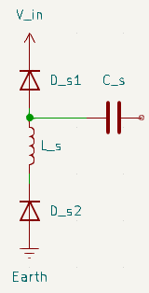
 | R_C_ESR |  | 0.00085
 | E_leak |  | 0.0025
 | P_ESR | Conservative estimate | 0.14470086289
 | L_eq |  | 5.9238739931E-06 |  |  | Capacitance | N in parallel | ESR | Total ESR | Price | Total Price | Total Capacitance
 | ω_r |  | 3.58E+05 |  | https://www.mouser.co.uk/ProductDetail/KEMET/R75RR322050L4J?qs=zW32dvEIR3sfSLCevL5nlQ%3D%3D | 0.0022 | 6 | 5.1 | 0.85 | £2.27 | £13.62 | 0.0132
 | I_D_s1,max |  | 29.052405428
 | I_D_s2,max |  | 29.052405428
 | V_C,max |  | 6.15E+01
 | V_D_s1,max |  | 1.06E+02
 | V_D_s2,max |  | 6.15E+01
 | I_Ls,rating_min |  | 72.63101357
 | I_Ds1,rating_min |  | 72.63101357
 | I_Ds1,rating_min |  | 72.63101357
 | V_Ds1,rating_min |  | 2.64E+02
 | V_Ds2,rating_min |  | 1.54E+02
 | V_C,rating_min |  | 1.54E+02
 | V_d_s1,forward |  | 8.60E-01
 | V_d_s2,forward |  | 8.60E-01
 | P_Ds1 | OVER ESTIMATE | 1.00E+01
 | P_Ds2 | OVER ESTIMATE | 1.00E+01
 | ΔV | Maximum ripple across polypropylene capacitor allowed | 0.5 | ?? I think I used two approaches this needs to go above is correct
 | C_snp_required | Snubber polypropylene capacitance required | 0.02

RCD Snubber Voltage Feedback |  | Current at lowest feedback voltage | 3.9463299132E-06
 |  | V_tap at lowest input voltage | 0.020126282557
 |  | V_tap at lowest input voltage with no zener diode | 0.023351085621
 |  | proportion drift at lowest input voltage | 0.1381007768
 |  | V_tap at minimum drive voltage | 0.4682715075
 |  | V_tap at minimum drive voltage no tap | 0.41331421549
 |  | proportion drift at minimum drive voltage | 0.13296734047
 |  | as proportion of adc step | -0.79643147249
 | Chosen zener diode | 1N4619
 | Req |  | 6708.7608524
 |  | Maximum capacitance adc pin | 1E-11

 | Rzen_max |  | 3150000
 | τ_sfb_cadc |  | 6.6945031316E-08
 | R_sfb_i_required |  | 237.5
 | R_sfb_i |  | 1000

 | I_in |  | 5.6497175141
 | ∆V_in | Acceptible input voltage ripple | 0.05
 |  | Bulk Capacitor (Electrolytic): Low-Frequency Energy Storage minimum capacitance | 0.0070621468927
 |  | Bulk Capacitor energy at Vin_max | 6.8672669492

Regenerative Snubber Voltage Feedback | V_drive_max |  | 2.00E+02
 | R_sfb_H |  | 500000
 | R_sfb_L |  | 6800
 | R_sfb_total |  | 506800
 | I_sfb_max |  | 3.95E-04
 | P_R_sfb_H,max |  | 7.79E-02
 | P_R_sfb_L,max |  | 1.06E-03
 | P_sfb |  | 7.89E-02
 |  | Maximum divided voltage for maximum drive voltage | 2.7
 |  | Divide ratio required | 7.41E+01
 |  | Actual divide ratio | 7.45E+01
 |  | Divide ratio valid | TRUE

Power Supply Voltage Feedback |  | Multiple V_in_max should tollerate | 2
 | V_in_max |  | 44.1
 | R_pfb_L |  | 10000 | Ω
 |  | Divider multiple | 32.666666667
 | R_pfb_H_required |  | 326666.66667 | Ω
 |  | Maximum input voltage for range | 2.7
 | R_pfb_H |  | 330000
 | C_pfb |  | 1.00E-09 | Ω
 | R_pfb_eq |  | 9705.8823529 | Ω
 | P_pfb_max |  | 0.022880117647 | W

Driver MOSFET | f_sw |  | 16000 | Hz
 | I_p_peak |  | 22.598870056 | A
 | D_max |  | 0.5
 | R_DS(on) |  | 0.023 | Ω
 | P_on |  | 1.9577175567
 | I_d_required | Continuous Drain Current | 1.36E+01
 | V_ds_required |  | 1.06E+02 | V
 | V_ds_actual |  | 250 | V
 |  | V_ds high enough | TRUE
 | Q_gs |  |  | C
 | Q_gd |  |  | C
 | Q_g | Total gate charge | 5.00E-08 | C
 | I_g |  | 0.0016 | A
 | V_drive | Vgs which Q_g is for | 10 | V
 | R_drive |  | 5 | Ω
 | t_s | switching time | 2.50E-08 | s
 | t_s_on | Tiome to switch on | 2.50E-08 | s
 | t_s_off | Time to switch off | 2.50E-08 | s
 |  | Maximum drive current | 2 | A
 |  | Maximum drive current rating of gate driver | 3 | A
 |  | Maximum drive current can safely use | 2.5 | A
 |  | Maximum drive current allowed | TRUE
 | P_gate | Power for switching (power required to drive gate on and off) | 8.00E-03 | W
 | V_DS |  | 144.1 | V
 | I_DS |  | 22.598870056 | A
 | P_sw |  | 1.30E+00 | W
 | P_TOTAL |  | 3.26E+00 | W
 | R_pulldown |  | 1000 | Ω
 | V_gs(th) |  | 2.5 | V
 | I_DM | Maximum pulsed drain current | 210 | A
 | t_off_pulldown | Passive off time without gate driver from pulldown resistor. For example on loss of power | 6.93E-06 | s
 |  | Max current reached in passive gate-off scenario (at peak current) | 2.88E+01 | A
 | I_D25 |  | 60 | A
 |  | Pulldown acceptible (less or equal to I_DM) | TRUE
 |  | Pulldown great (less or equal to I_D25) | TRUE
 | P_Rpd | Pulldown resistor power | 0.05 | W

Driver MOSFET Heat sinking | P_TOTAL |  | 3.26E+00 | W
 |  | Thermal conductivity of insulator layer | 0.9 | W/m-K
 |  | Thickness of insulator layer (mm) | 0.15 | mm
 |  | Contact Area | 1.50E-04 | m^2
 | RθCS | Case-to-Sink Thermal resistance of insulator layer | 1.1111111111
 | RθJC | Junction-to-Case | 4
 | RθSA​ | Sink-to-Ambient Thermal resistance of heatsink max | 6.6666
 |  | Total thermal resistance | 11.777711111
 | ΔT | Delta T | 3.84E+01
 |  | Maximum ambient temperature | 35
 |  | Maximum junction temperature | 7.34E+01
 |  | Maximum allowed junction temperature | 150
 |  | Acceptible | TRUE
Dirver MOSFET Screw Washer choice

Primary Current Feedback | D_max | Maximum duty cycle | 0.5
 | f_sw |  | 16000
 | I_peak |  | 22.598870056
 |  | Multiple of peak current desired for top of range | 2
 |  | Peak current should be designed for | 45.197740113
 | R_pcfb_sense | Sense resistance | 0.001
 | V_pcfb_sense | Voltage across sense resistor at peak primary current | 0.022598870056
 | P_pcfb_sense_peak | Resistor power under normal conditions reaching peak primary current | 0.17023630928
 | P_pcfb_sense_max | Resistor power at maximum current rated for | 0.68094523711
 | V_R_pcfb_sense_peak | Voltage across sense resistor at peak primary current | 0.022598870056
 | V_R_pcfb_sense_max | Voltage across sense resistor at peak max current | 0.045197740113
 |  | ADC input voltage desired at maximum current | 2.5
 | Operational amplifier | Operational amplifier part | MCP6021-E/P
 | V_os | Operational amplifier Input offset voltage | 2.50E-04
 | I_b | Operational amplifier input bias current | 5.00E-09
 | GBWP | Gain Bandwidth Product (GBWP) | 1.00E+07 | Hz
 | SR | Slew Rate | 7.00E+03 | mV/us
 | SR_normalized | Slew Rate Normalized | 7.00E+06 | V/s
 | CMRR | Common Mode Input Range | 70 | dB
 |  | Gain required | 55.3125
 | A_v_required | R_pcfb_f/R_pcfb_i required | 54.3125
 | Gain_db_required |  | 34.697995876
 | R_pcfb_f |  | 56000
 | R_pcfb_i_required |  | 1031.0701956
 | R_pcfb_i | Actual value | 1000
 | A_v | Actual gain | 57
 |  | R_pcfb_f and R_pcfb_i tolerance | 0.001
 | R_pcfb_f_max |  | 56056
 | R_pcfb_f_min |  | 55944
 | R_pcfb_i_max |  | 1001
 | R_pcfb_i_min |  | 999
 | A_v_max | Maximum gain for resistor tollerances | 57.112112112
 | A_v_min | Maximum gain for resistor tollerances | 56.888111888
 |  | Maximum proportion variation in A_v | 0.0019668791599
 |  | Maximum % variation in A_v | 0.19668791599 | %
 | Gain_db |  | 35.117497113
 |  | Gain acceptible | FALSE
 |  | CMRR acceptible (larger than Gain_db) | TRUE
 | I_pcfb_sense_min | Minimum measureable current from input offset voltage | 2.50E-01
 |  | Minimum measurable current required | 1.13E+00
 |  | Input offset voltage acceptible | TRUE
 | BW |  | 175438.59649
 |  | Minimum GBWP required | 912000
 |  | GBWP Acceptible (BW>=f_sw) | TRUE

 |  | Minimum slew rate required | 80000 | V/s
 |  | Minimum slew rate required | 80 | mV/us
 |  | Slew rate high enough | TRUE
 | R_eq- |  | 982.45614035
 | R_eq+ |  | 0.001

 | V_os_input | Differential input-referred voltage offset due to bias currents. | 4.9122757018E-06 | V
 | V_os_amp | Input Offset Voltage | 1.43E-02
 | V_os_total |  | 1.43E-02
 | V_nominal | Voltage on ADC input for 1A input | 0.057
 | V_gain_error |  | 0.00011211211211
 | V_error_total_1A |  | 1.44E-02
 | V_error_total_I_peak |  | 1.68E-02
 | V_error_total_I_max |  | 1.93E-02
 |  | V_adc to current multiplier | 17.543859649
 | I_error_total_1A |  | 2.41E-04
 | I_error_total_I_peak |  | 2.95E-01
 | I_error_total_I_max |  | 3.39E-01
 | I_error_total_1A |  | 2.41E-02 | %
 | I_error_total_I_peak |  | 1.30E+00 | %
 | I_error_total_I_max |  | 0.75000358985 | %

Power Conditioning | f_sw | Switching frequency | 16000
 | I_p_peak | Peak primary current at end of t_on | 22.598870056
 | D_max | Duty cycle at peak primary current | 0.5
 | Q_c | Charge per cycle | 0.00070621468927
 | ΔV_max |  | 0.5
 | C_lp_tank_min |  | 0.0014124293785
 |  | Scaling factor for burst handling and ripple smoothing | 10
 | C_lp_tank_desired |  | 0.014124293785
 | V_c_rating_min | Minimum voltage rating of capacitor(s) | 132.3
 | C_lp_individual |  | 1.00E-03
 | N_C_lp |  | 20
 | ESR_C_lp_individual | ESR of individual capacitor | 1.70E-02
 | ESR_C_lp_total |  | 0.00085
 | C_lp | Actual tank capacitance | 2.00E-02
 |  | C_lp tolerance | 2.00E-01
 | C_lp_min |  | 1.60E-02
 | ΔV_ESR |  | 1.92E-02
 | ΔV_C |  | 3.53E-02
 | ΔV_total |  | 5.45E-02
 | P_C_lp_loss |  | 4.34E-01
 | P_C_lp_loss_individual |  | 2.17E-02
 | f_c_desired | cutoff frequency for good attenuation | 500
 | L_lp_min | Minimum desired low-pass filter inductance | 7.1735398019E-06
 | L_lp | Actual low-pass filter inductance | 2.20E-05
 | I_avg_max |  | 1.13E+01
 | I_L_lp_min |  | 2.26E+01
 | f_c | Actual cutoff frequency | 2.40E+02
 | Attenuation(dB) |  | 7.30E+01
 |  | E_C_lp_max | 19.4481
 | R_ir | Inrush current limiting resistance | 33
 | V_in_max |  | 44.1

 | s1 |  | -1.52E+00
 | s2 |  | -1.50E+06
 | t_peak |  | 9.20E-06
 | I_peak |  | 1.34E+00
 | P_R_ir_max |  | 5.89E+01
 |  | Minimum power rating for inrush current limiting resistor | 7.07E+01
 | Underdamped | Circuit is underdamped | FALSE
 | α |  | 7.50E+05
 | ω0 |  | 1.51E+03
 | ωd​ |  | NA
 |  | Percent overshoot | Not Under-damped
 | t_99% |  | 3.30E+00
 | R_re_coil | Relay coil resistance | 1600
 |  | Relay coil resistance tolerance | 0.1
 | R_re_coil_min |  | 1440
 | R_re_coil_max |  | 1760
 | V_re_nom |  | 24
 | I_re_nom |  | 0.015
 |  | Relay R,V and I nominal match up | TRUE
 | V_re_max | Maximum relay voltage | 31.2
 | V_re_min | Minimum relay voltage | 18
 | I_re_min_required |  | 0.010227272727
 | I_re_max_required |  | 0.017727272727
 | R_re_ext |  | 1330
 |  | R_re_ext tolerance | 0.05
 | R_re_ext_min |  | 1263.5
 | R_re_ext_max |  | 1396.5
 |  | Typical current using suggested resistor value with nominal input voltage | 0.013003412969
 |  | Minimum current (with minimum input voltage and R_re_coil_max) | 0.012480169223
 |  | Maximum current (with maximum input voltage and R_re_coil_min) | 0.016312187905
 |  | Suitable R_ext value | TRUE

 | P_R_re_ext_max |  | 0.35389634073
 | P_R_re_EXT_nom |  | 0.27054199816
 | P_R_re_ext_min |  | 0.27412813793
 |  | Inductor energy | 3.03E-04
 |  | I_in_typical | 5.249343832
 |  | V_in_typical | 38.1
 |  | Capacitor voltage change from nominal for inductor energy | 38.100397782
Inrush resistor temperature change | E_R_ir | Total energy into inrush current limiting resistor | 1.94E+01
 | V_R_ir | Volume of inrush resistor metal | 4.9068E-06
 | c_p | Inrush resistor metal specific heat capacity (probably aluminium alloy) | 850
 | ρ | Inrush resistor metal density | 2700
 | ΔT |  | 1.7270150907
 | kPETG | Thermal conductivity petg | 0.2
 | Cth​ | Thermal capacitance | 11.261106
 | A_insulator | Area PETG insulator | 0.00132
 | L_insulator | Length insulator | 0.002
 | heff​ | Effective thermal dissipation rate | 0.5
 | t99%​ | Thermal time constant | 103.71478626
 | RPETG​ | Thermal resistance PETG | 7.5757575758
 | Q(t) |  | 0.18751521072
 | ΔTfar side |  | 1.4205697782
PCB Track Thickness IPC-2221 |  | Track | Inputs from batteries | To fiber optics | Connection to both external 3A max PSU's | 22 amp peak circuit
 |  | Current (I) | 5.6497175141 | 0.11 | 1 | 22 | 10 | 10 | 10
 |  | Thickness oz/ft | 2 | 2 | 2 | 2 | 2 | 2 | 2
 |  | T_rise | 5 | 5 | 5 | 5 | 5 | 5 | 5
 |  | External Layer Width Required (mm) | 2.4923433704 | 0.010892125474 | 0.22873341898 | 16.253508114 | 5.4782262733 | 5.4782262733 | 5.4782262733
 |  | Internal Layer Width Required (mm) | 6.4836813406 | 0.028335209157 | 0.59503622903 | 42.282523559 | 14.251276084 | 14.251276084
 |  | Actual Width Chosen | 8 | 1 | 1 | 8 | 8
 |  | Actual Expected Trise External | 0.73185596197 | 0.0029151906392 | 0.4398655494 | 16.078094835 | 2.679175854
 |  | Actual Expected Trise Internal | 3.5365898499 | 0.014087244159 | 2.1255877088 | 77.695106626 | 12.946736275
 |  | Length of track | 100 | 200 | 120 | 100 | 100
 |  | Resistance | 0.0030172413793 | 0.048275862069 | 0.028965517241 | 0.0030172413793 | 0.0030172413793
 |  | Power | 0.096308256865 | 0.00058413793103 | 0.028965517241 | 1.4603448276 | 0.30172413793
 |  | Voltage Drop | 0.017046561465 | 0.0053103448276 | 0.028965517241 | 0.066379310345 | 0.030172413793

High Voltage Output Feedback
 |  | Individual composite resistor value | 1.00E+09
 |  | N individual resistors in composite high voltage resistor | 14
 |  | Total resistance | 1.40E+10
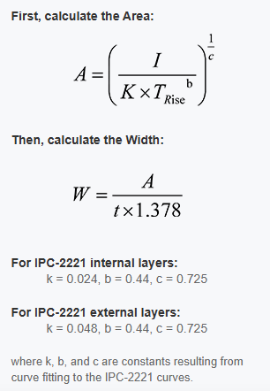
 |  | Desired low voltage into ADC at full output voltage | 2.5
 |  | Ratio required | 32000
 |  | Low leg resistance required | 437500
 |  | Actual low leg resistance | 1.30E+05
 |  | Current at maximum output voltage | 5.71E-06
 |  | Power per individual composite resistor | 3.27E-02
 |  | Total power | 4.57E-01
 |  | Power in lower leg resistor | 4.24E-06

First stage voltage feedback |  | Individual composite resistor value | 1.00E+08
 |  | N individual resistors in composite high voltage resistor | 1
 |  | Total resistance | 1.00E+08
 |  | Desired low voltage into ADC at full output voltage | 2.5
 |  | Ratio required | 5600
 |  | Low leg resistance required | 17857.142857
 |  | Actual low leg resistance required | 2.00E+04
 |  | Current at maximum output voltage | 1.40E-04
 |  | Power per individual composite resistor | 1.96E+00
 |  | Total power | 1.96E+00
 |  | Power in lower leg resistor | 3.92E-04

Cooling fan |  | Number of heatsinks (identicle in this case) | 3
 |  | Desired flow rate for each heatsink | 550 | LFM
 |  | cross sectional area | 0.00106426
 |  | Cubic meters per minute per heatsink | 0.1784125464 | m^3
 |  | Cubic meters per hour | 8.92062732

Active cooling by oil circulation |  | Power loss discharge resistors |  | 1.57E-01
 |  | Steady state power loss diodes |  | 0.7
 |  | Flyback power loss |  | 3.23E+00
 |  | Total power loss into mineral oil |  | 4.09E+00

 |  | Safety factor |  | 2
 |  | Vessel ID | m | 0.174
 |  | Height | m | 0.5
 |  | Mineral oil volume | m³ | 0.011889357398
 |  | Maximum heat power |  | 4.09E+00
 |  | Mineral oil Specific heat capacity oil | kJ/kg·K | 2300
 |  | Allowed temperture rise above ambient | K | 20
 |  | Mineral oil density | kg/m³ | 800
 |  | Total mass of mineral oil in vessel | kg | 9.511485918
 |  | Total energy capacity for specified temperture rise | KJ | 437528.35223
 |  | Maximum time for single turnover | s | 107089.44583
 |  | Desired maximum time for single turnover including safety factor | s | 53544.722916
 |  | Flow rate required | m³/s | 2.2204536227E-07
 |  | Flow rate required | ml/s | 0.22204536227
 |  | Safe flow speed portal | m/s | 0.1
 |  | Portal area required | m^2 | 2.2204536227E-06
 |  | Portal sizing (diameter) | m | 0.0016814188531
 |  | Minimum portal diameter | m | 0.002
 |  | Portal diameter minimum (mm) | mm | 2
 |  | Actual Portal diameter | mm | 9
 |  | Actual portal diameter (m) |  | 0.009
 |  | Dyanmic viscosity |  | 0.00604
 |  | Kinemetic viscosity |  | 0.00000755
 |  | Desired reynalds number |  | 2300
 |  | Actual reynolds number |  | 119.20529801
 |  | Reynolds number acceptible |  | TRUE

Villard Diode PCB Calcs
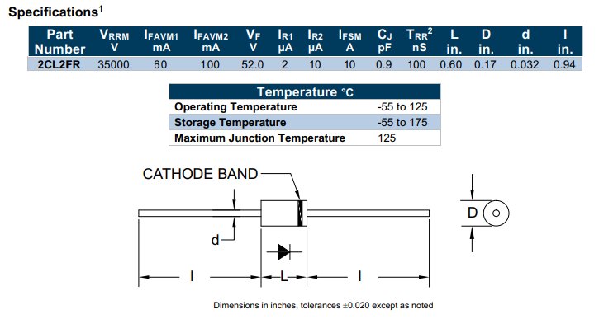
Variable | Value | Units
Tolerance | 0.02
Inches to mm | 25.4
L | 15.24 | mm
L_max | 15.5448 | mm
d | 0.8128 | mm
d_max | 0.829056 | mm
D | 4.318 | mm
D_max | 4.40436 | mm
Space between case and pcb | 5 | mm
Bend radius | 5 | mm
Pad spacing distance | 25.5448 | mm
Minimum hole size | 1.0128 | mm
Maximum hole size | 1.129056 | mm
Actual hole size using | 1.1 | mm
Pad Size Smallest Pad (Standard) | 1.7 | mm
More Reliable Pad (Recommended) | 2.1 | mm
Extra Strong (Power Applications) | 2.5 | mm
Actual pad size using | 2.5 | mm

Villard Capacitor PCB Calcs
AXCT81D20KV102K
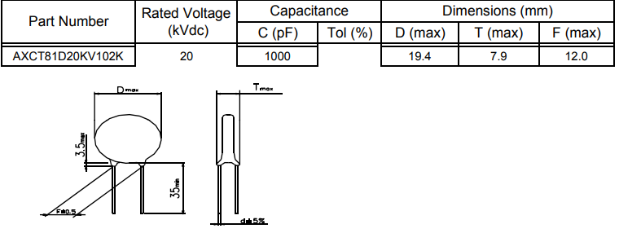

 | PCB Footprint Calculations
 | F | 12 | mm
 | F_max | 12.5 | mm
 | D_max | 19.4 | mm
 | T_max | 7.9 | mm
 | d | 0.8 | mm
 | Minimum hole size | 1 | mm
 | Maximum hole size | 1.1 | mm
 | Actual hole size using | 1.1 | mm
 | Pad Size Smallest Pad (Standard) | 1.7 | mm
 | More Reliable Pad (Recommended) | 2.1 | mm
 | Extra Strong (Power Applications) | 2.5 | mm
 | Actual pad size using | 2.5 | mm
 | Silkscreen clearance | 1 | mm
 | Silkscreen ractangle Width | 22 | mm
 | Siklscreen rectangle Height | 10 | mm

Villard Capacitor Bleeder Calcs
HVR82MZ1005
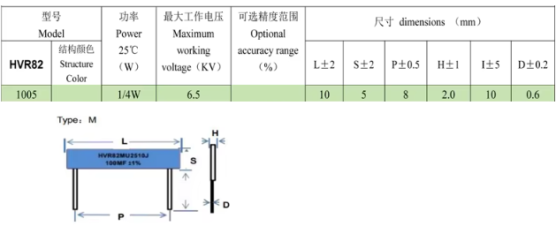

 | PCB Footprint Calculations
 | P | 8 | mm
 | P_max | 8.5 | mm
 | L | 10 | mm
 | L_max | 12 | mm
 | H | 2
 | H_max | 3 | mm
 | d | 0.6 | mm
 | d_max | 0.8 | mm
 | Minimum hole size | 1 | mm
 | Maximum hole size | 1.1 | mm
 | Actual hole size using | 1 | mm
 | Pad Size Smallest Pad (Standard) | 1.6 | mm
 | More Reliable Pad (Recommended) | 2 | mm
 | Extra Strong (Power Applications) | 2.4 | mm
 | Actual pad size using | 2.4 | mm
 | Silkscreen clearance | 1 | mm
 | Silkscreen ractangle Width | 14 | mm
 | Siklscreen rectangle Height | 5 | mm
 | Pad spacing | 8.5 | mm
 | Space between pads | 6.1 | mm

Output Series Compsite Resistor
HVR82MY5010
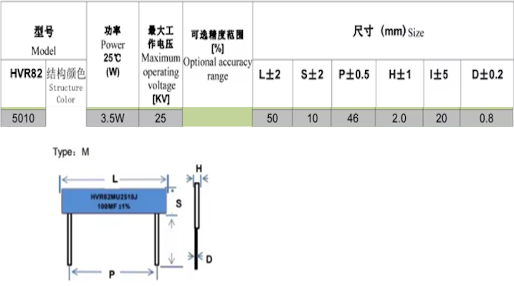

 | PCB Footprint Calculations
 | P | 46 | mm
 | P_max | 46.5 | mm
 | L | 50 | mm
 | L_max | 52 | mm
 | H | 2
 | H_max | 3 | mm
 | d | 0.8 | mm
 | d_max | 1 | mm
 | Minimum hole size | 1.2 | mm
 | Maximum hole size | 1.3 | mm
 | Actual hole size using | 1.2 | mm
 | Pad Size Smallest Pad (Standard) | 1.8 | mm
 | More Reliable Pad (Recommended) | 2.2 | mm
 | Extra Strong (Power Applications) | 2.6 | mm
 | Actual pad size using | 2.6 | mm
 | Silkscreen clearance | 1 | mm
 | Silkscreen ractangle Width | 54 | mm
 | Siklscreen rectangle Height | 5 | mm
 | Pad spacing | 46.5 | mm
 | Space between pads | 43.9 | mm

Regenerative snubber design
n_s | 399
V_o | 14000
L_lk | 5.44E-06
I_max | 40
Deriving equation for V_max so n_r = V_max/V_g
ns = V_g/V_max for no vmin
V_max = (V_o*V_max/V_g)+(Zos*Imax)
1 = (V_o/V_g)+(Z_ox*I_max/V_max)
1 - (V_o/V_g)= (Z_ox*I_max/V_max)
V_max
=(Z_ox*I_max)/(1 - (V_o/V_g))
I_min | 20
C_2 | 0.0001
Z_os | 0.23323807579
V_max | 0.1
v_ max/V_g | 0.0022471910112
n_r | 0.0022471910112
V_g | 44.5
I_lk_min | 0
I_c2_pkR | -8900
Ids_pk | 8900
I_c2_pkS | 40
C_2 | 7.1102949277E-06
Change Vmax | Increase V_max by | 1

Active Cooling
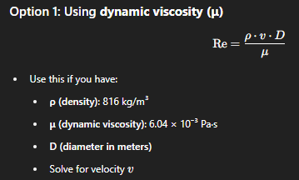

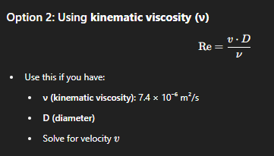

Sheet3
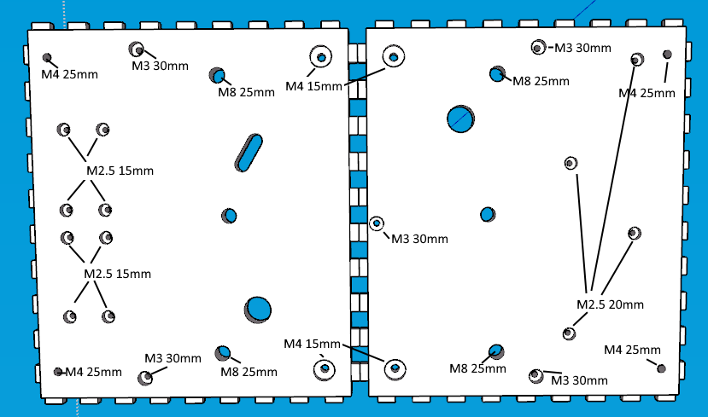

Diameter | Length | Description | Number
M4 | 30mm |  | 12 | https://www.aliexpress.com/item/1005005480826442.html?spm=a2g0o.cart.0.0.560938daHEcyqE&mp=1&pdp_npi=5%40dis%21GBP%21GBP%200.82%21GBP%200.68%21%21GBP%200.68%21%21%21%4021038da617489300775685831ef51d%2112000033254379950%21ct%21UK%214911257576%21%211%210
M3 | 30mm 40 more desirable |  | 5 | https://www.aliexpress.com/item/1005005489704779.html?spm=a2g0o.cart.0.0.3af938daqF893N&mp=1&pdp_npi=5%40dis%21GBP%21GBP%202.11%21GBP%201.84%21%21GBP%201.84%21%21%21%4021038da617489300680525622ef51d%2112000033284825011%21ct%21UK%214911257576%21%211%210
M2.5 | 20mm |  | 8 | https://www.aliexpress.com/item/32979035684.html?spm=a2g0o.productlist.main.1.43315cf9lFXo4v&algo_pvid=1ae9e8c1-7a0f-4aec-b376-9270d2db3078&algo_exp_id=1ae9e8c1-7a0f-4aec-b376-9270d2db3078-0&pdp_ext_f=%7B%22order%22%3A%2249%22%2C%22eval%22%3A%221%22%7D&pdp_npi=4%40dis%21GBP%211.02%210.96%21%21%211.34%211.26%21%402103956b17489301282611606e8cf3%2112000037695417645%21sea%21UK%214911257576%21X&curPageLogUid=ecdD7wgyjiJL&utparam-url=scene%3Asearch%7Cquery_from%3A
M8 | 30mm |  | 4 | https://www.aliexpress.com/item/1005005480826442.html?spm=a2g0o.cart.0.0.10e238dawUu18S&mp=1&pdp_npi=5%40dis%21GBP%21GBP%201.52%21GBP%201.26%21%21GBP%201.26%21%21%21%4021038da617489300338885085ef51d%2112000033254538100%21ct%21UK%214911257576%21%211%210
M4 | 20mm |  | 4 | https://www.aliexpress.com/item/1005005480826442.html?spm=a2g0o.cart.0.0.560938daHEcyqE&mp=1&pdp_npi=5%40dis%21GBP%21GBP%200.82%21GBP%200.68%21%21GBP%200.68%21%21%21%4021038da617489300775685831ef51d%2112000033254379950%21ct%21UK%214911257576%21%211%210
M2.5 | 25mm (20mm just enough I think) |  | 4 | https://www.aliexpress.com/item/1005005489704779.html?spm=a2g0o.cart.0.0.184338dahPk8Kk&mp=1&pdp_npi=5%40dis%21GBP%21GBP%202.11%21GBP%201.84%21%21GBP%201.84%21%21%21%40211b807017489305761224505eeaf6%2112000033284825011%21ct%21UK%214911257576%21%211%210
Washer kit varying sizes m2.5 + |  |  |  | https://www.aliexpress.com/item/1005005747262698.html?spm=a2g0o.cart.0.0.4cc038daQAAcCh&mp=1&pdp_npi=5%40dis%21GBP%21GBP%205.88%21GBP%202.94%21%21GBP%202.94%21%21%21%40211b807017489305983274816eeaf6%2112000034202358244%21ct%21UK%214911257576%21%211%210
M3 | 25mm |  | 16

