Core shopping
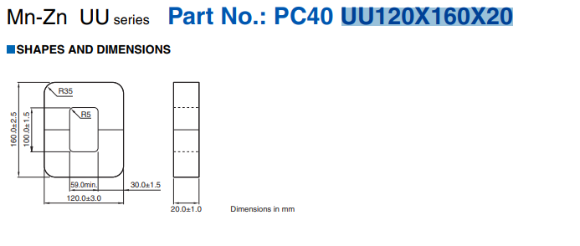

Original core we cant get

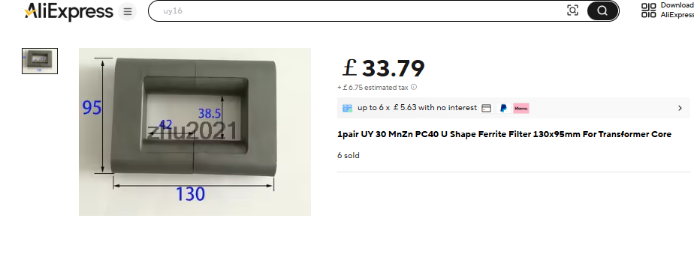

626.79 mm^2

High Voltage Feedback
Subsystem | Item # | Url | ‎ | Part Name | Part Number | Category | Quantity Needed | Quantity in Stock | Description | Value/Rating | Tolerance | Voltage Rating | Power Rating | Package/Size | Supplier | Supplier Part Number | Unit Price | Total Cost | Lead Time | Notes
Voltage Feedback Board |  | ‎ | ‎ | Zener diode over voltage clamp | 1N4619 BK PBFREE |  | 1 | 0 | zener diode protection, 3v 0.8uA leakage | ‎ | 5% | 3 | 0.25w | DO-35-2
 |  | https://www.mouser.co.uk/ProductDetail/Murata-Power-Solutions/MHR0844SA107F70?qs=T3oQrply3y%252Bo2f2KmFIg%2Fg%3D%3D | ‎ | Potential divider upper leg resistors | MHR0844SA107F70 |  | 2 | 0 | Thick Film Resistors - Through Hole 300M ohms 1% | 100M | 1% | 15.8 kV | 2.5w |  |  |  | £2.56 | £5.12
 |  | https://www.mouser.co.uk/ProductDetail/YAGEO/MFR-25FRF52-27K?qs=sGAEpiMZZMsPqMdJzcrNwiweiCzxKzWLhyrsT9Ty9ww%3D | ‎ | Potential divider lower leg resistor | MFR-25FRF52-27K |  | 1 | 0 | Metal Film Resistors - Through Hole 27K OHM 1/4W 1% | 27000 | 1% | 300v | 0.25w
 |  | ‎ | ‎ | Potential divider lower bias capacitor | C322C271K2G5TA |  | 1 | 0 | Multilayer Ceramic Capacitors MLCC - Leaded 50V 1000pF C0G 1% LS=5.08mm | 270pf | 1% | 250v
 |  | ‎ | ‎ | Fiber optic transmitter | RS Stock No.:270-7764 |  | 2 | 0 | RS PRO 16Mbps Fibre Optic Transmitter 640 → 670nm, Square Fiber Optic Connector, 13.6 x 11.5 x 9.5mm SUPPORTS toslink | ‎
 |  | ‎ | ‎ | Fiber optic receiver | RS Stock No.:270-7763 |  | 1 | 0 | RS PRO 16Mbps 650nm Fibre Optic Receiver, Square, Fiber Optic Connector SUPPORTS toslink | ‎
 |  | ‎ | ‎ |  | C317C300J5G5TA |  | 1 | 0 | Multilayer Ceramic Capacitors MLCC - Leaded 50V 30pF C0G 5% LS=5.08mm | 30pf | 5% | 50v
 |  | ‎ | ‎ |  | C322C104J5R5TA |  | 3 | 0 | Multilayer Ceramic Capacitors MLCC - Leaded 50V 0.1uF X7R 5% LS=5.08mm | 0.1uf | 5% | 50v
 |  | ‎ | ‎ | Male Male pin strip |  | ‎ |  |  |  | ‎
Villard First Stage Potential Divider |  | https://www.mouser.co.uk/ProductDetail/Murata-Power-Solutions/MHR0844SA107F70?qs=T3oQrply3y%252Bo2f2KmFIg%2Fg%3D%3D | ‎ | Potential divider upper leg resistors | MHR0844SA107F70 |  | 2 | 0 | Thick Film Resistors - Through Hole 300M ohms 1% | 100M | 1% | 15.8 kV | 2.5w |  |  |  | £2.56 | £5.12
 |  | https://www.aliexpress.com/item/1005004279932436.html?pdp_npi=4%40dis%21GBP%21%EF%BF%A11.33%21%EF%BF%A11.33%21%21%2111.82%2111.82%21%40211b619a17401876960841815eaddb%2112000035453859120%21sh%21UK%214911257576%21X&spm=a2g0o.store_pc_allItems | ‎ | Potential divider upper leg resistors | HVR82MY5010 100MF 1% |  | 2 | 0 | HVR82MY5010 100MF (1% version) | 100M | 1% | 15.8 kV | 3.5w |  | Alibaba: twjohm |  | £0.80 | £1.59
200KV Villard Output Voltage |  | https://www.aliexpress.com/item/1005004279932436.html?pdp_npi=4%40dis%21GBP%21%EF%BF%A11.33%21%EF%BF%A11.33%21%21%2111.82%2111.82%21%40211b619a17401876960841815eaddb%2112000035453859120%21sh%21UK%214911257576%21X&spm=a2g0o.store_pc_allItems | ‎ | Potential divider upper leg resistors | HVR82MY5010 1GF 1% |  | 14 | 0 | HVR82MY5010 1GF (1% version) | 1G ohm | 1% | 25kv | 3.5w |  | Alibaba: twjohm |  | £0.97 | £13.58

 |  | https://www.aliexpress.com/item/1005003776755496.html?spm=a2g0o.cart.0.0.26a938da5L2xoV&mp=1&pdp_npi=5%40dis%21GBP%21GBP%204.08%21GBP%203.73%21%21%21%21%21%40211b612517403184808552682e86dc%2112000027127775987%21ct%21UK%214911257576%21%211%210 |  | Potential divider calculations |  |  |  |  | M2 standoffs kit
 |  |  |  |  | Instance name | First Stage Voltage Feedback | Output Voltage Feedback 200Kv
 |  |  |  |  | Safety factor | 1.2 | 1.2
 |  |  |  |  | Maximum zener diode leakage current | 8.00E-07 | 8.00E-07
 |  |  |  |  | Maximum high voltage | 20000 | 250000
 |  |  |  |  | Minimum high voltage | 1000 | 50000
 |  |  |  |  | Maximum tap voltage | 2.7 | 2.7
 |  |  |  |  | Minimum tap voltage
 |  |  |  |  | Resistor ratio required | 7407.4074074 | 92592.592593
 |  |  |  |  | X zener leakage current minimum | 6 | 4
 |  |  |  |  | minimum current | 4.80E-06 | 3.20E-06
 |  |  |  |  | maximum RL to give high enough current | 4.17E+09 | 7.81E+10 |  | Composite resistor combination finding
 |  |  |  |  | Power dissipated at maximum series resistance and high voltage | 9.60E-02 | 8.00E-01 |  | max voltage | 200000 | 250000
 |  |  |  | High volatge resistor Rh | Rh minimum individual voltage rating required | 12000 | 23076.923077 |  | safety factor | 1.2 | 1.2
 |  |  |  |  | Rh individual high voltage resistor resistance | 1.00E+08 | 1.00E+09 |  | resistance required | 13500000000 | 300000
 |  |  |  |  | Rh actual voltage rating | 1.58E+04 | 2.50E+04 |  | voltage rating of part | 25000 | 25000
 |  |  |  |  | Rh tolerance percent | 1 | 1 |  | n parts required minimum | 10 | 12
 |  |  |  |  | Rh power rating | 2.5 | 3.5 |  | actual number of parts using | 13 | 15
 |  |  |  |  | Resistor part | MHR0844SA107F70 | HVR82MY5010 1GF |  | desired resistance | 1038461538.5 | 20000
 |  |  |  | Low voltage resistor Rl | Suggested value | 2.70E+04 | 1.08E+04 |  | desired resistance M | 1038.4615385 | 0.02
 |  |  |  |  | RL voltage rating | 300 |  |  | voltage across each part | 15384.615385 | 16666.666667
 |  |  |  |  | RL resistance | 2.70E+04 | 1.82E+04 |  | power dissipation in each part | 0.22792022792 | 13888.888889
 |  |  |  |  | RL tolerance percent | 1 | 1 |  | Url | https://www.aliexpress.com/item/1005004279932436.html?pdp_npi=4%40dis%21GBP%21%EF%BF%A11.33%21%EF%BF%A11.33%21%21%2111.82%2111.82%21%40211b619a17401876960841815eaddb%2112000035453859120%21sh%21UK%214911257576%21X&spm=a2g0o.store_pc_allItems_or_groupList.new_all_items_2007602645286.1005004279932436 | https://www.aliexpress.com/item/1005004279932436.html?pdp_npi=4%40dis%21GBP%21%EF%BF%A11.33%21%EF%BF%A11.33%21%21%2111.82%2111.82%21%40211b619a17401876960841815eaddb%2112000035453859120%21sh%21UK%214911257576%21X&spm=a2g0o.store_pc_allItems_or_groupList.new_all_items_2007602645286.1005004279932436
 |  |  |  |  | Rl power rating | 0.25 | 0.25 |  | part number | HVR82MY5010 1GF (1% version) | HVR82MY5010 1GF (1% version)
 |  |  |  |  | Resistor part | RN60C1351FB14 |  |  | voltage rating | 25000 | 25000
 |  |  |  |  | Rh individual maximum resistance | 101000000 | 1010000000 |  | tolerance | 1% | 1%
 |  |  |  |  | Rh individual minimum resistance | 99000000 | 990000000 |  | resistance | 1G | 200K
 |  |  |  |  | Nrh high voltage resistors | 2 | 13 |  | unit price | £0.97
 |  |  |  |  | RH tolerance proportion | 0.01 | 0.01 |  | total price | £12.61
 |  |  |  |  | RH total series resistance | 2.00E+08 | 1.30E+10 |  | part power rating | 3.5W | 3.5W
 |  |  |  |  | RH maximum resistance | 202000000 | 13130000000 |  | unit length mm | 50 | 51
 |  |  |  |  | RH minimum resistance | 198000000 | 12870000000
 |  |  |  |  | Nrh x Vrh Total voltage rating | 3.16E+04 | 3.25E+05
 |  |  |  |  | Nrh x Vrh / safety factor Operating voltage rating | 26333.333333 | 270833.33333
 |  |  |  |  | RH tolerance proportion | 0.01 | 0.01
 |  |  |  |  | RL maximum resistance | 27270 | 18382
 |  |  |  |  | RL minimum resistance | 26730 | 18018
 |  |  |  |  | High voltage resistors Acceptible voltage rating | TRUE | TRUE
 |  |  |  |  | Low voltage resistor acceptible voltage rating
 |  |  |  |  | Minimum current (at lowest high voltage and highest end of tolerance) | 4.9498334381E-06 | 3.8080678365E-06
 |  |  |  |  | Maximum current (at highest high voltage and lowest end of tolerance) | 0.00010099646649 | 1.942499223E-05
 |  |  |  |  | Acceptibly large current at minimum high voltage | TRUE | TRUE
 |  |  |  |  | Alter resistance by proportion |  | 1.19E+00
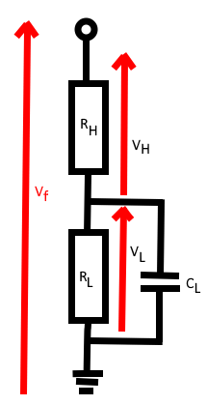
 |  |  |  |  | P_Rh Maximum power disipation individual high voltage resistor | 1.0302289105 | 0.38110362637
 |  |  |  |  | P_RL Maximum power disipation low voltage resistor | 0.00027816180584 | 6.9360859999E-06
 |  |  |  |  | Rh maximum power rating including safety factor | 2.0833333333 | 2.9166666667
 |  |  |  |  | Rl maximum power rating including safety factor | 0.20833333333 | 0.20833333333
 |  |  |  |  | Rh power rating acceptible | TRUE | TRUE
 |  |  |  |  | Rl power rating acceptible | TRUE | TRUE
 |  |  |  |  | Total power loss | 2.0607359829 | 4.9543540789
 |  |  |  |  | Minimum cycles to rise through full voltage range (limited by energy transformer can transfer to capacitor per cycle) | 6.00E+00 | 6.00E+00
 |  |  |  |  | Minimum cycles to fall through full voltage range (limited by output current limiting resistance) | 1 | 1
 |  |  |  |  | Minimum transition time | 1.00E+00 | 1.00E+00
 |  |  |  |  | Frequency of driver | 1.60E+04 | 1.60E+04
 |  |  |  |  | Period | 6.25E-05 | 6.25E-05
 |  |  |  |  | t_99% desired | 3.13E-05 | 3.12E-05
 |  |  |  |  | Effective time constant τ desired | 6.79E-06 | 6.79E-06
 |  |  |  |  | Suggested lower leg capacitance | 2.51E-10 | 3.73E-10
 |  |  |  | Lower leg capacitor | Actual lower leg capacitance | 2.70E-10 | 3.70E-10
 |  |  |  |  | t_99% actual | 3.36E-05 | 3.10E-05
 |  |  |  |  | Effective time constant τ for actual capacitor | 7.29E-06 | 6.73E-06
 |  |  |  |  | V_∞min | 1.35E-01 | 7.00E-02
 |  |  |  |  | V_∞max | 2.7 | 2.7
 |  |  |  |  | Time taken for V_L to go from maximum to within 0.99 of minimum value | 5.50E-05 | 5.54E-05
 |  |  |  |  | N Cycles taken for V_L to go from maximum to within 0.99 of minimum value | 8.80E-01 | 8.87E-01
 |  |  |  |  | Time taken for V_L to go from lowest to within 0.99 of maximum value | 3.3193377591E-05 | 3.0834285324E-05
 |  |  |  |  | N cycles taken for V_L to go from lowest to within 0.99 of maximum value | 5.31E-01 | 4.93E-01
 |  |  |  |  | Suitable | TRUE | TRUE
V_F = V_H + V_L
V_H/R_H = (V_L/R_L)+(C_L*dV_L/dt)
dV_L/dt = ((V_H/R_H) - (V_L/R_L))/ C_L
V_H = V_F - V_L
dV_L/dt = (((V_F - V_L)/R_H)
- (V_L/R_L))/ C_L
V_F is a constant during discharge.
Need to find V_L_t from V_L_0, C_L (constant), R_H (constant)

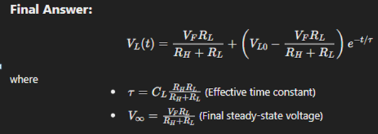

 |  |  | ‎
 |  |  | ‎
 |  |  | ‎
 |  |  | ‎
 |  |  | ‎
 |  |  | ‎
 |  |  | ‎
 |  |  | ‎
 |  |  | ‎
 |  |  | ‎
 |  |  | ‎
 |  |  | ‎
 |  |  | ‎
 |  |  | ‎
 |  |  | ‎
 |  |  | ‎
 |  |  | ‎
 |  |  | ‎
 |  |  | ‎
 |  |  | ‎
 |  |  | ‎
 |  |  | ‎
 |  |  | ‎

Sheet3
