Contents
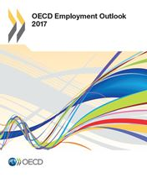

OECD Employment Outlook 2017
Statistical Annex

Table of contents

Table A. Harmonised unemployment rates in OECD countries
Table B. Employment/population ratios by selected age groups |  | (Total)
Table B. Employment/population ratios by selected age groups (cont.) |  | (Men)
Table B. Employment/population ratios by selected age groups (cont.) |  | (Women)
Table C. Labour force participation rates by selected age groups |  | (Total)
Table C. Labour force participation rates by selected age groups (cont.) |  | (Men)
Table C. Labour force participation rates by selected age groups (cont.) |  | (Women)
Table D. Unemployment rates by selected age groups |  | (Total)
Table D. Unemployment rates by selected age groups (cont.) |  | (Men)
Table D. Unemployment rates by selected age groups (cont.) |  | (Women)
Table E. Employment/population ratios by educational attainment, 2015
Table F. Labour force participation rates by educational attainment, 2015
Table G. Unemployment rates by educational attainment, 2015

For the other tables of the Statistical Annex see: | www.oecd.org/els/emp/employment-outlook-statistical-annex.htm

