Contents
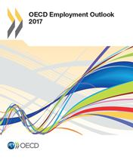

OECD Employment Outlook 2017
Statistical Annex

Table of contents

Table H. Incidence and composition of part-time employmenta
Table I. Incidence and composition of involuntary part-time employment
Table J. Incidence and composition of temporary employmenta
Table K. Incidence of job tenure, less than 12 months |  | (Total)
Table K. Incidence of job tenure, less than 12 months (cont.) |  | (Men)
Table K. Incidence of job tenure, less than 12 months (cont.) |  | (Women)
Table L. Average annual hours actually worked per person in employmenta
Table M. Incidence of long-term unemployment,a 12 months and over |  | (Total)
Table M. Incidence of long-term unemployment,a 12 months and over (cont.) |  | (Men)
Table M. Incidence of long-term unemployment,a 12 months and over (cont.) |  | (Women)

For the other tables of the Statistical Annex see: | www.oecd.org/els/emp/employment-outlook-statistical-annex.htm

