README
REAL DATA ANALYSIS 1

(CAD) <Population> Signals
SNPs in the "(CAD) EAS Signals" and "(CAD) EUR Signals" sheets are either GWAS or pleiotropy lead SNPs that were present in all exposure and CAD GWAS summary statistics files. Each were clumped using PLINK v1.9 with population-specific 1000G Phase 3 reference panels and the following parameters: r2<0.01, 1Mb, GWAS P<5e-8.

 | rsID | Unique SNP identifier
 | CHR | Chromosome (hg19)
 | POS (b37) | Base pair position (hg19)
 | MAF | Minor allele frequency in CAD GWAS
 | EFFECT_ALLELE | Effect allele in CAD GWAS
 | NONEFFECT_ALLELE | Non-effect allele in CAD GWAS
 | Standardized Total Effect | Standardized total SNP effect on CAD risk (standardized by minor allele frequency as in Qi & Chatterjee, 2019; PMID: 31028273)
 | Standardized Residual | Residual of Standardized Total Effect minus sum of products of standardized total SNP effects (as in Qi & Chatterjee, 2019; PMID: 31028273) on the exposures and their estimated causal effects
 | CAD GWAS P | Two-sided P-value for Standardized Total Effect
 | Pleiotropy P | Two-sided P-value for pleiotropy test (tests the null hypothesis that Standardized Residual is equal to 0)
 | Exposures Chi-Square | Chi-square statistic for the omnibus test for the null hypothesis that the SNP is not associated with any of the 9 MR exposures))
 | Gene | Gene mapped by or nearest to SNP
 | Gene Class | "Mapped": mapped by NCBI. "Nearest": Gene nearest to SNP as determined using the NCBI Genome Broswer (https://www.ncbi.nlm.nih.gov/projects/genome/guide/human/index.shtml) (only for un-mapped genes)
 | LeadSNPClass | Designation of locus tagged by lead SNP (see figure below)
 | Replicated | (Applies only to Novel Pleiotropy signals in the Eur Signals sheet). Indicates whether the lead pleiotropy SNP for this locus had P<0.05 in the UKBB CAD GWAS (see Methods)
 | UKBB CAD GWAS P | (Applies only to Novel Pleiotropy signals in the Eur Signals sheet). P-value in the CAD GWAS using UKBB (see Methods)
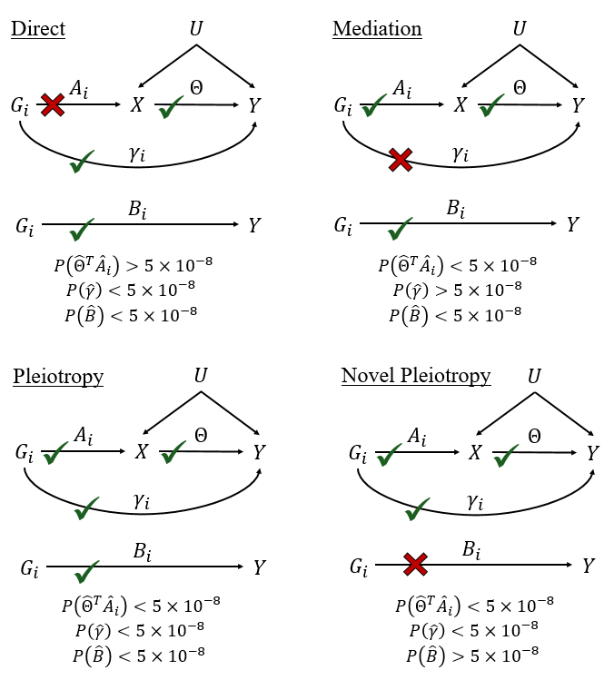

(CAD) Explained Variance
We estimated the variance in CAD explained by each MR exposure conditional on the others using the Pratt index (see Genizi (1993), Statistica Sinica 3, 407- 420).

(CAD) h2s Pleiotropy Testing
We estimated the SNP heritability for each population and class of loci (see LeadSNPClass columns in <Population> Signals sheets). These are the sum of Standardized Total Effect values (also in <Population> Signals sheets) within each LeadSNPClass group. The "Pleiotropy" category includes the "Novel Pleiotropy" group for LeadSNPClass in EUR.

REAL DATA ANLYSIS 2

Bipolar, Schizophrenia
SNPs in the "Bipolar" and "Schizophrenia" sheets are either GWAS or pleiotropy lead SNPs that were present in all exposure and outcome GWAS summary statistics files. Each were clumped using PLINK v1.9 with European 1000G Phase 3 reference panels and the following parameters: r2<0.01, 1Mb, GWAS P<5e-8.

 | SNP | rsID
 | CHR | Chromosome
 | BP | Base-pair position (build37, hg19)
 | efffect_allele | Effect allele from GWAS
 | noneffect_allele | Non-effect allele from GWAS
 | BETA | Effect size estimate from GWAS
 | SE | Standard error of effect size estimate from GWAS
 | PVAL | P-value for two-sided test that the true effect size in GWAS was 0
 | FCAS | Frequency of effect allele in cases
 | FCON | Frequency of effect allele in controls
 | NCAS | Number of cases genotyped
 | NCON | Number of controls genotyped
 | ChiSqSCZ | Chi-square statistic (Spleio) for Schizophrenia and five exposures: cannabis use disorder, education, neuroticism, sleep duration, intelligence
 | PChiSqSCZ | P-value for ChiSqSCZ. Used for testing the null hypothesis that the association of this SNP with SCZ is completely mediated by the five exposures mentioned in the line above.
 | ChiSqBP | Chi-square statistic (Spleio) for Bipolar and five exposures: cannabis use disorder, education, neuroticism, sleep duration, intelligence
 | PChiSqBP | P-value for ChiSqBP (see PChiSqSCZ)
 | ChiSqJoint | Chi-square for 2 degree of freedom Spleio test for SCZ and bipolar jointly
 | PChiSqJoint | P-value for ChiSqJoint. Used for testing the null hypothesis that the genetic variant is not associated with either SCZ or bipolar conditional on the five MR exposures (see above)
 | ChiSqExposures | 5-degree of freedom chi-square statistic for genetic association with the five MR exposures jointly.
 | PChiSqExposures | P-value for ChiSqExposures. Tests the null hypothesis that this genetic variant is not associated with any of the 5 MR exposurse.
 | ChiSqOutcomes | 2-degree of freedom chi-square statistic for a joint test of no association with either schizophrenia or bipolar
 | PChiSqOutcomes | P-value for ChiSqOutcomes. Tests the null hypothesis that this genetic variant is not associated with either SCZ or bipolar.
 | resBP/resSCZ | Classification of genetic variant based on logic in figure presented above with Real Data Analysis 1.

