Sheet1
Python Data Science |  |  |  |  | Pandas Data Analysis Examples Intro Jupyter Notebook

Outputs |  |  |  |  |  |  |  |  | Date | Company | Person Name | Room number | 2xRoom
 |  |  |  |  |  |  | Room number | 0 | 1-Jan-22 | Avamba | Anatole Ridehalgh | 4008 | 8016 |  |  |  |  |  |  |  | Pandas Packages:
 | Date | Company | Person Name | Room number |  | count | 153 | 1 | 1-Jan-22 | Fatz | Aldrich McKevin | 2002 | 4004 |  |  |  |  |  |  |  | Anaconda | https://www.anaconda.com/
0 | 1-Jan-22 | Avamba | Anatole Ridehalgh | 4008 |  | mean | 3079.326797 | 2 | 1-Jan-22 | Leexo | Stanley Hadrill | 4012 | 8024 |  |  |  |  |  |  |  | Pandas Website | https://pandas.pydata.org/
1 | 1-Jan-22 | Fatz | Aldrich McKevin | 2002 |  | std | 1718.791186 | 3 | Hotels | NaN | NaN | NaN | NaN |  | Date | Company | Person Name | Room number | 2xRoom | Text Value | VS Code | https://code.visualstudio.com/docs/datascience/data-science-tutorial
2 | 1-Jan-22 | Leexo | Stanley Hadrill | 4012 |  | min | 1001 | 4 | 1-Jan-22 | Rhyzio | Lyndell Tice | 1006 | 2012 | 0 | 1-Jan-22 | Avamba | Anatole Ridehalgh | 4008 | 8016 | NaN
3 | Hotels | NaN | NaN | NaN |  | 25% | 2001 | ... | ... | ... | ... | ... | ... | 1 | 1-Jan-22 | Fatz | Aldrich McKevin | 2002 | 4004 | NaN
4 | 1-Jan-22 | Rhyzio | Lyndell Tice | 1006 |  | 50% | 3008 | 190 | Cleartrip | NaN | NaN | NaN | NaN | 2 | 1-Jan-22 | Leexo | Stanley Hadrill | 4012 | 8024 | NaN
 |  |  |  |  |  | 75% | 4010 | 191 | 1-Jan-22 | Fivechat | Corabella Saye | 4008 | 8016 | 3 | Hotels | NaN | NaN | NaN | NaN | Hotels
 |  |  |  |  |  | max | 7002 | 192 | 1-Jan-22 | Innojam | Leandra Potapczuk | 5002 | 10004 | 4 | 1-Jan-22 | Rhyzio | Lyndell Tice | 1006 | 2012 | NaN
 |  |  |  |  |  |  |  | 193 | 1-Jan-22 | Twitterworks | Valentia Ledson | 1010 | 2020 | ... | ... | ... | ... | ... | ... | ...
 |  |  | Date | Company | Person Name | Room number |  | 194 | Hotels | NaN | NaN | NaN | NaN | 190 | Cleartrip | NaN | NaN | NaN | NaN | Cleartrip
 |  | 0 | 1-Jan-22 | Avamba | Anatole Ridehalgh | 4008 |  |  |  |  |  |  |  | 191 | 1-Jan-22 | Fivechat | Corabella Saye | 4008 | 8016 | NaN
 |  | 1 | 1-Jan-22 | Fatz | Aldrich McKevin | 2002 |  |  |  |  |  |  |  | 192 | 1-Jan-22 | Innojam | Leandra Potapczuk | 5002 | 10004 | NaN
 |  | 2 | 1-Jan-22 | Leexo | Stanley Hadrill | 4012 |  |  |  |  |  |  |  | 193 | 1-Jan-22 | Twitterworks | Valentia Ledson | 1010 | 2020 | NaN
 |  | 4 | 1-Jan-22 | Rhyzio | Lyndell Tice | 1006 |  |  |  |  |  |  |  | 194 | Hotels | NaN | NaN | NaN | NaN | Hotels
 |  | 5 | 1-Jan-22 | Eadel | Broderic Handscombe | 3015 |  | Chart
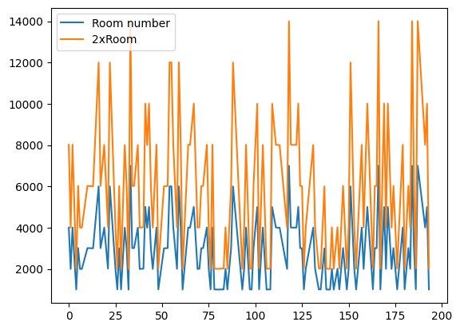
 |  | ... | ... | ... | ... | ...
 |  | 186 | 1-Jan-22 | Tagpad | Stephani Lafee | 1015
 |  | 187 | 1-Jan-22 | Meevee | Victoria Lavery | 7002
 |  | 191 | 1-Jan-22 | Fivechat | Corabella Saye | 4008
 |  | 192 | 1-Jan-22 | Innojam | Leandra Potapczuk | 5002
 |  | 193 | 1-Jan-22 | Twitterworks | Valentia Ledson | 1010

