📊 Accuracy Dashboard
Document Extraction Accuracy Dashboard
506 documents analyzed • Active Accuracy Tier: TIER 3 (YOLOv8 + DOCTR) • Exported 2026-05-28 19:42

89.8% | 100% | 427 | 75
AVG ACCURACY | MEDIAN ACCURACY | EXCELLENT DOCS (90%+) | NEEDS ATTENTION (<70%)

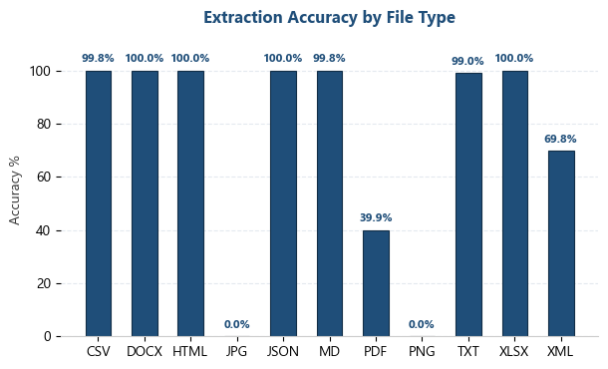
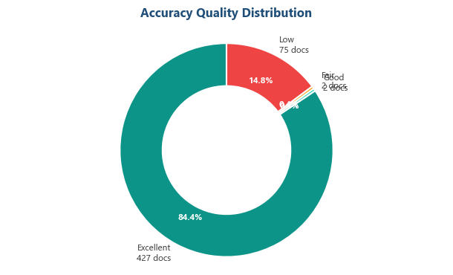

⭐ KEY INSIGHT: Why Accuracy Was Lost

⚠ Documents Requiring Investigation

