python_funda
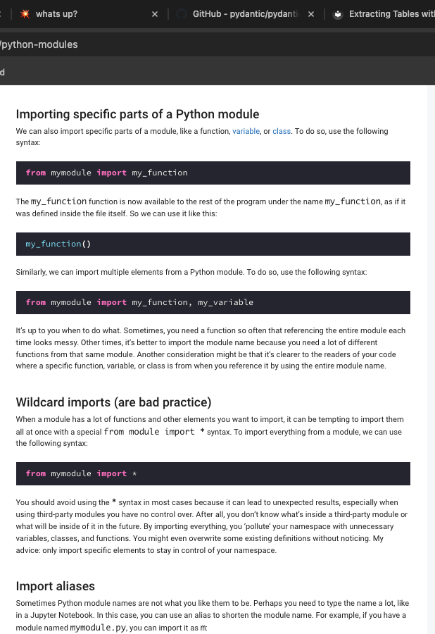
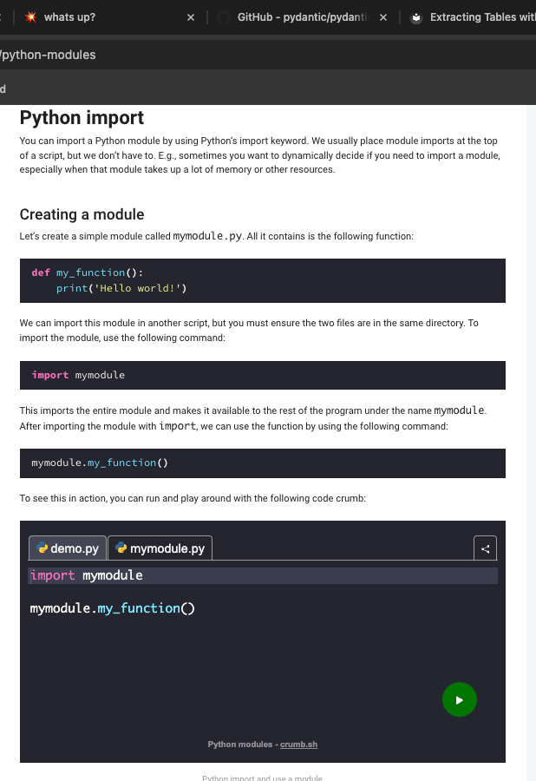
What is an Object? | In Python, everything is an object. Strings, booleans, numbers, and even Python functions are objects.
 | An object is a collection of data (variables) and methods that operate on that data. Objects are defined by a Python class.
How can we inspect an object | dir() | dir(5), dir('five')
What is a Method? | When a FUNCTION is part of an object or Python Class, we call it a method
What is a Python Class? | A class is the blueprint for one or more objects
 | All Python objects are based on a class. When we create an object, we call this ‘creating an instance of a class’.
What is a Script? | If we create a single python File to perform some tasks, it is called a script
What is a module? | If we create a python file to store functions, classes and other definitions, it is called a Module
 | It is a file that contains python code with the .py extension
Why do you need Python modules? | 1. They allow us to organize code. For example, you could store all functions and data related to math in a module called math.py. This is exactly what Python does in the math module!
 | 2. We can reuse code more easily. Instead of copying the same functions from one project to the next, we can now use the module instead. And if we properly package the module, we can even share it with others on the Python package index.
Classes versus Modules | A module groups similar functionality or related functionality into one place. A module, for example, might contain classes, functions, and constants that we use to connect to a particular type of database.
 | A class models your problem domain. It provides a blueprint for one or more objects. E.g., a student class holds student data and related functions that work on that data. There can be many students, and hence there can be many student objects simultaneously.

