Country Box
Go Back
Fixes | 1 | I need fake counter widget for my wordpress website , I guess addmefast.com used online html widget you can provide me same. | On sign up page > username should be limited to 8 charactors & hide the referral code field | On add my page > Title field Make " Space " enabled | Marge " title , dcl & tcl code from add to edit page "
 | 2 | Insert country values as per user selection into app & database , whatever involved it should work like " addmefast.com"
 | 3 | User added page will be shown as per his selection means if he add page for usa, uk. So it will only appear as selection…Hint : I think you can use google ip location plugin to get location of user and serve pages as per their country | 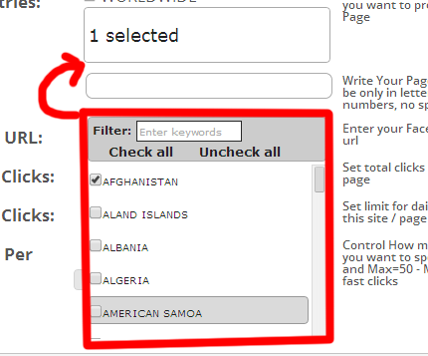
 | 4 | Fix ! Move this red marked popup up near to country box
 | 5 | Insert pagination in > " My Sites" Table I have used " cloud admin " templete you can google it has pagination by default > Pagination will show 5 items each page

Detail popup
Go Back
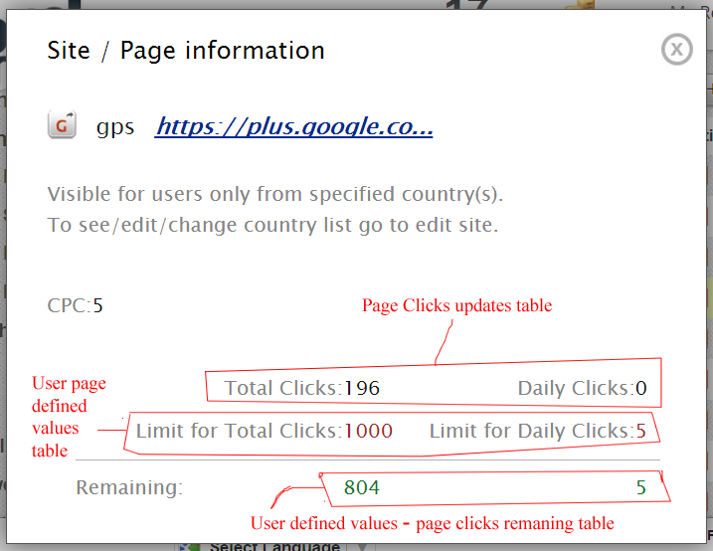 Page status should be shown in detail popup currently only " DCL & TCL " working make other all statuses work whatever involved fix this.

