Screen Layout
Project name |  | Subsystem name | Creation date | 2023-07-04 | Last update date | 2025-02-06 | Rev.
Document control number |  | Document title | Creator | KSC | Last updated by | 0 | 1
Function name | Transport company translation table |  | Function ID

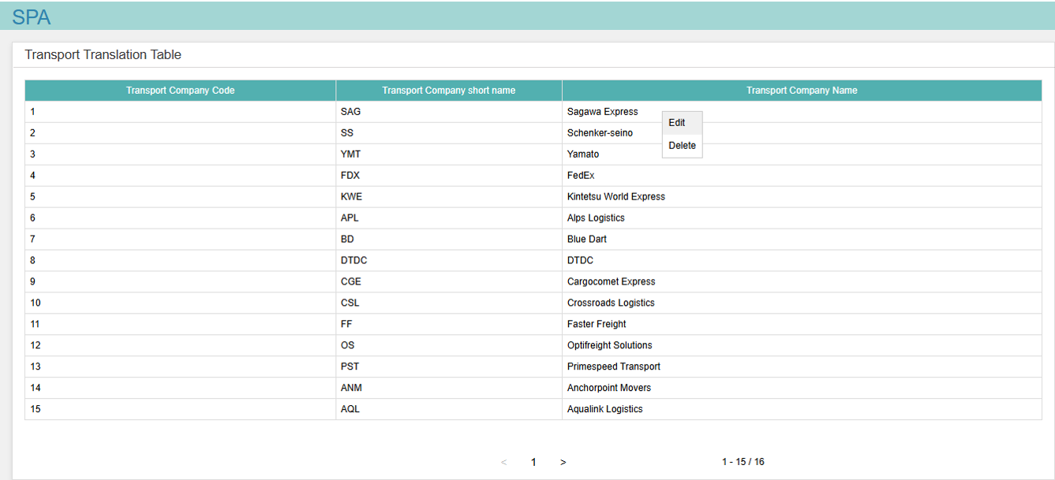
1
2
3
4
5
6
7
8
9
10
12
11
screen layout |  |  |  |  | Screen summary
Transport company translation table screen
 |  |  |  |  | Transport company translation table management screen
 |  |  |  |  | Display and edit the list of transportation company translation tables.

Transport company translation table editing dialog
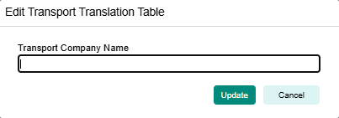
13
14
15
16
17

Transport company translation table deletion confirmation dialog
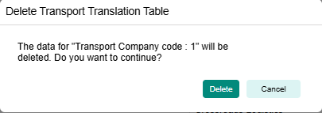
18
19
20
21

