Installation of Postman
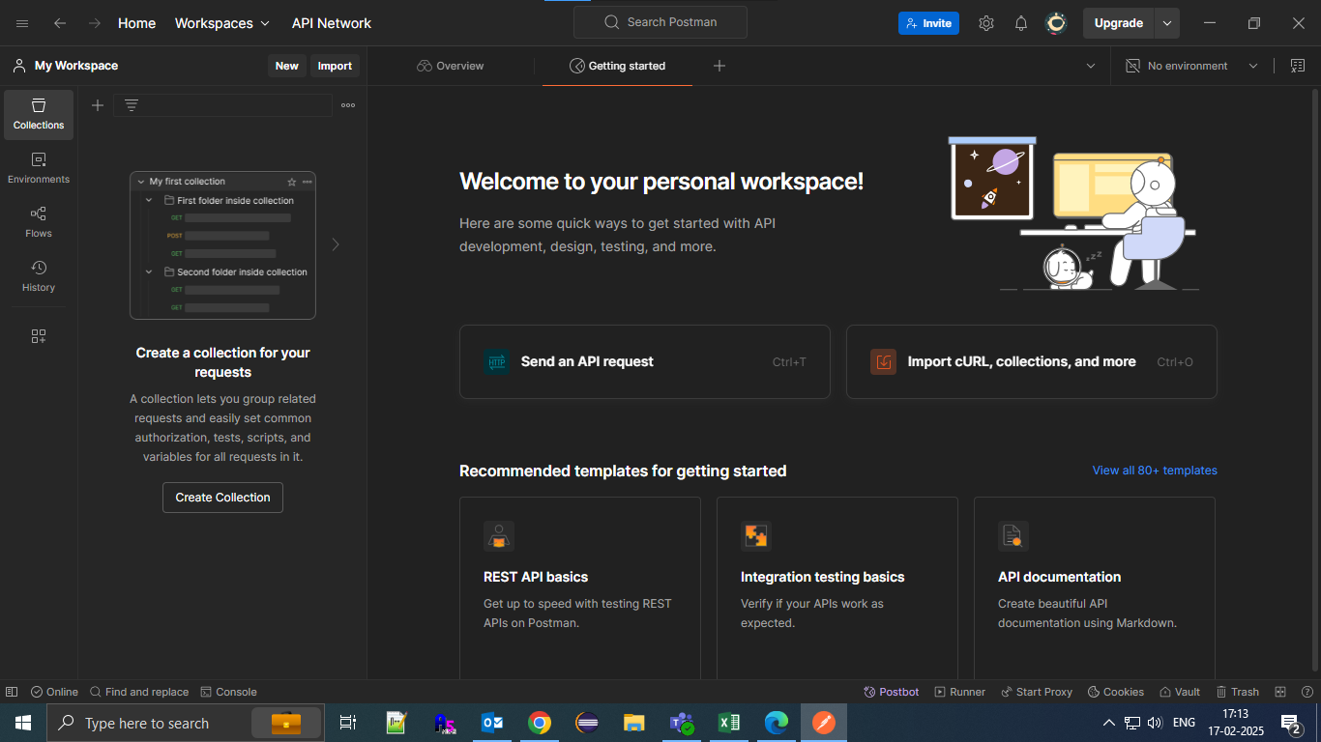
Postman Installation:
Step 1: Go to SCII tools folder (Tools (10.17.4.33)). Path :
 |  | \\10.17.4.33\Tools\Testing
Step 2: Double click on 'Postman-win64-Setup.exe' file
Step 3: Open the 'Postman' app
Step 4: click on 'Sign up for free'

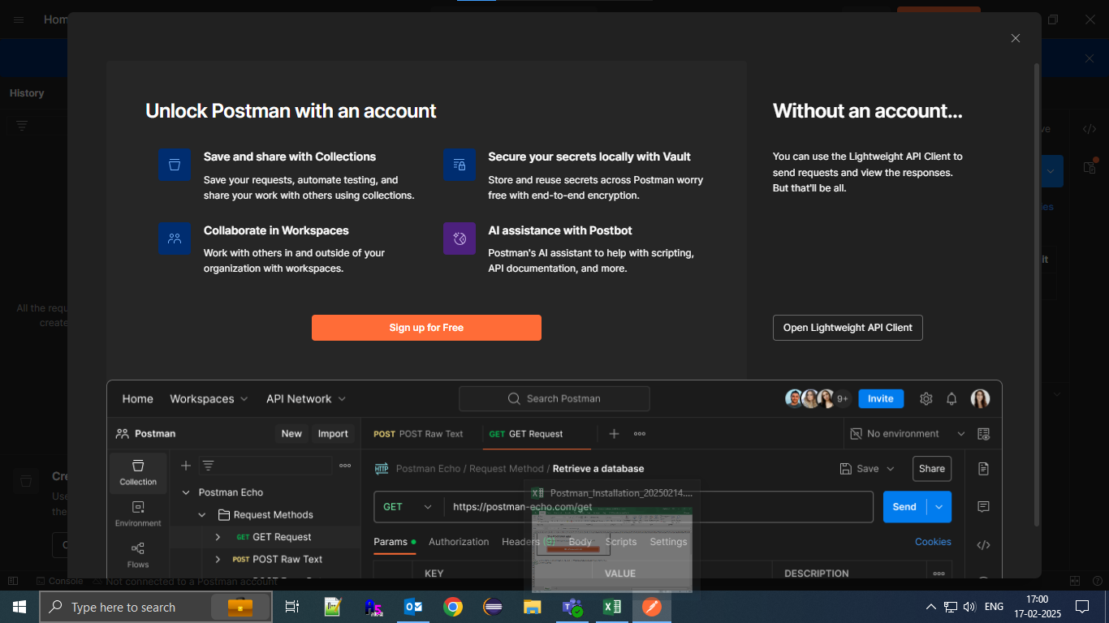

Step 5: It will redirect to postman browser to sign up.
Step 6: Enter the mail id as 'your microsoft account', enter 'username' and 'password'.
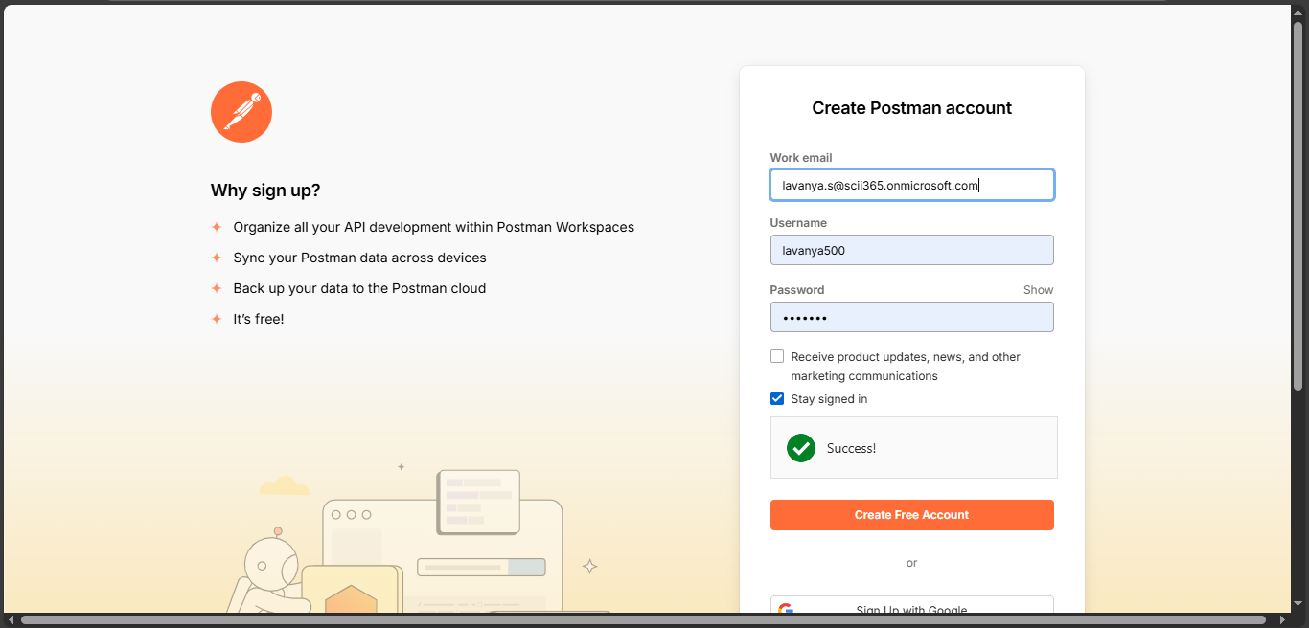

Step 6: After click on 'Create Free Account', it will redirect to 'Postman' app.
Step 7: Enter your name in name field and Select 'Student' in role field.
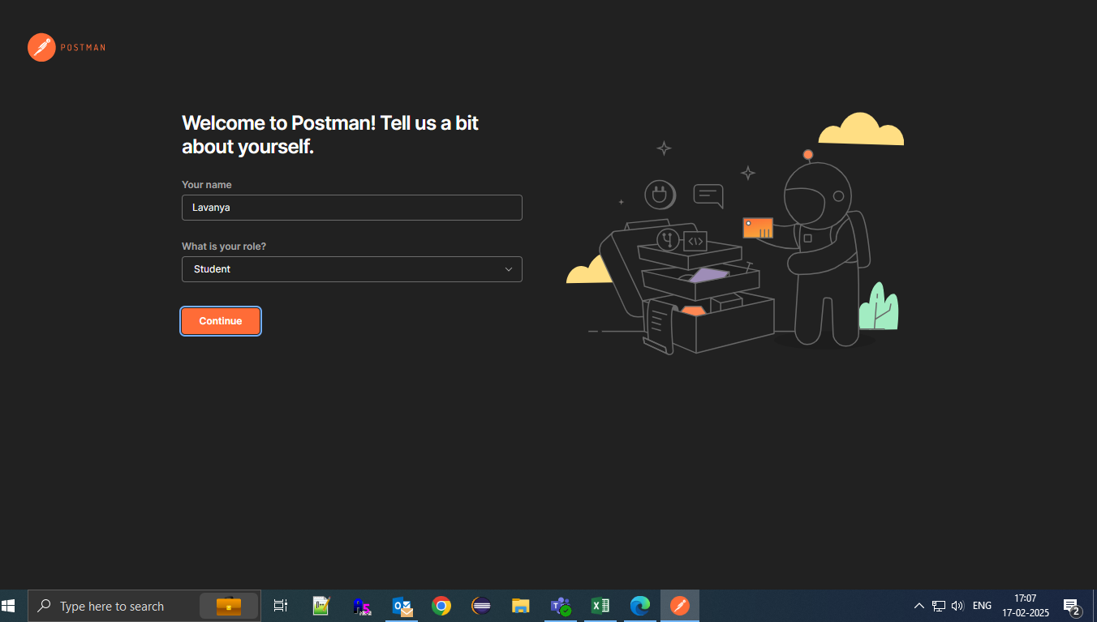

Step 8: You will receive a verification email. Click on the link in the email to verify your email address.
 | After the email is verified, open the Postman app.

Steps to test URL from POSTMAN
Step to URLs
Step 1: Open 'Postman' app.
Step 2: Click on 'Import' button.
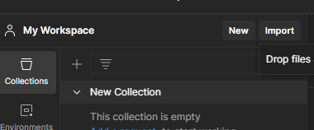

Step 3: A popup window will appear.
Step 4: Click on the "Files" option in the popup.
 | This will redirect you to your local system's file explorer.
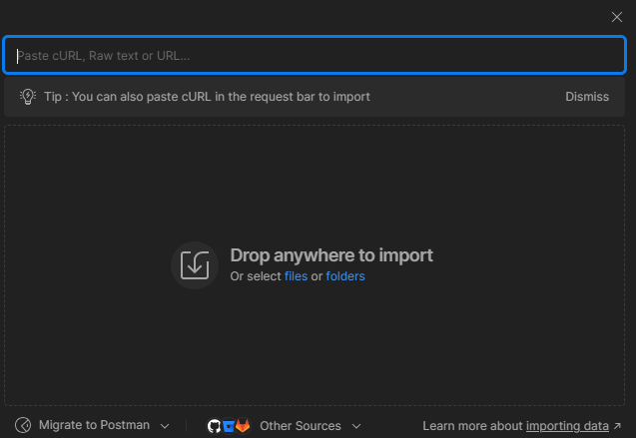

Step 5: Select the file : 'SPA Transport Translation URLS.postman_collection.json' and click on Open

Step 6: Check the imported file in postman
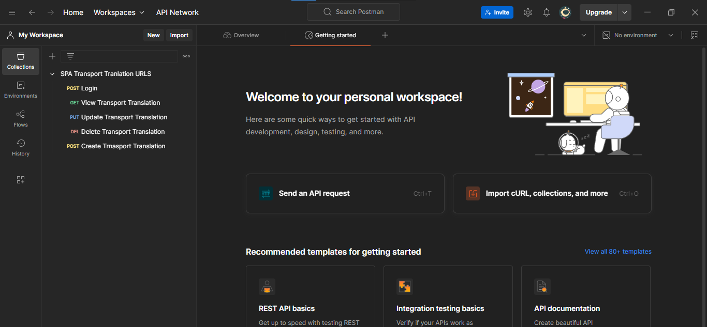

Test login operation :
Step 7: Click on 'Post Login' option
 |  | Click on Body, select raw option.
 |  | Enter your credentials for loginAccount : <SCII EMP ID> and Password : 501
 |  | Put following lines under 'Scripts'
 |  |  | pm.collectionVariables.clear('accessToken');
 |  |  | pm.collectionVariables.set('accessToken', pm.response.json().accessToken);
 |  | Click on 'Send' button.
 |  | If Login operation is successful 200 OK is displayed and logged-in user details will be displayed in console otherwise respective error code is displayed.
 |  | Refer sheet : 'Response code (ERR) details' for error code description.
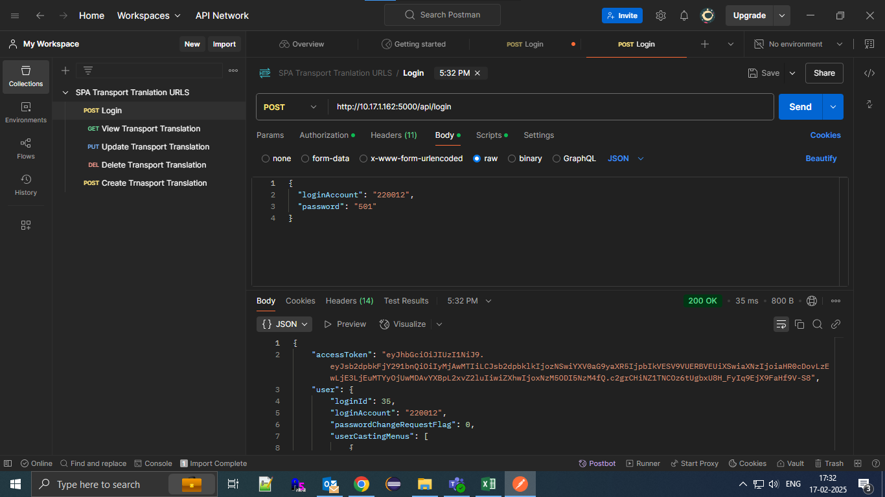

Test display of transport translation data (View Transport Translation):
Step 8: Click 'GET View Transport Translation' option.
 | Click on 'Send' button.
 | If login is successful, in Console, details of logged-in user must be displayed.
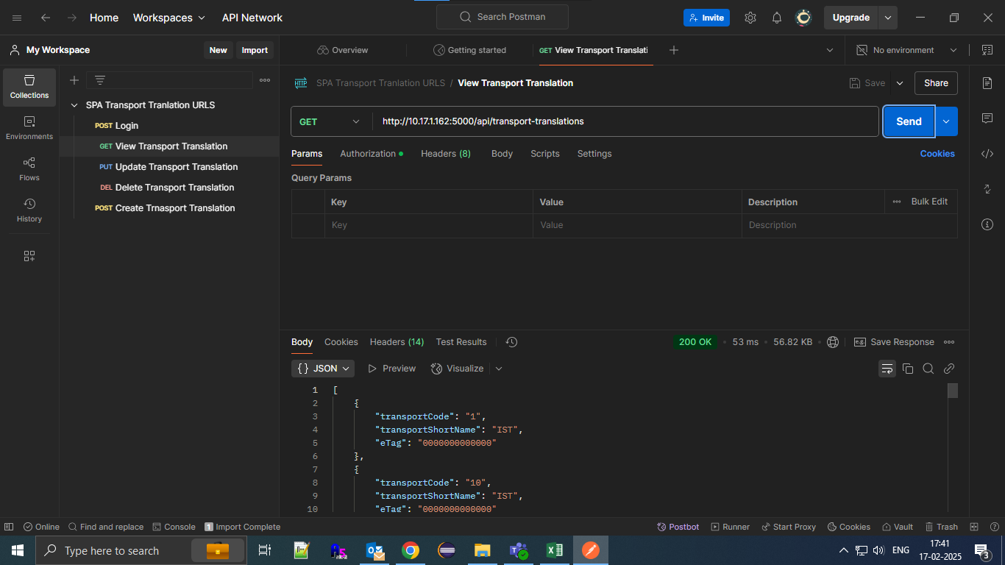

Test edit operation (Update Transport Translation) :
Step 9: Click 'PUT Update Transport Translation' option.
 | Click on 'Params', enter path Variable. Key : transportCode, value <transportCode for which data is to be updated>
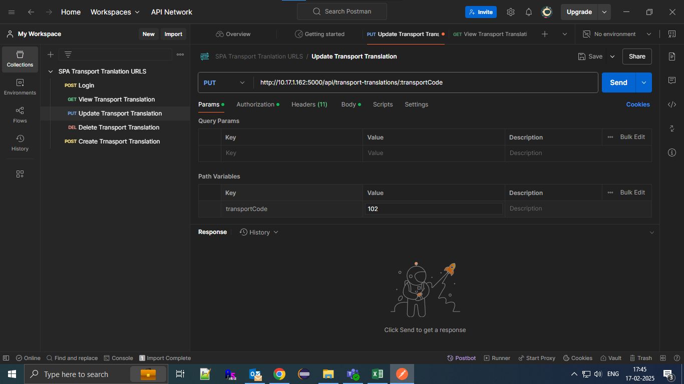

 | Click on 'Authorization', Select 'Bearer Token' from Auth Type dropdown.
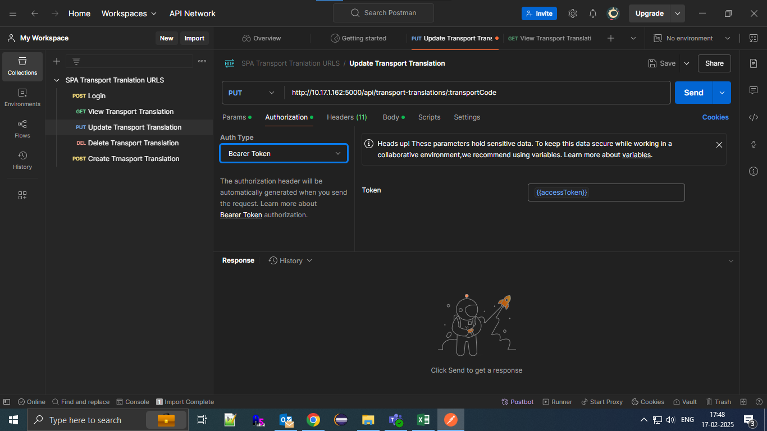

 | Click on 'Headers', enter the key : 'If-Match' and value : e-tag value received from 'View Transport Translation' url.


 | Click on Body, select raw option.
 | Enter the transport name to be updated
 | Click on 'Send' button.
 | If Edit operation is successful 200 OK is displayed otherwise respective error code is displayed. Refer sheet : 'Response code (ERR) details' for error code description.
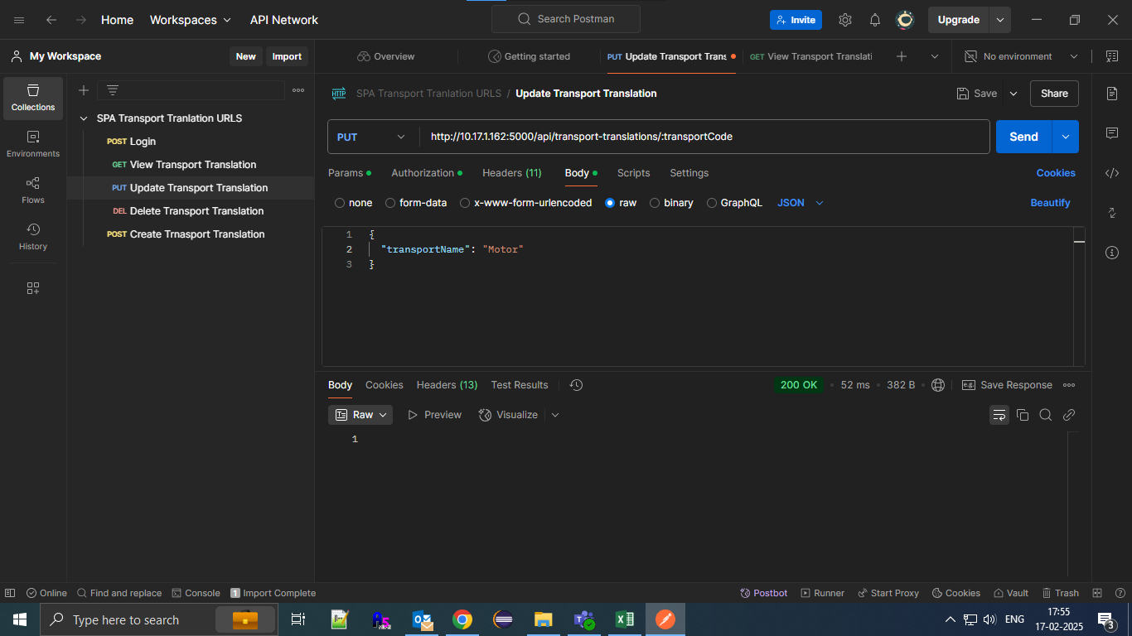

 | Go to 'GET View Transport Translation', click on 'Send' button.
 | Check the updated transport name.
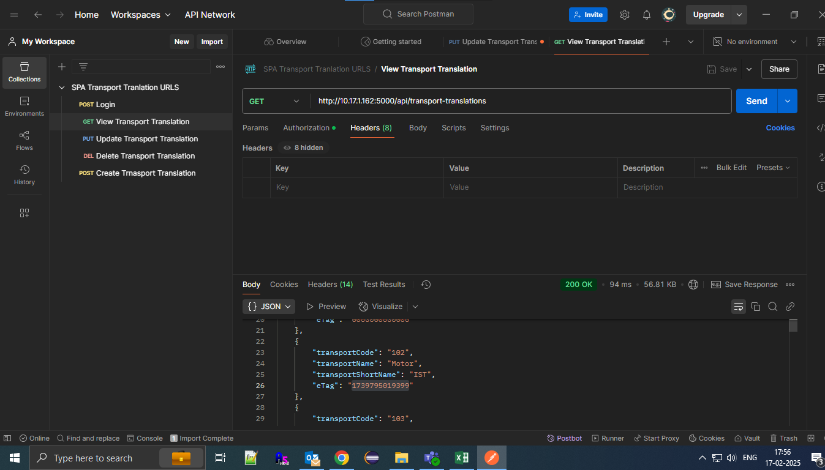

Test delete operation (Delete Transport Translation) :
Step 10: Click 'DEL Delete transport translation' option.
 | Enter transport code to be deleted in Params as mentioned in edit operation.
 | Select auth type in Authorization as mentioned in edit operation.
 | Add eTag value in Headers as mentioned in edit operation.
 | Click on 'Send' button.
 | If Delete operation is successful 200 OK is displayed otherwise respective error code is displayed. Refer sheet : 'Response code (ERR) details' for error code description.
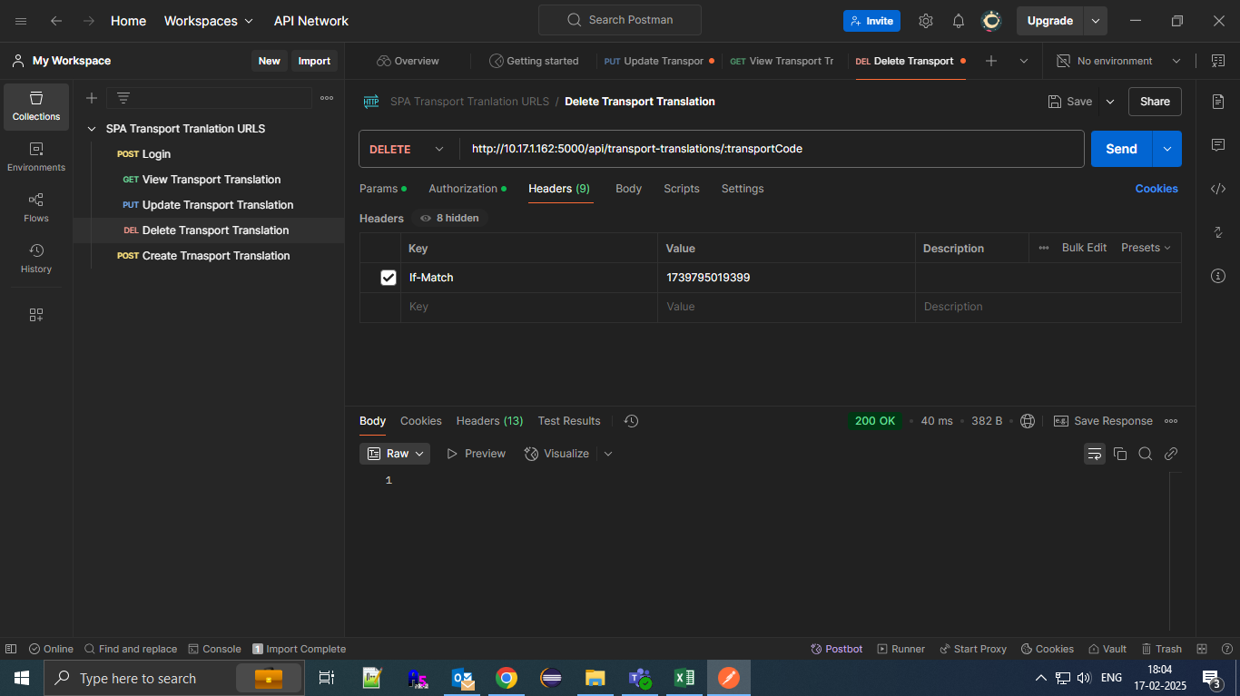

 | Go to 'GET View Transport Translation', click on 'Send' button.
 | Check whether respective transport translation data has been deleted or not.

Login_TT_Headers
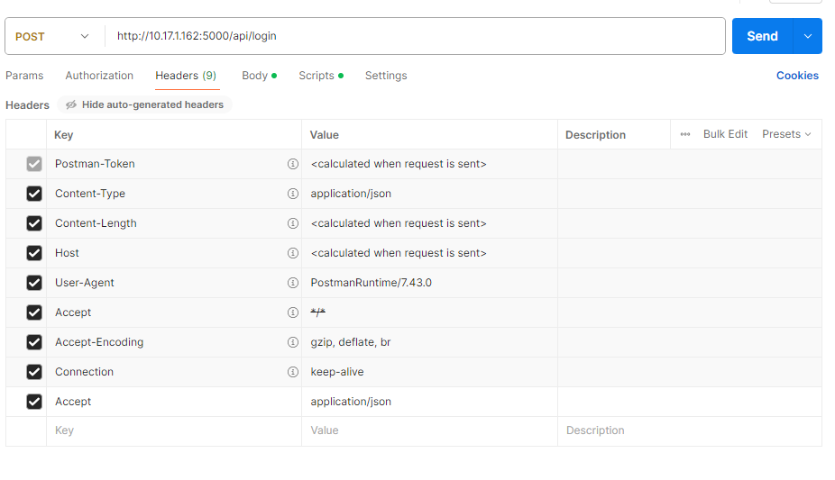

View_TT_Headers
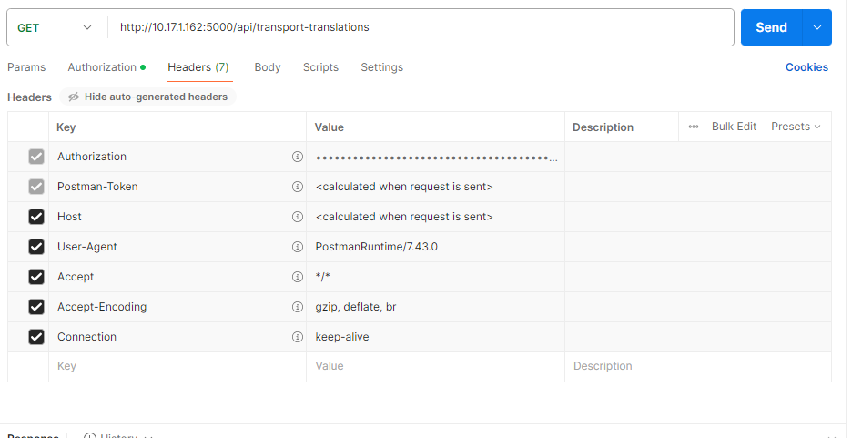

Update_TT_Headers
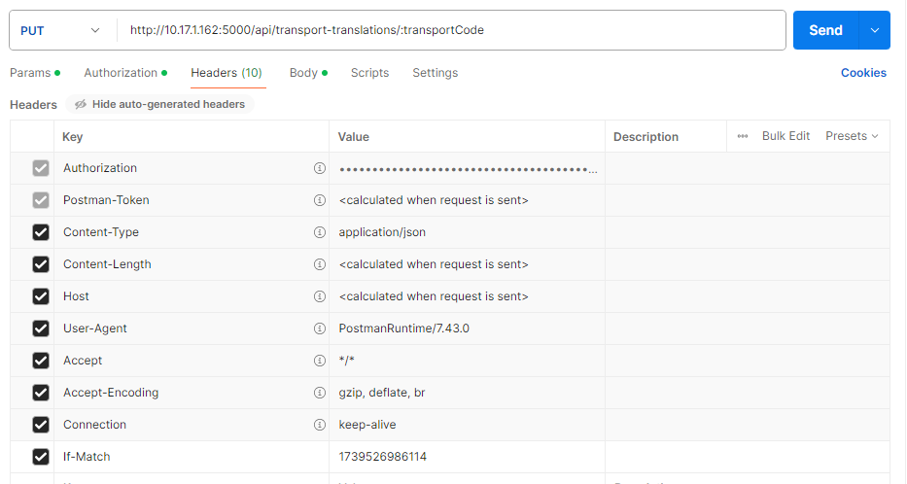

Delete_TT_Headers
