TestData
SL No | Test Data

1 | Initial Display of Transport Company Translation Table
 | Visual Reference
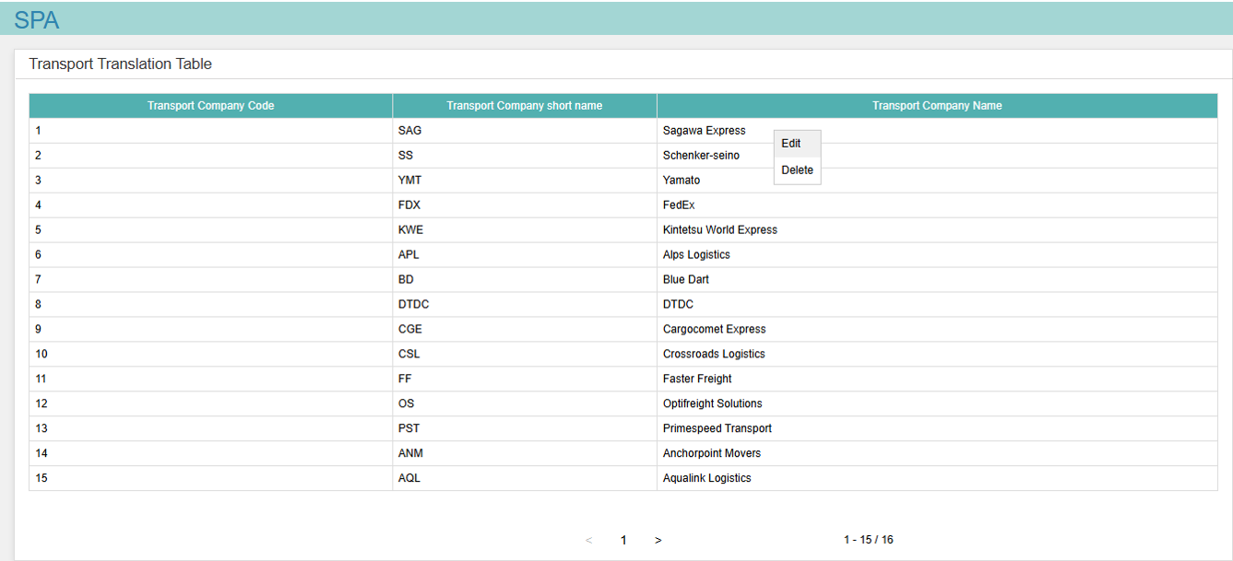

 |  | ID | Element | Attribute | Expected Value | Description
 |  | 1.1 | SPA Label | Text | SPA | The SPA label displays the text "SPA" at the top of the application. As per the above visual reference.
 |  | 1.2 | SPA Label | Position | Top Left | The SPA label is positioned at the top-left corner of the application interface. As per the above visual reference.
 |  | 1.3 | SPA Label | Font Color | Teal (#26A69A) | The SPA label uses Teal(#26A69A) font color for text visibility. As per the above visual reference.
 |  | 1.4 | SPA Label | Background Color | light cyan(#B2EBF2) | The SPA label has a light cyan(#B2EBF2) background, matching the application’s header area.
 |  | 1.5 | SPA Label | Existence | Present | The SPA label is visible upon application load. As per the above visual reference.
 |  | 1.6 | Transport Translation Table Label | Text | Transport Translation Table | The label displays the text "Transport Translation Table" below the SPA label. As per the above visual reference.
 |  | 1.7 | Transport Translation Table Label | Position | Below SPA Label, Left-Aligned | The label is positioned directly below the SPA label, aligned to the left. As per the above visual reference.
 |  | 1.8 | Transport Translation Table Label | Font Color | Black | The label uses black font color for text visibility. As per the above visual reference.
 |  | 1.9 | Transport Translation Table Label | Background Color | White | The label has a white background, matching the table header area. As per the above visual reference.
 |  | 1.10 | Transport Translation Table Label | Existence | Present | The label is visible upon application load. As per the above visual reference.
 |  | 1.11 | Table Column Headers (First Column) | Text | Transport Company Code | The table header display the specified column name. As per the above visual reference.
 |  | 1.12 | Table Column Headers. (Second Column) | Text | Transport Company Short Name | The table header display the specified column name. As per the above visual reference.
 |  | 1.13 | Table Column Headers (Third Column) | Text | Transport Company Short Name | The table header display the specified column name. As per the above visual reference.
 |  | 1.14 | Table Column Headers | Font Color | White | The column headers use white font color for contrast against the header background. As per the above visual reference.
 |  | 1.15 | Table Column Headers | Background Color | Teal (#26A69A) | The column headers have a Teal (#26A69A) background for visual distinction. As per the above visual reference.
 |  | 1.16 | Table Rows | Font Color | Black | Non-header table rows use black font color for data visibility. As per the above visual reference.
 |  | 1.17 | Table Rows | Background Color | White | Non-header table rows have a white background. As per the above visual reference.
 |  | 1.18 | Table Rows | Background Color | Light Gray on Hover | Non-header table rows must change to light gray when hovered. As per the above visual reference.
 |  | 1.19 | Pagination Controls | Icons | >, <, Page Number | The pagination controls display a forward arrow (>), backward arrow (<), and the current page number (e.g., "1"). As per the above visual reference.
 |  | 1.20 | Pagination Controls | Alignment | Bottom Center | The pagination controls are centered below the table, aligned horizontally. As per the above visual reference.
 |  | 1.21 | Pagination Controls | Font Color | Black for Active | Active pagination icons and page number use black font color.
 |  | 1.22 | Pagination Controls | Background Color | White | The pagination controls have a white background, matching the table area. As per the above visual reference.
 |  | 1.23 | Pagination Controls | State (≤15 Rows) | Disabled, Page Number Visible | For ≤15 rows, the forward (>) and backward (<) arrows are disabled (grayed out, non-clickable), but the page number (e.g., "1") is visible in black. As per the above visual reference.
 |  | 1.24 | Pagination Controls | State (>15 Rows) | Enabled, Page Number Visible | For >15 rows, the forward (>) and backward (<) arrows are enabled (black, clickable), and the page number (e.g., "1", "2") is visible in black. As per the above visual reference.
 |  | 1.25 | Table (No Data) | Display | No Records Message | When no data is available, the table displays a message: "No records available" in black font, centered within the table area. As per the above visual reference.
 |  | 1.26 | Table (No Data) | Display | No Records Message font color | When no data is available, the message font color must be in black.
 |  | 1.27 | Pagination Controls | Font Color | Gray for Disabled | Disabled icons must be gray color.
 |  | 1.28 | Pagination - Page number | Existence | Present | The Page number is visible upon application load. As per the above visual reference.
 |  | 1.29 | Pagination - Page number | Text | Count of current page | The Page number displays with the text "<Current Page Count>". As per the above visual reference.
 |  | 1.30 | Pagination - Page number | Position | Next to '<' pagination control. | The Page number is positioned next to '<' pagination control of the application interface. As per the above visual reference.
 |  | 1.31 | Pagination - Page number | Font Color | Black | The Page number uses black font color for text visibility. As per the above visual reference.
 |  | 1.32 | Pagination - Page number | Background Color | White | The Page number has a white background, matching the application’s body background.
 |  | 1.33 | Data Rows count | Existence | Present | The Data Rows count is visible upon application load. As per the above visual reference.
 |  | 1.34 | Data Rows count | Text | Range of Row Count of current page/Total Rows of data. | The Data Rows count displays with the text "Range of Row Count of current page/Total Rows of data". As per the above visual reference.
 |  | 1.35 | Data Rows count | Position | Next to '<' pagination control. | TheData Rows count is positioned next to pagination controls botton right of the application interface. As per the above visual reference.
 |  | 1.36 | Data Rows count | Font Color | Black | The Data Rows count uses black font color for text visibility. As per the above visual reference.
 |  | 1.37 | Data Rows count | Background Color | White | The Data Rows count has a white background, matching the application’s body background.
2 | Initial Display of Edit Dialog
 | Visual Reference

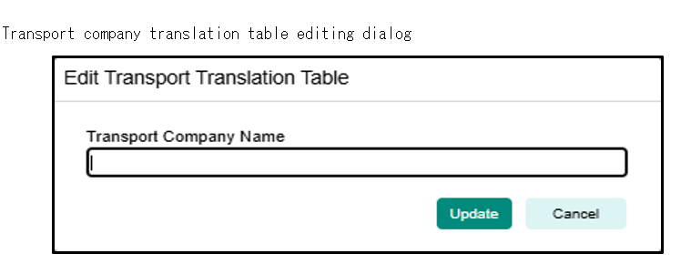

 |  | ID | Element | Attribute | Expected Value | Description
 |  | 2.1 | Edit Dialog | Title Text | Edit Transport Translation Table | The Edit dialog displays the title with the text "Edit Transport Translation Table". As per the above visual reference.
 |  | 2.2 | Edit Dialog | Title Position | Left-Aligned | The title is left-aligned, positioned at the top of the page. As per the above visual reference.
 |  | 2.3 | Edit Dialog | Subtitle Text | Transport Company Name | The subtitle text must be "Transport Company Name". As per the above visual reference.
 |  | 2.4 | Edit Dialog | Subtitle Position | Left-Aligned | The subtitle is left-aligned, positioned above the input field below the title field. As per the above visual reference.
 |  | 2.6 | Edit Dialog | Buttons | Update, Cancel | The dialog displays two buttons: "Update" (teal) and "Cancel" (light gray), right-aligned. As per the above visual reference.
 |  | 2.7 | Edit Dialog | Button Colors | Update: Teal (#008080), Cancel: Light Gray (#E0E0E0) | The Update button has a teal background with white text; the Cancel button has a light gray background with black text. As per the above visual reference.
 |  | 2.8 | Edit Dialog | Layout | White Background, Black Border, Centered Modal | The dialog has a white background, a thin black border, and is centered on the screen as a dialog. As per the above visual reference.
3 | Initial Display of Delete Dialog
 | Visual Reference

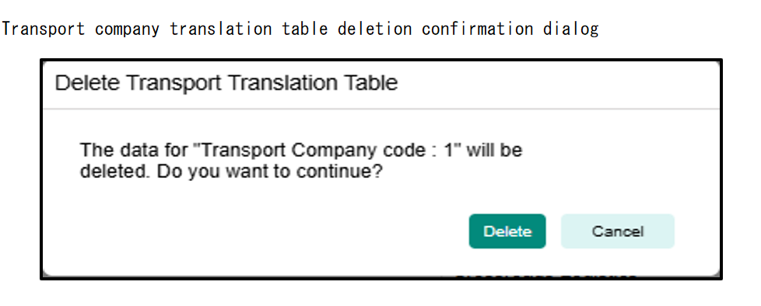

 |  | ID | Element | Attribute | Expected Value | Description
 |  | 3.1 | Delete Dialog | Title Text | Delete Transport Translation Table | The Delete dialog displays the title "Delete Transport Translation Table" at the top. As per the above visual reference.
 |  | 3.2 | Delete Dialog | Message Text | The data for 'Transport Company Code: 1' will be deleted. Are you sure? | The dialog displays a confirmation message with the specified text, centered below the title. As per the above visual reference.
 |  | 3.3 | Delete Dialog | Buttons | Delete, Cancel | The dialog displays two buttons: "Delete" (teal) and "Cancel" (light gray), right-aligned. As per the above visual reference.
 |  | 3.4 | Delete Dialog | Button Colors | Delete: Teal (#008080), Cancel: Light Gray (#E0E0E0) | The Delete button has a teal background with white text; the Cancel button has a light gray background with black text. As per the above visual reference.
 |  | 3.5 | Delete Dialog | Layout | White Background, Black Border, Centered Modal | The dialog has a white background, a thin black border, and is centered on the screen as a modal. As per the above visual reference.
4 | Application URL:
 | < after development url of the application >

5 | Input for Edit dialog, Transport Company Name : (greater than 0 and less than 40 characters)
 | TEST LOGISTICS

6 | Input for Edit dialog, Transport Company Name : (greater than 40 characters)
 | TEST LOGISTICS TEST LOGISTICS TEST LOGIST

7 | Transport Company Code for deletion
 | Transport Company Code: 3
 | Transport Company Name: Yamato

8 | Non-blank Transport Company Name record
 | Transport Company Code: 4
 | Transport Company Short Name: FDX
 | Transport Company Name: FedEx

9 | Blank Transport Company Name record
 | Find blank Transport Company Name record from the table or if unable to find, right click on non blank Transport Company Name and Perform Delete operation. The blank Transport Company Name cell will be displayed, choose this.

10 | Blank Transport Company Name record
 | Find blank Transport Company Name record from the table or if unable to find, right click on non blank Transport Company Name and Perform Delete operation. The blank Transport Company Name cell will be displayed, choose this.

11 | Valid Transport Company Name with special characters
 | Transport Company Name: DHL & Co_1.

12 | Valid Transport Company Name with exactly 40 characters
 | Transport Company Name:FedEx FedEx FedEx FedEx FedEx FedEx Fede

13 | Non-blank Transport Company Name record for Duplication check
 | Transport Company Code: 1
 | Transport Company Short Name: SAG
 | Transport Company Name: Sagawa Express

14 | Non-blank Transport Company Name record for special characters update check
 | Transport Company Code: 14
 | Transport Company Short Name: ANM
 | Transport Company Name: Anchorpoint Movers

15 | Non-blank Transport Company Name record for exact 40 characters update check
 | Transport Company Code: 15
 | Transport Company Short Name: AQL
 | Transport Company Name: Aqualink Logistics

