Hypotheses
Predictor | Hypothesis | Magnitude | Direction
US Spot Market Prices of Crude Oil | Higher crude prices often deter gasoline consumption due to price elasticity. | High | Negative | Karina's personal hypotheses: you can challenge or disagree.
Regular (87 Octane) Gasoline Prices | Higher gasoline prices generally deter consumption. | High | Negative
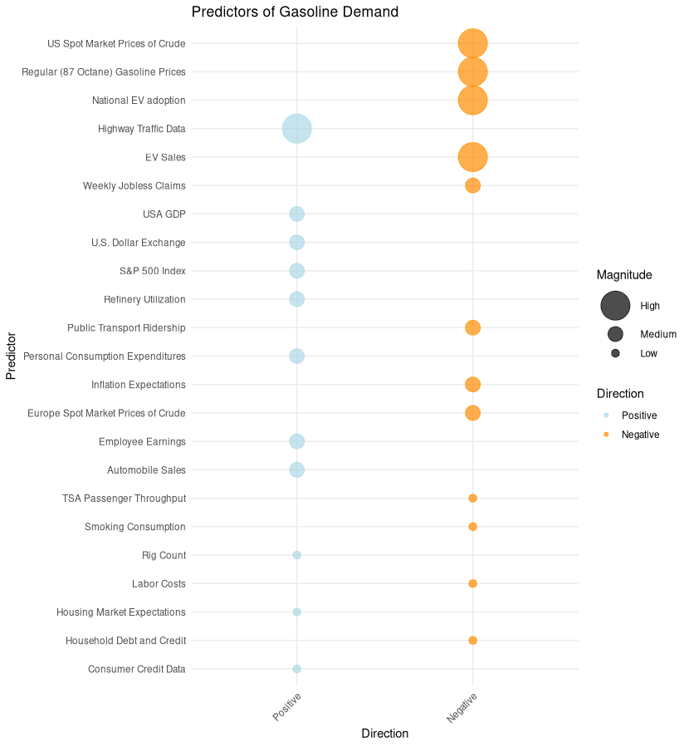
EV Sales | Increased EV sales may decrease gasoline demand as more people use electric vehicles. | High | Negative
EV Regulations | Higher EV regulations decrease gasoline demand as fleet companies are forced to transition away from gasoline vehicles. | High | Negative
Highway Traffic Data | Increased highway traffic indicates greater vehicle usage, leading to higher gasoline demand. | High | Positive
S&P 500 Index | Higher stock market performance may indicate a booming economy, leading to increased gasoline demand. | Medium | Positive
Weekly Jobless Claims | Higher jobless claims indicate economic downturns, which may result in decreased gasoline demand. | Medium | Negative
Europe Spot Market Prices of Crude Oil | If European crude prices rise and the US follows, it could deter gasoline demand. | Medium | Negative
USA GDP | Higher GDP indicates a robust economy, potentially driving up gasoline demand. | Medium | Positive
Public Transport Ridership | Increased public transport ridership may lead to decreased gasoline demand. | Medium | Negative
Automobile Sales | Higher sales, especially of gasoline-based vehicles, indicate potential increased gasoline demand. | Medium | Positive
Personal Consumption Expenditures | Higher consumer spending can suggest increased economic activity and gasoline demand. | Medium | Positive
Refinery Utilization | Higher refinery utilization can lead to increased gasoline supply, potentially affecting demand balance. | Medium | Positive
U.S. Dollar Index | A stronger U.S. dollar can make oil imports cheaper, potentially affecting gasoline prices and demand. | Medium | Positive
Inflation Expectations | Higher inflation expectations could deter spending, potentially reducing gasoline demand. | Medium | Negative
Employee Earnings | Higher earnings boost disposable income, possibly increasing gasoline demand due to increased travel. | Medium | Positive |  | -
TSA Passenger Throughput | An increase in passenger throughput may indicate higher air travel, potentially reducing gasoline demand. | Low | Negative
Rig Count | A higher rig count suggests increased domestic production, potentially influencing gasoline demand. | Low | Positive
Consumer Credit Data | Higher consumer credit indicates more spending, including on vehicles and travel, potentially driving gasoline demand. | Low | Positive
Household Debt and Credit | Higher household debt may deter spending, including on travel, potentially reducing gasoline demand. | Low | Negative
Labor Costs | Rising labor costs could affect gasoline production costs, potentially affecting gasoline demand. | Low | Negative
Smoking Consumption | Decrease in smoking might indicate health-conscious decisions, including eco-friendly transportation choices. | Low | Negative
Housing Market Expectations | A booming housing market might lead to increased travel, potentially driving up gasoline demand. | Low | Positive
Major Driving Holiday Week | Weeks containing Memorial Day, July 4, Labor Day, Thanksgiving, Christmas, or New Year's Day see a surge in road trips and family travel, which should raise gasoline demand relative to an ordinary week. But Thanksgiving and Christmas weeks also carry days when many people don't commute or run errands at all, so the net effect could go either way depending on which force dominates. | High | Conditional
Work From Home Share | A higher share of work-from-home days should lower gasoline demand, since commuting is a large and regular share of vehicle miles driven and this trip disappears entirely on remote days. This is a structural shift rather than a short-term fluctuation, and expected to matter most in explaining why demand hasn't returned to pre-2020 levels rather than in explaining week-to-week noise. | High | Negative
US Population-Weighted HDD | Severe winter cold and winter storms reduce vehicle miles traveled and suppress gasoline demand. | Medium | Negative
US Population-Weighted CDD | Warmer summer temperatures increase vacation driving trips and air conditioning load. | Medium | Positive

ARIMAX(1,1,1) Model
ARIMAX(1,1,1): regression with ARIMA(1,1,1) errors, fit by maximum likelihood (Python statsmodels SARIMAX)
Model: Demand_t = Σ β_k·X_k,t + u_t, (1−φL)(1−L)u_t = (1+θL)ε_t. Time dimension enters three ways: first differencing (d=1), a linear time trend on Week #, and two Fourier harmonic pairs for annual seasonality.
Estimated on 1763 known weeks (Week # 7 to 1769, 1991-03-22 to 2024-12-27; earlier weeks lack vehicle-miles data). Blue cells are hardcoded estimates exported from statsmodels; change them and the Target sheet recalculates.
Gasoline demand: actual vs ARIMAX(1,1,1), 2020 onward
 | Actual demand | ARIMAX fit / forecast | 95% lower | 95% upper
2019-12-20 | 9303 | 9,153.2
2019-12-27 | 8961 | 8,995.4
2020-01-03 | 8133 | 8,933.2
2020-01-10 | 8558 | 8,827.2
2020-01-17 | 8662 | 8,803.7
2020-01-24 | 8793 | 8,816.8
2020-01-31 | 8933 | 8,815.2
2020-02-07 | 8722 | 8,930.7
2020-02-14 | 8918 | 8,917.8
2020-02-21 | 9035 | 8,953.8
2020-02-28 | 9186 | 8,976.8
2020-03-06 | 9449 | 9,081.1
2020-03-13 | 9696 | 9,190.4
2020-03-20 | 8837 | 8,717.1
2020-03-27 | 6659 | 6,941.1
2020-04-03 | 5065 | 4,815.1
2020-04-10 | 5081 | 4,772.3
2020-04-17 | 5311 | 5,757.4
2020-04-24 | 5860 | 6,195.2
2020-05-01 | 6664 | 6,734.3
2020-05-08 | 7398 | 7,239.1
2020-05-15 | 6790 | 7,589.9
2020-05-22 | 7253 | 7,554.8
2020-05-29 | 7549 | 7,638.2
2020-06-05 | 7900 | 7,940.0
2020-06-12 | 7870 | 8,012.9
2020-06-19 | 8608 | 7,910.6
2020-06-26 | 8561 | 8,096.9
2020-07-03 | 8766 | 8,646.9
2020-07-10 | 8648 | 8,476.6
2020-07-17 | 8550 | 8,558.0
2020-07-24 | 8809 | 8,559.6
2020-07-31 | 8617 | 8,677.8
2020-08-07 | 8883 | 8,756.6
2020-08-14 | 8630 | 8,924.1
2020-08-21 | 9161 | 8,815.0
2020-08-28 | 8786 | 8,956.4
2020-09-04 | 8390 | 8,877.9
2020-09-11 | 8478 | 8,647.7
2020-09-18 | 8515 | 8,748.0
2020-09-25 | 8529 | 8,646.1
2020-10-02 | 8896 | 8,721.6
2020-10-09 | 8576 | 8,791.9
2020-10-16 | 8289 | 8,721.7
2020-10-23 | 8545 | 8,650.4
2020-10-30 | 8336 | 8,657.9
2020-11-06 | 8762 | 8,591.6
2020-11-13 | 8258 | 8,663.8
2020-11-20 | 8129 | 8,552.5
2020-11-27 | 7973 | 8,319.2
...
Term | Target column / definition | Coefficient | Std. error | p-value
Regular gasoline price | Target!I ($/gal) | (230.6489) | 41.0189 | 0.0000
Vehicle miles traveled | Target!N ÷ 1000 (bn miles) | 0.8208 | 0.7196 | 0.2540
Heating degree days | Target!AD | 0.6454 | 0.3132 | 0.0393
Cooling degree days | Target!AE | 3.0064 | 0.8870 | 0.0007
Major holiday week | Target!AC (0/1) | (109.7339) | 18.4930 | 0.0000
COVID lockdown dummy | 1 if Date between COVID start and end below | (599.0797) | 159.3671 | 0.0002
Initial jobless claims | Target!E ÷ 1000 | (0.7003) | 0.0404 | 0.0000
Refinery utilization | Target!V (%) | 15.9913 | 3.5659 | 0.0000
Time trend | Target!A (Week #) | 1.1209 | 0.7489 | 0.1345
Annual harmonic 1 (sin) | SIN(2π·1·Week#/P) | 120.8647 | 19.8010 | 0.0000
Annual harmonic 1 (cos) | COS(2π·1·Week#/P) | (224.1339) | 44.2388 | 0.0000
Annual harmonic 2 (sin) | SIN(2π·2·Week#/P) | (62.0633) | 12.8743 | 0.0000
Annual harmonic 2 (cos) | COS(2π·2·Week#/P) | (98.2086) | 20.4457 | 0.0000
AR(1) φ | error process | 0.0975 | 0.0233 | 0.0000
MA(1) θ | error process | (0.9001) | 0.0111 | 0.0000
Innovation variance σ² | error process | 74,698.1999 | 2,325.1042 | 0.0000

Assumptions
Seasonal period P (weeks/year) | 365.2425 / 7 | 52.1775
COVID dummy start | Same window as the existing M1 Weather + Holiday model | 2020-03-20
COVID dummy end |  | 2020-06-26
95% interval z |  | 1.959964

Fit & validation
AIC |  | 24,808.6
BIC |  | 24,896.2
2024 holdout RMSE (refit through 2023, 52-wk dynamic forecast) |  | 305.3
2024 holdout MAPE |  | 2.84%
In-sample MAPE, 1-step ahead (computed live from Target) |  | 2.53%
Existing M1 Weather + Holiday, 2024 MAPE (for comparison) |  | 5.23%

Notes
Forecast recursion (Target!AP): ŷ_t = Xβ_t + u_{t-1} + φ(u_{t-1} − u_{t-2}) + θ·ε_{t-1}. Where Demand is known, u uses the actual value; where it is missing, u uses the forecast and ε = 0, so the forecast from 2025-01-03 onward is a true multi-step dynamic forecast.
Intervals (Target!AT:AX) use ARIMA ψ-weights: ψ0=1, ψ1=1+φ+θ, ψj=(1+φ)ψ(j−1)−φψ(j−2); Var_h = σ²·Σψ². They ignore parameter uncertainty (same as statsmodels).
Covariates in 2025–2026 are the realized values already in the workbook, so this is an ex-post forecast; a true ex-ante forecast would also need forecasts of the covariates.
Residual Ljung-Box test: no autocorrelation at 10 lags (p=0.19), but some remains at 52 lags, so part of the annual pattern is not fully captured.
The pre-existing column AN ("ARIMAX with cdd and hdd") was left untouched. In the blank-Demand rows it refers to its own cell (circular reference; iterative calculation is off) and to empty column AO, so it returns a value error when recalculated. Its old cached value was a flat 6,381.8.

