Hypotheses
Predictor | Hypothesis | Magnitude | Direction
US Spot Market Prices of Crude Oil | Higher crude prices often deter gasoline consumption due to price elasticity. | High | Negative | Karina's personal hypotheses: you can challenge or disagree.
Regular (87 Octane) Gasoline Prices | Higher gasoline prices generally deter consumption. | High | Negative
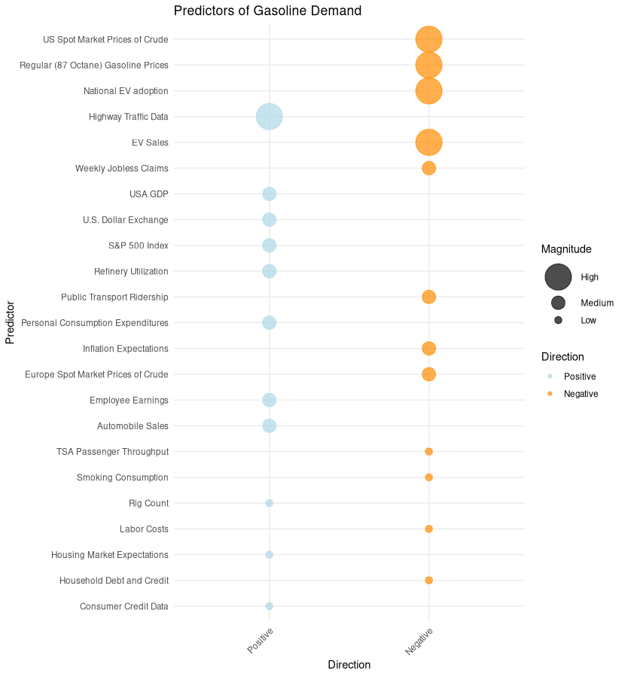
EV Sales | Increased EV sales may decrease gasoline demand as more people use electric vehicles. | High | Negative
EV Regulations | Higher EV regulations decrease gasoline demand as fleet companies are forced to transition away from gasoline vehicles. | High | Negative
Highway Traffic Data | Increased highway traffic indicates greater vehicle usage, leading to higher gasoline demand. | High | Positive
S&P 500 Index | Higher stock market performance may indicate a booming economy, leading to increased gasoline demand. | Medium | Positive
Weekly Jobless Claims | Higher jobless claims indicate economic downturns, which may result in decreased gasoline demand. | Medium | Negative
Europe Spot Market Prices of Crude Oil | If European crude prices rise and the US follows, it could deter gasoline demand. | Medium | Negative
USA GDP | Higher GDP indicates a robust economy, potentially driving up gasoline demand. | Medium | Positive
Public Transport Ridership | Increased public transport ridership may lead to decreased gasoline demand. | Medium | Negative
Automobile Sales | Higher sales, especially of gasoline-based vehicles, indicate potential increased gasoline demand. | Medium | Positive
Personal Consumption Expenditures | Higher consumer spending can suggest increased economic activity and gasoline demand. | Medium | Positive
Refinery Utilization | Higher refinery utilization can lead to increased gasoline supply, potentially affecting demand balance. | Medium | Positive
U.S. Dollar Index | A stronger U.S. dollar can make oil imports cheaper, potentially affecting gasoline prices and demand. | Medium | Positive
Inflation Expectations | Higher inflation expectations could deter spending, potentially reducing gasoline demand. | Medium | Negative
Employee Earnings | Higher earnings boost disposable income, possibly increasing gasoline demand due to increased travel. | Medium | Positive |  | -
TSA Passenger Throughput | An increase in passenger throughput may indicate higher air travel, potentially reducing gasoline demand. | Low | Negative
Rig Count | A higher rig count suggests increased domestic production, potentially influencing gasoline demand. | Low | Positive
Consumer Credit Data | Higher consumer credit indicates more spending, including on vehicles and travel, potentially driving gasoline demand. | Low | Positive
Household Debt and Credit | Higher household debt may deter spending, including on travel, potentially reducing gasoline demand. | Low | Negative
Labor Costs | Rising labor costs could affect gasoline production costs, potentially affecting gasoline demand. | Low | Negative
Smoking Consumption | Decrease in smoking might indicate health-conscious decisions, including eco-friendly transportation choices. | Low | Negative
Housing Market Expectations | A booming housing market might lead to increased travel, potentially driving up gasoline demand. | Low | Positive
Major Driving Holiday Week | Weeks containing Memorial Day, July 4, Labor Day, Thanksgiving, Christmas, or New Year's Day see a surge in road trips and family travel, which should raise gasoline demand relative to an ordinary week. But Thanksgiving and Christmas weeks also carry days when many people don't commute or run errands at all, so the net effect could go either way depending on which force dominates. | High | Conditional
Work From Home Share | A higher share of work-from-home days should lower gasoline demand, since commuting is a large and regular share of vehicle miles driven and this trip disappears entirely on remote days. This is a structural shift rather than a short-term fluctuation, and expected to matter most in explaining why demand hasn't returned to pre-2020 levels rather than in explaining week-to-week noise. | High | Negative
US Population-Weighted HDD | Severe winter cold and winter storms reduce vehicle miles traveled and suppress gasoline demand. | Medium | Negative
US Population-Weighted CDD | Warmer summer temperatures increase vacation driving trips and air conditioning load. | Medium | Positive
Daylight Hours | Longer days support more evening and discretionary driving and coincide with the summer travel season, so demand should rise with daylight. Part of this overlaps with temperature (HDD/CDD), but daylight tracks the calendar cycle itself rather than weather surprises. | Medium | Positive

Interaction Analysis
Interaction Term Analysis — Sunoco Weekly Gasoline Demand
Estimation: OLS in Python (statsmodels). Evaluation models trained 1991-03-22 to 2021-12-31 (rows 8–1614); holdout = 2022-01-07 to 2024-12-27 (rows 1615–1770). Final model refit on 1991–2024 and used for the 2025–2026 forecast. p-values use Newey-West (HAC, 4 lags) errors because weekly residuals are autocorrelated.

1. Business logic behind each interaction
Interaction | Term (as built) | Business logic | Relationship it is meant to capture | Expected sign
Int1: Gas price × VMT | Gas price × VMT (Target col AQ = I × N) | Miles driven only become gallons through fuel economy. When pump prices are high, drivers shift to their most efficient vehicle, ease off the throttle, combine trips, and buyers pick more efficient cars. So each extra mile driven translates into fewer gallons when prices are high. | The slope of demand on VMT (gallons per extra mile) depends on price: it should flatten as prices rise. | Negative
Int2: Gas price × Jobless claims | Gas price × Jobless claims (col AR = I × E) | A price increase hurts more when household budgets are already stressed. When layoffs rise, consumers cut discretionary trips more sharply for a given price increase; in a strong labor market they absorb the increase. | Price sensitivity of demand depends on the state of the labor market (price elasticity is larger in downturns). | Negative (price effect more negative as claims rise)
Int3: Holiday week × Daylight | Holiday dummy × Daylight hours (col AS = AC × AF) | Not all holidays drive fuel demand the same way. Summer holidays (Memorial Day, July 4, Labor Day) are road-trip weekends, while winter holidays (Christmas, New Year) mean more people staying home and fewer commutes. Daylight hours act as a season indicator. | The holiday effect depends on season: holiday weeks with long days should lift demand; short-day holiday weeks should lower it. | Positive

2. Coefficients (raw, uncentered variables — the same numbers are typed into the Target prediction formulas)
Term | Base | HAC p-value | Int1: Gas x VMT | HAC p-value | Int2: Gas x Jobless | HAC p-value | Int3: Holiday x Daylight | HAC p-value | Final: Gas x VMT (refit 1991-2024) | HAC p-value | Target column
Intercept | 2413.3773 | 0.0008 | -480.7630 | 0.3920 | 2518.0489 | 0.0002 | 2361.7153 | 0.0012 | -654.0393 | 0.2495 | —
Gas price ($/gal) | 89.1035 | 0.0032 | 2186.3009 | 0.0000 | -204.6618 | 0.0516 | 89.2232 | 0.0031 | 2464.5589 | 0.0000 | I
VMT (million miles) | 0.01884768 | 0.0000 | 0.03336880 | 0.0000 | 0.01935428 | 0.0000 | 0.01884705 | 0.0000 | 0.03595645 | 0.0000 | N
Refinery utilization % | -5.0917 | 0.3376 | -5.3903 | 0.2306 | -2.3329 | 0.6490 | -5.0211 | 0.3436 | -8.0755 | 0.0584 | V
Jobless claims | -0.00064565 | 0.0000 | -0.00073731 | 0.0000 | -0.00225338 | 0.0001 | -0.00064373 | 0.0000 | -0.00069441 | 0.0000 | E
HDD | 1.4315 | 0.0008 | 0.9340 | 0.0190 | 1.5260 | 0.0003 | 1.4214 | 0.0008 | 0.6951 | 0.0726 | AD
CDD | -3.1977 | 0.0003 | -1.6243 | 0.0369 | -3.5843 | 0.0000 | -3.2156 | 0.0003 | -1.1670 | 0.1149 | AE
Major holiday week | -66.9729 | 0.0444 | -61.3044 | 0.0349 | -65.5801 | 0.0467 | 167.4112 | 0.3702 | -90.7246 | 0.0023 | AC
COVID lockdown dummy (2020-03-20 to 2020-06-26) | -217.0840 | 0.6163 | -95.4727 | 0.7725 | -62.8285 | 0.8724 | -224.3519 | 0.6041 | -211.2492 | 0.5242 | B (date range)
Daylight hours | 190.7680 | 0.0000 | 156.0485 | 0.0000 | 200.9429 | 0.0000 | 194.5644 | 0.0000 | 147.2213 | 0.0000 | AF
INT1: Gas × VMT | — |  | -0.00873229 | 0.0000 | — |  | — |  | -0.01010809 | 0.0000 | AQ
INT2: Gas × Jobless | — |  | — |  | 0.00080380 | 0.0054 | — |  | — |  | AR
INT3: Holiday × Daylight | — |  | — |  | — |  | -19.8978 | 0.2042 | — |  | AS

3. Evaluation (Base = no interactions; each interaction added one at a time)
Model | Adj. R² (train) | AIC (train) | Partial F vs Base | F p-value | Holdout RMSE 2022–24 | Holdout MAPE 2022–24 | Holdout bias (mean actual − pred) | Decision
Base | 0.7231 | 23,774.2 | — | — | 810.4 | 8.36% | (713.8) | Benchmark
Int1: Gas x VMT | 0.7693 | 23,482.2 | 320.44 | 0.0000 | 517.0 | 4.96% | (372.8) | RETAIN
Int2: Gas x Jobless | 0.7277 | 23,748.2 | 28.04 | 0.0000 | 669.1 | 6.64% | (547.3) | DROP — gain disappears once Int1 is in (see note)
Int3: Holiday x Daylight | 0.7233 | 23,774.2 | 2.03 | 0.1548 | 811.4 | 8.36% | (713.9) | DROP — no gain

Note on Int2: added to a model that already has Int1, Gas × Jobless has HAC p = 0.86 and AIC rises (23,482.2 → 23,484.1); holdout RMSE barely moves (517 → 512). Its stand-alone gain was really the missing Gas × VMT effect, so it is dropped for parsimony. Adding Int3 on top of Int1 also raises AIC (23,482.2 → 23,482.3) and slightly worsens holdout RMSE.

Final retained model (refit on 1991–2024, n = 1763): Adj. R² = 0.7409. Used for the 2025–2026 demand forecast in column AX.

4. Interpretation of the retained interaction (Int1: Gas × VMT)
Avg VMT, 1991–2021 (million miles) | 236,369
Avg gas price, 1991–2021 ($/gal) | 2.11
Price effect depends on miles driven: dDemand/dGas = 2464.6 + (-0.010108 × VMT). At average VMT that is 75.3 units per $1/gal, and it falls by 101.1 units for every extra 10,000 million monthly miles. The positive price sign reflects prices rising in high-demand periods, so read it as association, not causal elasticity.
Miles effect depends on price: dDemand/dVMT = 0.03596 + (-0.010108 × Gas). Per extra 1,000 million miles: 14.6 units at the average price ($2.11) but only 4.5 units at $3.11.
Business meaning: miles convert into fewer gallons when fuel is expensive — the efficiency response (vehicle choice, driving behavior, trip chaining). This is why a model without the term over-predicts 2022–2024: VMT fully recovered after COVID, but at $3–5 gas each mile burned less fuel. Adding the term cuts holdout error by about a third and roughly halves the over-forecast bias.
Actual vs. predicted weekly demand, 2022–2026 (2025+ = forecast)
 | Actual | Base | Int1: Gas x VMT | Int2: Gas x Jobless | Int3: Holiday x Daylight | Final: Gas x VMT (refit 1991-2024)
2022-01-07 | 7906 | 9,345 | 8,952 | 9,214 | 9,380 | 8,782
2022-01-14 | 8224 | 9,428 | 9,015 | 9,317 | 9,418 | 8,872
2022-01-21 | 8505 | 9,153 | 8,974 | 9,031 | 9,143 | 8,859
2022-01-28 | 8226 | 9,217 | 9,022 | 9,091 | 9,208 | 8,899
2022-02-04 | 9126 | 9,230 | 9,027 | 9,098 | 9,222 | 8,893
2022-02-11 | 8570 | 9,265 | 9,053 | 9,101 | 9,258 | 8,915
2022-02-18 | 8657 | 9,278 | 9,050 | 9,138 | 9,273 | 8,913
2022-02-25 | 8743 | 9,329 | 9,088 | 9,173 | 9,324 | 8,946
2022-03-04 | 8962 | 9,395 | 9,133 | 9,213 | 9,391 | 8,982
2022-03-11 | 8944 | 9,433 | 9,084 | 9,218 | 9,431 | 8,892
2022-03-18 | 8637 | 9,036 | 9,217 | 8,777 | 9,035 | 9,089
2022-03-25 | 8499 | 9,031 | 9,223 | 8,762 | 9,032 | 9,105
2022-04-01 | 8562 | 9,120 | 9,287 | 8,870 | 9,121 | 9,161
2022-04-08 | 8736 | 9,126 | 9,304 | 8,875 | 9,128 | 9,192
2022-04-15 | 8868 | 9,040 | 9,324 | 8,797 | 9,044 | 9,235
2022-04-22 | 8739 | 9,110 | 9,377 | 8,867 | 9,115 | 9,283
2022-04-29 | 8856 | 9,120 | 9,399 | 8,869 | 9,126 | 9,308
2022-05-06 | 8702 | 9,129 | 9,422 | 8,882 | 9,135 | 9,333
2022-05-13 | 9027 | 9,151 | 9,467 | 8,860 | 9,159 | 9,376
2022-05-20 | 8798 | 9,909 | 9,243 | 9,656 | 9,917 | 9,007
2022-05-27 | 8977 | 9,997 | 9,282 | 9,709 | 10,006 | 9,028
2022-06-03 | 9199 | 9,891 | 9,204 | 9,569 | 9,848 | 8,927
2022-06-10 | 9093 | 9,979 | 9,210 | 9,662 | 9,988 | 8,931
2022-06-17 | 8505 | 9,640 | 9,288 | 9,284 | 9,650 | 9,070
2022-06-24 | 8922 | 9,646 | 9,295 | 9,304 | 9,656 | 9,080
2022-07-01 | 9413 | 9,631 | 9,297 | 9,295 | 9,641 | 9,089
2022-07-08 | 8062 | 9,539 | 9,234 | 9,215 | 9,494 | 9,010
2022-07-15 | 8521 | 9,582 | 9,291 | 9,267 | 9,590 | 9,107
2022-07-22 | 9245 | 9,949 | 9,104 | 9,665 | 9,956 | 8,852
2022-07-29 | 8541 | 9,917 | 9,128 | 9,663 | 9,925 | 8,893
2022-08-05 | 9123 | 9,833 | 9,106 | 9,613 | 9,839 | 8,880
2022-08-12 | 9348 | 9,782 | 9,120 | 9,565 | 9,787 | 8,913
2022-08-19 | 8434 | 9,682 | 9,147 | 9,478 | 9,687 | 8,960
2022-08-26 | 8591 | 9,641 | 9,129 | 9,434 | 9,645 | 8,948
2022-09-02 | 8727 | 9,551 | 9,084 | 9,337 | 9,554 | 8,916
2022-09-09 | 8494 | 9,441 | 9,003 | 9,234 | 9,427 | 8,808
2022-09-16 | 8322 | 9,630 | 9,088 | 9,427 | 9,631 | 8,905
2022-09-23 | 8825 | 9,538 | 9,033 | 9,343 | 9,538 | 8,862
2022-09-30 | 9465 | 9,604 | 9,040 | 9,394 | 9,604 | 8,848
2022-10-07 | 8276 | 9,610 | 9,002 | 9,408 | 9,608 | 8,801
2022-10-14 | 8678 | 9,570 | 8,924 | 9,355 | 9,568 | 8,711
2022-10-21 | 8930 | 9,627 | 8,936 | 9,408 | 9,622 | 8,713
2022-10-28 | 8660 | 9,543 | 8,906 | 9,340 | 9,539 | 8,700
2022-11-04 | 9011 | 9,514 | 8,887 | 9,313 | 9,508 | 8,684
2022-11-11 | 8742 | 9,451 | 8,822 | 9,241 | 9,445 | 8,619
2022-11-18 | 8327 | 9,422 | 8,903 | 9,232 | 9,413 | 8,699
2022-11-25 | 8317 | 9,295 | 8,826 | 9,131 | 9,326 | 8,608
2022-12-02 | 8358 | 9,293 | 8,874 | 9,124 | 9,284 | 8,704
2022-12-09 | 8255 | 9,232 | 8,878 | 9,072 | 9,223 | 8,732
2022-12-16 | 8714 | 9,368 | 8,968 | 9,234 | 9,358 | 8,818
...
Why the other two were dropped: the labor-market effect on price sensitivity is indistinguishable from zero once the efficiency channel is modeled, and the holiday effect does not differ meaningfully by season.

