Before & After Renders
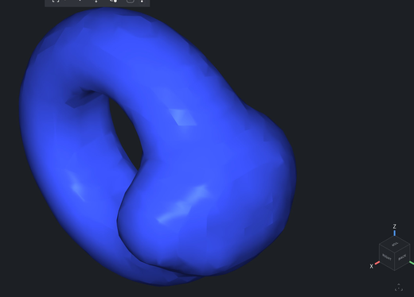
Visual Before / After — Snake Ring through each operation
Rendered live in the MeshLib WASM workbench. Same model, same camera; each "after" is the operation applied to the original.

BEFORE · Original snake ring — 993,698 triangles · health 62 · ~10 mm bounding box
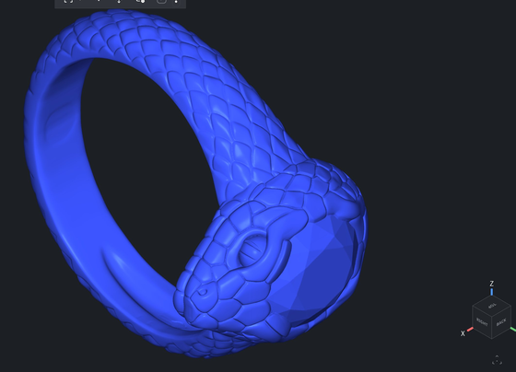

AFTER · Decimate to 25% — 248,424 triangles · volume & shape preserved · health 62→92


AFTER · Resize to ring size 6 — band scaled up, +3.6% volume, dimensions 10.00→10.23 mm


AFTER · Hollow (0.3 mm wall) — internal cavity carved, −7.8% volume; outer shell looks unchanged


AFTER · Thicken (global 2 mm) — OVER-INFLATED to 3,728 triangles, +517% volume, all detail lost

