Snake Algorithms
Mission Spectre — Algorithm Validation on the SNAKE RING (POC proof)
Demonstrated on the curved organic snake ring (994k-face STL) — a far tougher case than a torus. Each row dispatched through the live workbench backend endpoint; before/after are faithful renders of the exact mesh artifacts. Exact boolean difference/intersection are an exact volumetric split (parts sum to the source) and ship watertight — the open planar cut cap is filled and welded; the voxel boolean union is watertight too.
Algorithm | Category | Before (snake) | After (snake) | Faces (before) | Faces (after) | Δ Faces | Verts (before) | Verts (after) | Volume mm³ (before) | Volume mm³ (after) | Δ Vol % | Watertight | Key result / metric | Backend endpoint | Status
Decimate (QEM) | Mesh edit | 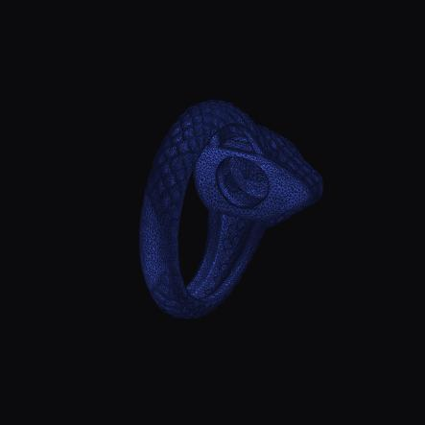 |  | 993,698 | 20,000 |  | 496,845 | 9,996 | 48 | 48 |  | Yes | −98% faces on the curved snake, no broken surface | /decimate | Validated
Subdivide (adaptive) | Mesh edit |  |  | 20,000 | 22,000 |  | 9,996 | 10,996 | 48 | 48 |  | Yes | Adaptive edge split to target length | /subdivide | Validated
Make Delone | Mesh edit |  |  | 20,000 | 20,000 |  | 9,996 | 9,996 | 48 | 48 |  | Yes | Delaunay flips; topology + volume preserved | /make-delone | Validated
Smooth (Taubin ×8) | Mesh edit | 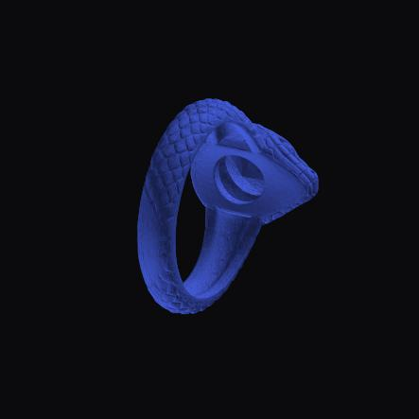 |  | 20,000 | 20,000 |  | 9,996 | 9,996 | 48 | 46 |  | Yes | Surface relaxation, −4.6% volume | /smooth | Validated
Resize (ring size) | Jewelry | 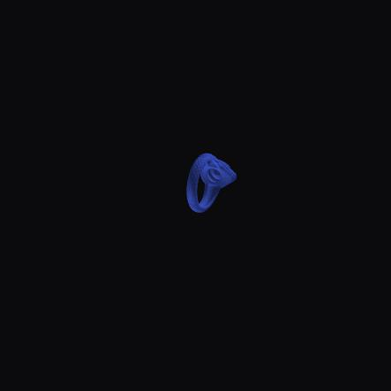 |  | 20,000 | 20,000 |  | 9,996 | 9,996 | 48 | 543 |  | Yes | Bore scaled to US 7 (curved snake ring) | /resize | Validated
Thicken (global) | Deform | 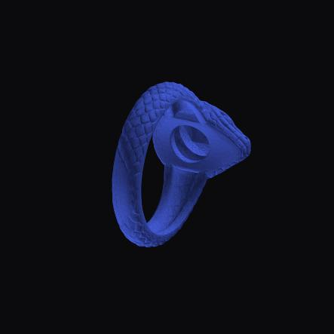 |  | 20,000 | 192,142 |  | 9,996 | 96,073 | 48 | 89 |  | Yes | +86% material to min thickness | /thicken | Validated
Protected Hollow | Hollow |  |  | 20,000 | 178,732 |  | 9,996 | 89,368 | 48 | 38 |  | Yes | Interior cavity (−21% vol), welded watertight | /hollow | Validated
Offset Verts | Offset |  |  | 20,000 | 20,000 |  | 9,996 | 9,996 | 48 | 41 |  | Yes | Topology-preserving inward offset | /offset/verts | Validated
Expand / Shrink (close) | Offset |  |  | 20,000 | 111,904 |  | 9,996 | 55,954 | 48 | 50 |  | Yes | Morphological close (fills concavities), volume preserved | /offset/expand-shrink | Validated
Shrink / Expand (open) | Offset |  | — | 20,000 | — | — | 9,996 | — | 48 | — | — | Guard | Morphological OPEN: a 0.25 mm shrink fragments the sub-mm snake tube into 101 pieces, so the guard refuses rather than emit destroyed geometry — use Offset Verts for a topology-preserving offset | /offset/shrink-expand | Guard ✓
Thicken Mesh (sheet) | Offset | 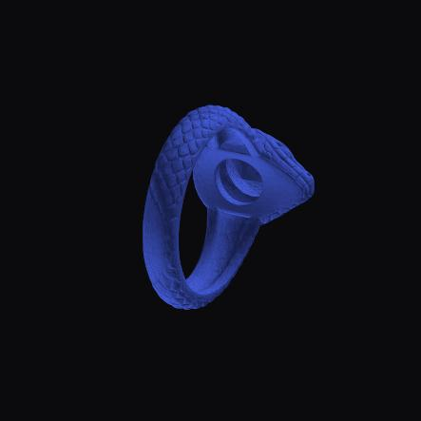 | — | 20,000 | — | — | 9,996 | — | 48 | — | — | Guard | MeshLib thickenMesh is for OPEN sheets; on the closed snake it would emit two interpenetrating solids, so the guard refuses — use Thicken (global) or Offset for a closed solid | /offset/thicken | Guard ✓
Boolean — Difference (exact) | Boolean |  | 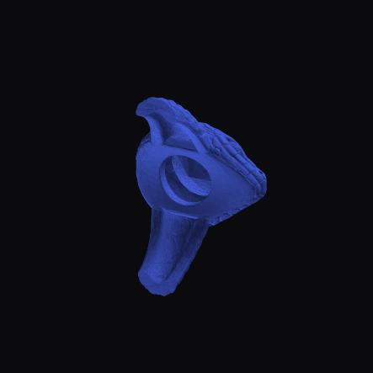 | 20,000 | 13,984 |  | 9,996 | 6,990 | 48 | 31 |  | Yes | Snake − box; planar cut cap filled + welded → watertight. 31.47+16.52(∩)=47.99 exact split | /boolean/exact | Validated
Boolean — Union (voxel) | Boolean | 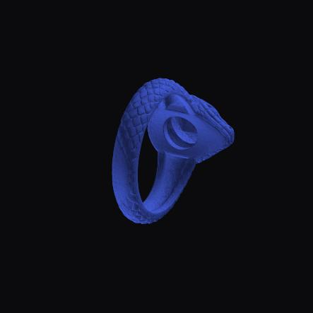 | 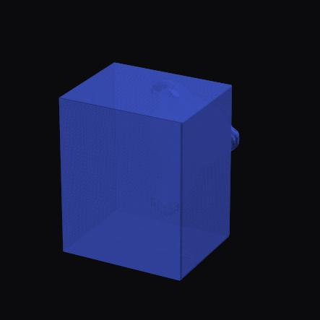 | 20,000 | 295,720 |  | 9,996 | 147,862 | 48 | 551 |  | Yes | Watertight union of snake + box | /boolean/voxel | Validated
Point-cloud Triangulation | Point cloud | 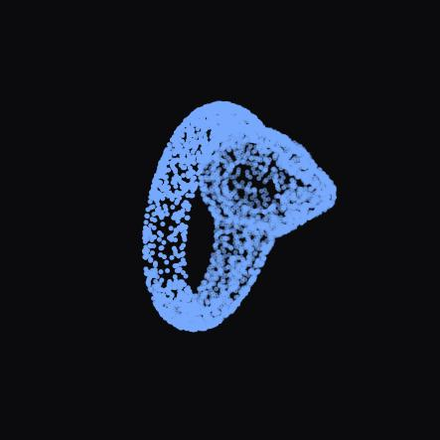 |  | — | 7,439 | — | 4,000 | 3,700 | — | — | — | Surface | 4000 snake surface points → mesh (recent migration) | /point-cloud/triangulate | Validated
Multiway ICP (registration) | Point cloud | 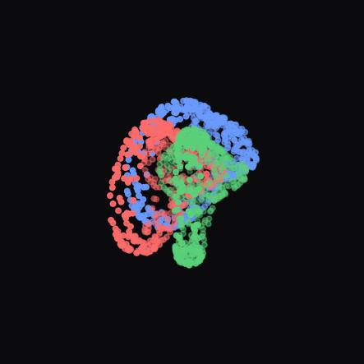 | 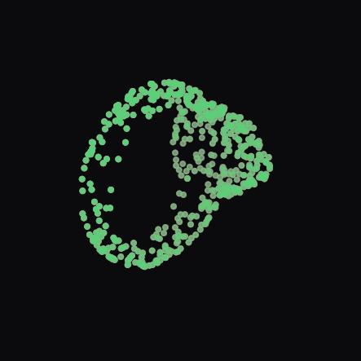 | — | — | — | — | — | — | — | — | n/a | 3 snake clouds aligned, residual ≈ 1e-10 (recent migration) | /point-cloud/icp/multiway | Validated
Import (STL → Rust pipeline) | Import | — |  | — | 993,698 | — | — | 496,845 | — | 48 | — | Yes | 994k snake STL ingested: normalize + analysis + artifacts | POST /api/models | Validated

