Distributions
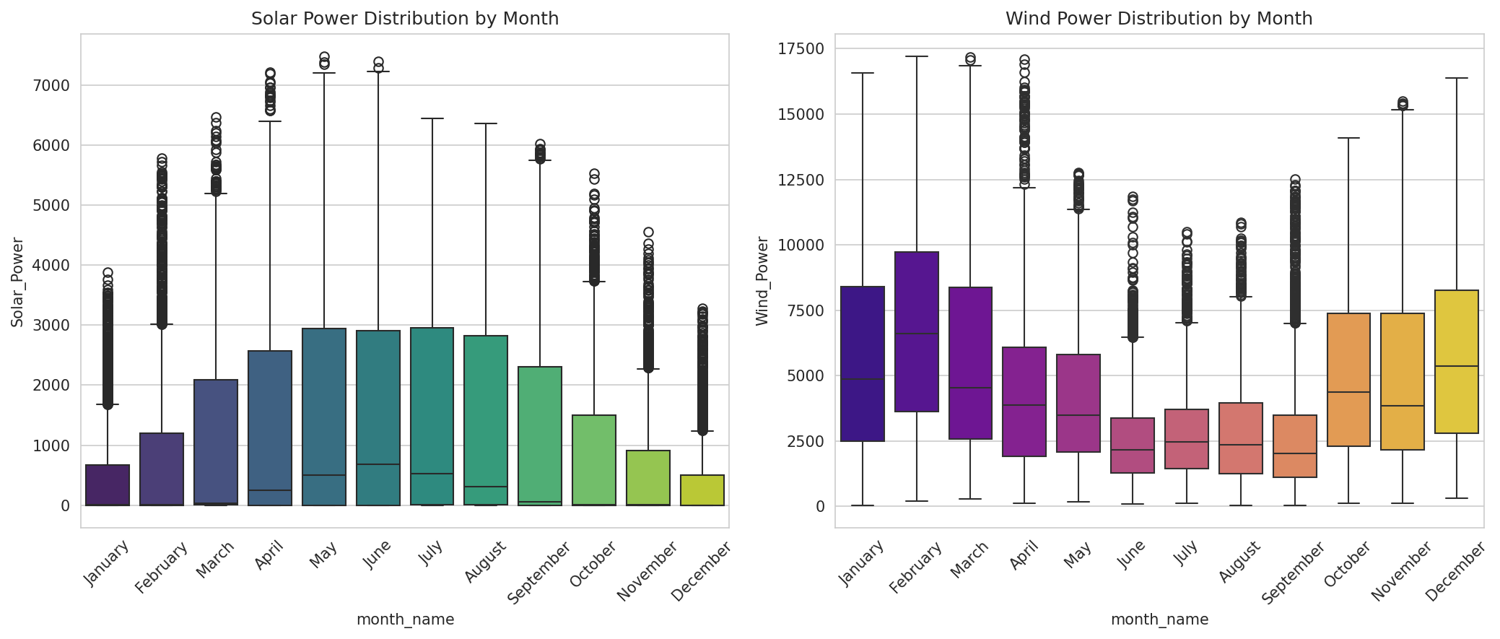
Distribution Analysis
Overview of variable distributions and monthly patterns for Solar and Wind power production.

Distribution Analysis
Histograms showing the distribution of Solar Power, Wind Power, Temperature, and Wind Speed across all records.

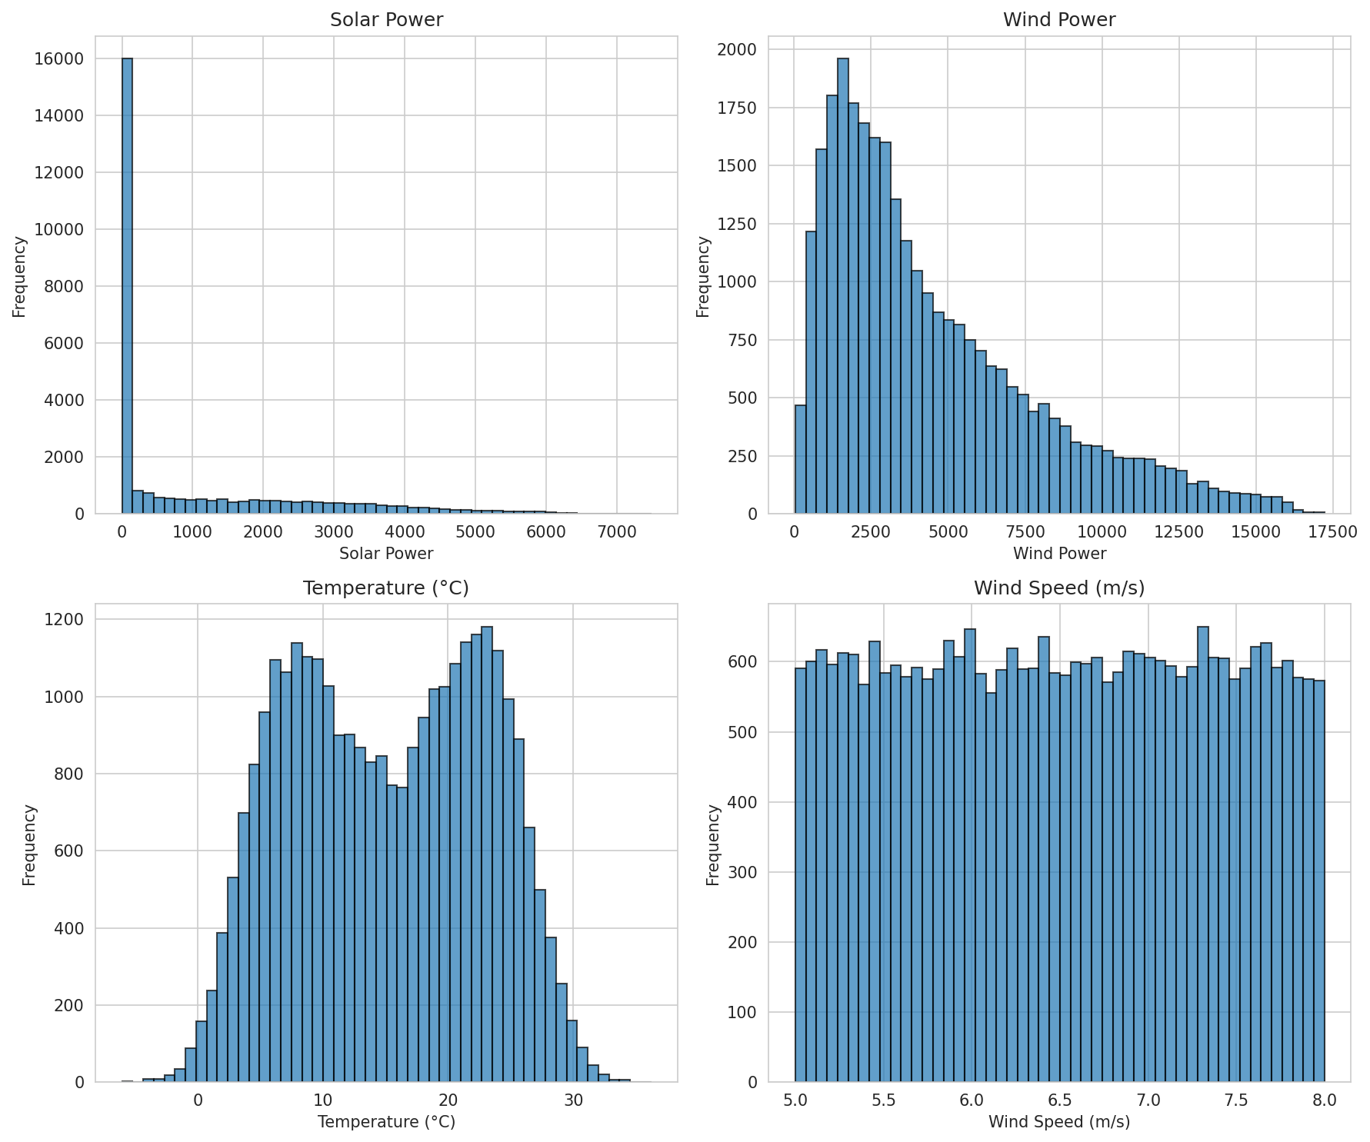

Monthly Box Plots
Box plots showing Solar Power and Wind Power distribution by month, revealing seasonal patterns and outliers.

Solar_vs_Wind
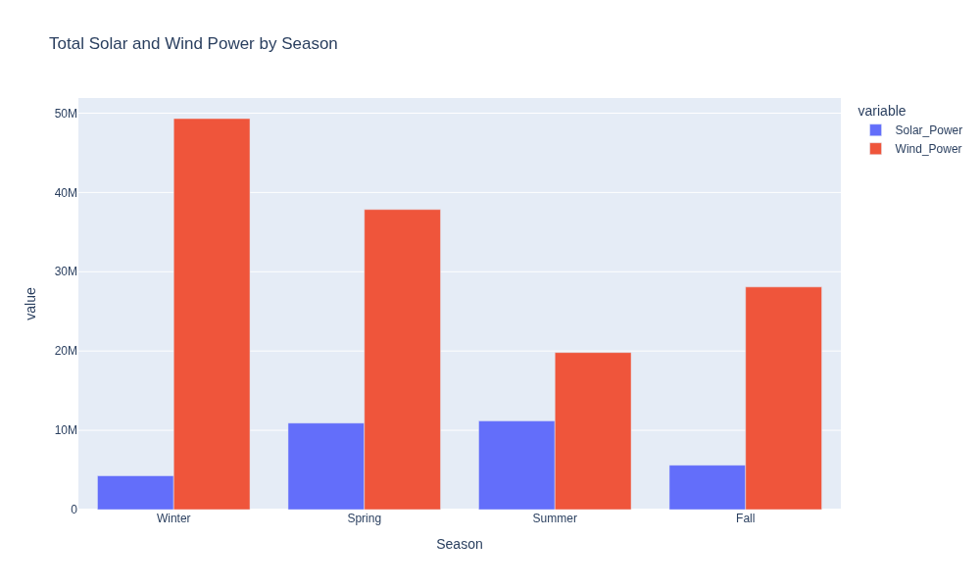
Solar vs Wind Analysis
Bivariate analysis of Solar and Wind power production with seasonal breakdowns.

Solar vs Wind Relationship
Scatter plot showing the relationship between Solar and Wind power production, colored by temperature.

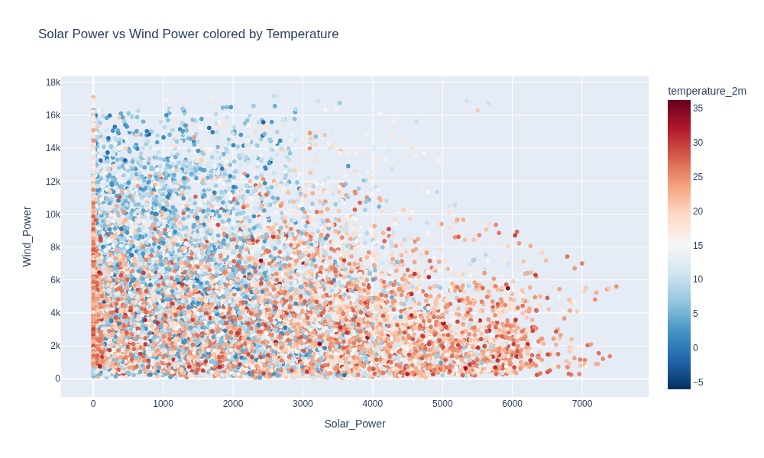

Seasonal Production Comparison
Total Solar and Wind power production aggregated by season. Wind dominates in Winter, Solar peaks in Summer.

Weather_Impact
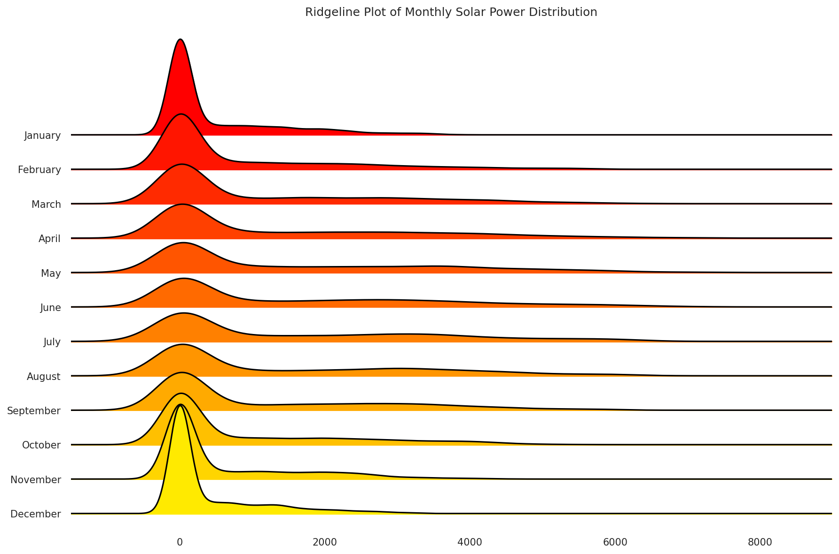
Weather Impact Analysis
Analysis of how weather variables (cloud cover, temperature, wind) affect renewable energy production.

Solar Power vs Cloud Cover
Density contour plot showing how cloud cover affects Solar Power production, faceted by season with marginal histograms.

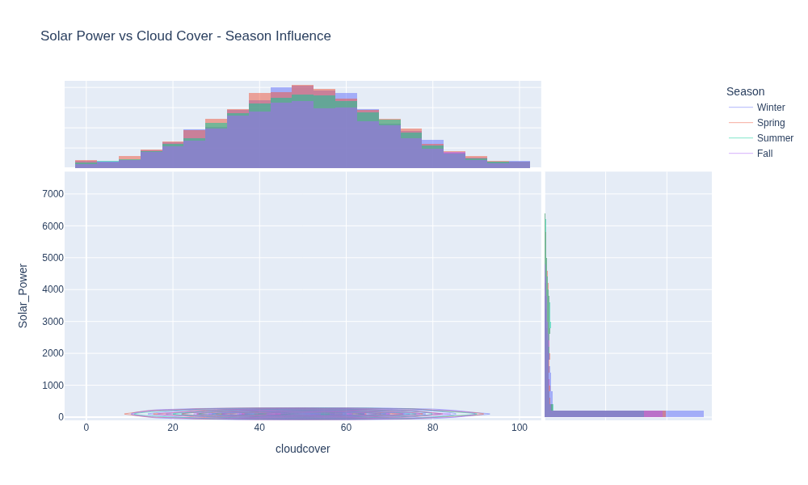

Monthly Solar Distribution (Ridgeline)
Ridgeline (joy) plot showing the distribution of Solar Power for each month, revealing seasonal shifts in production patterns.

Seasonal_Patterns
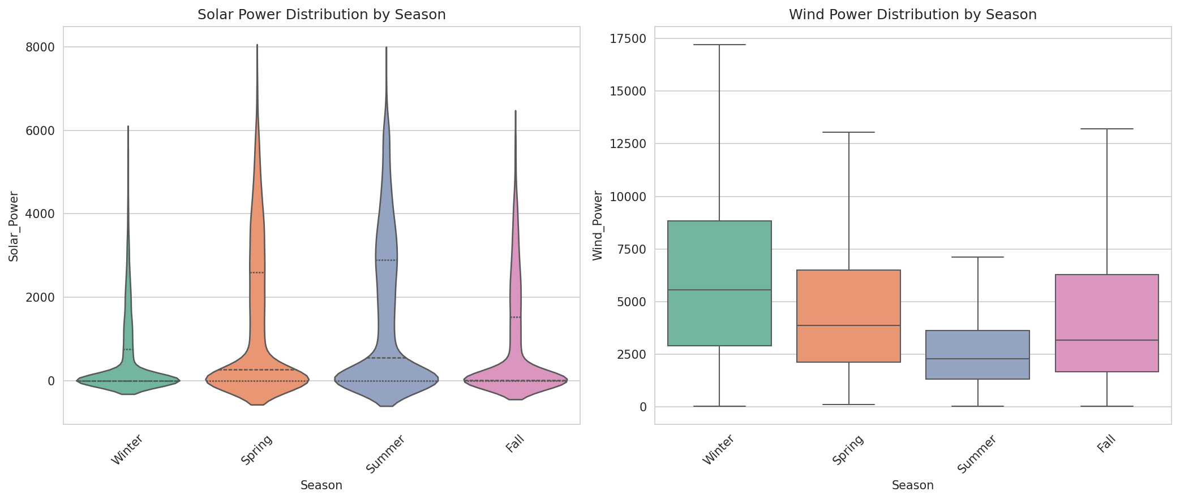
Seasonal Patterns
Seasonal analysis using polar charts and distribution plots to reveal cyclical patterns in renewable energy production.

Seasonal Solar Power Pattern (Polar)
Polar chart showing average Solar Power by season. Summer and Spring show highest production, Winter lowest.

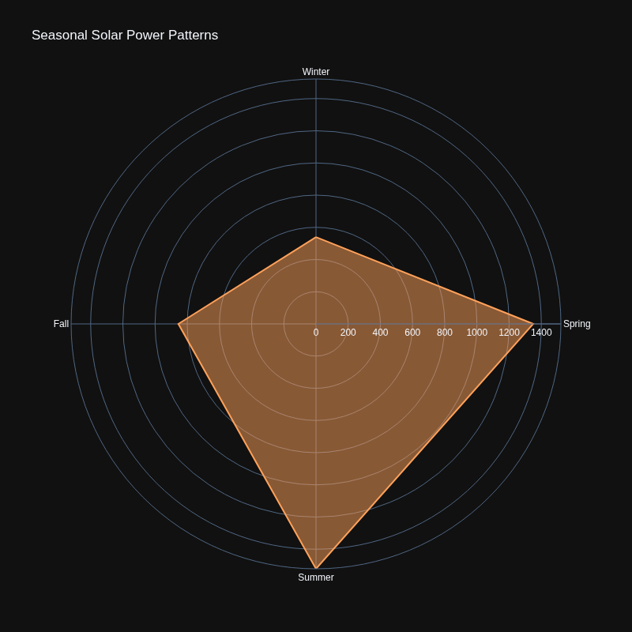

Seasonal Wind Power Pattern (Polar)
Polar chart showing average Wind Power by season. Winter shows highest wind production, Summer lowest.

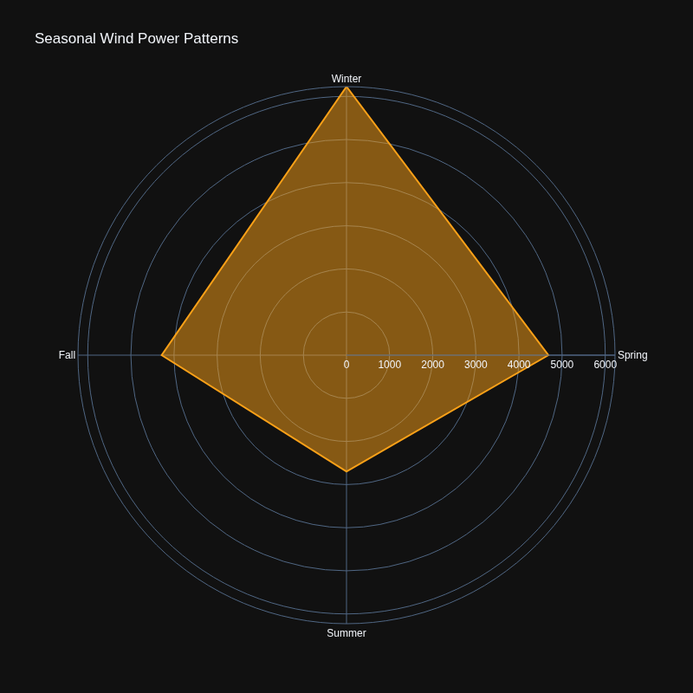

Seasonal Distribution Comparison
Violin plot (Solar) and Box plot (Wind) showing distribution shapes by season. Violin plots reveal full distribution density.

Advanced_3D
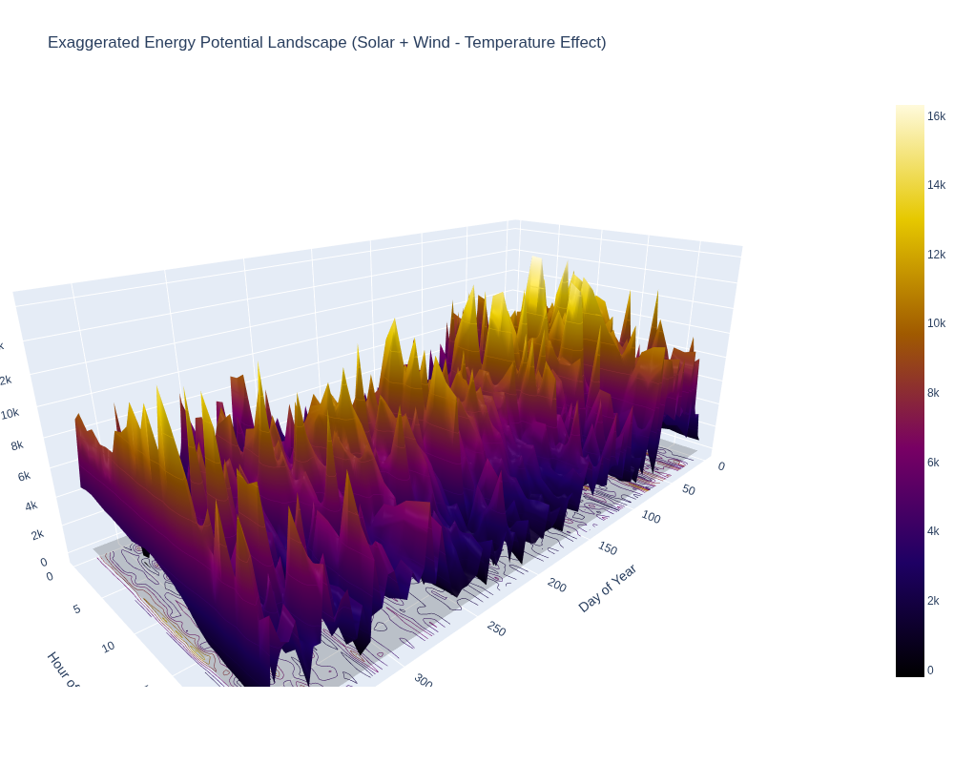
Advanced 3D Visualizations
Three-dimensional visualizations showing complex relationships between weather variables and energy production. Includes scatter plots, exaggerated landscapes, and surface maps.

3D Scatter: Temperature vs Wind Speed vs Solar Power
Interactive 3D scatter plot showing Solar Power as a function of Temperature and Wind Speed, colored by hour of day, sized by shortwave radiation.

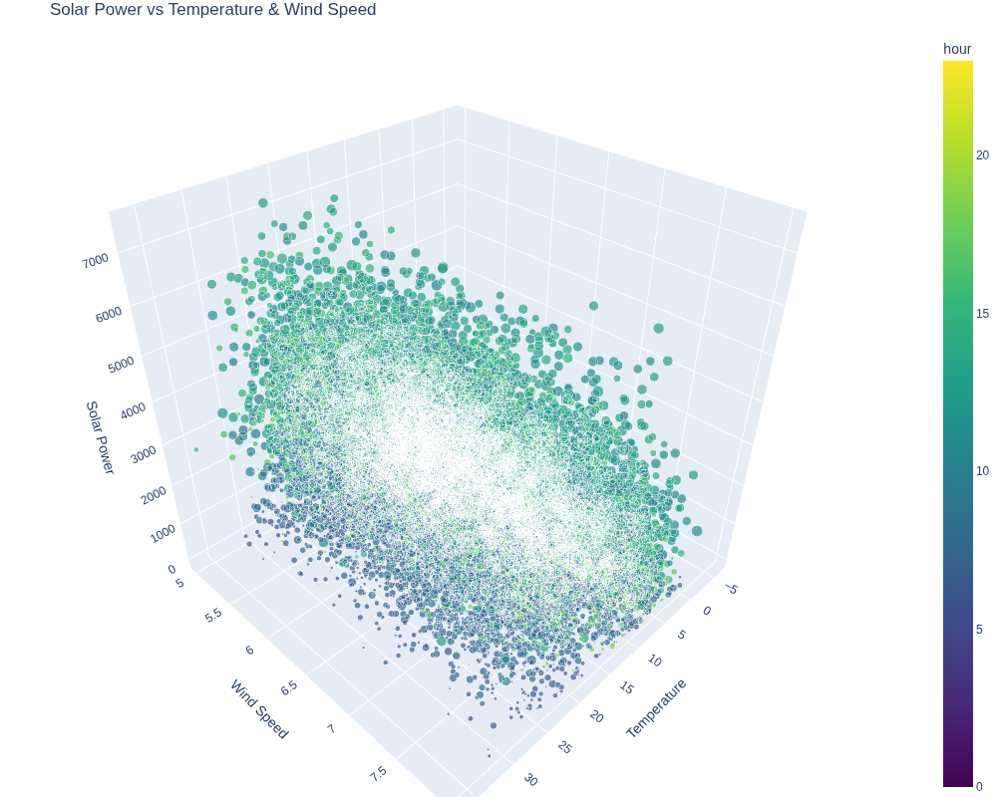

3D Scatter by Season
Four 3D scatter plots (one per season) showing the Temperature-Wind-Solar relationship, revealing seasonal differences in the energy production landscape.

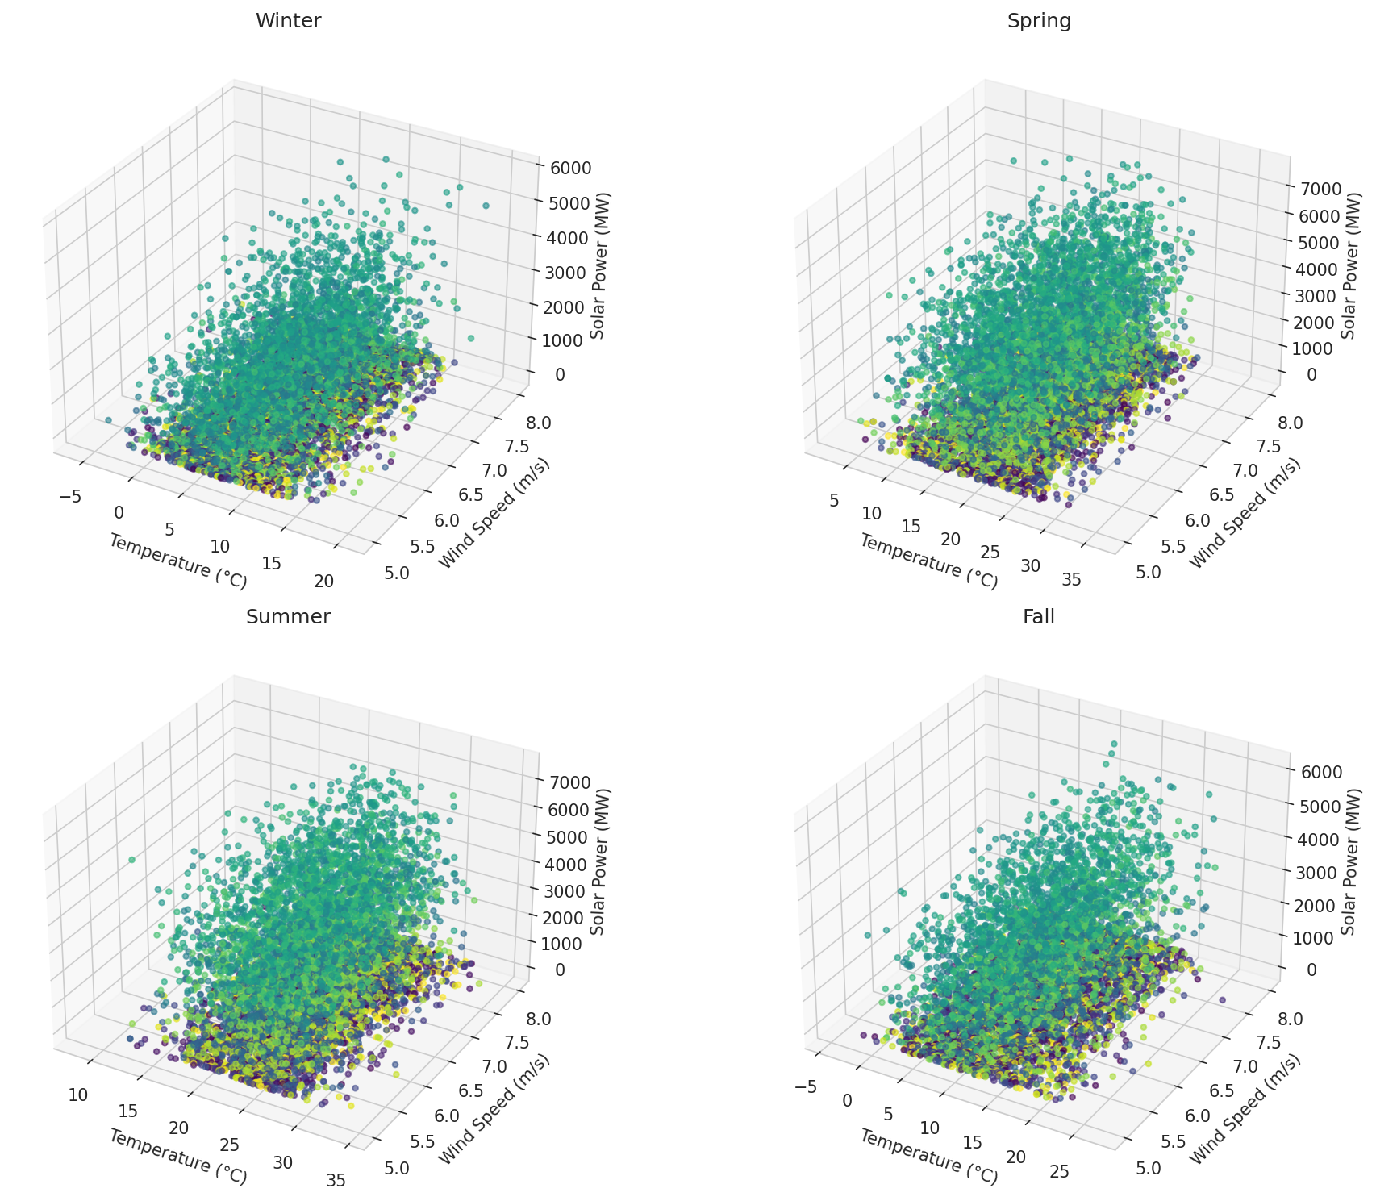

Exaggerated 3D Energy Landscape
Exaggerated 3D visualization where Solar and Wind are amplified by radiation and wind speed respectively. Temperature adjusted for cloud cover. Size represents air density.

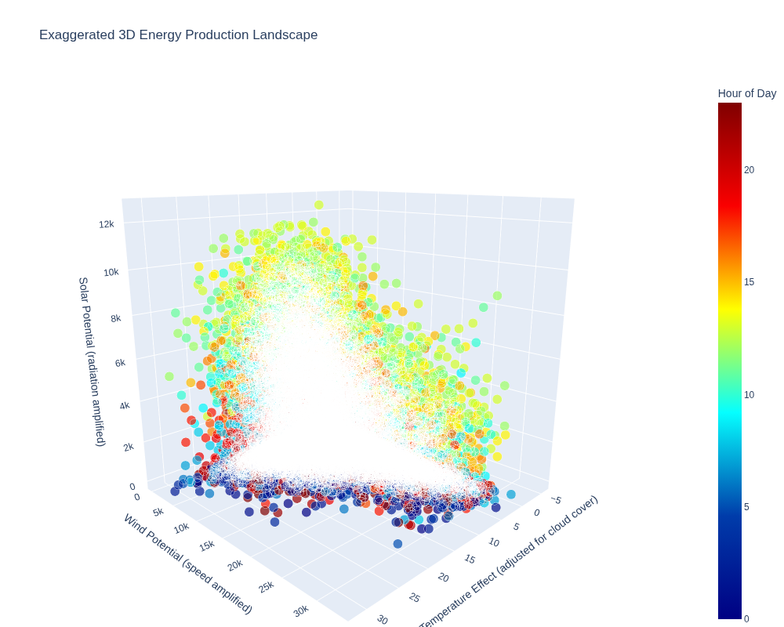

3D Surface: Energy Potential Landscape
3D surface map showing combined energy potential (1.5×Solar + 0.8×Wind - 0.3×Temp) across Day of Year vs Hour of Day. Contour lines projected on base plane.

Correlation_MultiDim
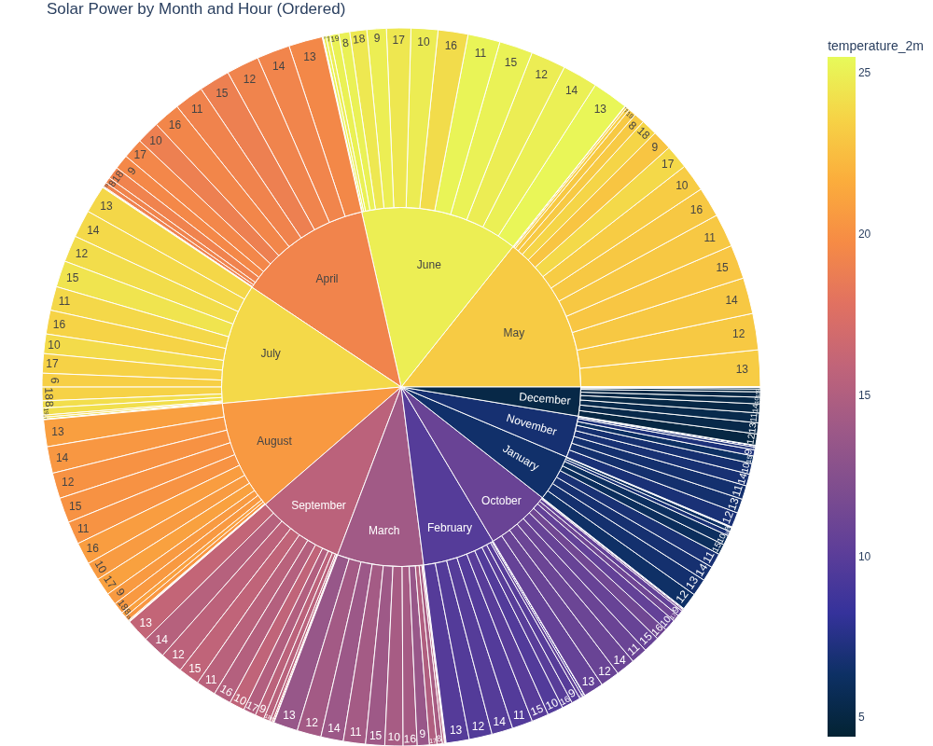
Correlation & Multi-Dimensional Analysis
Multi-variable correlation analysis and high-dimensional visualizations including parallel coordinates and hierarchical sunburst charts.

Correlation Heatmap
Correlation matrix of all energy and weather variables. Strong positive correlation between Solar Power and Shortwave Radiation; negative correlation with Cloud Cover.

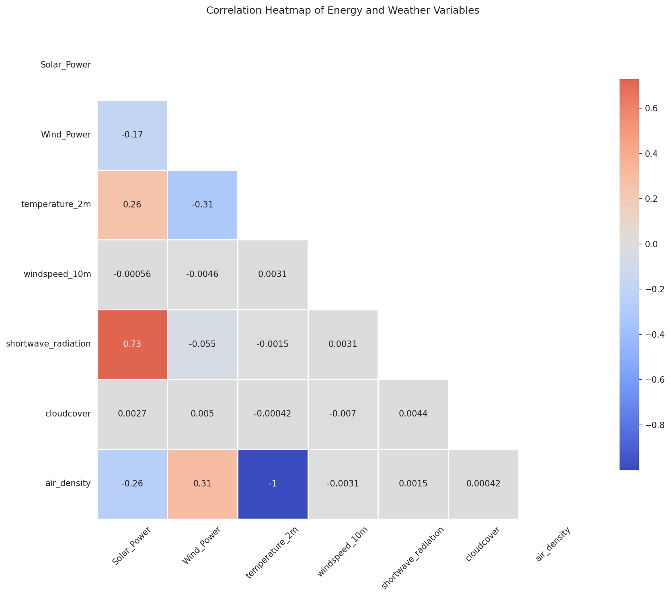

Parallel Coordinates
Parallel coordinates plot showing multi-dimensional relationships between Solar Power, Wind Power, Temperature, Wind Speed, Shortwave Radiation, and Cloud Cover, colored by hour of day.

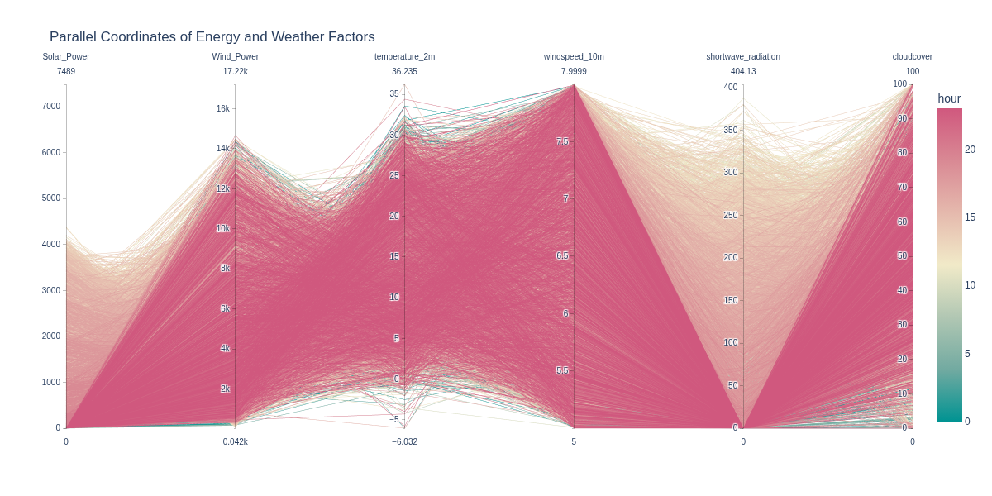

Sunburst: Solar Power by Month and Hour
Hierarchical sunburst chart showing Solar Power distribution across months (inner ring) and hours (outer ring), colored by temperature.

Time_Patterns
Temporal Patterns
Time-based analysis showing diurnal and seasonal patterns through heatmaps and ridgeline distributions.

Heatmaps: Hour vs Month
Two heatmaps showing average Solar Power (left) and Wind Power (right) by Hour of Day (y-axis) and Month (x-axis). Reveals diurnal and seasonal patterns.

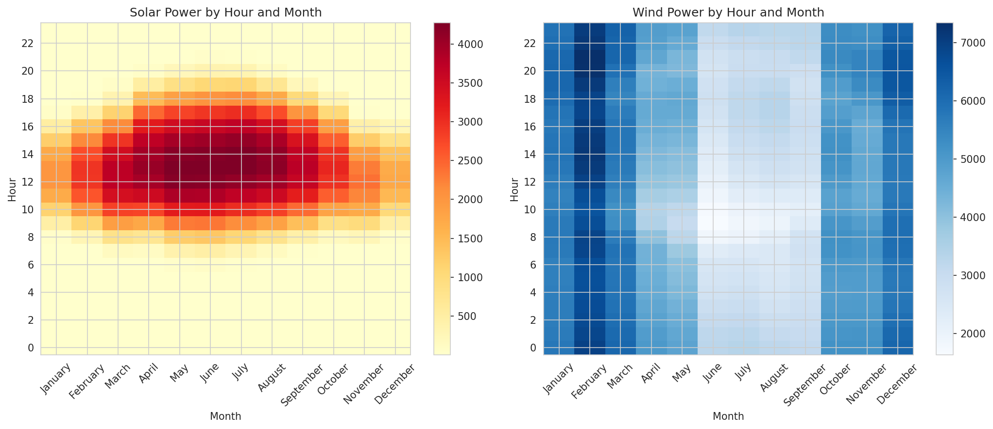

Monthly Solar Distribution (Ridgeline)
Ridgeline plot showing the full distribution of Solar Power for each month, stacked for easy comparison of seasonal shifts.

