Screenshot Evidence
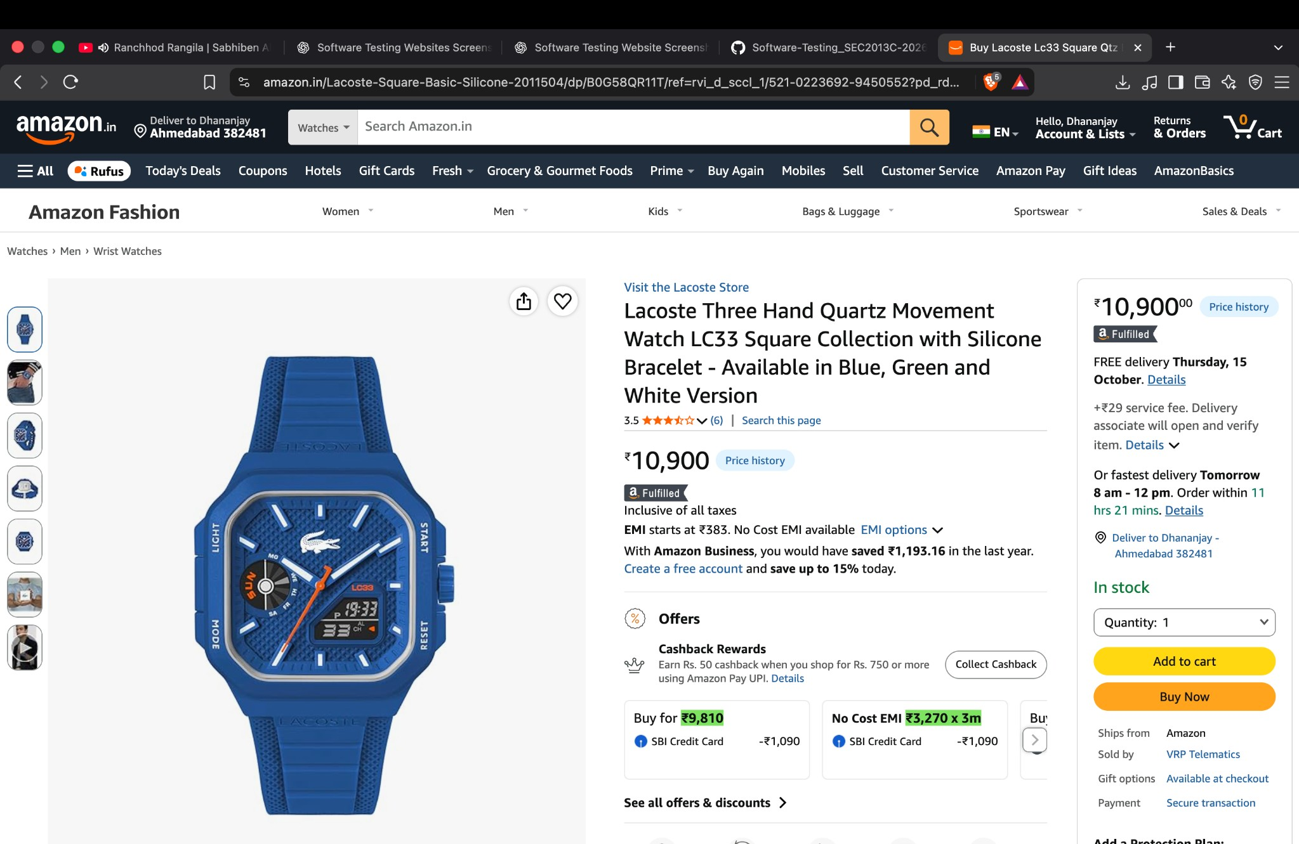
SCREENSHOT EVIDENCE
Embedded screenshot copies have personal phone/OTP details redacted where visible.

 | Screenshot 1: Amazon Homepage
 | The Amazon homepage loaded and displayed the search bar, account links, cart, category navigation, and shopping panels. A delivery-region notice was visible.

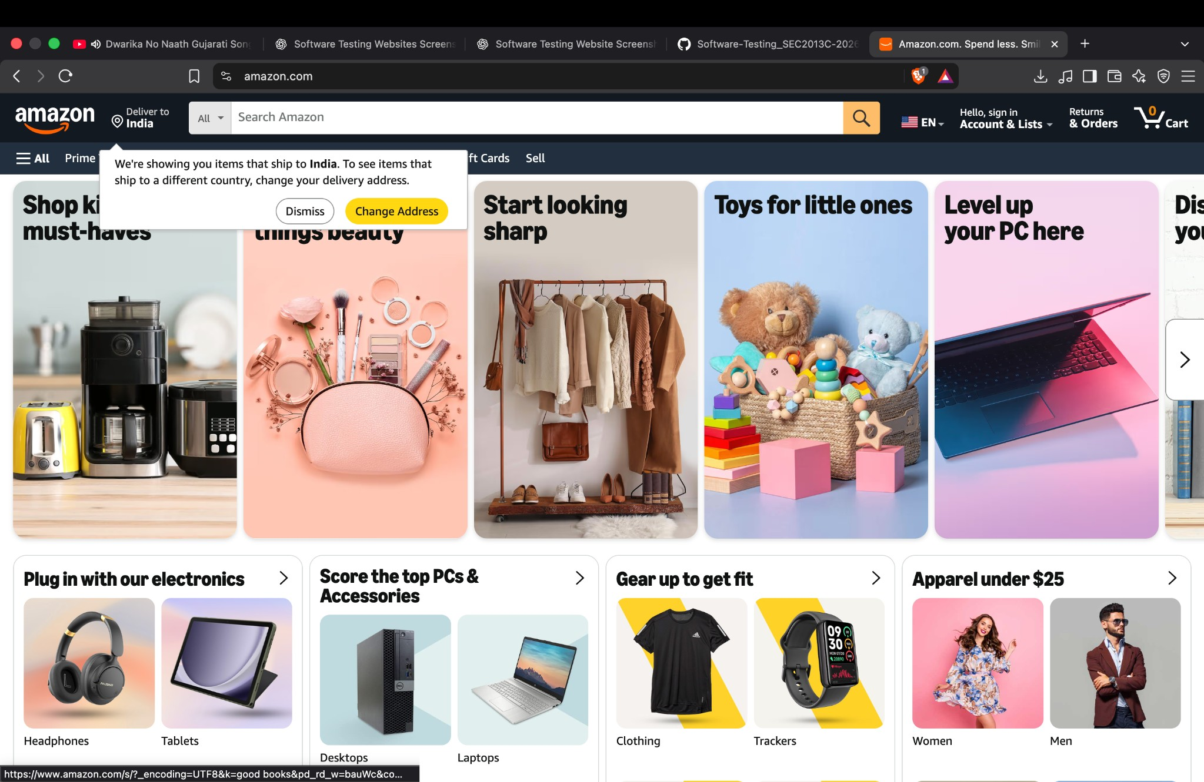

 | Screenshot 2: Navigation Menu
 | The navigation drawer opened over the homepage and displayed department links and program/help sections.

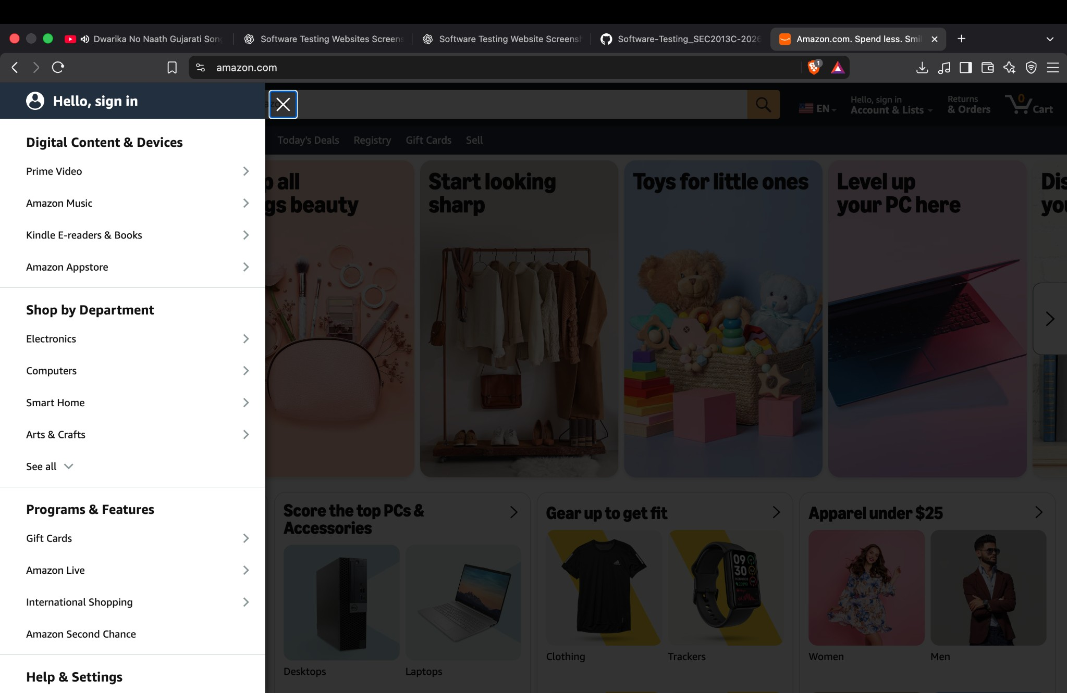

 | Screenshot 3: Sign-in Interface
 | The sign-in page displayed a mobile number/email input and Continue button, along with policy links.

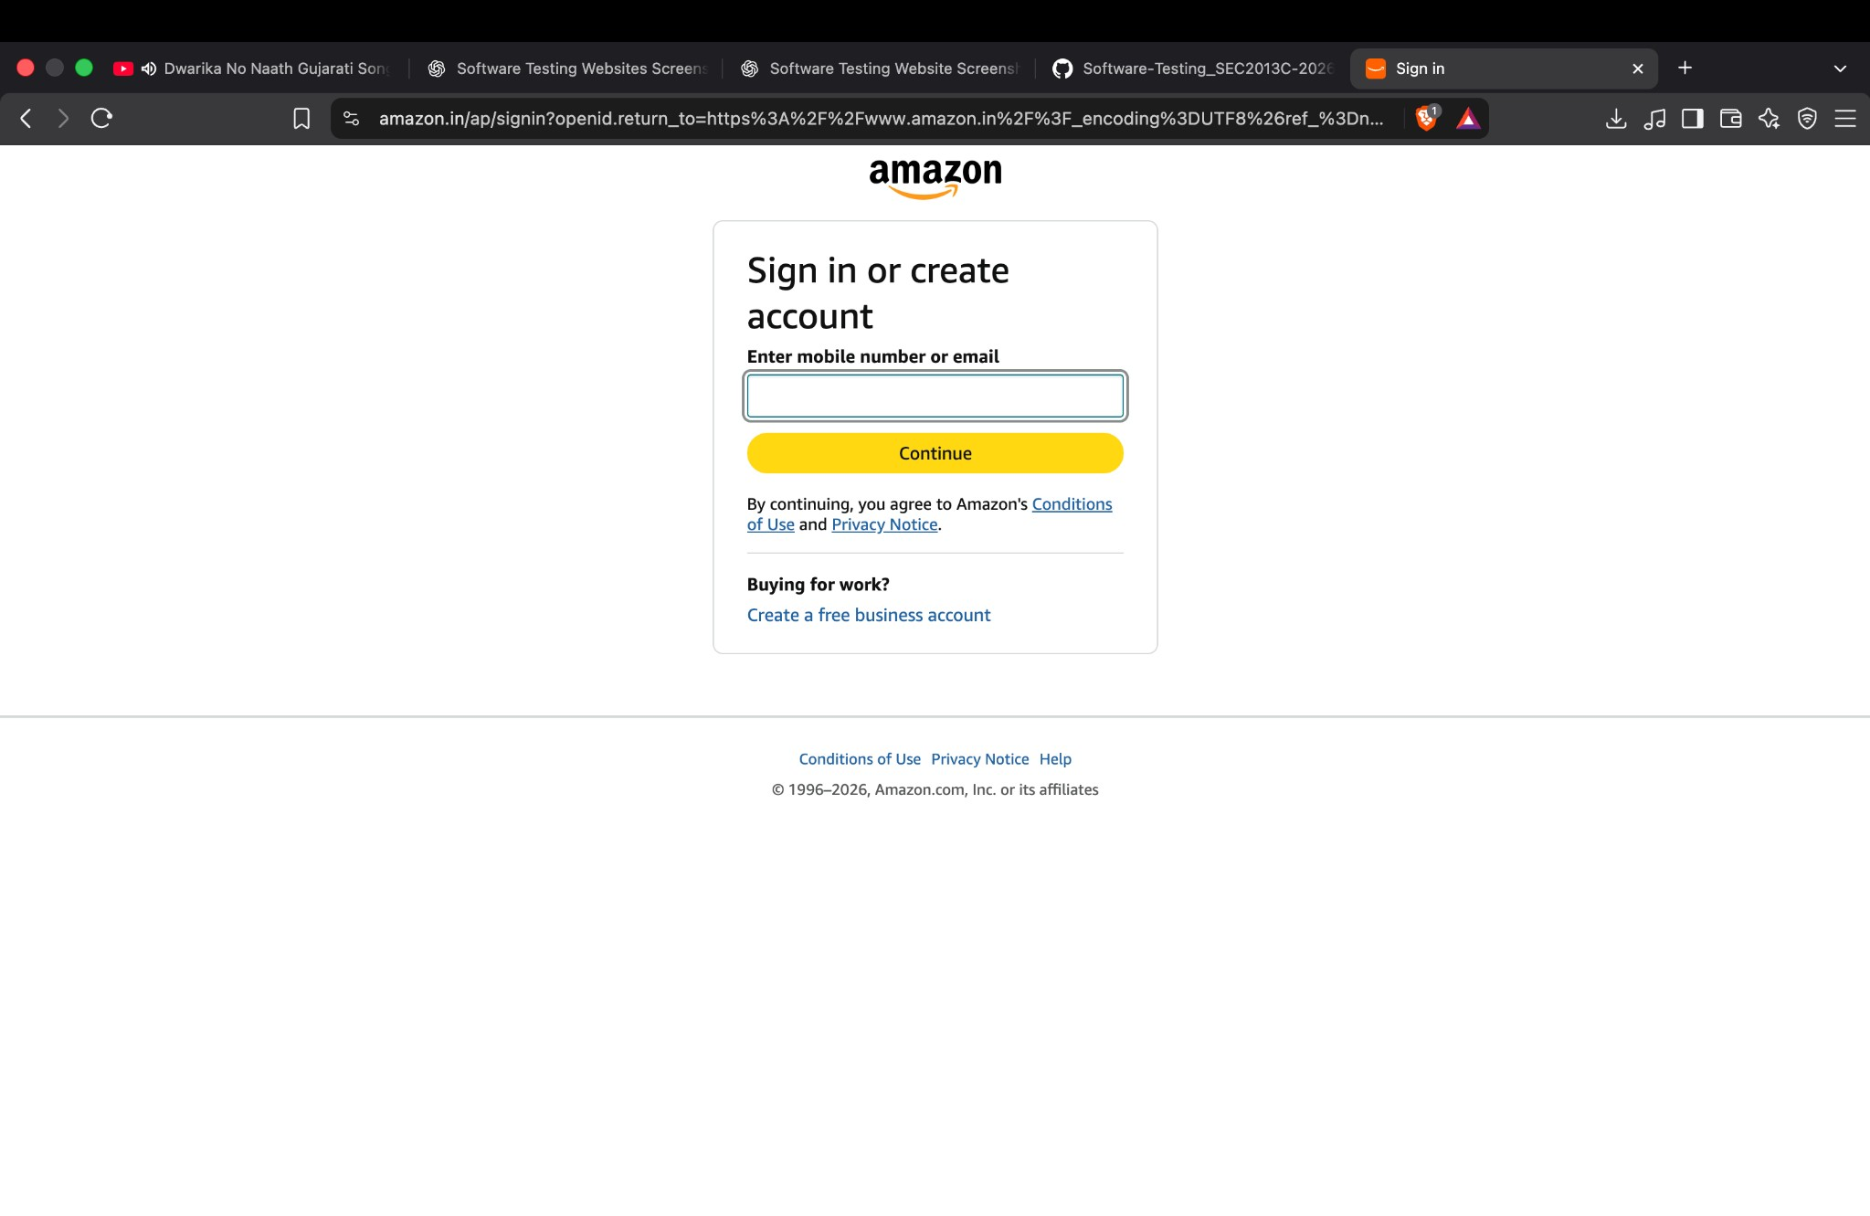

 | Screenshot 4: OTP Verification Screen
 | Amazon displayed a WhatsApp OTP verification screen with an OTP field, Verify button, resend option, and SMS alternative. The screenshot does not establish successful verification.

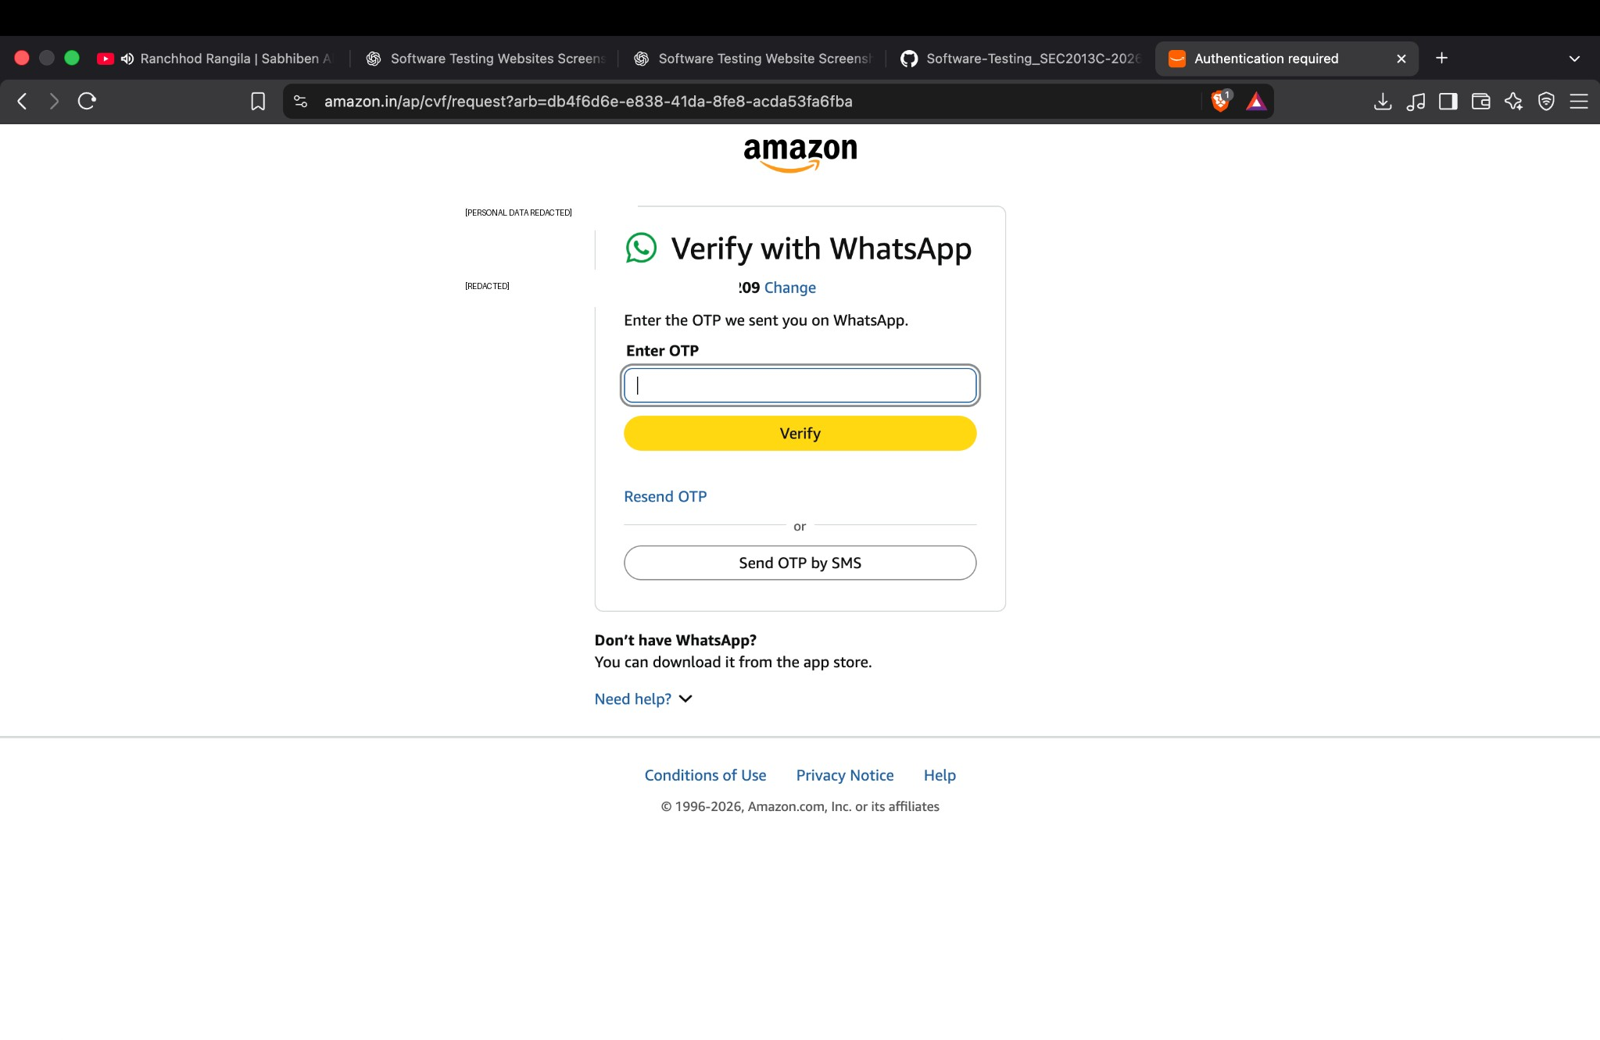

 | Screenshot 5: OTP Field Entered
 | The OTP field was populated, but the screenshot does not show a confirmed successful verification result.

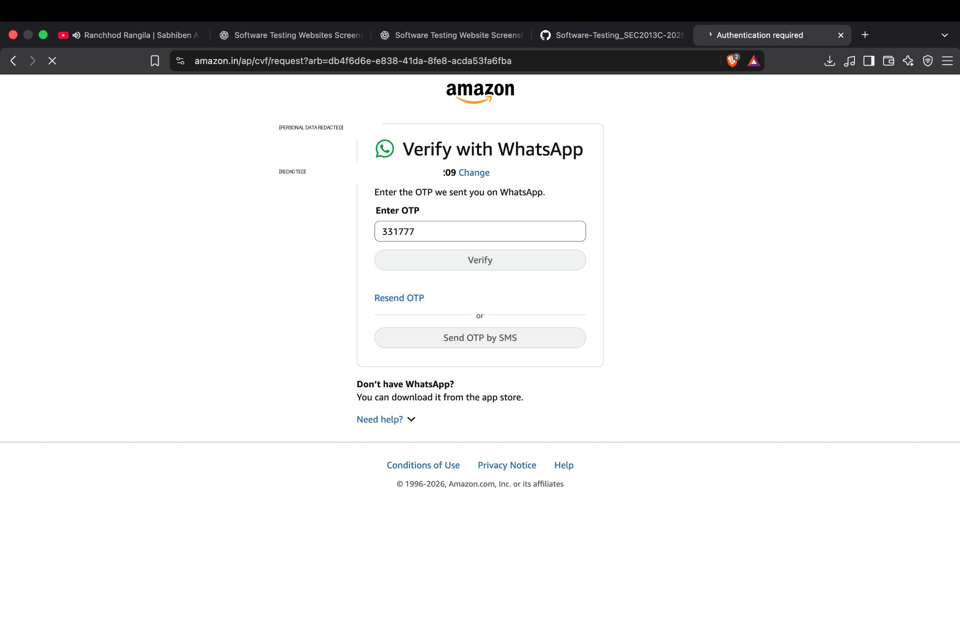

 | Screenshot 6: Passkey Prompt
 | A browser prompt offered to save a passkey. This is not sufficient evidence that authentication was completed.

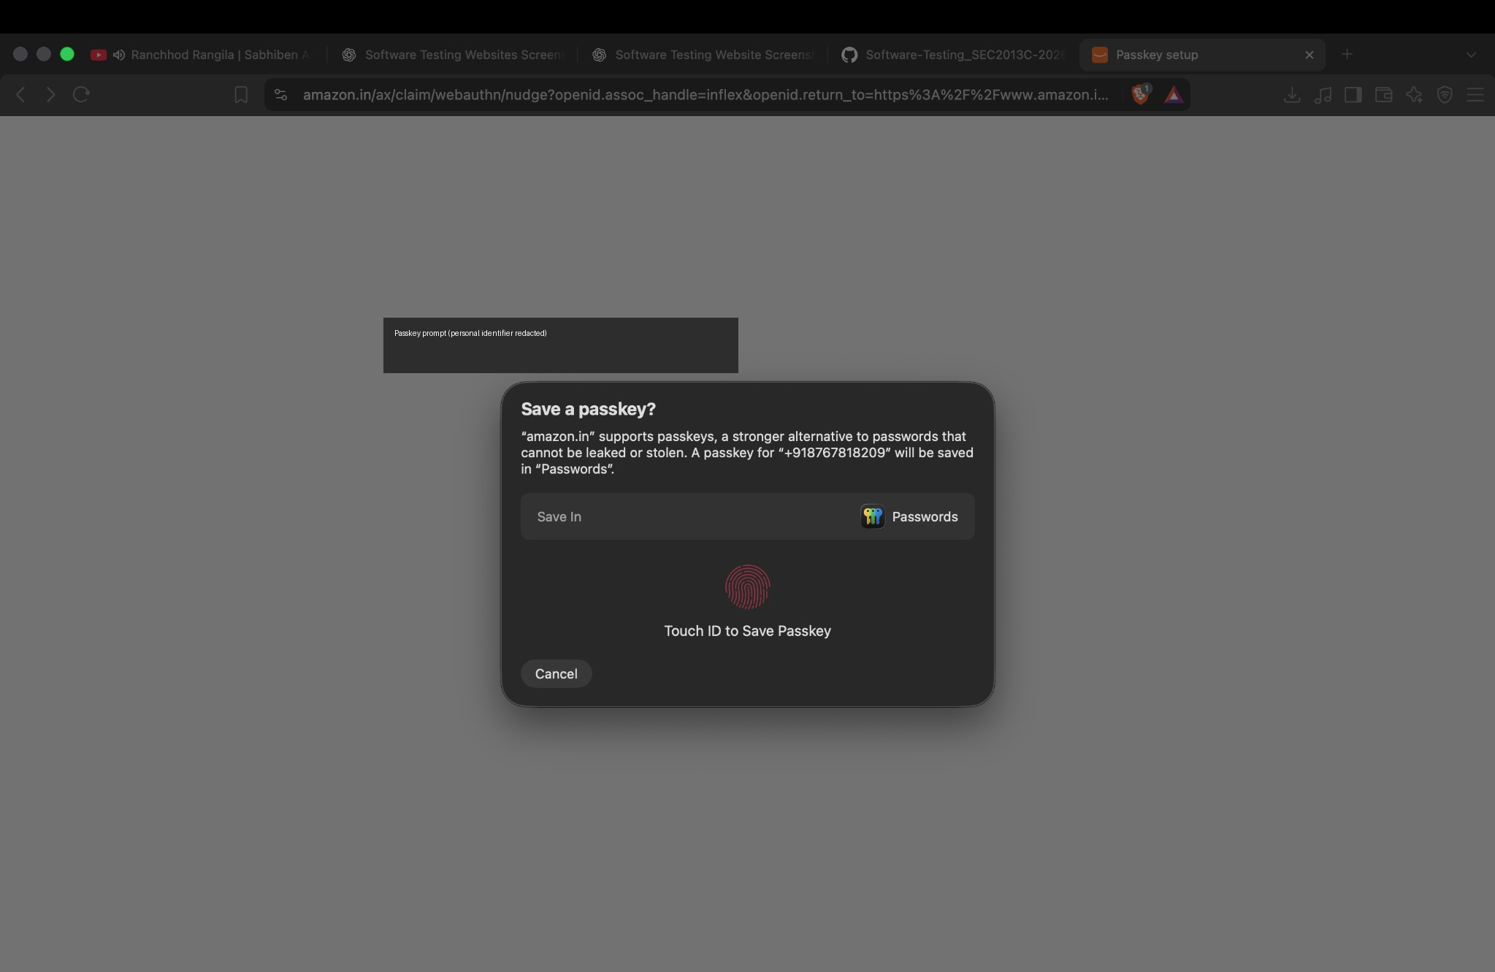

 | Screenshot 7: Product Detail Page
 | A product detail page displayed a watch image, title, rating, price, availability, quantity selector, Add to cart, and Buy Now controls.

