Screenshot Evidence
Spotify Web Player — Screenshot Collage
Seven screenshots supplied by the student, arranged and labeled for evidence.

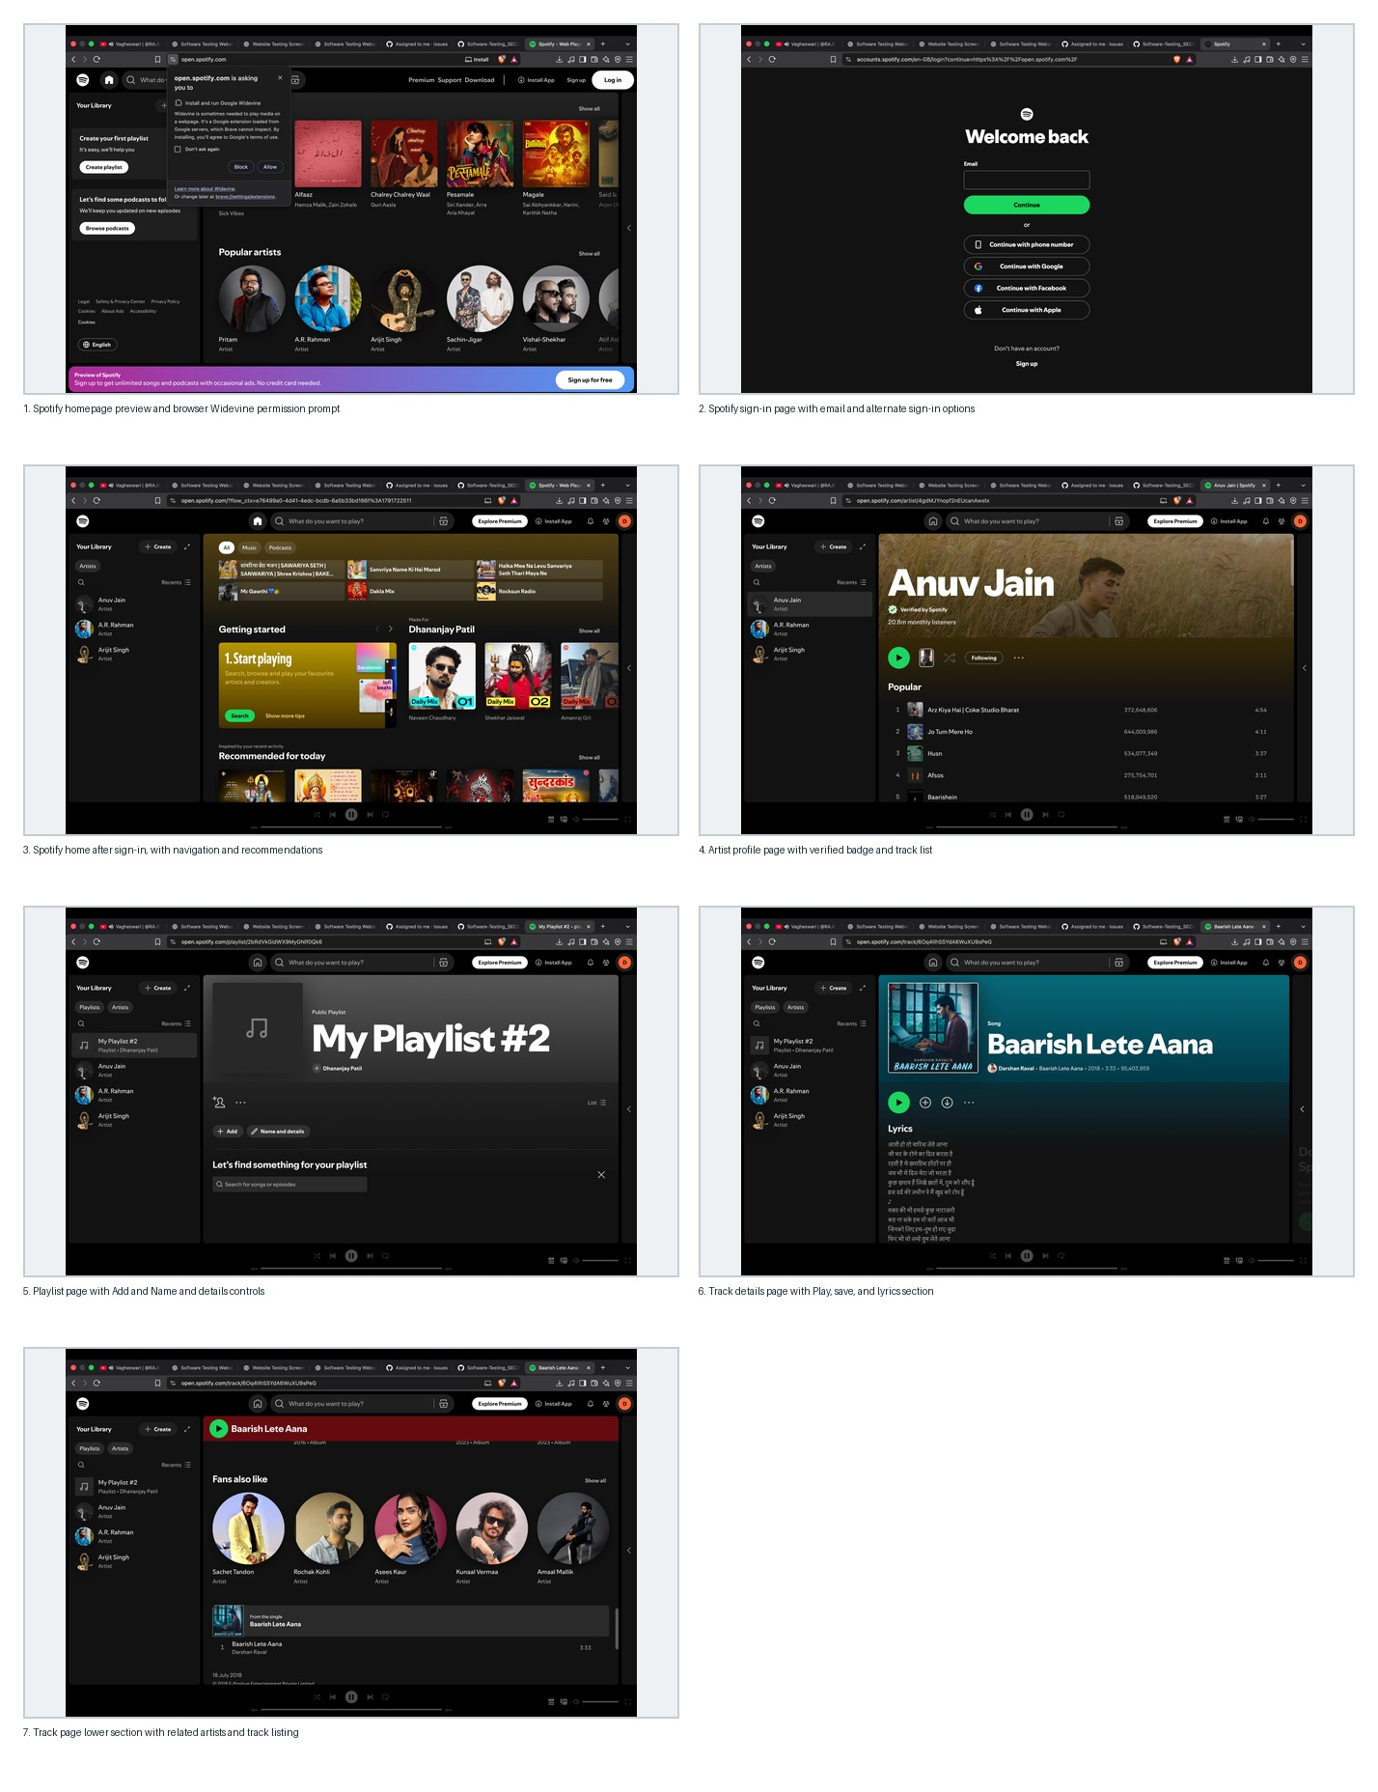

No. | Screenshot | Evidence description
1 | 01_Spotify_Homepage_Preview.png | Public homepage and browser Widevine prompt.
2 | 02_Spotify_Login_Page.png | Sign-in interface and authentication options.
3 | 03_Spotify_Logged_In_Home.png | Signed-in home screen with navigation and recommendations.
4 | 04_Spotify_Artist_Page.png | Artist profile with tracks.
5 | 05_Spotify_Playlist_Page.png | Playlist interface and management controls.
6 | 06_Spotify_Track_Page.png | Track metadata, controls, and lyrics.
7 | 07_Spotify_Track_Recommendations.png | Related artists and track listing.

