Dashboard
Multi Service Business Dashboard

Count Of Customer By Party Type
 | Total
Birthday Party | 335
Class | 328
Facility | 337
Count Of Customer By Class Type
 | Total
Art | 110
Dance | 107
Gymnastics | 111
Undefine | 672
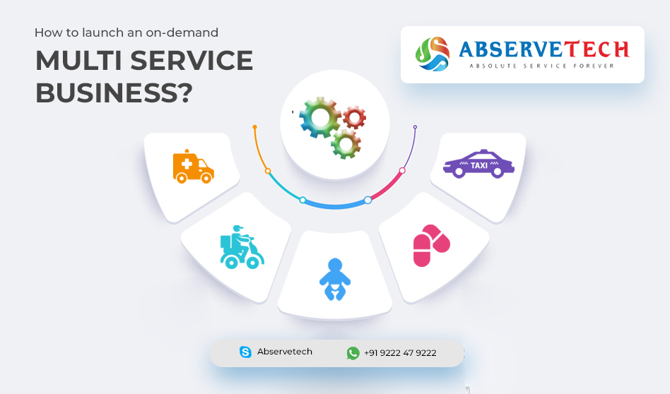

Max. Price for Each Facility
 | Total
Not Define | 299.05
Party Room | 299.76
Play Area | 299.62
Average Price For Each Theme
 | Total
No Theme | 140.28
Princess | 146.94
Sports | 129.67
Superhero | 136.11
Count Of Customer By Status
 | Total
Confirmed | 490
Pending | 510

