Sheet1
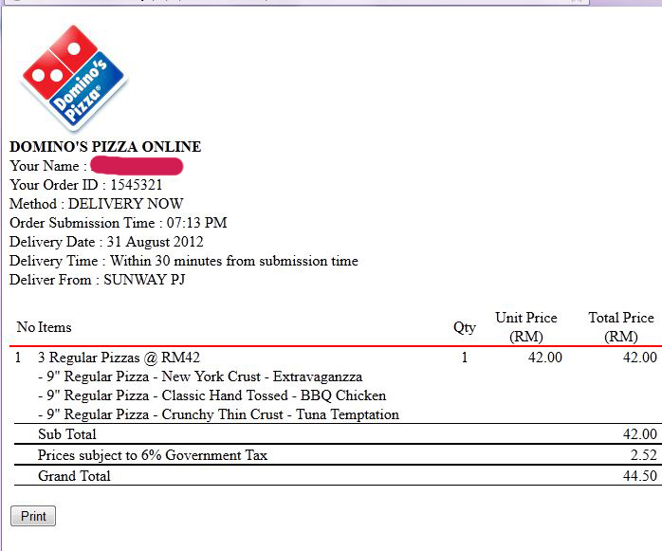

WINNOVATORS PIZZA
Your Name | Praful Dhone
Order ID | ORD1234
Order Submission Time | 12:30:00
Delivery Date | 22-Feb-17
Delivery Time | Within 30 min from submission time
Deliver From | Nal Stop

No | Items | Qty | Unit Price | Total Price
1 | BBQ Pizza | 2 | 99 | 198
2 | Pepsi | 1 | 25 | 25

Sub Total |  |  |  | 223
Govt Tax 6% |  |  |  | 13.38
Grand Total |  |  |  | 236.38

