Dashboard
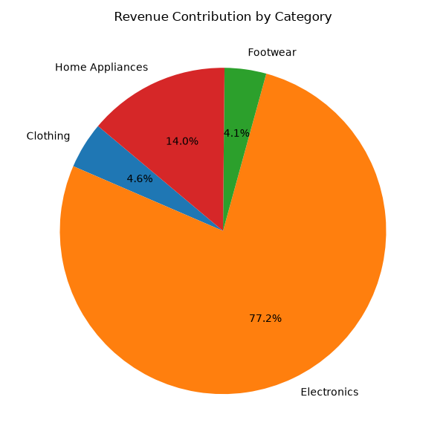
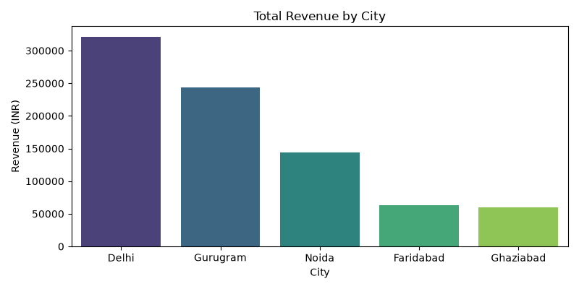
Ecommerce Executive Sales Dashboard

Total Revenue | Total Orders | Average Order Value
₹ 818,900.00 | 49 | ₹ 16,712.24

