HO_1
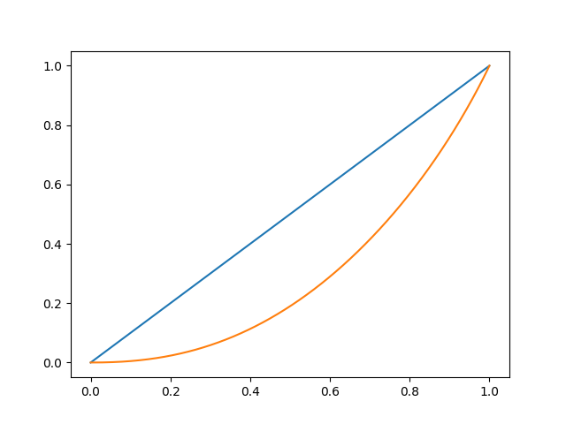
Gini coef | 0.42042555829

HO_2
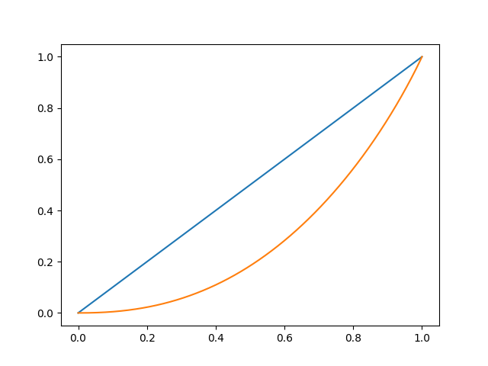
Gini coef | 0.42758475691

HO_3

Gini coef | 0.42881352731

HO_4

Gini coef | 0.42839263331

HO_5
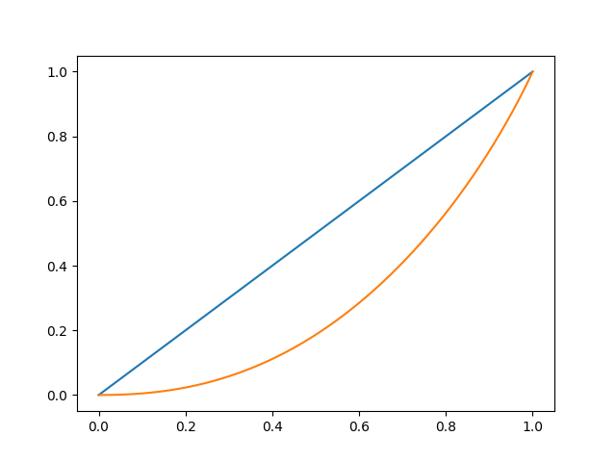
Gini coef | 0.42574264639

