Growth_Rotation
Growth and optimal rotation
Chapman-Richards yield curve. Every cell below is a formula reading the Assumptions sheet: change an input there and the optimum moves.
HYPOTHETICAL TRACT, FOR PORTFOLIO PURPOSES ONLY. NOT INVESTMENT ADVICE.

Volume, MAI and CAI by stand age
Rotation criteria
Criterion | Age (yrs) | Value | What it maximises
Maximum mean annual increment |  |  | Volume per year, V(T)/T. Ignores money entirely.
Single rotation NPV (Fisher) |  |  | Discounted profit of one rotation. Counts interest, not land.
Faustmann (land expectation value) |  |  | Value of the bare land in perpetuity. Counts the opportunity cost of delaying every future rotation, so it is the shortest.
Rotation used in the cash flow model
Age (yrs) | Volume V(T) (m³/ha) | MAI (m³/ha/yr) | CAI (m³/ha/yr) | LEV ($/ha) | Single-rotation NPV ($/ha)
1
2
3
4
5
6
7
8
9
10
11
12
13
14
15
16
17
18
19
20
21
22
23
24
25
26
27
28
29
30
31
32
33
34
35
36
37
38
39
40
41
42
43
44
45
46
47
48
49
50
51
52
53
54
55
56
57
58
59
60
61
62
63
64
65
66
67
68
69
70
71
72
73
74
75
76
77
78
79
80
81
82
83
84
85
86
87
88
89
90
91
92
93
94
95
96
97
98
99
100
101
102
103
104
105
106
107
108
109
110
111
112
113
114
115
116
117
118
119
120
121
122
123
124
125
126
127
128
129
130
131
132
133
134
135
136
137
138
139
140
141
142
143
144
145
146
147
148
149
150

Monte_Carlo
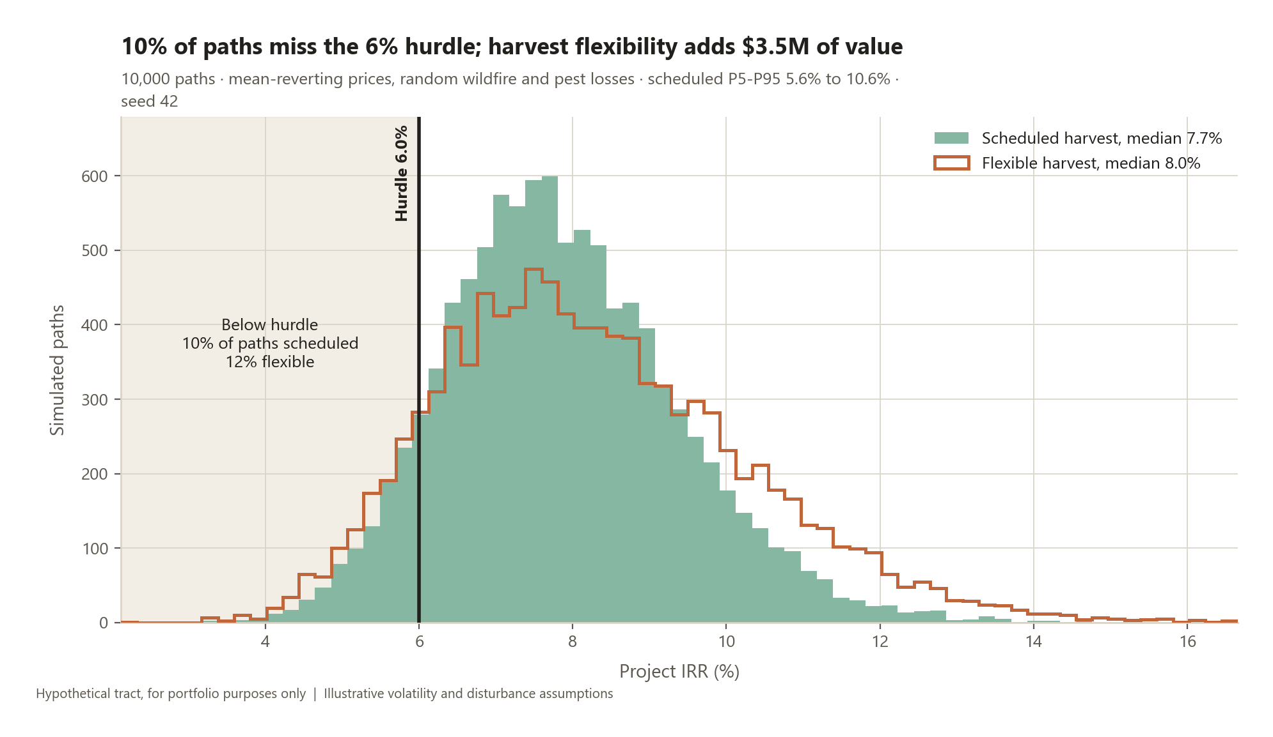
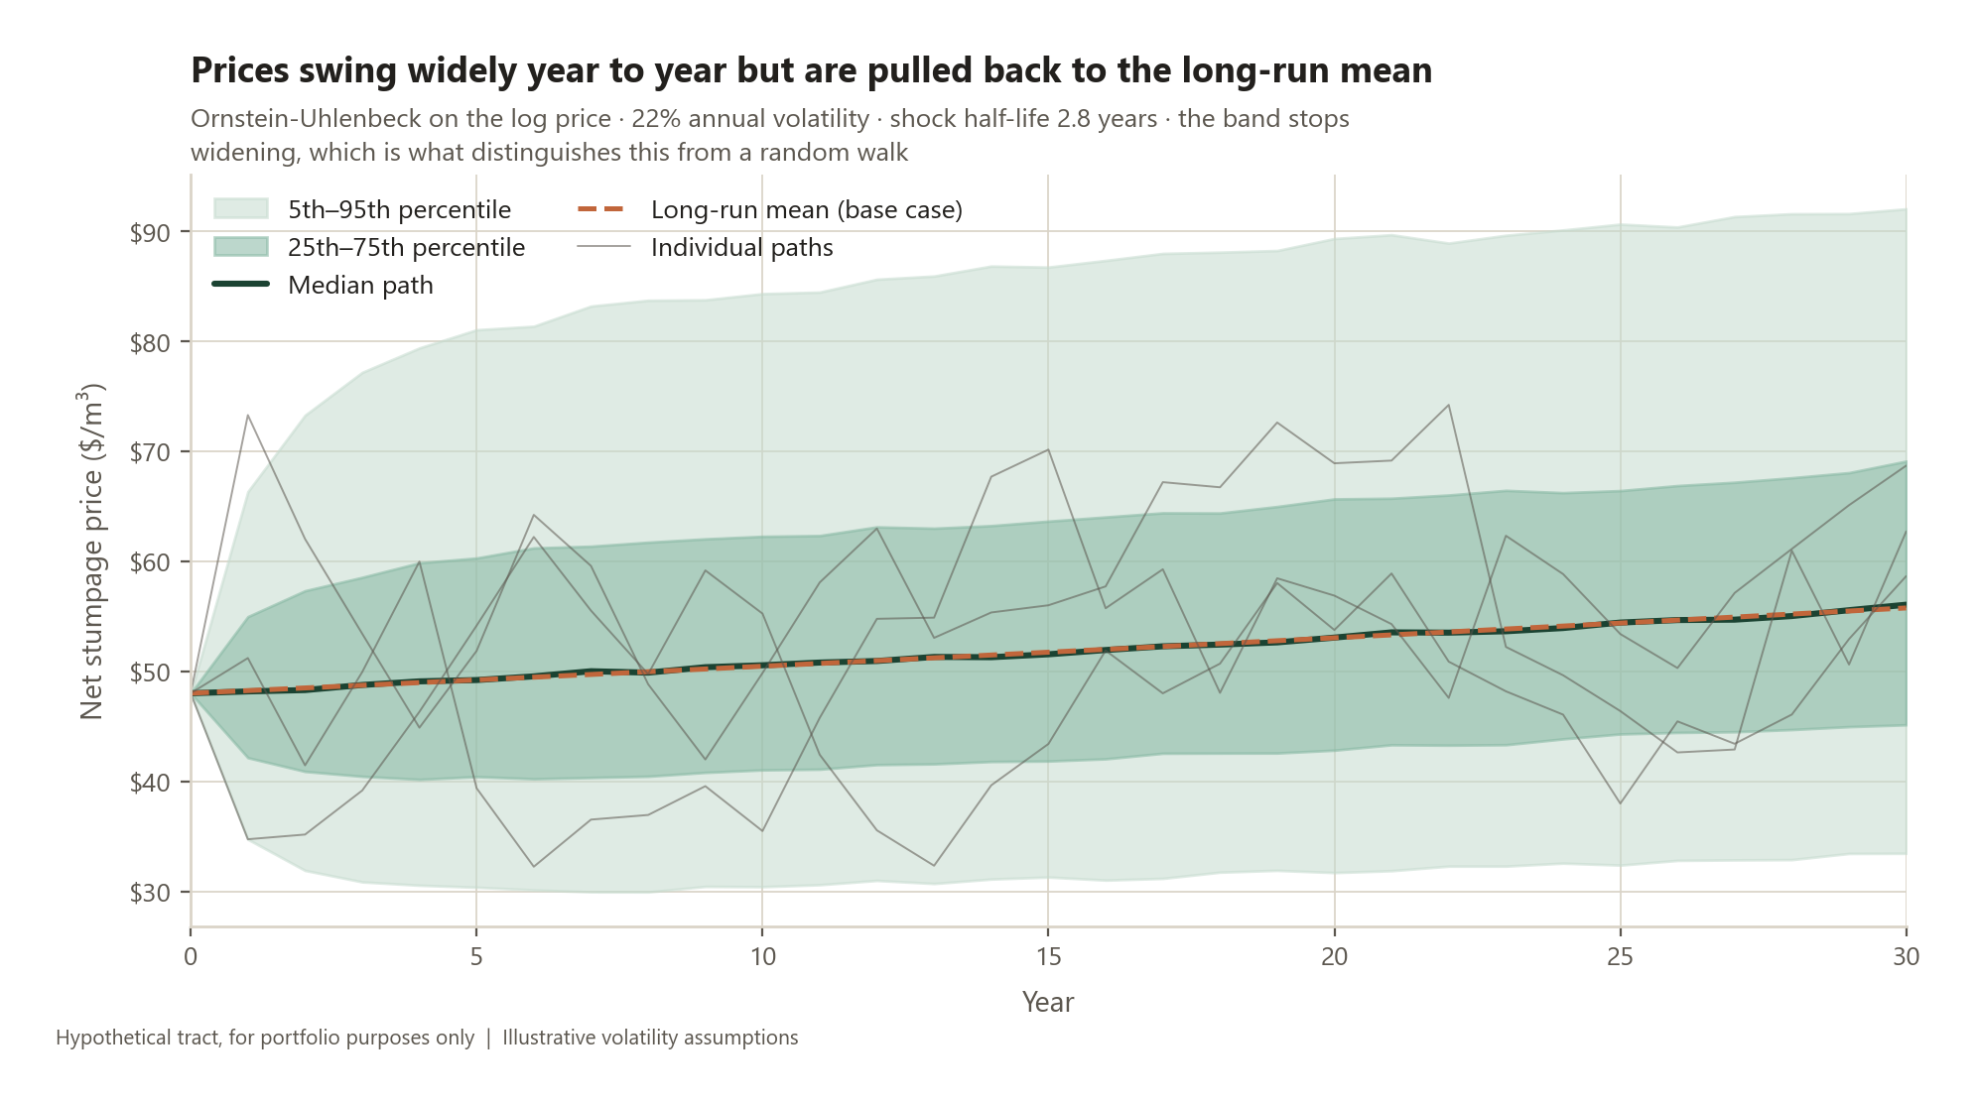
Monte Carlo risk analysis
10,000 paths, seed 42. Mean-reverting stumpage prices and random wildfire or pest losses, run through the same cohort model.
HYPOTHETICAL TRACT, FOR PORTFOLIO PURPOSES ONLY. NOT INVESTMENT ADVICE.

IRR distribution by strategy
Strategy | P5 | P25 | Median | P75 | P95 | Mean | P(IRR < hurdle)
Scheduled harvest | 5.58% | 6.81% | 7.74% | 8.82% | 10.55% | 7.87% | 9.6%
Flexible harvest | 5.37% | 6.81% | 8.02% | 9.50% | 11.81% | 8.24% | 11.6%

Headline risk measures
Hurdle rate |  | Linked from Assumptions
Probability of missing the hurdle (scheduled) | 9.6% | Share of the 10,000 paths returning less than the hurdle
Value of harvest timing flexibility | $3,526,108 | Mean NPV of the flexible strategy less the scheduled strategy
Value of flexibility per hectare | $176.31 | The real option is worth this much per hectare
Flexibility gain in mean IRR | 0.37% | Same comparison, expressed as a return
Expected cost of fire and pests | $1,124,144 | Mean NPV with disturbances switched off, less the base case, on identical price paths
Expected cost per hectare | $56.21
Mean disturbance events per path | 0.60 | 30 years at the configured annual probability
Paths seeing at least one event | 45.5%
Worst single event in the simulation | 32.6% | Share of the tract destroyed in one year

Why flexibility has value
Prices mean revert, so a low price today is information: it is likely to rise. The even-flow agreement still allows the cut to move ±15% around the target, and shifting volume out of weak years into strong ones is worth the figure above. Under a random walk the same option would be worth nothing, because today's price would already be the best forecast of tomorrow's.

Market_Analysis
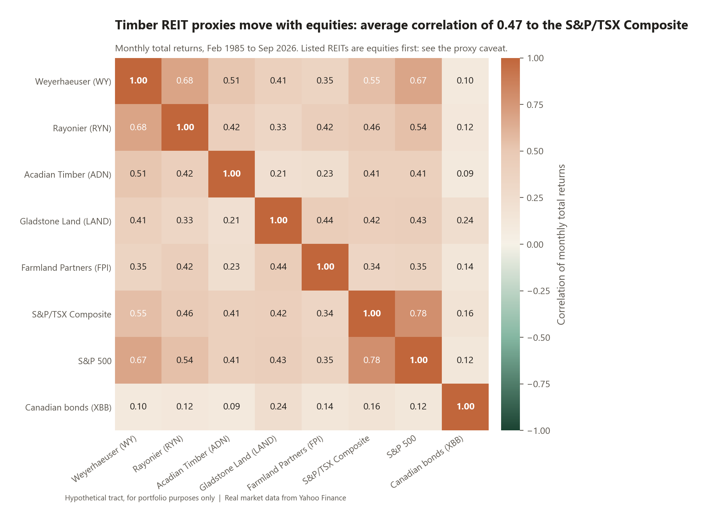
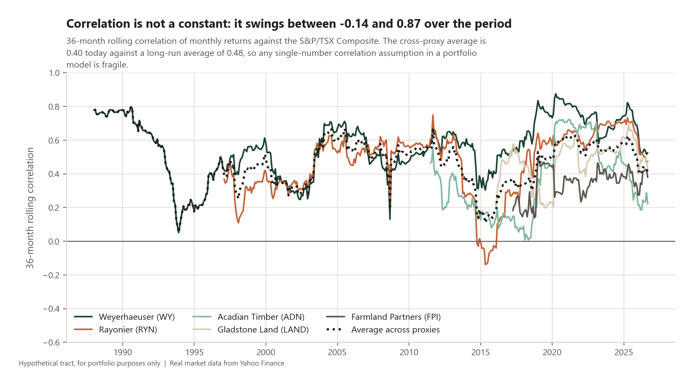
Portfolio fit: correlation and inflation
Real market data. This sheet tests the two claims usually made for timberland and reports what the data says, including where it disagrees.
HYPOTHETICAL TRACT, FOR PORTFOLIO PURPOSES ONLY. NOT INVESTMENT ADVICE.

Correlation of monthly total returns
Feb 1985 to Sep 2026. High correlation is shaded orange because it is the unhelpful outcome for a diversification case.
 | Weyerhaeuser (WY) | Rayonier (RYN) | Acadian Timber (ADN) | Gladstone Land (LAND) | Farmland Partners (FPI) | S&P/TSX Composite | S&P 500 | Canadian bonds (XBB)
Weyerhaeuser (WY) | 1.00 | 0.68 | 0.51 | 0.41 | 0.35 | 0.55 | 0.67 | 0.10
Rayonier (RYN) | 0.68 | 1.00 | 0.42 | 0.33 | 0.42 | 0.46 | 0.54 | 0.12
Acadian Timber (ADN) | 0.51 | 0.42 | 1.00 | 0.21 | 0.23 | 0.41 | 0.41 | 0.09
Gladstone Land (LAND) | 0.41 | 0.33 | 0.21 | 1.00 | 0.44 | 0.42 | 0.43 | 0.24
Farmland Partners (FPI) | 0.35 | 0.42 | 0.23 | 0.44 | 1.00 | 0.34 | 0.35 | 0.14
S&P/TSX Composite | 0.55 | 0.46 | 0.41 | 0.42 | 0.34 | 1.00 | 0.78 | 0.16
S&P 500 | 0.67 | 0.54 | 0.41 | 0.43 | 0.35 | 0.78 | 1.00 | 0.12
Canadian bonds (XBB) | 0.10 | 0.12 | 0.09 | 0.24 | 0.14 | 0.16 | 0.12 | 1.00

Inflation beta: annual total return regressed on annual CPI inflation
CPI source: Statistics Canada table 18-10-0004-01, Consumer Price Index, all-items, Canada, monthly (vector v41690973)
Asset | Inflation beta | Standard error | t-statistic | p-value | R² | Years
Weyerhaeuser (WY) | -1.33 | 2.67 | -0.50 | 0.62 | 0.01 | 41
Rayonier (RYN) | -1.45 | 3.35 | -0.43 | 0.67 | 0.01 | 32
Acadian Timber (ADN) | -2.71 | 3.52 | -0.77 | 0.45 | 0.04 | 18
Gladstone Land (LAND) | 3.87 | 8.91 | 0.43 | 0.67 | 0.02 | 13
Farmland Partners (FPI) | 2.17 | 5.33 | 0.41 | 0.69 | 0.02 | 12
S&P/TSX Composite | -0.35 | 1.70 | -0.21 | 0.84 | 0.00 | 41
S&P 500 | -1.32 | 1.86 | -0.71 | 0.48 | 0.01 | 41
Canadian bonds (XBB) | -1.97 | 0.61 | -3.22 | 0.00 | 0.30 | 26

Average annual return in high versus low inflation years
Split at the median annual inflation rate of 2.13% (21 high years, 20 low years).
Asset | High inflation years | Low inflation years | Difference
Weyerhaeuser (WY) | 10.0% | 7.4% | 2.6%
Rayonier (RYN) | 10.6% | 10.2% | 0.4%
Acadian Timber (ADN) | 16.7% | 12.1% | 4.7%
Gladstone Land (LAND) | 14.9% | -0.2% | 15.0%
Farmland Partners (FPI) | 17.1% | -1.4% | 18.5%
S&P/TSX Composite | 8.1% | 6.6% | 1.5%
S&P 500 | 9.6% | 11.4% | -1.8%
Canadian bonds (XBB) | 3.2% | 4.0% | -0.8%

Limitation that qualifies everything on this sheet
Listed timber and farmland REITs are imperfect proxies for private timberland. They are equities first: they carry market beta, leverage and daily sentiment that a directly held tract does not, so the correlations measured here are an upper bound and understate the diversification a private portfolio would deliver. Appraisal-based private indices have the opposite problem: smoothing suppresses measured correlation and volatility. The truth sits between the two, and neither is available for a 20,000 ha Alberta tract specifically.

