Bank
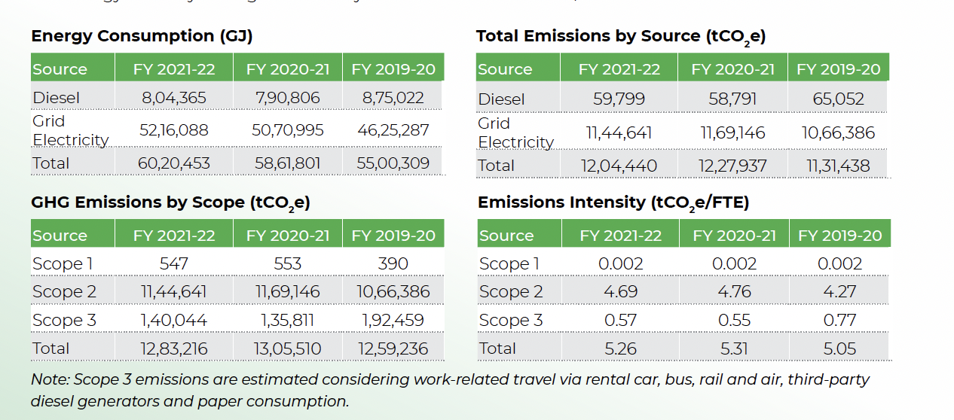
Group | SubGroups | SubGroups | Locations | Accounts | Account Styles | Account Styles Caption

 |  |  |  |  | Scope 2
 |  | APAC Corp Offices | Mumbai Corp Office | Electricity
 | Corporate Offices
 |  |  |  | Water
 |  | EMEA Corp Offices | London Corp Office |  | Scope 1
 |  |  |  | Fugitive Gases
 |  |  |  |  | Scope 1
 |  | US Corp Offices | Washington, DC Corp Office | Diesel

 |  |  |  |  | Universal - S2 - Electricity - kWh | S2 - Electricity - kWh
 |  | Apac Bank Branches | Mumbai Branch New Delhi Branch | Electricity
 | Bank Branches |  |  |  | Universal - No Scope - Water - gallons | No Scope - Water - gallons
 |  | USA Bank Branches | New York Branch Chicago Branch | Water | Universal - S1 - Refrigerant Leakage - kgCO2e | S1 - Refrigerant Leakage - kgCO2e
 |  |  |  | Transport fuels | Universal - S1 - Compressed Natural Gas - CNG - gal | S1 - Compressed Natural Gas - CNG - gal | Internal transportation and office buses owned by Organization-
 |  | Europe Bank Branches | Frankfurt Branch |  |  | S1 - Fuel Oil No. 1 - gal

 | ATMs | India ATMs | Hyderabad ATM Bangalore ATM | Electricity | Universal - S2 - Electricity - kWh | S2 - Electricity - kWh
 |  |  |  | Diesel | Universal - S1 - Diesel Stationary - L | S1 - Diesel Stationary - L
IN Bank |  |  |  |  |  | S2 - Electricity - kWh
 |  |  |  |  |  | S1 - Diesel Stationary - L
 |  |  | Frankfurt DataCenter
 | Data Centers | Operational DCs |  | Electricity | Universal - S2 - Electricity - kWh | S2 - Electricity - kWh
 |  |  |  |  | Universal - No Scope - Water - gallons | No Scope - Water - gallons
 |  |  | Chennai DataCenter | Water

 |  | Cat 1 - Purchased Goods | Kraft Paper Suppliers , Mumbai Kemsley Paper Mills, UK | Spend on Papers in USD / INR | Universal - S3.1 - Paper products - USD or local | S3.1 - Paper products - USD or local

 |  |  | Lenovo Computer Supplier HP Computer Supplier | Spend on Computers in USD / INR | Universal - S3.2 - Computer and electronic products - USD or local | S3.2 - Computer and electronic products - USD or local
 |  |  |  |  | Universal - S3.1 - Data processing, internet publish, other IT - USD or local | S3.1 - Data processing, internet publish, other IT - USD or local
 |  |  | Alfa Funtiture | Spend on Furtniture in USD / INR | Universal - S3.2 - Furniture and related products - USD or local | S3.2 - Furniture and related products - USD or local
 | Scope 3 Categories

 |  | Cat 6 - Business Travel | Airtravel | Miles travelled | Universal - S3.6 - Air Travel-Long haul-Business - miles | S3.6 - Air Travel-Long haul-Business - miles

 |  |  | Hotel Stays | Number of nights stayed | Universal - S3.6 - Hotel Stays - Room nights | S3.6 - Hotel Stays - Room nights

 |  | Cat 7 - Employee Commute | Bus Commute | Kms travelled by Employees | Universal - S3.7 - Employee Commute - Car - miles | S3.7 - Employee Commute - Car - miles

 |  | Listed Equity & Corporate Bonds | Oil & Gas | Oustanding amount
 | Scope 3 Investments

 |  | Business Loans | Auto manufacturing | Laon Oustanding amount

